Real Option - Calculations
Real Option Valuation — Ascelis/Senn Peptide CDMO: Option to Expand into India Commercial-Scale Manufacturing
Granules India Limited | Corporate Valuation — Group 7 | Company-level inputs sourced from Section B — Group 7 Valuation Model (WACC / DCF sheets)

SECTION A: KEY INPUTS

Input | Value | Source
Risk-free rate, r (10-yr India G-Sec) | 6.78% | Section B — WACC sheet (D19)
Company WACC (project discount rate) | 10.25% | Section B — WACC sheet (D26)
Marginal corporate tax rate | 25.2% | Section B — WACC sheet (D14)
Terminal EV/EBITDA exit multiple | 12.00x | Section B — DCF sheet (E51), same exit multiple as core valuation
USD/INR exchange rate, FY27E | 94.0 | Group 7 EIC Analysis (Ind-Ra FY27 forecast)
Time to expansion decision, T (years) | 2 | Management commentary, Q1 FY26 call — FY27 capex decision window
Exercise price, X — Phase-2 India capex (₹cr) | 450 | Estimate; proxied off comparable large-scale greenfield facility capex (not yet disclosed by company)
Volatility, σ (base case) | 40.0% | Proxy for nascent, high-growth peptide/GLP-1 CDMO segment risk

SECTION B: MINI-DCF — DERIVING S₀ (PV of Phase-2 Expansion Cash Flows)

SCENARIO 1: BASE CASE (management's own FY29 target: $50M revenue @ 30%+ EBITDA margin)
 | FY27E | FY28E | FY29E | FY30E | FY31E
Revenue ($M) | 10.0 | 25.0 | 50.0 | 60.0 | 70.0
EBITDA margin (%) | 10.0% | 20.0% | 30.0% | 32.0% | 33.0%
EBITDA ($M) | 1.0 | 5.0 | 15.0 | 19.2 | 23.1
EBITDA (₹cr) [$M × FX ÷ 10] | 9.4 | 47.0 | 141.0 | 180.4 | 217.1
Unlevered FCF (₹cr) [EBITDA × (1-tax)] | 7.0 | 35.1 | 105.4 | 134.9 | 162.3
Discount factor @ WACC | 0.9070 | 0.8226 | 0.7461 | 0.6767 | 0.6138
PV of FCF (₹cr) | 6.4 | 28.9 | 78.7 | 91.3 | 99.6
Terminal Value, FY31 (₹cr) [Exit multiple × FY31 EBITDA] |  |  |  |  | 2,605.1
PV of Terminal Value (₹cr) |  |  |  |  | 1,599.0
S₀ = PV(explicit FCF) + PV(Terminal Value) (₹cr) | 1,903.9

SCENARIO 2: DOWNSIDE CASE (peptide business reaches only ~50% of management's FY29 target)
 | FY27E | FY28E | FY29E | FY30E | FY31E
Revenue ($M) | 5.0 | 12.0 | 25.0 | 30.0 | 35.0
EBITDA margin (%) | 8.0% | 15.0% | 20.0% | 22.0% | 24.0%
EBITDA ($M) | 0.4 | 1.8 | 5.0 | 6.6 | 8.4
EBITDA (₹cr) [$M × FX ÷ 10] | 3.8 | 16.9 | 47.0 | 62.0 | 78.9
Unlevered FCF (₹cr) [EBITDA × (1-tax)] | 2.8 | 12.7 | 35.1 | 46.4 | 59.0
Discount factor @ WACC | 0.9070 | 0.8226 | 0.7461 | 0.6767 | 0.6138
PV of FCF (₹cr) | 2.5 | 10.4 | 26.2 | 31.4 | 36.2
Terminal Value, FY31 (₹cr) [Exit multiple × FY31 EBITDA] |  |  |  |  | 947.3
PV of Terminal Value (₹cr) |  |  |  |  | 581.4
S₀ = PV(explicit FCF) + PV(Terminal Value) (₹cr) | 688.2

SCENARIO 3: SEVERE/STRESS CASE (demand stalls near current CHF16-20m run-rate; no real ramp-up)
 | FY27E | FY28E | FY29E | FY30E | FY31E
Revenue ($M) | 4.0 | 7.0 | 10.0 | 12.0 | 14.0
EBITDA margin (%) | 5.0% | 10.0% | 15.0% | 17.0% | 18.0%
EBITDA ($M) | 0.2 | 0.7 | 1.5 | 2.0 | 2.5
EBITDA (₹cr) [$M × FX ÷ 10] | 1.9 | 6.6 | 14.1 | 19.2 | 23.7
Unlevered FCF (₹cr) [EBITDA × (1-tax)] | 1.4 | 4.9 | 10.5 | 14.3 | 17.7
Discount factor @ WACC | 0.9070 | 0.8226 | 0.7461 | 0.6767 | 0.6138
PV of FCF (₹cr) | 1.3 | 4.0 | 7.9 | 9.7 | 10.9
Terminal Value, FY31 (₹cr) [Exit multiple × FY31 EBITDA] |  |  |  |  | 284.2
PV of Terminal Value (₹cr) |  |  |  |  | 174.4
S₀ = PV(explicit FCF) + PV(Terminal Value) (₹cr) | 208.2

SECTION C: BLACK-SCHOLES REAL OPTION VALUATION (Call = S₀·N(d1) − X·e^(-rT)·N(d2))

Scenario | S₀ (₹cr) | X (₹cr) | T (yrs) | σ | r | d1 | d2 | N(d1) | N(d2)
Base | 1,903.9 | 450 | 2 | 40.0% | 6.78% | 3.0723 | 2.5066 | 0.9989 | 0.9939
Downside | 688.2 | 450 | 2 | 40.0% | 6.78% | 1.2736 | 0.7079 | 0.8986 | 0.7605
Severe/Stress | 208.2 | 450 | 2 | 40.0% | 6.78% | -0.8401 | -1.4058 | 0.2004 | 0.0799

Call Value (Real Option Value), ₹cr = S₀·N(d1) − X·e^(-rT)·N(d2)
Scenario | Option Value (₹cr)
Base | 1,511.3
Downside | 319.6
Severe/Stress | 10.3

SECTION D: STATIC NPV vs. REAL OPTION VALUE (the value of flexibility)

Scenario | S₀ (₹cr) | X (₹cr) | Static NPV = S₀−X | Real Option Value | Flexibility Premium | Invest now? (NPV rule)
Base | 1,903.9 | 450 | 1,453.9 | 1,511.3 | 57.4 | Yes
Downside | 688.2 | 450 | 238.2 | 319.6 | 81.4 | Yes
Severe/Stress | 208.2 | 450 | -241.8 | 10.3 | 10.3 | No

SECTION E: TWO-STEP BINOMIAL TREE CROSS-CHECK (Base case, Cox-Ross-Rubinstein)

Up factor, u = e^(σ·√Δt) [Δt = T/2 = 1 yr] | 1.4918
Down factor, d = 1/u | 0.6703
Risk-neutral probability, p = (e^(r·Δt) − d) / (u − d) | 0.4867
Per-step discount factor, e^(-r·Δt) | 0.9345

Node | S (₹cr) | Payoff = MAX(S-X,0) | Option Value
Up-Up (t=2) | 4,237.1 | 3,787.1
Up-Down (t=2) | 1,903.9 | 1,453.9
Down-Down (t=2) | 855.5 | 405.5
Up (t=1) — rolled back |  |  | 2,419.7
Down (t=1) — rolled back |  |  | 855.7
t=0 — Binomial Option Value (₹cr) |  |  | 1,510.9
Cross-check vs. Black-Scholes (Base case) |  |  | 1,511.3

SECTION F: SENSITIVITY — OPTION VALUE (₹cr) vs. VOLATILITY & EXERCISE PRICE (Base case S₀)

σ \ X (₹cr) → | 300 | 350 | 400 | 450 | 500 | 550 | 600
25.0% | 1,642 | 1,598 | 1,555 | 1,511 | 1,467 | 1,424 | 1,380
30.0% | 1,642 | 1,598 | 1,555 | 1,511 | 1,467 | 1,424 | 1,380
35.0% | 1,642 | 1,598 | 1,555 | 1,511 | 1,467 | 1,424 | 1,381
40.0% | 1,642 | 1,598 | 1,555 | 1,511 | 1,468 | 1,425 | 1,382
45.0% | 1,642 | 1,599 | 1,555 | 1,512 | 1,469 | 1,427 | 1,385
50.0% | 1,642 | 1,599 | 1,556 | 1,514 | 1,471 | 1,430 | 1,389
55.0% | 1,643 | 1,600 | 1,558 | 1,516 | 1,475 | 1,434 | 1,395
60.0% | 1,644 | 1,602 | 1,560 | 1,519 | 1,479 | 1,440 | 1,402

Note: σ=40%, X=₹450cr column/row corresponds to the Base-case assumptions used in Sections C-D above.

SECTION G: BINOMIAL LATTICE DIAGRAM (visualizes B80:D92 above)

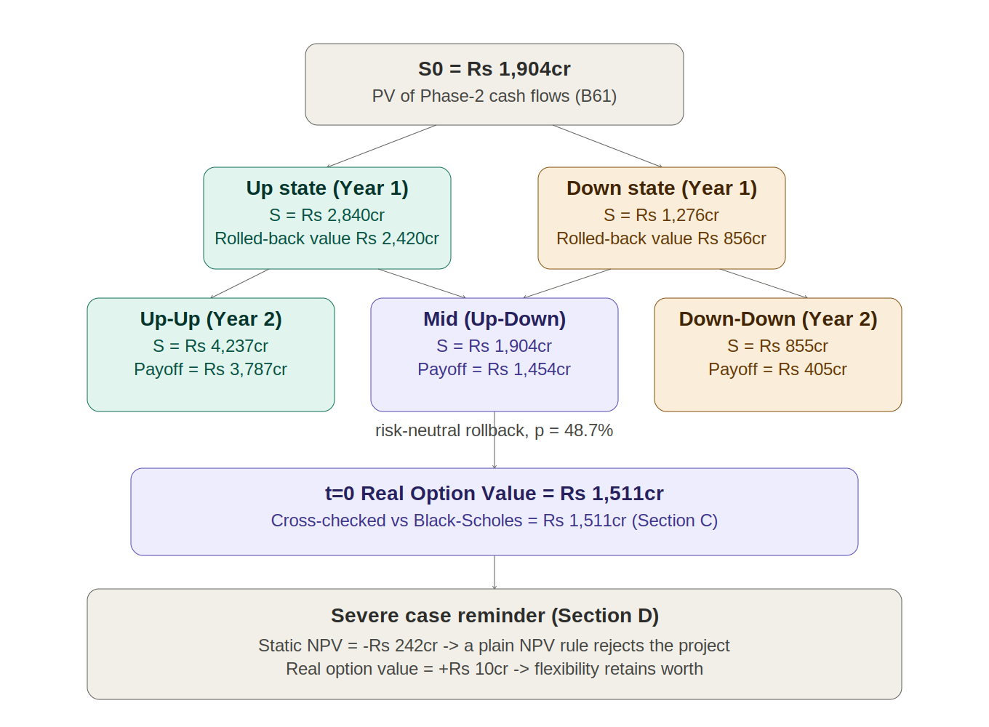

Source: Granules India Annual Report, Quarterly Earnings Call

Real Option - Explanation
 | Real Option Explained — Background, Scenarios & Interpretation

 | 1. WHAT IS A REAL OPTION?

 | A real option is the right, but not the obligation, to take a future action on a real (physical or business) asset or project — to expand it, delay it, abandon it, or switch its use — rather than on a financial security. Standard NPV/DCF analysis discounts a single expected cash-flow path and tends to undervalue investments that unfold in stages, because it does not explicitly price the fact that management can react as uncertainty resolves. An 'option to expand' is the most common type in a corporate setting: a firm makes a smaller Phase-1 investment to secure a foothold and the right to make a larger Phase-2 investment later, only if the opportunity proves out.

 | 2. BACKGROUND: THE GRANULES PEPTIDE CDMO OPPORTUNITY

 | Phase 1 — already committed (the 'option premium')
 | In February 2025, Granules India's board approved the acquisition of 100% of Senn Chemicals AG, a Swiss peptide CDMO, for CHF 20 million (~₹192.5 crore), executed through wholly-owned subsidiary Ascelis Peptides Pvt. Ltd. The deal closed on 10 April 2025. On the Q1 FY26 earnings call, management separately disclosed the acquired business's overall enterprise value (equity + debt) at ~₹450 crore, and flagged further FY26 investment of ~₹100 crore (Switzerland capacity expansion) plus ~₹20-30 crore (a new India R&D lab, opened October 2026). Senn's current annualised book of business is CHF 16-20 million. In Q4 FY26 the peptide CDMO platform turned EBITDA-positive for the first time.
 | Phase 2 — the real option (not yet exercised)
 | On the same Q1 FY26 call, management was asked directly how much further investment the peptide business would need. The answer: "...the financial year '27, we may want to spend a little capex on the back-end manufacturing capability [in India]. We are still estimating." This is a disclosed, real, not-yet-committed decision - Granules has not yet decided whether, or how much, to invest in large-scale commercial peptide manufacturing capacity in India (the dual-site strategy management describes as "Switzerland for complexity, India for scale and cost"). That undecided, deferred, discretionary capex decision is the real option this analysis values.
 | The payoff if exercised, and the cost if not
 | Management's own medium-term target for the peptide business is $50 million revenue at a 30%+ EBITDA margin by ~FY29, addressing a global peptide therapeutics market management itself sizes at over $130 billion by 2030 (driven substantially by GLP-1/anti-obesity demand). If Granules exercises the option and that target is broadly met, the India-scale platform becomes a large, high-margin growth engine. If it declines to exercise (because demand or margins disappoint), Granules simply continues at the smaller, already-built Swiss scale - the maximum loss is the Phase-1 money already spent, not the much larger Phase-2 capex. This asymmetric payoff (large upside, capped downside) is exactly what a call option provides, which is why Black-Scholes is an appropriate lens.

 | 3. WHY THIS QUALIFIES AS AN 'OPTION TO EXPAND'

 | • Right, not obligation: management has explicitly said the India manufacturing capex is still being estimated - no commitment has been made. • A defined, disclosed decision window: management's own language points to an FY27 decision point (~2 years from the current valuation date). • A modest, already-sunk entry cost that buys the right to a much larger follow-on investment: the ~₹450cr Phase-1 acquisition/build-out vs. an estimated ~₹450cr* Phase-2 scale-up capex. • Genuine underlying uncertainty: the peptide/GLP-1 CDMO market is nascent and fast-growing, with a wide range of plausible demand outcomes - exactly the volatility that gives an option its value. (*Coincidentally similar in magnitude here; the two are economically distinct - one is sunk, the other is the exercise price of the option being valued.)

 | 4. THE THREE SCENARIOS MODELLED (Calculations sheet, Section B)

 | BASE CASE - takes management's own stated FY29 target at face value ($50M revenue, 30%+ EBITDA margin), ramping from a $10M FY27 start. This represents the outcome if the current growth trajectory (Q4 FY26 EBITDA-positive, >100% YoY growth reported in earlier quarters) continues largely as guided. DOWNSIDE CASE - assumes the segment reaches only ~50% of management's FY29 target ($25M revenue at a lower 20% margin), reflecting a scenario where GLP-1/peptide demand growth is real but slower to convert into Granules-specific revenue than management currently expects. SEVERE/STRESS CASE - assumes demand effectively stalls near the current CHF16-20m annualised run-rate with no meaningful India scale-up benefit, i.e., the commercial thesis behind Phase 2 does not materialise. All three scenarios use the same discount rate (company WACC, 10.25%), tax rate (25.22%), exit multiple (12.0x, matching the core DCF), and FX rate (₹93.98/US$) sourced directly from the Section B valuation model, so the only assumption that varies across scenarios is the pace and scale of the peptide business's commercial ramp-up - isolating pure demand/execution risk as the source of volatility.

 | 5. RESULTS & MANAGERIAL INTERPRETATION

 | S₀ (the PV of Phase-2 cash flows if built today) comes out at ~₹1,904cr (Base), ~₹688cr (Downside) and ~₹208cr (Severe) against an assumed exercise price of ₹450cr. Under Black-Scholes (σ=40%, T=2yrs, r=6.78%), the real option is worth ~₹1,511cr (Base), ~₹320cr (Downside) and ~₹10cr (Severe) - cross-checked against a two-step binomial tree, which lands within ₹0.4cr of the Black-Scholes figure in the Base case. The most important number in this analysis is not any single scenario's option value - it is the comparison between the Real Option Value and the Static (invest-now) NPV in each case (Calculations sheet, Section D). In the Base and Downside cases, static NPV is already positive, so the option's 'flexibility premium' (Option Value minus NPV) is modest in relative terms (4-25% uplift). But in the Severe/Stress case, static NPV is meaningfully NEGATIVE (−₹242cr) - a plain NPV rule would say Granules should never invest in India-scale manufacturing under this scenario. The real option value, however, is still positive (+₹10cr), because the option retains time value: management does not have to decide today, and if the pessimistic case turns out wrong, they can still capture the upside. This is precisely why Granules' actual behaviour - a small, already-made Phase-1 commitment with an explicitly deferred, 'still estimating' Phase-2 decision - is economically rational even though the ultimate demand outcome is genuinely uncertain today: it preserves a real option worth materially more than zero under every scenario modelled, at a cost that is tiny relative to the option's Base-case value.

 | 6. LIMITATIONS & CAVEATS

 | • Black-Scholes assumes a single, European-style exercise date and constant volatility; Granules' actual decision is more flexible (American-style, can be made at any point, and may be staged further) - the binomial cross-check partially addresses this but still uses only two decision steps. • The exercise price (₹450cr) is an estimate proxied off comparable greenfield facility capex, since the company has not yet disclosed a specific Phase-2 capex number - management itself says this is 'still estimating.' • Volatility (40%) is a judgment-based proxy for a nascent CDMO/peptide segment, not derived from traded options or a matched public comparable; the Section F sensitivity table in the Calculations sheet shows how much the option value moves as this assumption is varied (25%-60%). • The mini-DCF used to derive S₀ is a simplified, standalone projection for the peptide segment only; it is not integrated with the core company-wide DCF in the Section B valuation model and should be read as a supplementary, illustrative analysis alongside it.

 | 7. VISUAL: OPTION STRUCTURE

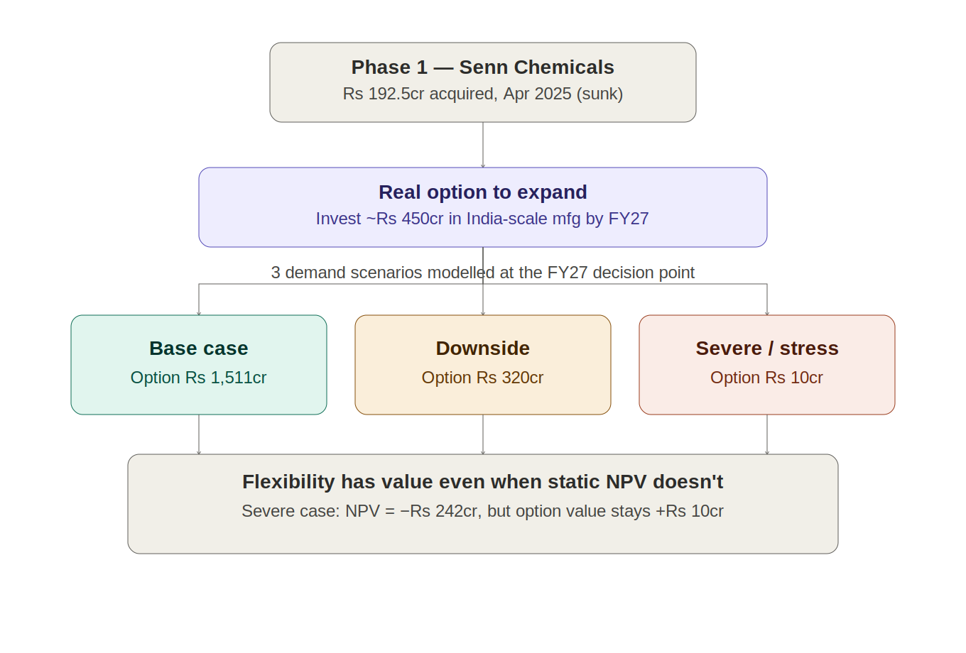

Source: Granules India Annual Report, Quarterly Earnings Call

