CHRIST Summary
 |  |  |  |  |  |  |  |  |  |  |  |  |  |  |  |  |  |  |  |  |  |  |  |  |  |  |  |  |  | 406
 |  |  |  |  |  |  |  |  |  |  |  |  |  |  |  |  |  |  |  |  |  |  |  |  |  |  |  |  |  | 11.09.2026
Referenced code | Main Article Number | Style Number | SAP Code | Old Reference Code | Photo | Gender | Purch Group | Label Description | Collection Name | Family | Main Stone | Total CT | Min diamond wt | Color | Clarity | Size/Length/Pin size | Clasp type | Chain Type | Material(Gold Alloy) | Full Plating Details | Plating Short Name | Anti Tarnish(Yes/NO) | UOM | Vendor | Labour + Extra Gold lost | No. of Diamond | CODE | Diamond Quality | SAP CodeVendor | order qty
89220605 | 60151426 | RG0003827D | S.B2B12250 | GKRG2412C - 14KW 50 | 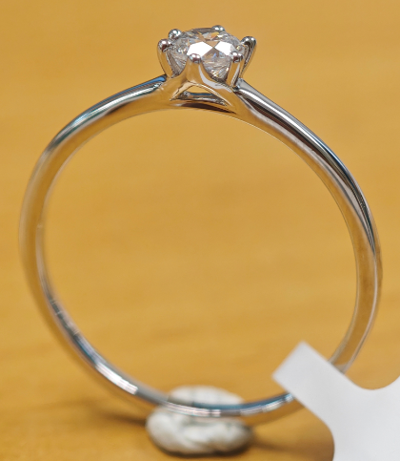 | WOMAN | XCJ | Christ Rings OR585 White Gold Diamond 0.25ct 50 | CHRIST | Rings | Diamond | 0.25 | 0.238 | White | SI | 50 |  |  | 585 White Gold | 0.20 Mic Platinum + 0.04mic Rhodium OR 0.1 Mic Platinum + 0.1 Mic Rhodium | 0.20 Pt + 0.04 Rh OR 0.1 Pt + 0.1 Rh |  | Piece | SJ | US$11.11 | 1 | 90701838 | DIAMOND G/H SI3 0.25CT | S.B2B12250SJ | 7 | Reorder
89220622 | 60151426 | RG0003827D | S.B2B12252 | GKRG2412C - 14KW 52 |  | WOMAN | XCJ | Christ Rings OR585 White Gold Diamond 0.25ct 52 | CHRIST | Rings | Diamond | 0.25 | 0.238 | White | SI | 52 |  |  | 585 White Gold | 0.20 Mic Platinum + 0.04mic Rhodium OR 0.1 Mic Platinum + 0.1 Mic Rhodium | 0.20 Pt + 0.04 Rh OR 0.1 Pt + 0.1 Rh |  | Piece | SJ | US$11.11 | 1 | 90701838 | DIAMOND G/H SI3 0.25CT | S.B2B12252SJ | 8 | Reorder
89220463 | 60151426 | RG0003827D | S.B2B12254 | GKRG2412C - 14KW 54 |  | WOMAN | XCJ | Christ Rings OR585 White Gold Diamond 0.25ct 54 | CHRIST | Rings | Diamond | 0.25 | 0.238 | White | SI | 54 |  |  | 585 White Gold | 0.20 Mic Platinum + 0.04mic Rhodium OR 0.1 Mic Platinum + 0.1 Mic Rhodium | 0.20 Pt + 0.04 Rh OR 0.1 Pt + 0.1 Rh |  | Piece | SJ | US$11.11 | 1 | 90701838 | DIAMOND G/H SI3 0.25CT | S.B2B12254SJ | 14 | Reorder
89220627 | 60151427 | RG0003827D | S.B1B15850 | GKRG2412C / RG0003827D - 14KY 50 | 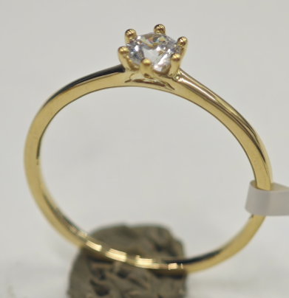 | WOMAN | XCJ | Christ Rings OR585 Yellow Gold Diamond 0.25ct 50 | CHRIST | Rings | Diamond | 0.25 | 0.238 | White | SI | 50 |  |  | 585 Yellow Gold |  |  | YES | Piece | SJ | US$9.11 | 1 | 90701838 | DIAMOND G/H SI3 0.25CT | S.B1B15850SJ | 11 | Reorder
89220601 | 60151427 | RG0003827D | S.B1B15852 | GKRG2412C / RG0003827D - 14KY 52 |  | WOMAN | XCJ | Christ Rings OR585 Yellow Gold Diamond 0.25ct 52 | CHRIST | Rings | Diamond | 0.25 | 0.238 | White | SI | 52 |  |  | 585 Yellow Gold |  |  | YES | Piece | SJ | US$9.11 | 1 | 90701838 | DIAMOND G/H SI3 0.25CT | S.B1B15852SJ | 25 | Reorder
89220461 | 60151427 | RG0003827D | S.B1B15854 | GKRG2412C / RG0003827D - 14KY 54 |  | WOMAN | XCJ | Christ Rings OR585 Yellow Gold Diamond 0.25ct 54 | CHRIST | Rings | Diamond | 0.25 | 0.238 | White | SI | 54 |  |  | 585 Yellow Gold |  |  | YES | Piece | SJ | US$9.11 | 1 | 90701838 | DIAMOND G/H SI3 0.25CT | S.B1B15854SJ | 26 | Reorder
89220599 | 60151429 |  | S.B1B15952 | GKRG2412E / RG0003827F- 14KY 52 | 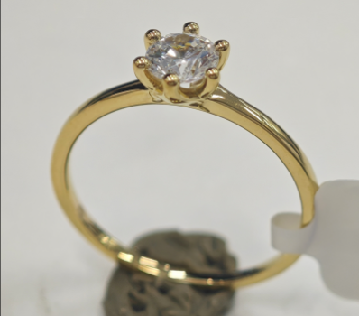 | WOMAN | XCJ | Christ Rings OR585 Yellow Gold Diamond 0.5ct 52 | CHRIST | Rings | Diamond | 0.5 | 0.5 | White | SI | 52 |  |  | 585 Yellow Gold |  |  | YES | Piece | SJ | US$9.82 | 1 | 90704183 | DIAMOND G/H SI2 0.50CT (with cert) | S.B1B15952SJ | 4 | Reorder
89220471 | 60151429 |  | S.B1B15954 | GKRG2412E / RG0003827F- 14KY 54 |  | WOMAN | XCJ | Christ Rings OR585 Yellow Gold Diamond 0.5ct 54 | CHRIST | Rings | Diamond | 0.5 | 0.5 | White | SI | 54 |  |  | 585 Yellow Gold |  |  | YES | Piece | SJ | US$9.82 | 1 | 90704183 | DIAMOND G/H SI2 0.50CT (with cert) | S.B1B15954SJ | 6 | Reorder
89221118 |  | PD0000652D | S.B1E07500 | GKPD2443C / PD0000652D | 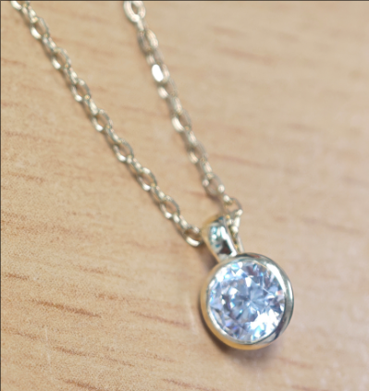 | WOMAN | XCJ | Christ Necklace OR585 Yellow Gold Diamond 0.25ct 42+3cm | CHRIST | Necklace | Diamond | 0.25 | 0.238 | White | SI | 42+3cm | Lobster Clasp | Chopin chain 0.2*1.1mm (TFJ#:XB020110H) | 585 Yellow Gold |  |  | YES | Piece | SJ | US$21.05 | 1 | 90701838 | DIAMOND G/H SI3 0.25CT | S.B1E07500SJ | 41 | Reorder
89221131 |  | PD0000652F | S.B2E05300 | GKPD2443E / PD0000652F | 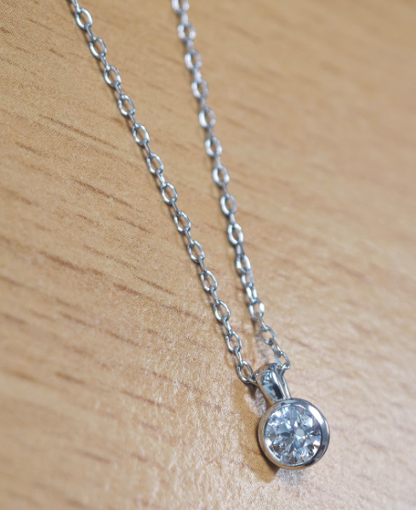 | WOMAN | XCJ | Christ Necklace OR585 White Gold Diamond 0.5ct 42+3cm | CHRIST | Necklace | Diamond | 0.5 | 0.5 | White | SI | 42+3cm | Lobster Clasp | Chopin chain 0.2*1.1mm (TFJ#:XB020110H) | 585 White Gold | Flash 0.04 Mic Rhodium |  |  | Piece | SJ | US$26.85 | 1 | 90704183 | DIAMOND G/H SI2 0.50CT (with cert) | S.B2E05300SJ | 4 | Reorder
89221115 |  | PD0000652F | S.B1E07600 | GKPD2443E / PD0000652F |  | WOMAN | XCJ | Christ Necklace OR585 Yellow Gold Diamond 0.5ct 42+3cm | CHRIST | Necklace | Diamond | 0.5 | 0.5 | White | SI | 42+3cm | Lobster Clasp | Chopin chain 0.2*1.1mm (TFJ#:XB020110H) | 585 Yellow Gold |  |  | YES | Piece | SJ | US$24.25 | 1 | 90704183 | DIAMOND G/H SI2 0.50CT (with cert) | S.B1E07600SJ | 10 | Reorder
89202049 |  | NL0000217A | S.B1E00100 | P.20K610000700/14kYG | 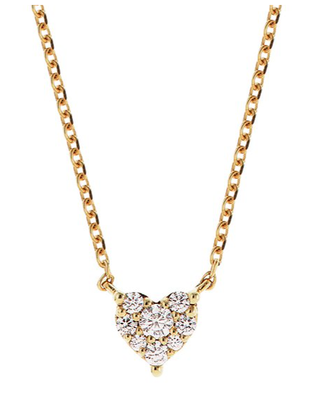 | WOMAN | XCJ | Christ Necklace 585 Yellow Gold Diamond 0.1ct 42+3cm | CHRIST | Necklace | Diamond | 0.1 | 0.095 | White | SI | 42+3cm | 5.0mm Spring Clasp | Facet Chain 0.25*0.9mm | 585 Yellow Gold |  |  | YES | Piece | SJ | US$14.63 | 1 | 90701866 | DIAMOND G/H SI3 0.04CT | S.B1E00100SJ | 83 | Reorder
89218634 | 60151323 | RG0002939A | S.B2B08354 | S.89049636 |  | WOMAN | XCJ | Christ Solitaire Rings OR585 White Gold Diamond 0.1 54 | Christ | Rings | Diamond | 0.1 | 0.095 |  | SI | 54 |  |  | 585 White Gold | 0.1 mic Pt + 0.1 mic Rh | 0.1 Pt + 0.1 Rh |  | Piece | SJ | US$15.00 | 1 | 90704187 | DIAMOND K/L SI3 0.1CT | S.B2B08354SJ | 55 | Reorder
89218611 | 60151323 | RG0002939A | S.B2B08356 | S.89049644 |  | WOMAN | XCJ | Christ Solitaire Rings OR585 White Gold Diamond 0.1 56 | Christ | Rings | Diamond | 0.1 | 0.095 |  | SI | 56 |  |  | 585 White Gold | 0.1 mic Pt + 0.1 mic Rh | 0.1 Pt + 0.1 Rh |  | Piece | SJ | US$15.00 | 1 | 90704187 | DIAMOND K/L SI3 0.1CT | S.B2B08356SJ | 52 | Reorder
89218633 | 60151323 | RG0002939A | S.B2B08358 | S.89049652 |  | WOMAN | XCJ | Christ Solitaire Rings OR585 White Gold Diamond 0.1 58 | Christ | Rings | Diamond | 0.1 | 0.095 |  | SI | 58 |  |  | 585 White Gold | 0.1 mic Pt + 0.1 mic Rh | 0.1 Pt + 0.1 Rh |  | Piece | SJ | US$15.00 | 1 | 90704187 | DIAMOND K/L SI3 0.1CT | S.B2B08358SJ | 60 | Reorder

