Sheet1
Test Case ID |  | TC_Practical-10 | Test Case Desc | Test cases to test computer department web pages from shri shivaji science college website
Created By |  | Trisharna R. Ingale | Reviewed By | Pratiksha A. Ramteke |  | Version |  | 1.0
Tester's Name |  |  | Date Tested |  |  | Test Case Status (Passed/Failed/NE)

# | Prerequisites: |  |  | # | Test Data
1 | Access to internet |  |  | 1
2 | Chrome Browser |  |  | 2
3 | Windows OS |  |  | 3
4 |  |  |  | 4

Test Scenario | Verify that the test cases computer department web pages from shri shivaji science college.

Step # | Step Details |  | Expected Results | Actual Results |  |  | Pass / Fail / Not executed / Suspended
1 | Go to google homepage and search www.shivajiscamt.org/pages/computer.php and Open the link |  | 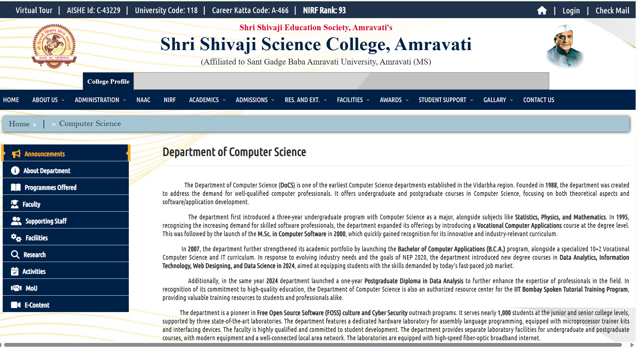 Verify the Computer Science and Application department pages loads successfully without errors.
2 | Verify the department page title and heading. |  | Verify the page displays department of Computer Science and Application correctly.
3 | Scroll through the complete department page from top to bottom. |  | Verify that all page sections load correctly without broken layout,overlapping content,or missing major elements.
4 | Read the department introduction/ history section. |  | Verify the department information,history,courses and development details are displayed correctly.
5 | Click the About Department Link from the department navigation. |  | Verify the About Department page/section opened successfullt and displayed relevant department information.
6 | Click Programmes Offeres from the department navigation. |  | 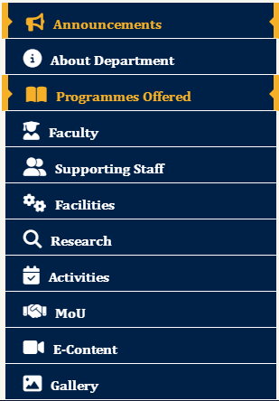 Verify the Programmes Offered by the computer depatment are displayed correctly.
7 | Click Supporting Staff from department navigation. |  | Verify that Supporting Staff page opened and displayed the relevant staff information.
8 | Click Faculty from the department navigation. |  | verify that Faculty page opened and displayed available Computer Department faculty information.
9 | Click Facilities from the department navigation. |  | Verify the Facilities page opened and displayed information about the department's facilities and laboratories.
10 | Click Research from the department navigation. |  | Verify the Research page opened and displayed available research related information.
11 | Click Activities from the department navigation. |  | Verify the Activities page opened and displayed department activities/ events.
12 | Click MoU from the department navigation. |  | Verify the MoU page opened and displayed available memorandum of understanding information.
13 | Click E-Content from the department navigation. |  | Verify the E-Content page opened successfully and available electronic learning content is displayed.
14 | Click Gallery from the department navigation. |  | Verify the department Gallery opened and available images are displayed correctly.
15 | Click the Home Link from the website navigation. |  | 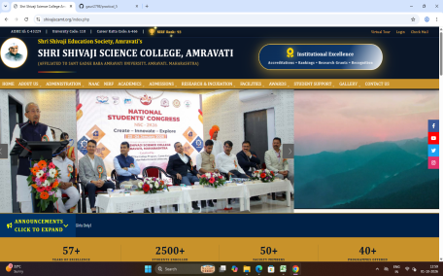 Verify the user is redirected to the Shri Shivaji Science College home page.
16 | Click the Contact Us link from the website navigation, |  | Verify the Contact Us page opened and displayed the college contact information.
17 | Click the Programmes link under Quick Links. |  | Verify the Programmes pages opened successfully and programmes information is displayed.
18 | Click the Principal's Desk link from quick links. |  | Verify the Principal's Desk page opened successfully.
19 | Click the College Gallery link from quick links. |  | Verify the College Gallery page opened and available gallery content is displayed.
20 | Click the SGBAU Amravati link under important links. |  | Verify the Sant Gadge Baba Amravati University website opened in the appropriate destination.
21 | Verify the contact information displayed at the bottom of the department page. |  | Verify the College name,address,telephone number,email address, and affiliated university information are displayed correctly.
22 | Open the Computer Department page on desktop and mobile screen size and navigation through the page. |  | Verify that page content, navigation menu,links,images and text remain usable and properly aligned on the both screen sizes.

