Sheet1
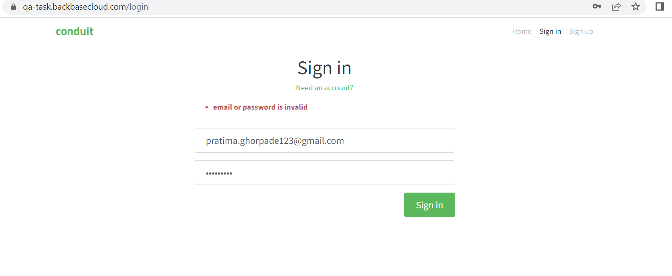
Defect Id | D_001
Defect Title | Sign in is not allowing for valid Email and valid password
Defect Description | Sign in is not allowing for valid Email and valid password
Steps to reproduce bug | a.Type correct Email b. Type correct Password c. Press on the sign in button & observe error msg
Expected Result | User should able to sign in successfully
Actual Result | User get Error message as "email or password is invalid"
Attachments | As shown in image
Priority | Highest
Environment | QA/UAT
Reported By | Pratima
Reported on | 25/04/2023
Status | open
Assigned To | xyz

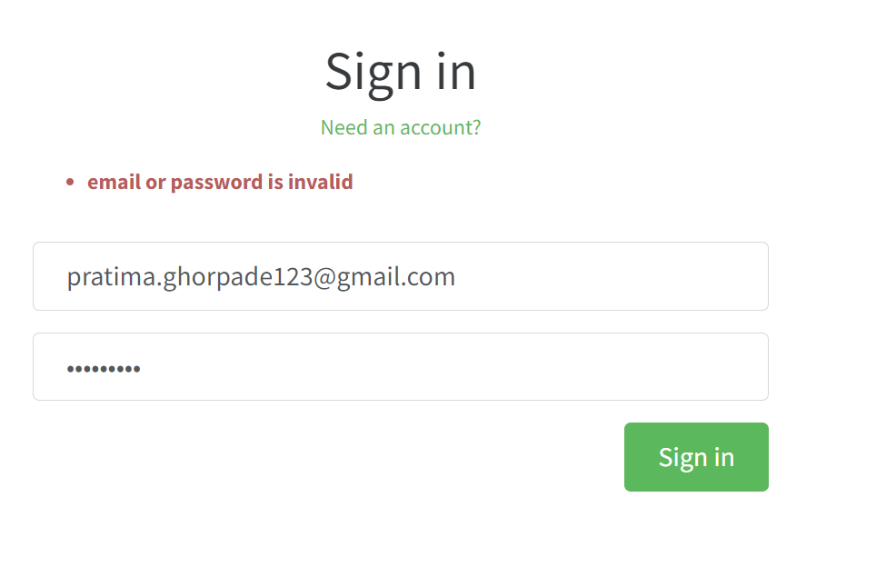
Defect Id | D_002
Defect Title | When click on Youe Feed option, Sign in is not allowing for valid Email and valid password
Defect Description | When click on Youe Feed option, Sign in is not allowing for valid Email and valid password
Steps to reproduce bug | a.Navigate to home page and click on Your Feed option b.Type correct Email c. Type correct Password d. Press on the sign in button & observe error msg
Expected Result | User should able to sign in successfully
Actual Result | User get Error message as "email or password is invalid"
Attachments | As shown in image
Priority | High
Environment | QA/UAT
Reported By | Pratima
Reported on | 25/04/2023
Status | open
Assigned To | xyz

Defect Id | D_003
Defect Title | On Sign in page when click on cancel button 401 Authorization Required message displayed on page
Defect Description | On Sign in page when click on cancel button 401 Authorization Required message displayed on page
Steps to reproduce bug | a.Navigate to sign in page b.click on cancel button
Expected Result | Error message should be display as Enter valid username And Passwod
Actual Result | User get Error message as "401 Authorization Required message displayed on page"
Attachments | As shown in image
Priority | Medium
Environment | QA/UAT
Reported By | Pratima
Reported on | 25/04/2023
Status | open
Assigned To | xyz

