MM1Data Creation
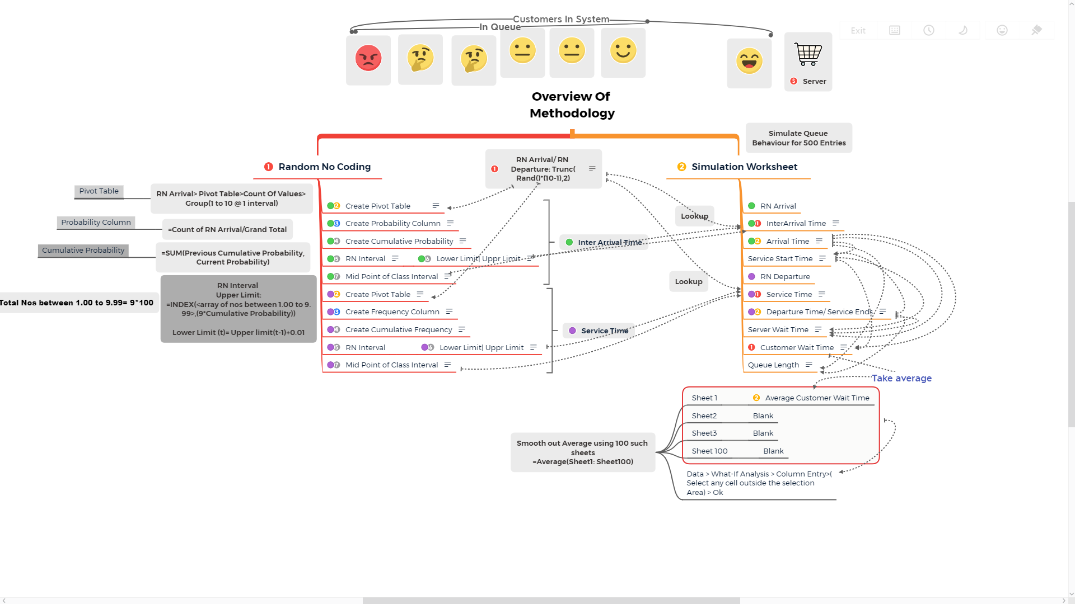
Detailed Steps with Formulas and Notes: | Web Based Mind Map:Link | https://mind42.com/public/69bb5f43-9873-404d-8990-aa9f4eabf2ff
Mind Map of Overview Of Methodology: | Mind Map Link |  | http://www.xmind.net/m/PEhPUj

