Pivot1
Category Status Chart
 | canceled | failed | live | successful
film & video | 40 | 180 |  | 300
food | 20 | 140 | 6 | 34
games |  | 140 |  | 80
journalism | 24
music | 20 | 120 | 20 | 540
photography |  | 117 |  | 103
publishing | 30 | 127 |  | 80
technology | 178 | 213 |  | 209
theater | 37 | 493 | 24 | 839
country | (All)

Count of state | Status count
Category | canceled | failed | live | successful | Grand Total
film & video | 40 | 180 |  | 300 | 520
food | 20 | 140 | 6 | 34 | 200
games |  | 140 |  | 80 | 220
journalism | 24 |  |  |  | 24
music | 20 | 120 | 20 | 540 | 700
photography |  | 117 |  | 103 | 220
publishing | 30 | 127 |  | 80 | 237
technology | 178 | 213 |  | 209 | 600
theater | 37 | 493 | 24 | 839 | 1393
Grand Total | 349 | 1530 | 50 | 2185 | 4114

Steps
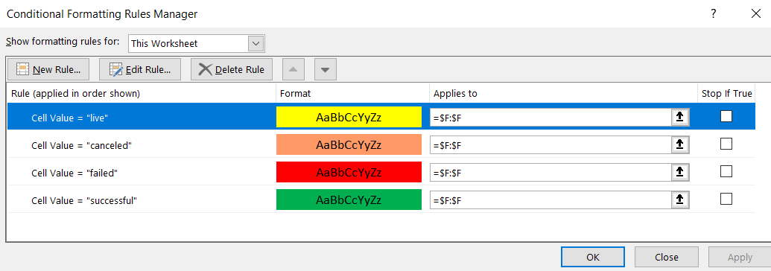
1

2

3

