Summary
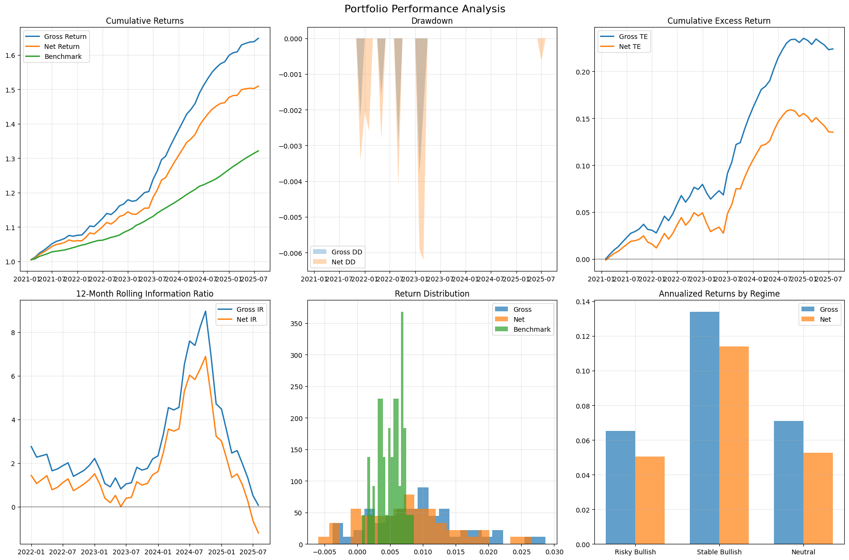
Category | Metric | Value
General | gross_return_annual | 12%
General | net_return_annual | 9%
General | benchmark_return_annual | 6%
General | market_return_annual | 17%
General | cash_return_annual | 6%
General | gross_volatility | 2%
General | net_volatility | 2%
General | benchmark_volatility | 1%
General | sharpe_gross | 2.12
General | sharpe_net | 1.36
General | excess_return_gross | 6%
General | excess_return_net | 3%
General | excess_return_vs_benchmark_gross | 5%
General | excess_return_vs_benchmark_net | 3%
General | beta_gross | 0.06
General | beta_net | 0.06
General | tracking_error_gross | 2%
General | tracking_error_net | 2%
General | information_ratio_gross | 2.10
General | information_ratio_net | 1.30
General | max_drawdown_gross | 0%
General | max_drawdown_net | -1%
General | max_drawdown_benchmark | 0%
General | max_drawdown_duration_gross | 2.00
General | max_drawdown_duration_net | 3.00
General | avg_drawdown_duration_gross | 1.25
General | avg_drawdown_duration_net | 1.60
General | var_gross_monthly | 0%
General | var_net_monthly | 0%
General | var_gross_annual | -1%
General | var_net_annual | -1%
General | expected_shortfall_gross_monthly | 0%
General | expected_shortfall_net_monthly | 0%
General | expected_shortfall_gross_annual | -1%
General | expected_shortfall_net_annual | -2%

