Summary
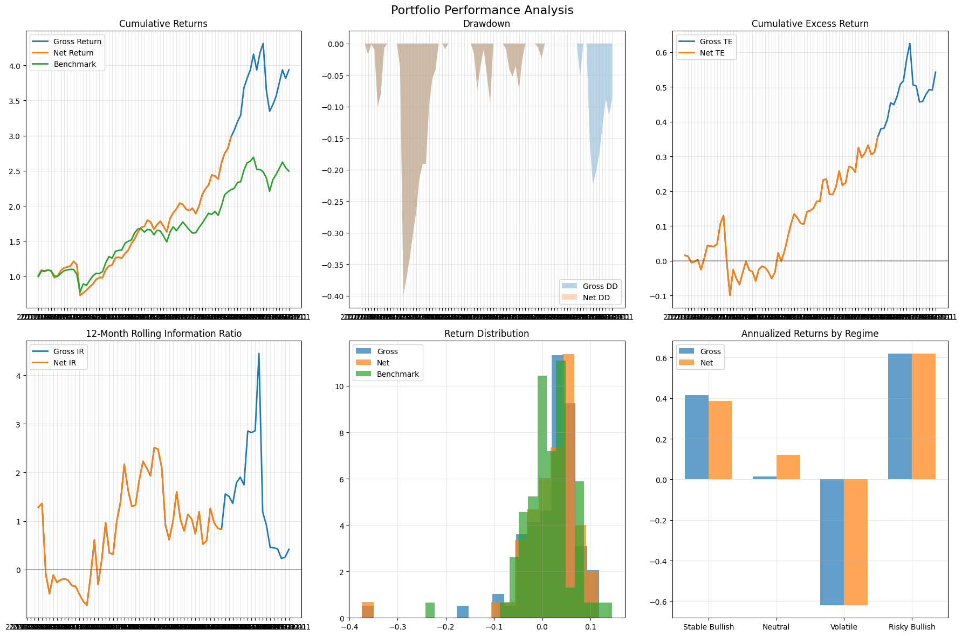
Category | Metric | Value
General | gross_return_annual | 26.7%
General | net_return_annual | 27.8%
General | benchmark_return_annual | 16.8%
General | market_return_annual | 20.4%
General | cash_return_annual | 6.0%
General | gross_volatility | 22.5%
General | net_volatility | 23.0%
General | benchmark_volatility | 18.1%
General | sharpe_gross | 0.80
General | sharpe_net | 0.82
General | excess_return_gross | 20.7%
General | excess_return_net | 21.8%
General | excess_return_vs_benchmark_gross | 9.9%
General | excess_return_vs_benchmark_net | 11.0%
General | beta_gross | 92.3%
General | beta_net
General | tracking_error_gross | 12.8%
General | tracking_error_net | 12.4%
General | information_ratio_gross | 0.65
General | information_ratio_net | 0.56
General | max_drawdown_gross | -39.9%
General | max_drawdown_net | -39.9%
General | max_drawdown_benchmark | -29.1%
General | max_drawdown_duration_gross | 12.00
General | max_drawdown_duration_net | 12.00
General | avg_drawdown_duration_gross | 5.25
General | avg_drawdown_duration_net | 5.50
General | var_gross_monthly | -6.0%
General | var_net_monthly
General | var_gross_annual | -20.7%
General | var_net_annual
General | expected_shortfall_gross_monthly | -17.6%
General | expected_shortfall_net_monthly
General | expected_shortfall_gross_annual | -60.9%
General | expected_shortfall_net_annual

