Summary
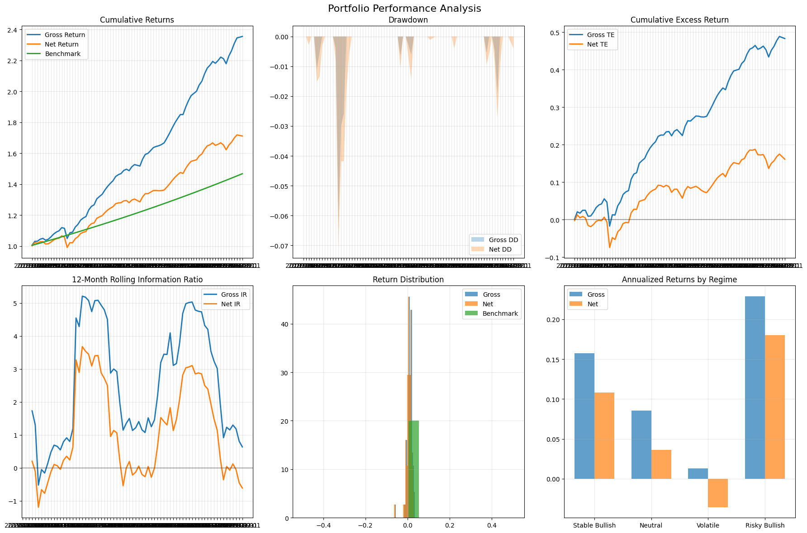
Category | Metric | Value
General | gross_return_annual | 14.0%
General | net_return_annual | 8.6%
General | benchmark_return_annual | 6.0%
General | market_return_annual | 20.4%
General | cash_return_annual | 6.0%
General | gross_volatility | 4.4%
General | net_volatility | 4.4%
General | benchmark_volatility | 0.0%
General | sharpe_gross | 1.66
General | sharpe_net | 0.55
General | excess_return_gross | 8.0%
General | excess_return_net | 2.6%
General | excess_return_vs_benchmark_gross | 8.0%
General | excess_return_vs_benchmark_net | 2.6%
General | beta_gross | 20.3%
General | beta_net | 20.3%
General | tracking_error_gross | 4.4%
General | tracking_error_net | 4.4%
General | information_ratio_gross | 1.66
General | information_ratio_net | 0.55
General | max_drawdown_gross | -6.3%
General | max_drawdown_net | -7.1%
General | max_drawdown_benchmark | 0.0%
General | max_drawdown_duration_gross | 4.00
General | max_drawdown_duration_net | 6.00
General | avg_drawdown_duration_gross | 2.00
General | avg_drawdown_duration_net | 2.30
General | var_gross_monthly | -0.6%
General | var_net_monthly | -1.0%
General | var_gross_annual | -1.9%
General | var_net_annual | -3.3%
General | expected_shortfall_gross_monthly | -2.3%
General | expected_shortfall_net_monthly | -2.7%
General | expected_shortfall_gross_annual | -7.9%
General | expected_shortfall_net_annual | -9.3%

