Summary
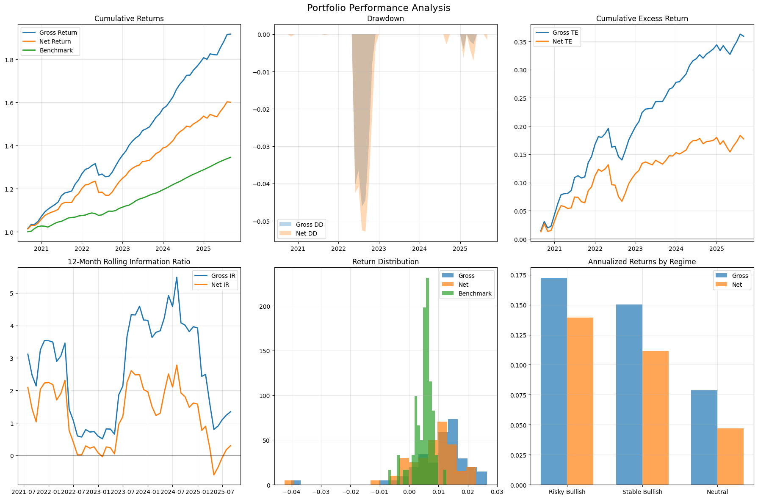
Category | Metric | Value
General | gross_return_annual | 14%
General | net_return_annual | 10%
General | benchmark_return_annual | 6%
General | market_return_annual | 21%
General | cash_return_annual | 6%
General | gross_volatility | 3%
General | net_volatility | 3%
General | benchmark_volatility | 1%
General | sharpe_gross | 2.05
General | sharpe_net | 1.03
General | excess_return_gross | 8%
General | excess_return_net | 4%
General | excess_return_vs_benchmark_gross | 8%
General | excess_return_vs_benchmark_net | 4%
General | beta_gross | 0.0135
General | beta_net | 0.0118
General | tracking_error_gross | 4%
General | tracking_error_net | 3%
General | information_ratio_gross | 2.00
General | information_ratio_net | 1.00
General | max_drawdown_gross | -5%
General | max_drawdown_net | -5%
General | max_drawdown_benchmark | -0.01
General | max_drawdown_duration_gross | 6.00
General | max_drawdown_duration_net | 7.00
General | avg_drawdown_duration_gross | 3.00
General | avg_drawdown_duration_net | 2.14
General | var_gross_monthly | 0%
General | var_net_monthly | 0%
General | var_gross_annual | -1%
General | var_net_annual | -1%
General | expected_shortfall_gross_monthly | -1%
General | expected_shortfall_net_monthly | -2%
General | expected_shortfall_gross_annual | -5%
General | expected_shortfall_net_annual | -6%

