Regime
1. The Risky Bullish regime cannot be compared for the DC fund due to insufficient data.
2. In the other two regimes, performance is broadly comparable on a net-of-fee basis.
3. However, the DC fund exhibits slightly lower volatility even during the Neutral period.
 | DC Fund |  |  | WS Fund
 | Risky Bullish | Stable Bullish | Neutral | Risky Bullish | Stable Bullish | Neutral
gross_return | 6.52% | 13.40% | 7.10% | 17.25% | 15.02% | 7.86%
net_return | 5.04% | 11.40% | 5.25% | 13.94% | 11.14% | 4.70%
benchmark_return | 6.35% | 6.24% | 5.84% | 3.82% | 6.67% | 5.20%
excess_return_gross | 0.16% | 7.16% | 1.26% | 13.42% | 8.35% | 2.66%
excess_return_net | -1.31% | 5.16% | -0.58% | 10.12% | 4.47% | -0.50%
volatility_gross |  | 2.50% | 1.87% | 2.43% | 2.37% | 4.77%
volatility_net |  | 2.40% | 1.89% | 2.29% | 2.40% | 4.69%
sharpe_gross |  | 3.02 | 0.67 | 4.70 | 3.87 | 0.42
sharpe_net |  | 2.31 | -0.31 | 3.53 | 2.21 | -0.24
periods | 1 | 34 | 20 | 7 | 34 | 20

DC Graph
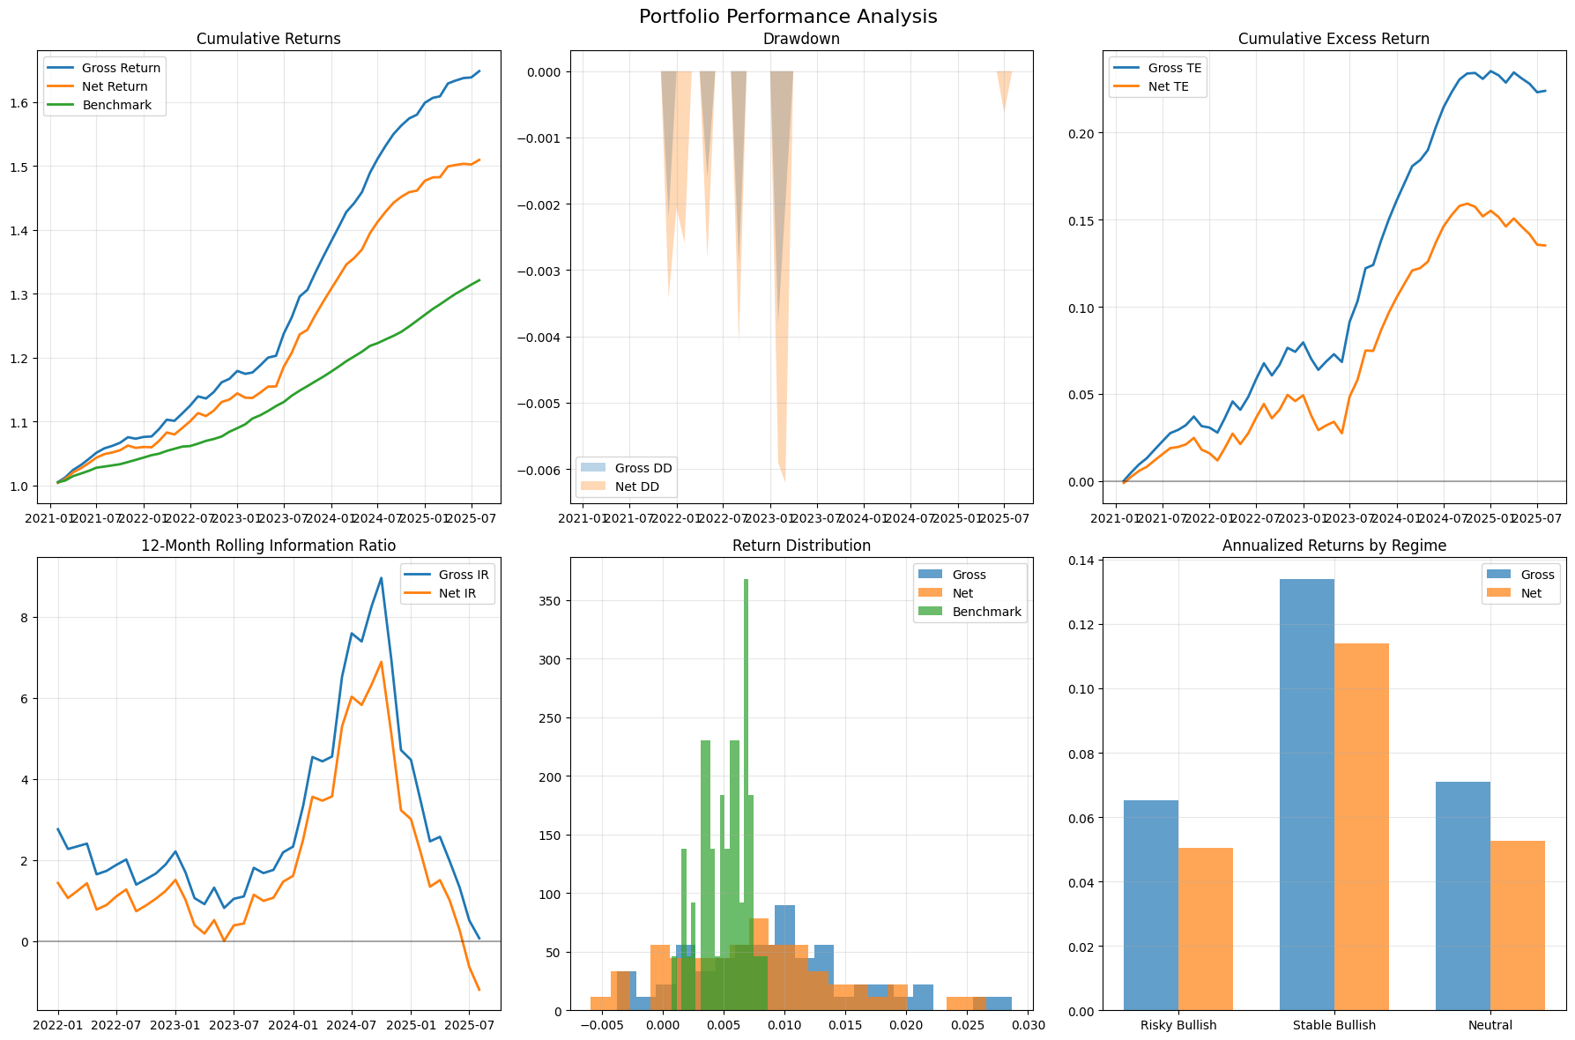

WS Graph
