Summary
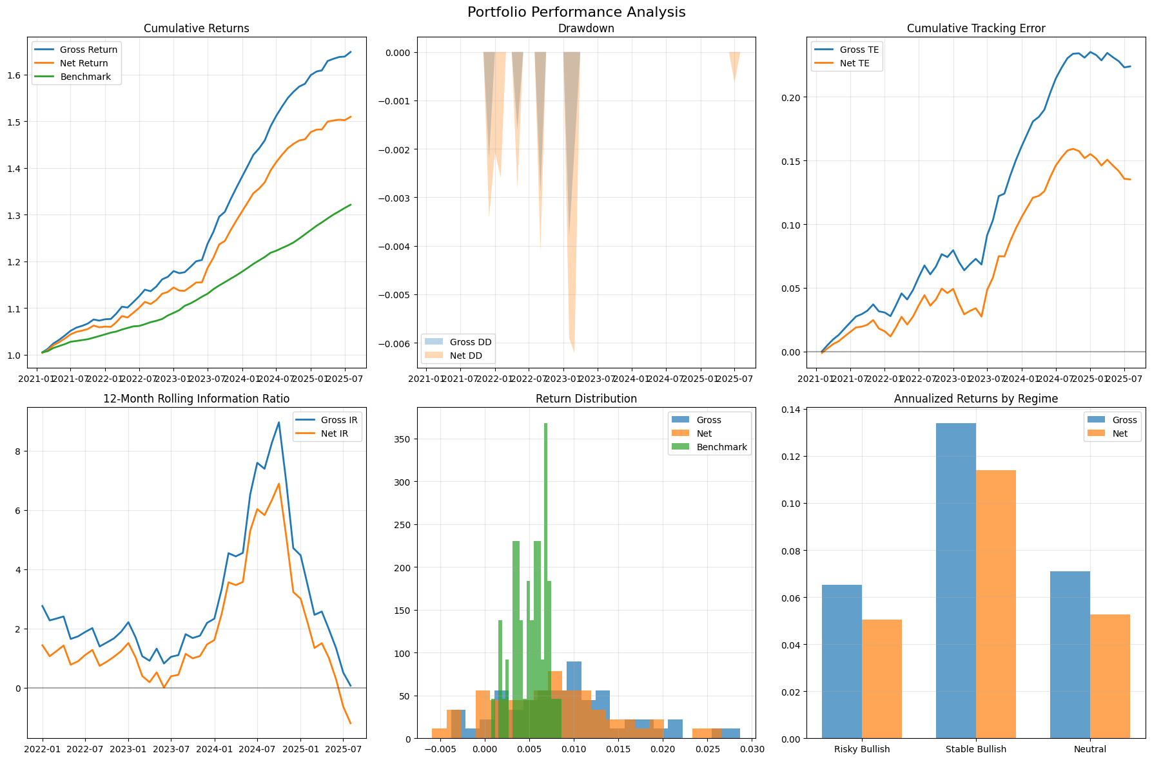
Category | Metric | Value
General | gross_return_annual | 11.55%
General | net_return_annual | 9.43%
General | benchmark_return_annual | 6.27%
General | market_return_annual | 16.09%
General | cash_return_annual | 6.00%
General | gross_volatility | 2.42%
General | net_volatility | 2.35%
General | benchmark_volatility | 0.64%
General | sharpe_gross | 2.12
General | sharpe_net | 1.36
General | excess_return_gross | 5.55%
General | excess_return_net | 3.43%
General | excess_return_vs_benchmark_gross | 5.28%
General | excess_return_vs_benchmark_net | 3.16%
General | beta_gross | 0.97%
General | beta_net | 0.88%
General | tracking_error_gross | 2.32%
General | tracking_error_net | 2.28%
General | information_ratio_gross | 2.10
General | information_ratio_net | 1.30
General | max_drawdown_gross | -0.38%
General | max_drawdown_net | -0.62%
General | max_drawdown_benchmark | 0.00%
General | max_drawdown_duration_gross | 2.00
General | max_drawdown_duration_net | 3.00
General | avg_drawdown_duration_gross | 1.25
General | avg_drawdown_duration_net | 1.60
General | var_gross_monthly | -0.18%
General | var_net_monthly | -0.30%
General | var_gross_annual | -0.62%
General | var_net_annual | -1.04%
General | expected_shortfall_gross_monthly | -0.30%
General | expected_shortfall_net_monthly | -0.45%
General | expected_shortfall_gross_annual | -1.03%
General | expected_shortfall_net_annual | -1.55%

