Summary
Category | Metric | Value
General | gross_return_annual | 13.72%
General | net_return_annual | 9.76%
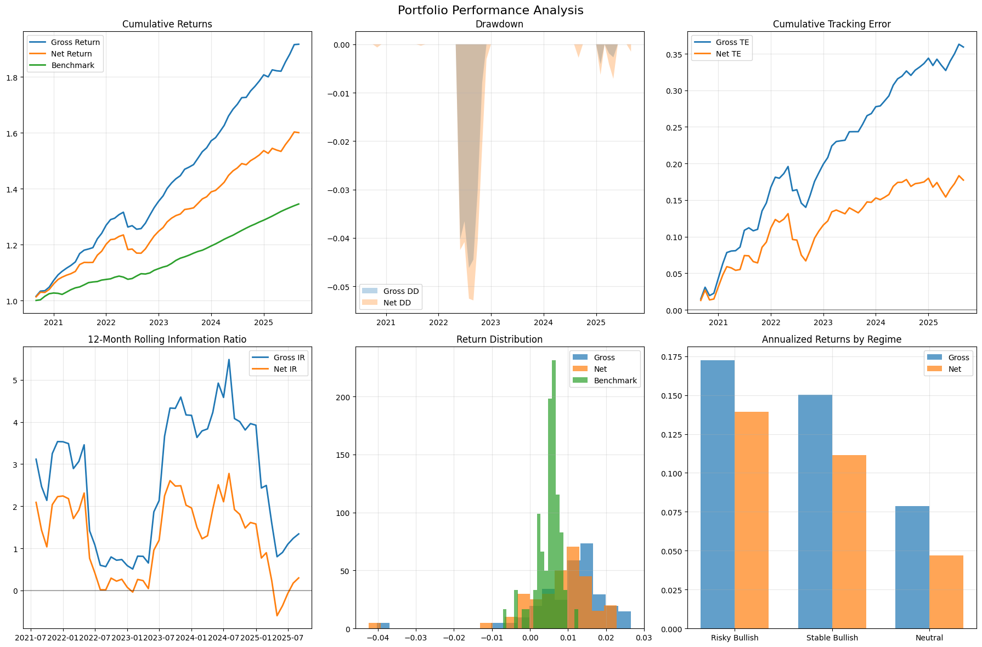
General | benchmark_return_annual | 6.02%
General | market_return_annual | 20.67%
General | cash_return_annual | 6.00%
General | gross_volatility | 3.46%
General | net_volatility | 3.41%
General | benchmark_volatility | 1.15%
General | sharpe_gross | 2.05
General | sharpe_net | 1.03
General | excess_return_gross | 7.72%
General | excess_return_net | 3.76%
General | excess_return_vs_benchmark_gross | 7.70%
General | excess_return_vs_benchmark_net | 3.74%
General | beta_gross | 0.61%
General | beta_net | 0.50%
General | tracking_error_gross | 3.54%
General | tracking_error_net | 3.50%
General | information_ratio_gross | 2.00
General | information_ratio_net | 1.00
General | max_drawdown_gross | -4.62%
General | max_drawdown_net | -5.29%
General | max_drawdown_benchmark | -1.04%
General | max_drawdown_duration_gross | 6.00
General | max_drawdown_duration_net | 7.00
General | avg_drawdown_duration_gross | 3.00
General | avg_drawdown_duration_net | 2.14
General | var_gross_monthly | -0.19%
General | var_net_monthly | -0.41%
General | var_gross_annual | -0.66%
General | var_net_annual | -1.43%
General | expected_shortfall_gross_monthly | -1.41%
General | expected_shortfall_net_monthly | -1.63%
General | expected_shortfall_gross_annual | -4.88%
General | expected_shortfall_net_annual | -5.64%

