Charts
CY vs PY Sales

Sum of Sales | Column Labels
 | 2021 | 2022

Row Labels
Jan | $32.9K | $62.5K
Feb | $18.9K | $41.0K
Mar | $101.4K | $97.9K
Apr | $63.7K | $78.2K
May | $61.1K | $95.0K
Jun | $64.0K | $83.1K
Jul | $72.8K | $76.8K
Aug | $69.6K | $90.0K
Sep | $159.6K | $150.1K
Oct | $69.4K | $127.8K
Nov | $168.5K | $180.6K
Dec | $156.0K | $176.2K

Sales By Category (%)

Sum of Sales | Column Labels
Row Labels | 2021 | 2022
Furniture | $351.7K | $390.2K
Office Supplies | $309.5K | $409.5K
Technology | $376.7K | $459.4K

Sales By State

Sum of Sales | Column Labels
Row Labels | 2021 | 2022 | state | Sales
Alabama | 10060.06 | 9450.58 | Alabama | $9.5K
Arizona | 20246.863 | 15035.138 | Arizona | $15.0K
Arkansas | 6863.92 | 4814.21 | Arkansas | $4.8K
California | 201999.7505 | 255487.145 | California | $255.5K
Colorado | 11371.652 | 20736.466 | Colorado | $20.7K
Connecticut | 5944.697 | 7439.66 | Connecticut | $7.4K
Delaware | 11138.886 | 16312.183 | Delaware | $16.3K
District of Columbia | 2670.19 | 194.83 | District of Columbia | $0.2K
Florida | 50964.334 | 38509.374 | Florida | $38.5K
Georgia | 18105.31 | 30931.81 | Georgia | $30.9K
Idaho | 1965.452 | 2417.034 | Idaho | $2.4K
Illinois | 38255.325 | 41910.776 | Illinois | $41.9K
Indiana | 11002.03 | 42553.33 | Indiana | $42.6K
Iowa | 2910.52 | 1669.24 | Iowa | $1.7K
Kansas | 1523.39 | 1390.92 | Kansas | $1.4K
Kentucky | 15964.76 | 20626.99 | Kentucky | $20.6K
Louisiana | 3542.04 | 5674.99 | Louisiana | $5.7K
Maine | 723.2 | 547.33 | Maine | $0.5K
Maryland | 13635.03 | 10070.493 | Maryland | $10.1K
Massachusetts | 17396.214 | 11238.22 | Massachusetts | $11.2K
Michigan | 24103.44 | 52166.174 | Michigan | $52.2K
Minnesota | 21983.23 | 7879.92 | Minnesota | $7.9K
Mississippi | 3196.57 | 7574.77 | Mississippi | $7.6K
Missouri | 8882.06 | 13323.09 | Missouri | $13.3K
Montana | 1360.072 | 4229.28 | Montana | $4.2K
Nebraska | 1605.26 | 5859.67 | Nebraska | $5.9K
Nevada | 4509.672 | 12219.43 | Nevada | $12.2K
New Hampshire | 4849.514 | 2443.01 | New Hampshire | $2.4K
New Jersey | 8368.32 | 27395.992 | New Jersey | $27.4K
New Mexico | 1900.884 | 2882.638 | New Mexico | $2.9K
New York | 150129.894 | 160746.377 | New York | $160.7K
North Carolina | 29091.704 | 26511.46 | North Carolina | $26.5K
North Dakota |  | 919.91 | North Dakota | $0.9K
Ohio | 35506.73 | 42751.406 | Ohio | $42.8K
Oklahoma | 9086.25 | 10597.14 | Oklahoma | $10.6K
Oregon | 9093.72 | 8337.43 | Oregon | $8.3K
Pennsylvania | 42719.813 | 73792.101 | Pennsylvania | $73.8K
Rhode Island | 6115.246 | 16512.71 | Rhode Island | $16.5K
South Carolina | 6503.98 | 1977.73 | South Carolina | $2.0K
South Dakota | 162.15 | 1153.41 | South Dakota | $1.2K
Tennessee | 11498.12 | 19163.753 | Tennessee | $19.2K
Texas | 86943.5276 | 83244.5182 | Texas | $83.2K
Utah | 7034.926 | 4185.13 | Utah | $4.2K
Vermont | 5120.1 | 3809.27 | Vermont | $3.8K
Virginia | 36714.4 | 33922.32 | Virginia | $33.9K
Washington | 60977.372 | 77663.898 | Washington | $77.7K
West Virginia | 673.344 | 536.48 | West Virginia | $0.5K
Wisconsin | 13388.13 | 18726.48 | Wisconsin | $18.7K
Wyoming |  | 1603.136 | Wyoming | $1.6K

Top 5 Subcategory

Sum of Sales | Column Labels
Row Labels | 2021 | 2022
Binders | $85.7K | $117.6K
Chairs | $159.6K | $168.6K
Phones | $155.7K | $174.3K
Storage | $101.3K | $122.6K
Tables | $92.7K | $114.2K

 |  |  |  |  |  |  | KPI

Sum of Sales | Sum of Profit | Sum of Quantity | Count of Customer ID |  |  |  | Row Labels | Sum of Sales | Sum of Profit | Sum of Quantity | Count of Customer ID
2296.9K | 286.4K | 37864 | 9991 |  |  |  | 2021 | 1037802.0521 | 119963.9767 | 16772 | 4436
 |  |  |  |  |  |  | 2022 | 1259139.3522 | 166425.6196 | 21092 | 5555
 |  |  |  |  |  |  | Grand Total | 2296941.4043 | 286389.5963 | 37864 | 9991

 |  |  |  |  |  |  | for year 2022 | $1259.1K | $166.4K | 21.1K | 5.6K

Change in
sales | profit | quantity | customer
▲21.33% | ▲38.73% | ▲25.76% | ▲25.23% | 2022
▼17.58% | ▼27.92% | ▼20.48% | ▼20.14% | 2021

Profit by Category

Sum of Profit | Column Labels
Row Labels | 2021 | 2022 | Grand Total |  | category | sales
Furniture | 9480.4101 | 8991.6473 | 18472.0574 |  | Furniture | $9.0K
Office Supplies | 53077.0222 | 69386.7674 | 122463.7896 |  | Office Supplies | $69.4K
Technology | 57406.5444 | 88047.2049 | 145453.7493 |  | Technology | $88.0K
Grand Total | 119963.9767 | 166425.6196 | 286389.5963 |  | Grand Total | $166.4K

Dashboard
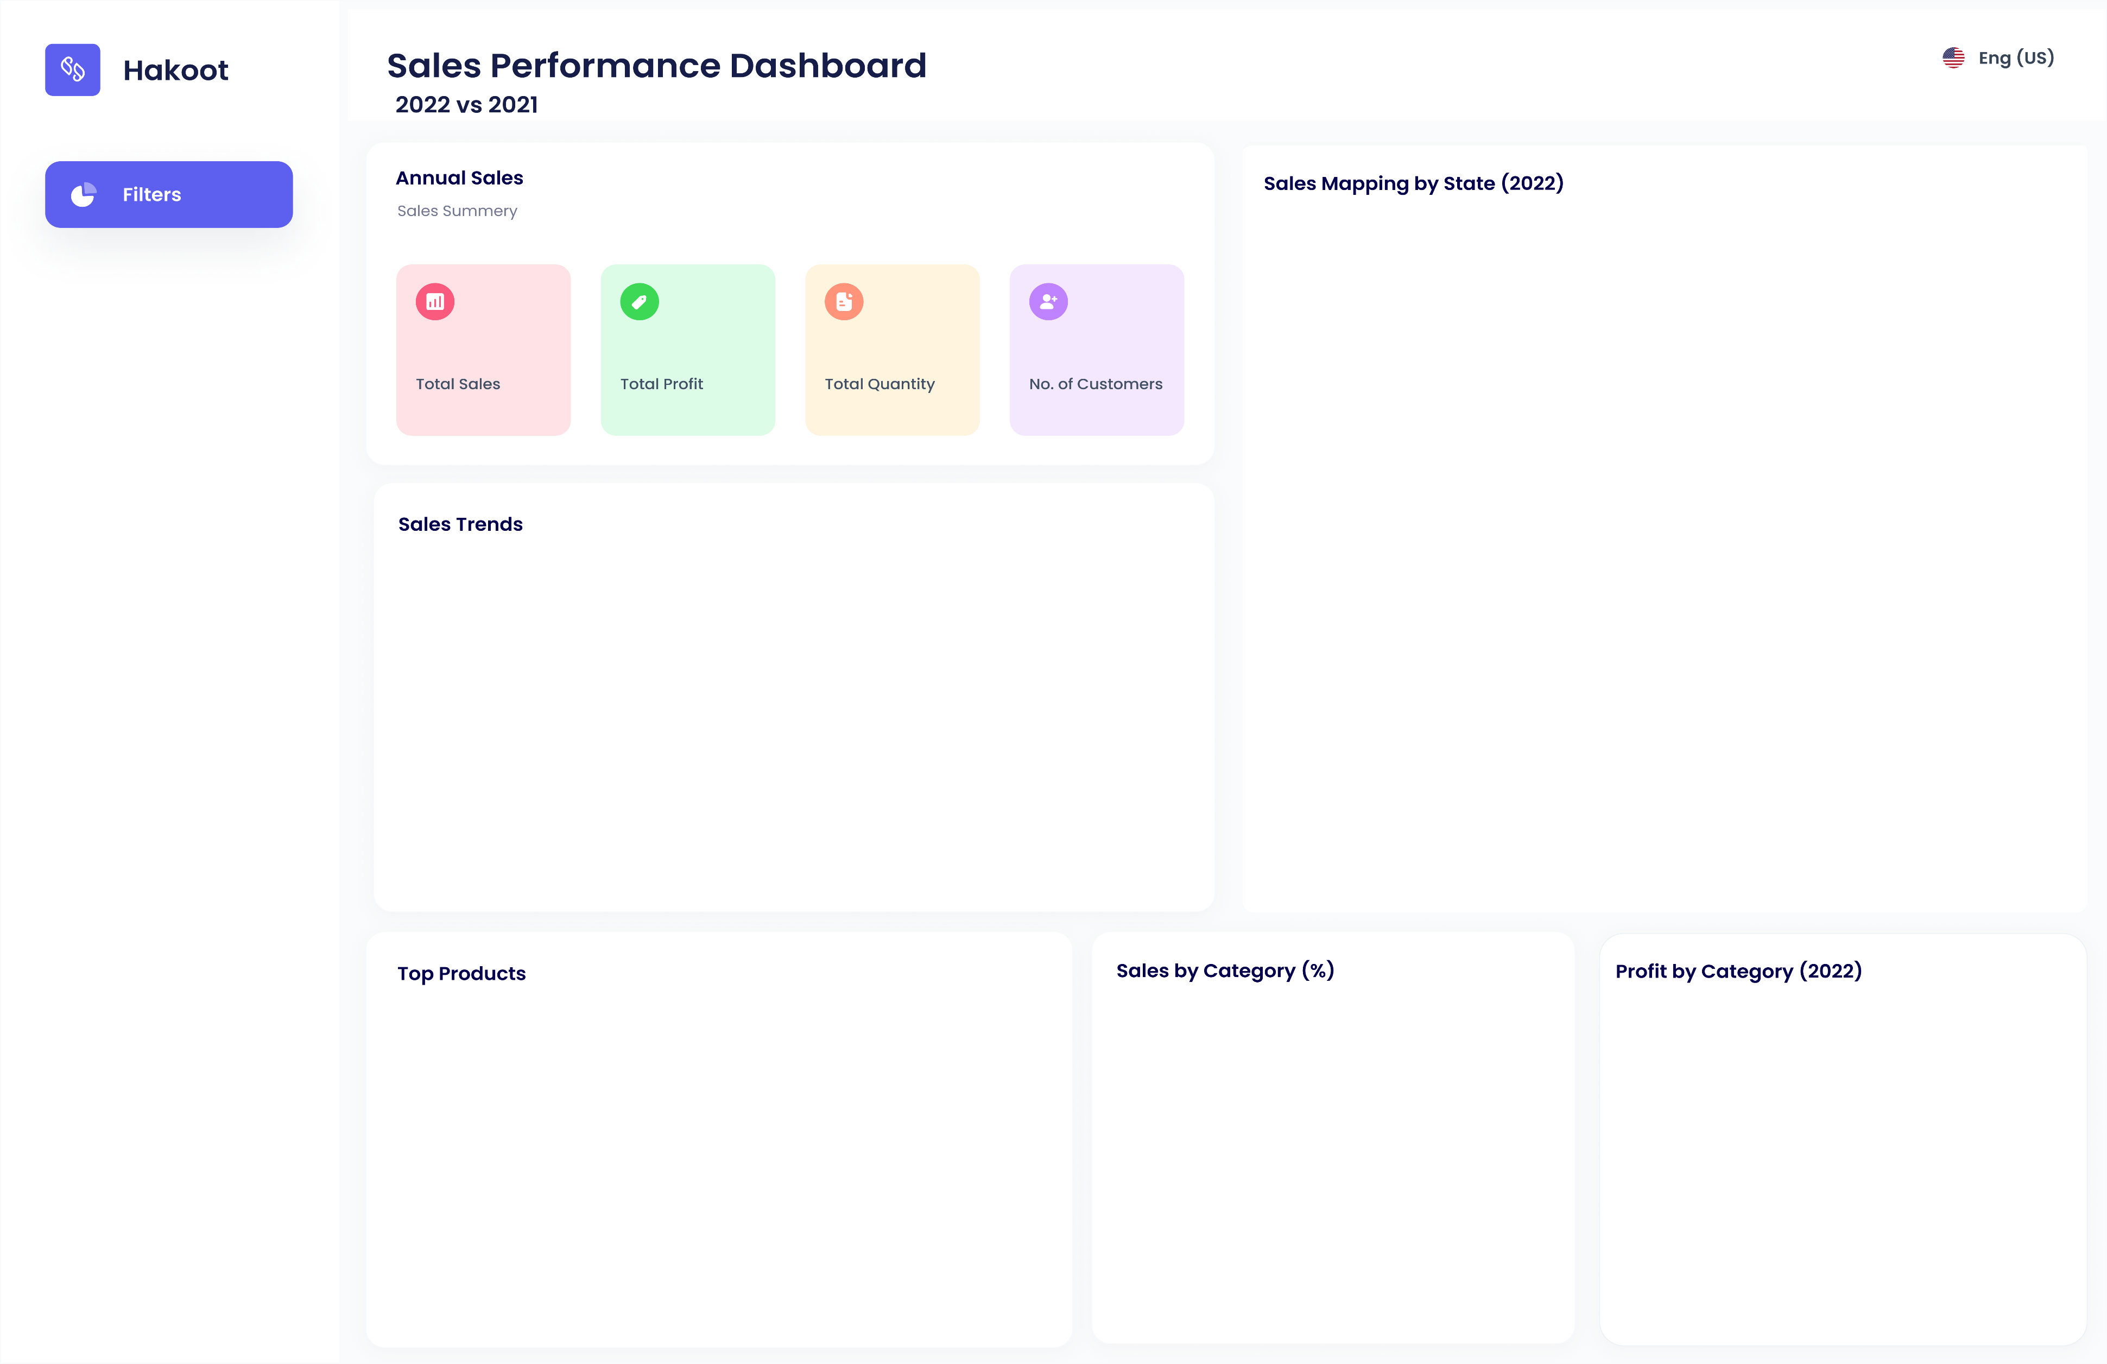

(2022)

$166.4K
21.1K
5.6K
$1259.1K

▲21.33%
▲38.73%
▲25.76%
▲25.23%

 | 2021 | 2022
Jan | $32.9K | $62.5K
Feb | $18.9K | $41.0K
Mar | $101.4K | $97.9K
Apr | $63.7K | $78.2K
May | $61.1K | $95.0K
Jun | $64.0K | $83.1K
Jul | $72.8K | $76.8K
Aug | $69.6K | $90.0K
Sep | $159.6K | $150.1K
Oct | $69.4K | $127.8K
Nov | $168.5K | $180.6K
Dec | $156.0K | $176.2K

 | 2021 | 2022
Binders | $85.7K | $117.6K
Chairs | $159.6K | $168.6K
Phones | $155.7K | $174.3K
Storage | $101.3K | $122.6K
Tables | $92.7K | $114.2K
(2022)
 | 2021 | 2022
Furniture | $351.7K | $390.2K
Office Supplies | $309.5K | $409.5K
Technology | $376.7K | $459.4K

