First
Business_Sourcing_Month | Machines_Installed_Month | Total New Policies
Jan-09 | Jan-09 | 180 | Row Labels | Sum of Total New Policies
Feb-09 | Feb-09 | 156 | 2009 | 9178
Feb-09 | Jan-09 | 285 | 2010 | 17498
Mar-09 | Mar-09 | 175 | 2011 | 26177
Mar-09 | Feb-09 | 385 | 2012 | 35760
Mar-09 | Jan-09 | 299 | 2013 | 29631
Apr-09 | Apr-09 | 69 | 2014 | 20436
Apr-09 | Mar-09 | 115 | 2015 | 20165
Apr-09 | Feb-09 | 109 | Grand Total | 158845
Apr-09 | Jan-09 | 88
May-09 | May-09 | 99
May-09 | Apr-09 | 166
May-09 | Mar-09 | 119
May-09 | Feb-09 | 121
May-09 | Jan-09 | 108
Jun-09 | Jun-09 | 130
Jun-09 | May-09 | 163
Jun-09 | Apr-09 | 117
Jun-09 | Mar-09 | 90
Jun-09 | Feb-09 | 97
Jun-09 | Jan-09 | 90
Jul-09 | Jul-09 | 169
Jul-09 | Jun-09 | 259
Jul-09 | May-09 | 140
Jul-09 | Apr-09 | 107
Jul-09 | Mar-09 | 88
Jul-09 | Feb-09 | 99
Jul-09 | Jan-09 | 98
Aug-09 | Aug-09 | 130
Aug-09 | Jul-09 | 284
Aug-09 | Jun-09 | 187
Aug-09 | May-09 | 108
Aug-09 | Apr-09 | 88
Aug-09 | Mar-09 | 76
Aug-09 | Feb-09 | 91
Aug-09 | Jan-09 | 87
Sep-09 | Sep-09 | 88
Sep-09 | Aug-09 | 157
Sep-09 | Jul-09 | 143
Sep-09 | Jun-09 | 101
Sep-09 | May-09 | 63
Sep-09 | Apr-09 | 52
Sep-09 | Mar-09 | 51
Sep-09 | Feb-09 | 58
Sep-09 | Jan-09 | 56
Oct-09 | Oct-09 | 137
Oct-09 | Sep-09 | 161
Oct-09 | Aug-09 | 124
Oct-09 | Jul-09 | 122
Oct-09 | Jun-09 | 94
Oct-09 | May-09 | 60
Oct-09 | Apr-09 | 53
Oct-09 | Mar-09 | 50
Oct-09 | Feb-09 | 59
Oct-09 | Jan-09 | 55
Nov-09 | Nov-09 | 162
Nov-09 | Oct-09 | 230
Nov-09 | Sep-09 | 117
Nov-09 | Aug-09 | 94
Nov-09 | Jul-09 | 101
Nov-09 | Jun-09 | 81
Nov-09 | May-09 | 57
Nov-09 | Apr-09 | 49
Nov-09 | Mar-09 | 43
Nov-09 | Feb-09 | 54
Nov-09 | Jan-09 | 47
Dec-09 | Dec-09 | 198
Dec-09 | Nov-09 | 299
Dec-09 | Oct-09 | 182
Dec-09 | Sep-09 | 97
Dec-09 | Aug-09 | 89
Dec-09 | Jul-09 | 95
Dec-09 | Jun-09 | 80
Dec-09 | May-09 | 55
Dec-09 | Apr-09 | 48
Dec-09 | Mar-09 | 44
Dec-09 | Feb-09 | 48
Dec-09 | Jan-09 | 52
Jan-10 | Jan-10 | 207
Jan-10 | Dec-09 | 363
Jan-10 | Nov-09 | 240
Jan-10 | Oct-09 | 153
Jan-10 | Sep-09 | 89
Jan-10 | Aug-09 | 82
Jan-10 | Jul-09 | 98
Jan-10 | Jun-09 | 80
Jan-10 | May-09 | 54
Jan-10 | Apr-09 | 48
Jan-10 | Mar-09 | 41
Jan-10 | Feb-09 | 53
Jan-10 | Jan-09 | 58
Feb-10 | Feb-10 | 158
Feb-10 | Jan-10 | 291
Feb-10 | Dec-09 | 245
Feb-10 | Nov-09 | 173
Feb-10 | Oct-09 | 118
Feb-10 | Sep-09 | 72
Feb-10 | Aug-09 | 72
Feb-10 | Jul-09 | 81
Feb-10 | Jun-09 | 69
Feb-10 | May-09 | 46
Feb-10 | Apr-09 | 41
Feb-10 | Mar-09 | 39
Feb-10 | Feb-09 | 49
Feb-10 | Jan-09 | 44
Mar-10 | Mar-10 | 238
Mar-10 | Feb-10 | 340
Mar-10 | Jan-10 | 307
Mar-10 | Dec-09 | 273
Mar-10 | Nov-09 | 207
Mar-10 | Oct-09 | 147
Mar-10 | Sep-09 | 96
Mar-10 | Aug-09 | 92
Mar-10 | Jul-09 | 106
Mar-10 | Jun-09 | 88
Mar-10 | May-09 | 57
Mar-10 | Apr-09 | 56
Mar-10 | Mar-09 | 56
Mar-10 | Feb-09 | 61
Mar-10 | Jan-09 | 61
Apr-10 | Apr-10 | 83
Apr-10 | Mar-10 | 137
Apr-10 | Feb-10 | 95
Apr-10 | Jan-10 | 91
Apr-10 | Dec-09 | 86
Apr-10 | Nov-09 | 68
Apr-10 | Oct-09 | 53
Apr-10 | Sep-09 | 35
Apr-10 | Aug-09 | 34
Apr-10 | Jul-09 | 37
Apr-10 | Jun-09 | 29
Apr-10 | May-09 | 23
Apr-10 | Apr-09 | 22
Apr-10 | Mar-09 | 18
Apr-10 | Feb-09 | 22
Apr-10 | Jan-09 | 24
May-10 | May-10 | 115
May-10 | Apr-10 | 185
May-10 | Mar-10 | 149
May-10 | Feb-10 | 108
May-10 | Jan-10 | 123
May-10 | Dec-09 | 108
May-10 | Nov-09 | 93
May-10 | Oct-09 | 70
May-10 | Sep-09 | 44
May-10 | Aug-09 | 45
May-10 | Jul-09 | 49
May-10 | Jun-09 | 44
May-10 | May-09 | 32
May-10 | Apr-09 | 27
May-10 | Mar-09 | 28
May-10 | Feb-09 | 32
May-10 | Jan-09 | 30
Jun-10 | Jun-10 | 142
Jun-10 | May-10 | 164
Jun-10 | Apr-10 | 127
Jun-10 | Mar-10 | 106
Jun-10 | Feb-10 | 94
Jun-10 | Jan-10 | 102
Jun-10 | Dec-09 | 99
Jun-10 | Nov-09 | 80
Jun-10 | Oct-09 | 62
Jun-10 | Sep-09 | 37
Jun-10 | Aug-09 | 34
Jun-10 | Jul-09 | 45
Jun-10 | Jun-09 | 43
Jun-10 | May-09 | 26
Jun-10 | Apr-09 | 26
Jun-10 | Mar-09 | 22
Jun-10 | Feb-09 | 24
Jun-10 | Jan-09 | 27
Jul-10 | Jul-10 | 182
Jul-10 | Jun-10 | 252
Jul-10 | May-10 | 140
Jul-10 | Apr-10 | 114
Jul-10 | Mar-10 | 116
Jul-10 | Feb-10 | 95
Jul-10 | Jan-10 | 103
Jul-10 | Dec-09 | 102
Jul-10 | Nov-09 | 87
Jul-10 | Oct-09 | 67
Jul-10 | Sep-09 | 42
Jul-10 | Aug-09 | 41
Jul-10 | Jul-09 | 54
Jul-10 | Jun-09 | 41
Jul-10 | May-09 | 30
Jul-10 | Apr-09 | 29
Jul-10 | Mar-09 | 24
Jul-10 | Feb-09 | 30
Jul-10 | Jan-09 | 30
Aug-10 | Aug-10 | 151
Aug-10 | Jul-10 | 276
Aug-10 | Jun-10 | 184
Aug-10 | May-10 | 108
Aug-10 | Apr-10 | 107
Aug-10 | Mar-10 | 102
Aug-10 | Feb-10 | 81
Aug-10 | Jan-10 | 94
Aug-10 | Dec-09 | 95
Aug-10 | Nov-09 | 80
Aug-10 | Oct-09 | 56
Aug-10 | Sep-09 | 40
Aug-10 | Aug-09 | 40
Aug-10 | Jul-09 | 44
Aug-10 | Jun-09 | 41
Aug-10 | May-09 | 26
Aug-10 | Apr-09 | 22
Aug-10 | Mar-09 | 23
Aug-10 | Feb-09 | 30
Aug-10 | Jan-09 | 32
Sep-10 | Sep-10 | 114
Sep-10 | Aug-10 | 162
Sep-10 | Jul-10 | 140
Sep-10 | Jun-10 | 99
Sep-10 | May-10 | 72
Sep-10 | Apr-10 | 65
Sep-10 | Mar-10 | 60
Sep-10 | Feb-10 | 52
Sep-10 | Jan-10 | 57
Sep-10 | Dec-09 | 61
Sep-10 | Nov-09 | 49
Sep-10 | Oct-09 | 39
Sep-10 | Sep-09 | 29
Sep-10 | Aug-09 | 26
Sep-10 | Jul-09 | 29
Sep-10 | Jun-09 | 27
Sep-10 | May-09 | 15
Sep-10 | Apr-09 | 19
Sep-10 | Mar-09 | 17
Sep-10 | Feb-09 | 23
Sep-10 | Jan-09 | 21
Oct-10 | Oct-10 | 159
Oct-10 | Sep-10 | 188
Oct-10 | Aug-10 | 130
Oct-10 | Jul-10 | 119
Oct-10 | Jun-10 | 100
Oct-10 | May-10 | 65
Oct-10 | Apr-10 | 61
Oct-10 | Mar-10 | 61
Oct-10 | Feb-10 | 49
Oct-10 | Jan-10 | 62
Oct-10 | Dec-09 | 59
Oct-10 | Nov-09 | 50
Oct-10 | Oct-09 | 44
Oct-10 | Sep-09 | 25
Oct-10 | Aug-09 | 27
Oct-10 | Jul-09 | 31
Oct-10 | Jun-09 | 26
Oct-10 | May-09 | 20
Oct-10 | Apr-09 | 16
Oct-10 | Mar-09 | 18
Oct-10 | Feb-09 | 22
Oct-10 | Jan-09 | 19
Nov-10 | Nov-10 | 174
Nov-10 | Oct-10 | 237
Nov-10 | Sep-10 | 133
Nov-10 | Aug-10 | 99
Nov-10 | Jul-10 | 108
Nov-10 | Jun-10 | 85
Nov-10 | May-10 | 58
Nov-10 | Apr-10 | 56
Nov-10 | Mar-10 | 50
Nov-10 | Feb-10 | 50
Nov-10 | Jan-10 | 52
Nov-10 | Dec-09 | 54
Nov-10 | Nov-09 | 51
Nov-10 | Oct-09 | 37
Nov-10 | Sep-09 | 24
Nov-10 | Aug-09 | 25
Nov-10 | Jul-09 | 27
Nov-10 | Jun-09 | 26
Nov-10 | May-09 | 16
Nov-10 | Apr-09 | 17
Nov-10 | Mar-09 | 16
Nov-10 | Feb-09 | 18
Nov-10 | Jan-09 | 16
Dec-10 | Dec-10 | 205
Dec-10 | Nov-10 | 292
Dec-10 | Oct-10 | 190
Dec-10 | Sep-10 | 113
Dec-10 | Aug-10 | 98
Dec-10 | Jul-10 | 100
Dec-10 | Jun-10 | 79
Dec-10 | May-10 | 56
Dec-10 | Apr-10 | 51
Dec-10 | Mar-10 | 57
Dec-10 | Feb-10 | 44
Dec-10 | Jan-10 | 51
Dec-10 | Dec-09 | 63
Dec-10 | Nov-09 | 49
...

Third
...
Month | Machines_Installed
1-Mar-09 | 421 | 2010 | 4999
1-Apr-09 | 414 | 2011 | 5308
1-May-09 | 411 | 2012 | 6435
1-Jun-09 | 544 | 2013 | 4859
1-Jul-09 | 585 | 2014 | 4366
1-Aug-09 | 448 | 2015 | 5380
1-Sep-09 | 413 | Grand Total | 37757
1-Oct-09 | 581
1-Nov-09 | 686
1-Dec-09 | 738
 | Total
2009 | 6410
2010 | 4999
2011 | 5308
2012 | 6435
2013 | 4859
2014 | 4366
2015 | 5380
1-Jan-10 | 484
1-Feb-10 | 381
1-Mar-10 | 394
1-Apr-10 | 349
1-May-10 | 320
1-Jun-10 | 407
1-Jul-10 | 437
1-Aug-10 | 356
1-Sep-10 | 369
1-Oct-10 | 462
1-Nov-10 | 508
1-Dec-10 | 532
1-Jan-11 | 520
1-Feb-11 | 490
1-Mar-11 | 421
1-Apr-11 | 357
1-May-11 | 302
1-Jun-11 | 425
1-Jul-11 | 502
1-Aug-11 | 420
1-Sep-11 | 378
1-Oct-11 | 435
1-Nov-11 | 455
1-Dec-11 | 603
1-Jan-12 | 574
1-Feb-12 | 522
...

Month_Biz_Trend
No. of Policies Trend
 | 2009 | 2010 | 2011 | 2012 | 2013 | 2014 | 2015
Jan | 180 | 1566 | 1978 | 3090 | 3678 | 2262 | 1832
Feb | 441 | 1498 | 2082 | 3070 | 3258 | 2045 | 1778
Mar | 859 | 2185 | 3232 | 4635 | 4484 | 2821 | 2624
Apr | 381 | 857 | 1301 | 1844 | 1669 | 1115 | 1068
May | 613 | 1282 | 1908 | 2712 | 2304 | 1550 | 1456
Jun | 687 | 1260 | 1869 | 2620 | 2100 | 1461 | 1392
Jul | 960 | 1579 | 2433 | 3280 | 2446 | 1756 | 1768
Aug | 1051 | 1632 | 2612 | 3414 | 2419 | 1764 | 1899
Sep | 769 | 1176 | 1863 | 2392 | 1654 | 1280 | 1365
Oct | 915 | 1351 | 2112 | 2643 | 1802 | 1370 | 1519
Nov | 1035 | 1429 | 2191 | 2794 | 1773 | 1418 | 1590
Dec | 1287 | 1683 | 2596 | 3266 | 2044 | 1594 | 1874
2012 | 2013 | 2014 | 2015 | Grand Total
3090 | 3678 | 2262 | 1832 | 14586
3070 | 3258 | 2045 | 1778 | 14172
4635 | 4484 | 2821 | 2624 | 20840
1844 | 1669 | 1115 | 1068 | 8235
2712 | 2304 | 1550 | 1456 | 11825
2620 | 2100 | 1461 | 1392 | 11389
3280 | 2446 | 1756 | 1768 | 14222
3414 | 2419 | 1764 | 1899 | 14791
2392 | 1654 | 1280 | 1365 | 10499
2643 | 1802 | 1370 | 1519 | 11712
2794 | 1773 | 1418 | 1590 | 12230
3266 | 2044 | 1594 | 1874 | 14344
35760 | 29631 | 20436 | 20165 | 158845

% Trend of Policies Count Year-Wise
 | 2009 | 2010 | 2011 | 2012 | 2013 | 2014 | 2015
Jan | 2% | 9% | 8% | 9% | 12% | 11% | 9%
Feb | 5% | 9% | 8% | 9% | 11% | 10% | 9%
Mar | 9% | 12% | 12% | 13% | 15% | 14% | 13%
Apr | 4% | 5% | 5% | 5% | 6% | 5% | 5%
May | 7% | 7% | 7% | 8% | 8% | 8% | 7%
Jun | 7% | 7% | 7% | 7% | 7% | 7% | 7%
Jul | 10% | 9% | 9% | 9% | 8% | 9% | 9%
Aug | 11% | 9% | 10% | 10% | 8% | 9% | 9%
Sep | 8% | 7% | 7% | 7% | 6% | 6% | 7%
Oct | 10% | 8% | 8% | 7% | 6% | 7% | 8%
Nov | 11% | 8% | 8% | 8% | 6% | 7% | 8%
Dec | 14% | 10% | 10% | 9% | 7% | 8% | 9%
2012 | 2013 | 2014 | 2015 | 2016 | 2017
9% | 12% | 11% | 9% | 10% | 10%
9% | 11% | 10% | 9% | 9% | 9%
13% | 15% | 14% | 13% | 13% | 13%
5% | 6% | 5% | 5% | 5% | 5%
8% | 8% | 8% | 7% | 7% | 7%
7% | 7% | 7% | 7% | 7% | 7%
9% | 8% | 9% | 9% | 9% | 9%
10% | 8% | 9% | 9% | 9% | 9%
7% | 6% | 6% | 7% | 7% | 7%
7% | 6% | 7% | 8% | 7% | 7%
8% | 6% | 7% | 8% | 7% | 8%
9% | 7% | 8% | 9% | 9% | 9%

Monthly_Installation_Trend
Machines Installed count Year wise
 | 2009 | 2010 | 2011 | 2012 | 2013 | 2014 | 2015
Jan | 610 | 484 | 520 | 574 | 447 | 392 | 431
Feb | 559 | 381 | 490 | 522 | 491 | 366 | 432
Mar | 421 | 394 | 421 | 487 | 337 | 334 | 424
Apr | 414 | 349 | 357 | 471 | 417 | 335 | 371
May | 411 | 320 | 302 | 347 | 338 | 223 | 340
Jun | 544 | 407 | 425 | 535 | 365 | 408 | 465
Jul | 585 | 437 | 502 | 612 | 441 | 395 | 551
Aug | 448 | 356 | 420 | 451 | 342 | 318 | 422
Sep | 413 | 369 | 378 | 454 | 358 | 300 | 396
Oct | 581 | 462 | 435 | 565 | 391 | 391 | 438
Nov | 686 | 508 | 455 | 669 | 410 | 438 | 510
Dec | 738 | 532 | 603 | 748 | 522 | 466 | 600
2012 | 2013 | 2014 | 2015 | Grand Total
574 | 447 | 392 | 431 | 3458
522 | 491 | 366 | 432 | 3241
487 | 337 | 334 | 424 | 2818
471 | 417 | 335 | 371 | 2714
347 | 338 | 223 | 340 | 2281
535 | 365 | 408 | 465 | 3149
612 | 441 | 395 | 551 | 3523
451 | 342 | 318 | 422 | 2757
454 | 358 | 300 | 396 | 2668
565 | 391 | 391 | 438 | 3263
669 | 410 | 438 | 510 | 3676
748 | 522 | 466 | 600 | 4209
6435 | 4859 | 4366 | 5380 | 37757

% Trend of Machines Installed count Year wise
 | 2009 | 2010 | 2011 | 2012 | 2013 | 2014 | 2015
Jan | 10% | 10% | 10% | 9% | 9% | 9% | 8%
Feb | 9% | 8% | 9% | 8% | 10% | 8% | 8%
Mar | 7% | 8% | 8% | 8% | 7% | 8% | 8%
Apr | 6% | 7% | 7% | 7% | 9% | 8% | 7%
May | 6% | 6% | 6% | 5% | 7% | 5% | 6%
Jun | 8% | 8% | 8% | 8% | 8% | 9% | 9%
Jul | 9% | 9% | 9% | 10% | 9% | 9% | 10%
Aug | 7% | 7% | 8% | 7% | 7% | 7% | 8%
Sep | 6% | 7% | 7% | 7% | 7% | 7% | 7%
Oct | 9% | 9% | 8% | 9% | 8% | 9% | 8%
Nov | 11% | 10% | 9% | 10% | 8% | 10% | 9%
Dec | 12% | 11% | 11% | 12% | 11% | 11% | 11%
2012 | 2013 | 2014 | 2015 | 2016 | 2017
9% | 9% | 9% | 8% | 8% | 8%
8% | 10% | 8% | 8% | 8% | 8%
8% | 7% | 8% | 8% | 8% | 8%
7% | 9% | 8% | 7% | 7% | 7%
5% | 7% | 5% | 6% | 6% | 6%
8% | 8% | 9% | 9% | 9% | 9%
10% | 9% | 9% | 10% | 10% | 10%
7% | 7% | 7% | 8% | 8% | 8%
7% | 7% | 7% | 7% | 7% | 7%
9% | 8% | 9% | 8% | 9% | 8%
10% | 8% | 10% | 9% | 10% | 10%
12% | 11% | 11% | 11% | 11% | 11%

STEPS
...
 |  | Data tab -----> Solver Tool

 | * | I set my Objective as Total premium cell

 | * | And my variable cell as Current Year Installed machines and Average Premium

 | * | I have also added two constraints which is Current Year Installed machines <=6500 and Average Premium<=55000

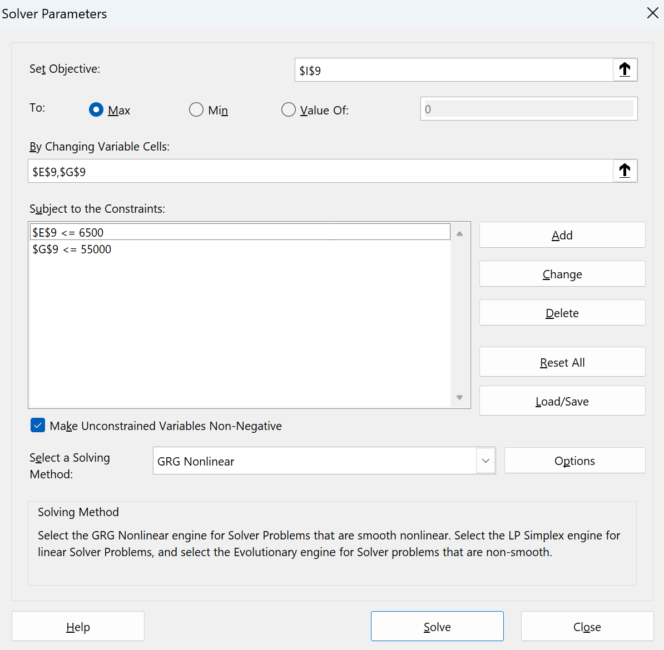

5. | With considering various factors such as % Monthly policies count trend wise I have distributed the Policies throughout in Quarters for Year 2016 and 2017 using Pivot table and Computed the Total Premium.
 | The above briefed step is performed in Working sheet. |  | Working Sheet

6. | The Results are thereby Computed and have been fed in Challenge Sheet. |  |  | Challenge Sheet

