Guidelines - Notes
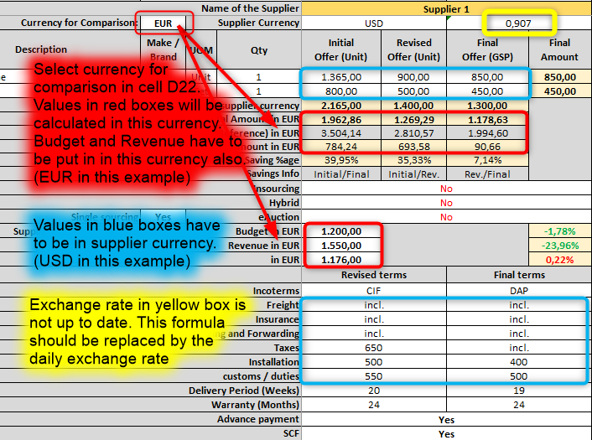
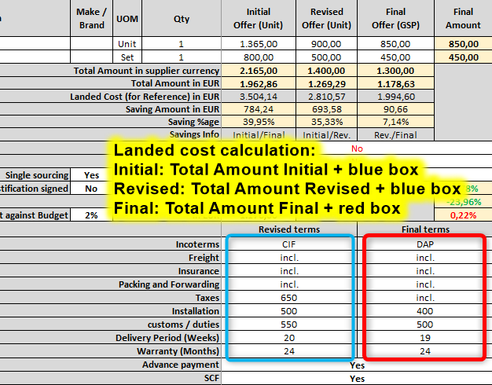
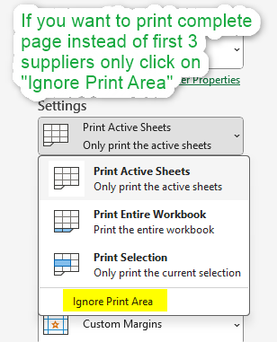
Motherson Purchase BID Comparison report guidelines

DO NOT CHANGE ANY FORMULAS OR DELETE ANY CELLS OR ANY DATA OR SHEETS (exception: exchange rates, which can be updated on the day from the listed websites) 1. MPBC – This is the only sheet that needs to be completed. 2. Mandatory Cells – This sheet is an example of the completed sheet for easy reference. 3. BER - Bid exception report – This sheet is the BID Exception Report, which is mandatory to fill in case of single sourcing. (1 supplier only) 4. RAS IDs – This sheet provides all the RAS Category IDs; they are mentioned here for easy reference. 5. WCI Calculation – This sheet explains any payment term improvements. WCI can be calculated from here. 6. Exchange Rates – This sheet contains the exchange rates. 7. Supplier Risk (Non-Mandatory) – Depending on the number of suppliers, complete the Supplier Risk Template for each supplier. If you have more than 3 suppliers, you can add more sheets as needed.

2. mandatory cells
Yellow = mandatory
some formulas are not working in this as its a sample sheet only
 |  |  |  |  | Form_GSP_MPBC_00001_2025_09
Motherson Purchase BID Comparison [MPBC]
Project Detail |  | 3200t IMM for project BMW Ncar |  |  | Receive Date @ GSP |  | 1-Mar-25 |  | Requisition Type |  | Capex [Motherson budget] |  | RAS Category L1 |  | Moulding Machine |  | Benchmark
 |  |  |  |  | Approval Date @ GSP |  | 10-Mar-25 |  | days @ GSP |  | 9 |  | RAS Category L2 |  | Injection Moulding
RAS Number |  | R_123/123 |  |  | Region |  | COE |  | RAS Value in EUR |  | 2700.00 |  | RAS Category L3 |  | Hydraulic
Sheet No. |  | 3345-35 |  |  | Group Company |  | SMP |  | Unit Negotiated Value |  | 2700.00 |  | RAS Category L4 |  | 2701-3200
Indenter, Originator or RFQ Responsible |  | Mr. Plant |  |  | Plant / Unit |  | Neustadt |  | Com. Code / Category |  | 9038 |  | RAS Category L5 |  | Injection unit capacity <40000 |  | last PO
Contact Number |  | +81 32745432 |  |  | Country |  | Germany |  | GSP Manager |  | Felix Mueller |  | RAS Category L6 |  | -
Name of the Supplier |  |  |  |  | Supplier 1 |  |  |  | Supplier 2 |  |  |  | Supplier 3 |  |  |  | Benchmark |  | Supplier 4 |  |  |  | Supplier 5 |  |  |  | Supplier 6 |  |  |  | Supplier 7 |  |  |  | Supplier 8 |  |  |  | Supplier 9 |  |  |  | Supplier 10
Preference |  |  |  |  | Preferred source L1 |  |  |  | Second Source |  |  |  | not preferred Source |  |  |  | not relevant
Quote meet spec |  |  |  |  | Yes |  |  |  | Yes |  |  |  | Yes
Supplier's Contact Person |  |  |  |  | contact person |  |  |  | contact person |  |  |  | contact person |  |  |  | contact
Supplier's Contact Number |  |  |  |  | 123123 |  |  |  | 123123 |  |  |  | 123123 |  |  |  | 131312312
Supplier's Email Address |  |  |  |  | contact@supplier.com |  |  |  | contact@supplier.com |  |  |  | contact@supplier.com |  |  |  | d@d.com
Offer No. |  |  |  |  | 123 |  |  |  | 123 |  |  |  | 123 |  |  |  | 123
Offer Date |  |  |  |  | 2023-11-24 |  |  |  | 2023-11-24 |  |  |  | 2023-11-24 |  |  |  | 2024-01-01
Offer Validity |  |  |  |  | 60 days |  |  |  | 60 days |  |  |  | 60 days |  |  |  | 30 days
Supplier Country / Classification |  |  |  |  | ARMENIA |  | Low Cost |  | ARGENTINA |  | Low Cost |  | AUSTRALIA |  | High Cost |  | Austria | High Cost |  |  | <-- select country |  |  |  | <-- select country |  |  |  | <-- select country |  |  |  | <-- select country |  |  |  | <-- select country |  |  |  | <-- select country |  |  |  | <-- select country
Country of Origin / Classification |  |  |  |  | CANADA |  | High Cost |  | CHINA |  | Low Cost |  | CANADA |  | High Cost |  | BRAZIL | Low Cost |  |  | <-- select country |  |  |  | <-- select country |  |  |  | <-- select country |  |  |  | <-- select country |  |  |  | <-- select country |  |  |  | <-- select country |  |  |  | <-- select country
Financial Risk (RAPID RATING or others) |  |  |  |  | RAPID RATING - Green |  |  |  | D&B - Green |  |  |  | No rating
Panel supplier status |  |  |  |  | Prefered |  |  |  | Active |  |  |  | On Hold
ISO 9001 |  |  |  |  | Yes |  |  |  | Yes |  |  |  | No
ISO 14001 |  |  |  |  | Yes |  |  |  | Yes |  |  |  | No
ECOVADIS rating |  |  |  |  | platinum |  |  |  | Gold |  |  |  | No rating
TISAX |  |  |  |  | Yes |  |  |  | Yes |  |  |  | No
Supplier rating / Risk assessment (sheet "Supp x risk") |  |  |  |  | 0 |  |  |  | 0 |  |  |  | 0 |  |  |  |  |  | 0 |  |  |  | 0 |  |  |  | 0 |  |  |  | 0 |  |  |  | 0 |  |  |  | 0 |  |  |  | 0
Currency for Comparison: |  | EUR | Supplier Currency |  | EUR |  | 1.000 |  | INR |  | 0.010 |  | USD |  | 0.861 |  | USD | 0.861 |  |  | <-- select currency |  |  |  | <-- select currency |  |  |  | <-- select currency |  |  |  | <-- select currency |  |  |  | <-- select currency |  |  |  | <-- select currency |  |  |  | <-- select currency
Description |  | Make / Brand | UOM | Qty | Initial Offer (Unit) | Revised Offer (Unit) | Final Offer (GSP) | Final Amount | Initial Offer (Unit) | Revised Offer (Unit) | Final Offer (GSP) | Final Amount | Initial Offer (Unit) | Revised Offer (Unit) | Final Offer (GSP) | Final Amount | Final Offer | Final Amount | Initial Offer (Unit) | Revised Offer (Unit) | Final Offer (GSP) | Final Amount | Initial Offer (Unit) | Revised Offer (Unit) | Final Offer (GSP) | Final Amount | Initial Offer (Unit) | Revised Offer (Unit) | Final Offer (GSP) | Final Amount | Initial Offer (Unit) | Revised Offer (Unit) | Final Offer (GSP) | Final Amount | Initial Offer (Unit) | Revised Offer (Unit) | Final Offer (GSP) | Final Amount | Initial Offer (Unit) | Revised Offer (Unit) | Final Offer (GSP) | Final Amount | Initial Offer (Unit) | Revised Offer (Unit) | Final Offer (GSP) | Final Amount
1 | 3200t IMM |  | Set | 1 | 3,530.00 | 2,700.00 | 2,250.00 | 2,250.00 | 125,000.00 | 113,000.00 | 111,000.00 | 111,000.00 | 1,500.00 | 1,350.00 | 1,250.00 | 1,250.00 | 220.00 | 220.00
2
3
4
5
6
7
8
Total Amount in supplier currency |  |  |  |  | 3,530.00 | 2,700.00 | 2,250.00 |  | 125,000.00 | 113,000.00 | 111,000.00 |  | 1,500.00 | 1,350.00 | 1,250.00 |  | 220.00
Total Amount in EUR |  |  |  |  | 3,530.00 | 2,700.00 | 2,250.00 |  | 1,227.58 | 1,109.74 | 1,090.10 |  | 1,291.40 | 1,162.26 | 1,076.17 |  | 189.41
Landed Cost (for Reference) in EUR |  |  |  |  | 5,230.00 | 4,400.00 | 2,250.00 |  | 1,244.28 | 1,126.43 | 1,090.10 |  | 2,754.99 | 2,625.85 | 1,076.17 |  | 189.41
 |  |  |  | Saving Amount in EUR | 1,280.00 | 830.00 | 450.00 |  | 137.49 | 117.85 | 19.64 |  | 215.23 | 129.14 | 86.09
Saving %age |  |  |  |  | 36.26% | 23.51% | 16.67% |  | 11.20% | 9.60% | 1.77% |  | 16.67% | 10.00% | 7.41%
Savings Info |  |  |  |  | Initial/Final | Initial/Rev. | Rev./Final |  | Initial/Final | Initial/Rev. | Rev./Final |  | Initial/Final | Initial/Rev. | Rev./Final |  |  |  | Initial/Final | Initial/Rev. | Rev./Final |  | Initial/Final | Initial/Rev. | Rev./Final |  | Initial/Final | Initial/Rev. | Rev./Final |  | Initial/Final | Initial/Rev. | Rev./Final |  | Initial/Final | Initial/Rev. | Rev./Final |  | Initial/Final | Initial/Rev. | Rev./Final |  | Initial/Final | Initial/Rev. | Rev./Final
Insourcing |  |  |  |  | Yes |  |  |  | No |  |  |  | No
Hybrid |  |  |  |  | No |  |  |  | No |  |  |  | Yes
Single sourcing |  | No | eAuction |  | Yes |  |  |  | Yes |  |  |  | No
Supplier justification (BER) signed |  | No | Budget in EUR |  | 2,200.00 |  |  |  |  |  |  |  |  |  |  |  |  | -91.39%
In case of Cust. funded: Revenue in EUR |  |  |  |  | 2,400.00 |  |  |  |  |  |  |  |  |  |  |  |  | -92.11%
Target against Budget |  | 2% | in EUR |  | 2,156.00 |  |  |  |  |  |  |  |  |  |  |  |  | -91.21%
 |  |  |  |  | Revised terms |  | Final terms |  | Revised terms |  | Final terms |  | Revised terms |  | Final terms |  | Final terms |  | Revised terms |  | Final terms |  | Revised terms |  | Final terms |  | Revised terms |  | Final terms |  | Revised terms |  | Final terms |  | Revised terms |  | Final terms |  | Revised terms |  | Final terms |  | Revised terms |  | Final terms
Incoterms |  |  |  |  | CIF |  | DAP |  | CIF |  | DAP |  | CIF |  | DAP
Packing and Forwarding |  |  |  |  | incl. |  | incl. |  | incl. |  | incl. |  | incl. |  | incl.
Freight |  |  |  |  | incl. |  | incl. |  | incl. |  | incl. |  | incl. |  | incl.
Insurance |  |  |  |  | incl. |  | incl. |  | incl. |  | incl. |  | incl. |  | incl.
Taxes |  |  |  |  | 650 |  | incl. |  | 650 |  | incl. |  | 650 |  | incl.
customs / duties |  |  |  |  | 500 |  | incl. |  | 500 |  | incl. |  | 500 |  | incl.
Installation |  |  |  |  | 550 |  | incl. |  | 550 |  | incl. |  | 550 |  | incl.
Delivery Period (Weeks) |  |  |  |  | 20 |  | 19 |  | 20 |  | 19 |  | 20 |  | 19
Warranty (Months) |  |  |  |  | 24 |  | 24 |  | 24 |  | 24 |  | 24 |  | 24
Advance payment (any payment before delivery to MOTHERSON) |  |  |  |  | Yes |  |  |  | Yes |  |  |  | Yes
SCF (Supply Chain Finance Program) |  |  |  |  | Yes |  |  |  | Yes |  |  |  | Yes
Payment Terms |  |  |  |  | 100% down payment |  | 100% after delivery 240 days |  | 100% down payment |  | 100% after delivery 240 days |  | 100% down payment |  | 100% after delivery 240 days
Special Remark
GSP Purchase Saving %age |  |  | 16.67% |  | RAS Saving %age |  | 16.67% |  | Negotiated By: [GSP Buyer/Manager] |  |  |  | Approved By: [GSP Commodity Director]
GSP Purchase Saving amount in EUR: |  |  | 450.00 |  | RAS Saving amount in EUR: |  | 450.00
Approved Supplier / Classification |  |  |  |  | Supplier 1 |  | Low Cost |  | MR. XY |  |  |  | Mr. XY
Approved Cost (total Amount row 37, 38) |  |  |  |  | EUR |  | 2,250.00 |  | XXXXXX |  |  |  | XXXXXX
 |  |  |  |  | EUR |  | 2,250.00
Landed Cost (for Reference) |  |  |  |  | EUR |  | 2,250.00

Approvals (according to Group Companies requirements) |  |  |  | Department | Purchasing |  | Technics |  | Controlling |  | Sales |  | Plant Manager |  | ….
 |  |  |  | Name | Mr. P |  | Ms. T |  | Mr. C |  | Ms. S |  | Mr. M
 |  |  |  | Date
 |  |  |  | Approver Signature | X |  | X |  | X |  | X |  | X

