BUG REPORT
 | VERSION:WINDOWS 11 |  |  | TESTED BY:PRAVEEN SHEKHAR VP
 | VERIFIED BY:Ms.Rakhi |  |  | DATE:8/8/2023

BUG ID | TEST ID | BUG DESCRIPTION | STEPS TO REPRODUCE | SCREENSHOT | SEVERITY | PRIORITY | STATUS
DEF_CVR_01 | CVR_HP_03 | All dropdown buttons are not working | 1.open the page 2.click all drop down buttons |  | MAJOR | P1 | NEW
DEF_CVR_02 | CVR_HP_04 | All Hyperlinks are not working properly | 1.open the page 2.click all hyperlinks |  | MAJOR | P1 | NEW
DEF_CVR_03 | CVR_HP_08 | the link is not working properly | 1.open home page 2.click on send a feed back link |  | MAJOR | P1 | NEW
DEF_CVR_04 | CVR_HP_11 | Links are not redirecting properly | 1.open homepage 2.click on our specialities 3.click ont the links in our specialities |  | MAJOR | P1 | NEW
DEF_CVR_05 | CVR_HP_12 | sign up field is not working properly | 1.open home page 2.click on email address field 3.enter email |  | MAJOR | P1 | NEW
DEF_CVR_06 | CVR_HP_13 | Links are not redirecting properly | 1.open home page 2.click on the social media links |  | MAJOR | P1 | NEW
DEF_CVR_07 | CVR_HP_15 | we are not redirect to Laboratary section | 1.open home page 2.click on Laboratary section |  | MAJOR | P1 | NEW
DEF_CVR_08 | CVR_HP_16 | we are not redirect to media section | 1.open home page 2.click on Media section |  | MAJOR | P1 | NEW
DEF_CVR_09 | CVR_HP_17 | we are not redirect into appointment section | 1.open home page 2.click on Appointment section |  | MAJOR | P1 | NEW
DEF_CVR_10 | CVR_AU_02 | links are not working properly | 1.open home page 2.click on about us section 3.click on the links |  | MAJOR | P1 | NEW
DEF_CVR_11 | CVR_AU_05 | the allignment of contents are incorrect | 1.open home page 2.click on about us section 3.check allignment |  | MINOR | P2 | NEW
DEF_CVR_12 | CVR_AU_06 | we can't see the content in that section | 1.open home pahe 2.click on about us section 3.click on Managing Director's message section |  | MAJOR | P1 | NEW
DEF_CVR_13 | CVR_AU_07 | the vision and mission section is not working | 1.open home pahe 2.click on about us section 3.click on vision and mission section |  | MAJOR | P1 | NEW
DEF_CVR_14 | CVR_AU_08 | we can't see the details of tem while clicking on our team section | 1.open home pahe 2.click on about us section 3.click on our team section |  | MAJOR | P1 | NEW
DEF_CVR_15 | CVR_OD_02 | search doctor by name option is not working properly | 1.open home page 2.open our doctors section 3.click search option 4.enter a name of doctor |  | MAJOR | P1 | NEW
DEF_CVR_16 | CVR_OD_06 | both numbers and characters are entering into name field | 1.open home page 2.open our doctors section 3.click book a appointment section 4.enter numbers in to name field |  | MAJOR | P1 | NEW
DEF_CVR_17 | CVR_OD_07 | more than 12 numbers are entering into mobile number field | 1.open home page 2.open our doctors section 3.click book a appointment section 4.enter morethan 12 numbers into mobile numbers field |  | MAJOR | P1 | NEW
DEF_CVR_18 | CVR_OD_09 | choose a date field is not working properly | 1.open home page 2.open our doctors section 3.click book a appointment section 4.enter morethan 12 numbers into mobile numbers field 5.click on the dropdowns 6.select a date | 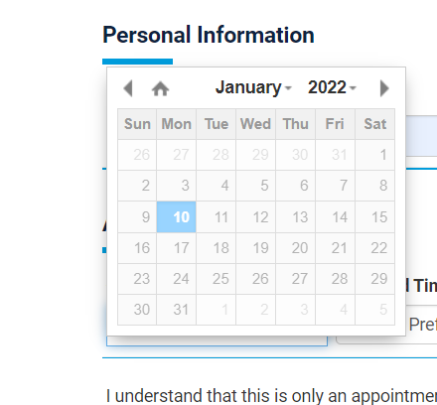 | MAJOR | P1 | NEW
DEF_CVR_19 | CVR_OD_13 | not showing docters name while selecting a department | 1.open home page 2.open our doctors section 3.click book a appointment section 4.enter morethan 12 numbers into mobile numbers field 5.click on the dropdowns 6.select a date 7.choose a time 8.select a department | 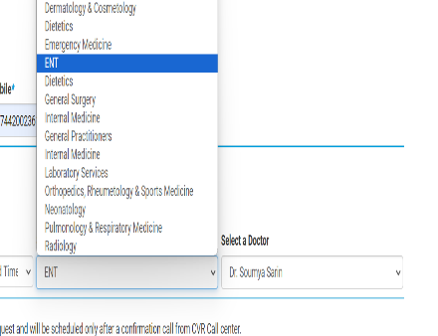 | MAJOR | P1 | NEW
DEF_CVR_20 | CVR_HP_18 | sitemap is not working properly | 1.open home page 2.click on sitemap link |  | MAJOR | P1 | NEW

DEFECT DISTRIBUTION GRAPH
MODULE NAME | DIFECT DISTRIBUTION
Home page | 10
About Us | 5
Our Doctors | 5

