1
1. Tables We need to run the Query

For a simple Library Management System we need Three tables: books, members, and loans. The books table stores information about the books in the library, including the title, author, year of publication, and quantity. The members table stores information about the library members, including their name, email, phone, and membership type. The loans table stores information about books that have been loaned out, including the book's ID, the member's ID, the loan date, and the return date.

Below are the queries which I used to create the Tables ( books, members and loans tables ) and the respective Screenshot of Query which I worked out in SQL Workbench .

create database Library_Management_System;

use Library_Management_System;

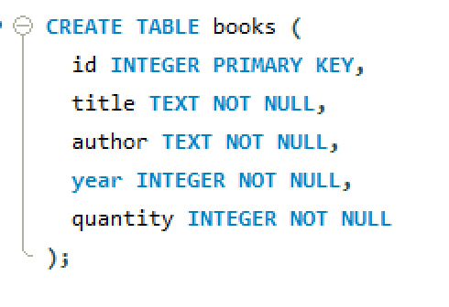
CREATE TABLE books (
id INTEGER PRIMARY KEY,
title TEXT NOT NULL,
author TEXT NOT NULL,
year INTEGER NOT NULL,
quantity INTEGER NOT NULL
);

CREATE TABLE members (
id INTEGER PRIMARY KEY,
name TEXT NOT NULL,
email TEXT NOT NULL,
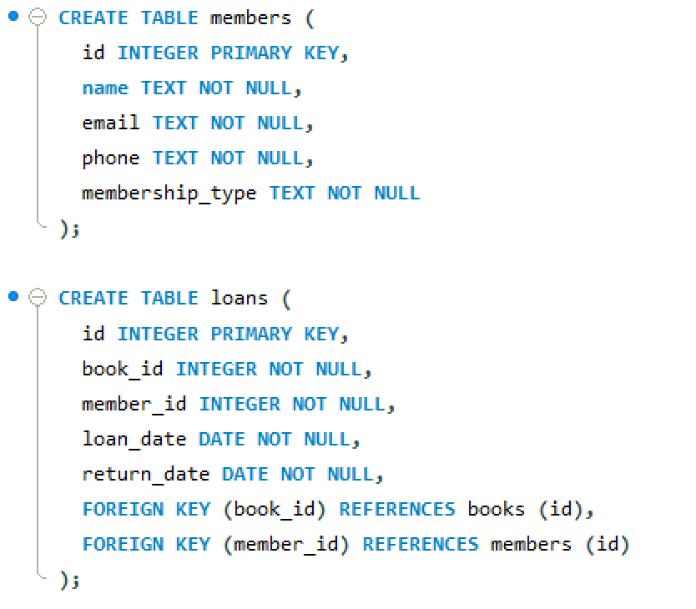
phone TEXT NOT NULL,
membership_type TEXT NOT NULL
);

CREATE TABLE loans (
id INTEGER PRIMARY KEY,
book_id INTEGER NOT NULL,
member_id INTEGER NOT NULL,
loan_date DATE NOT NULL,
return_date DATE NOT NULL,
FOREIGN KEY (book_id) REFERENCES books (id),
FOREIGN KEY (member_id) REFERENCES members (id)
);

2
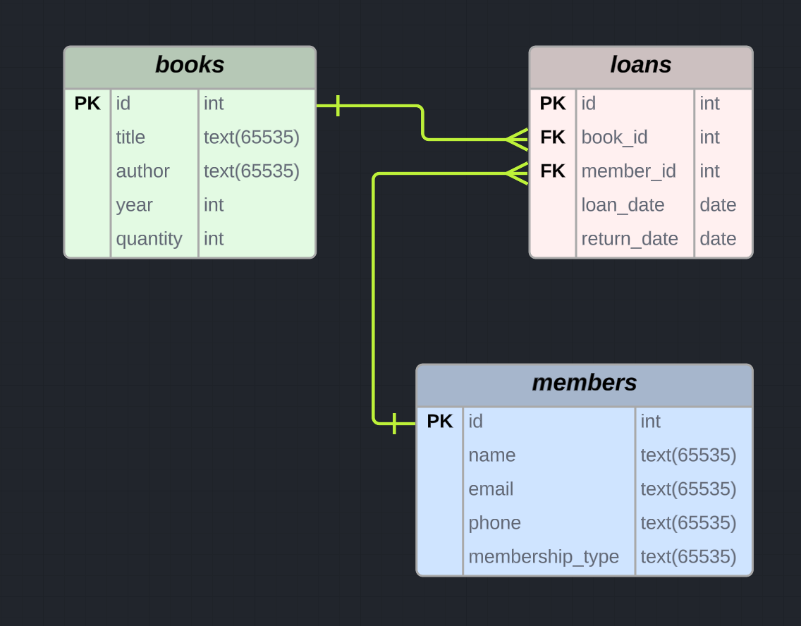
2. Entity Relationship Diagram

In this library management system, there is a one-to-many relationship between the books and loans, since one book can be loaned out to multiple members. There is also a one-to-many relationship between the members and loans, since one member can borrow multiple books.

Below is the Entity Relationship Diagram for the Tables ( books, loans, members ), I have used lucid chart tool to generate the below ERD

3.1
3. Figure out the cases like issuing a book, returning a book, checking the fine due. Basically you need to think about the operations we do in a library and then write down queries to execute them.

3.1 To Issue a book to a member

Lets Assume 8 members have been issued a book on 01-01-2022, So the Query for following tables will be.

Members Table:
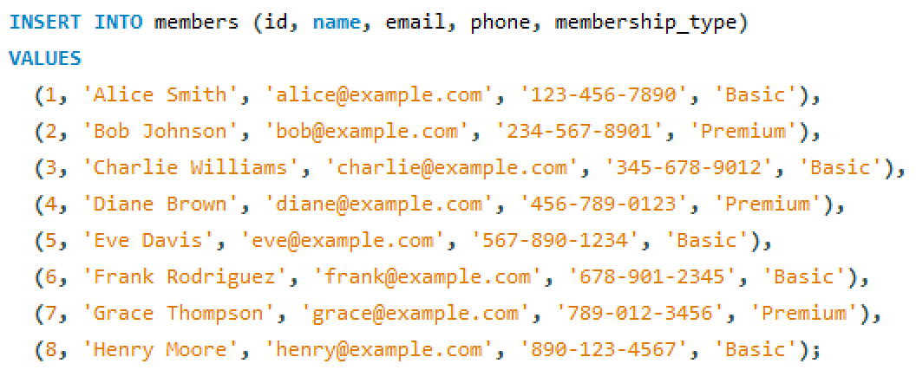

Books Table:
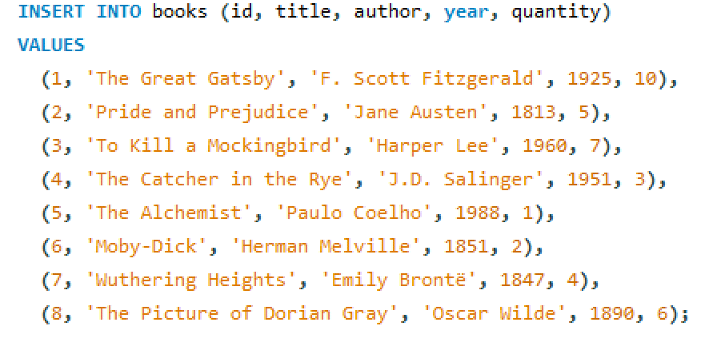

Loans Table:
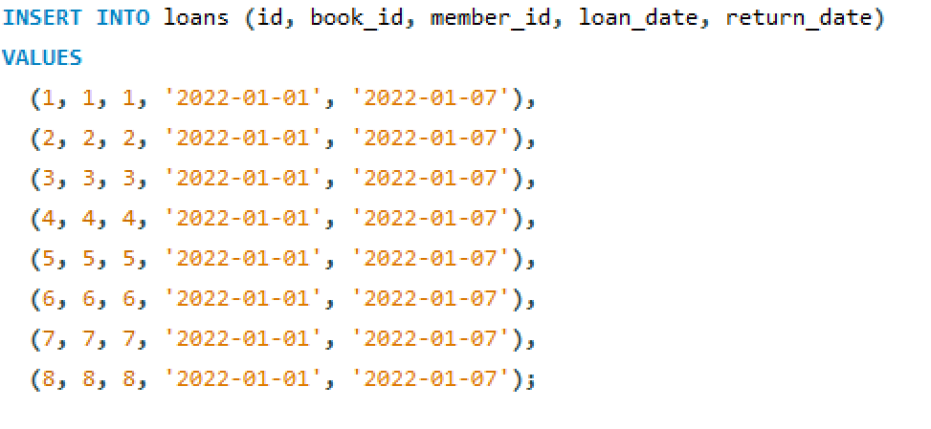

This query will insert new rows into the loans table, with the specified book_id and member_id, and the date assumed ('2022-01-01') as the loan_date. The return_date will be set to 7 days after the loan_date ('2022-01-07').

3.2
 | 3.2 To Return a Book

 | Loans table before performing Delete Query
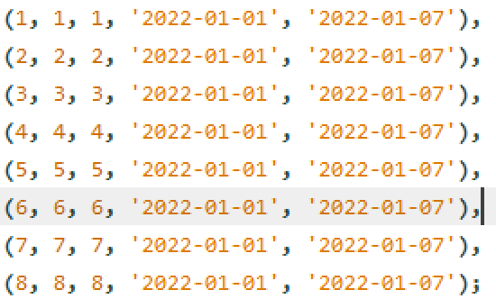

 | The query used to perform return a book operation

 | After executing the Query
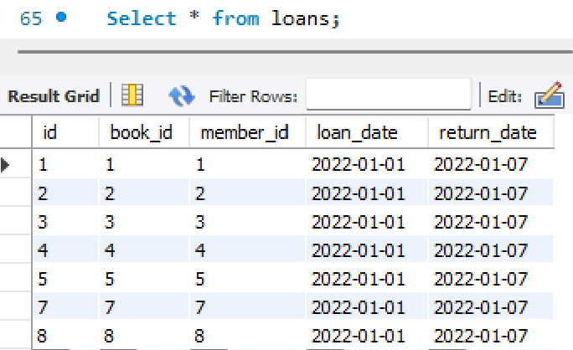

Member 6 who have returned the book has been removed from the loans table which thereby represent Member 6 has returned the book

3.3
3.3 Checking Fine Due

Assuming the book was issued on 01-0-2022 and the return date was assumed as 7 days past issued date i.e. 07-01-2022.

We are about to find the due for Member 3 who haven't returned the book till current date 04-01-2022

This query will calculate the total fine due for the specified member by summing up the number of days that each overdue book is past its return_date.
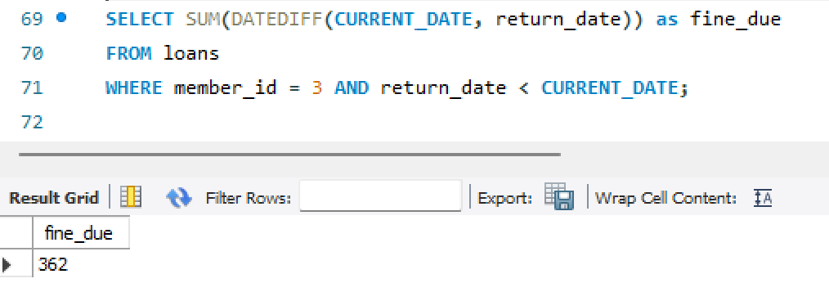

Returns 362 as the number of days past due is 362. ( Assuming the fine amount is Number of days past due * 1 )

