Sheet2
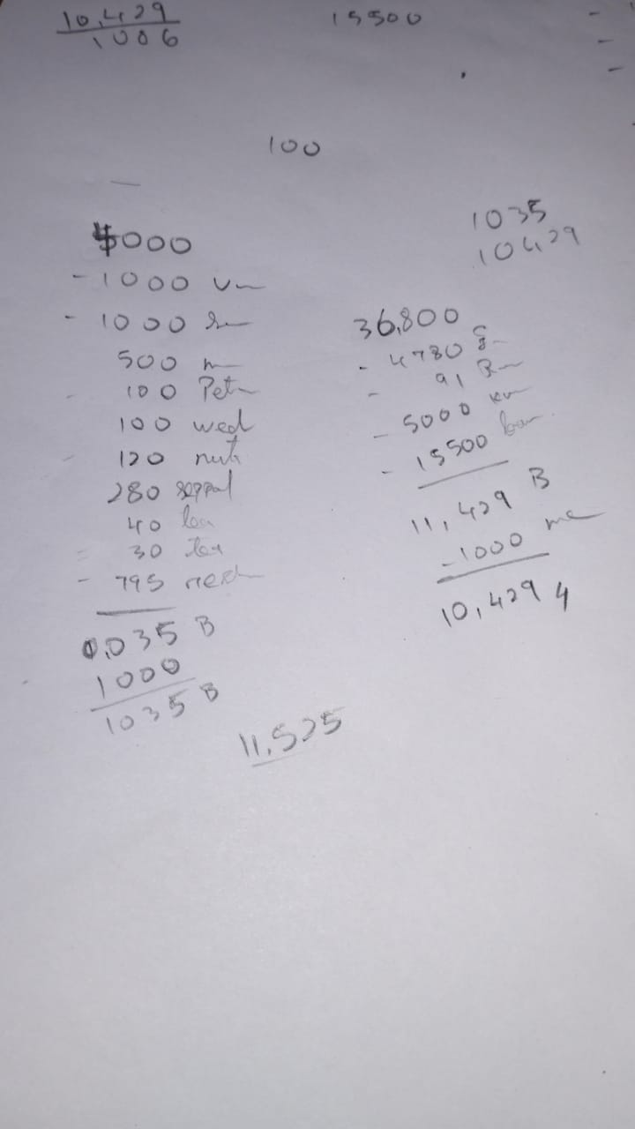
2024-11-14

 | MOM | Me
 | 36800 | 5000
 | -71 | 935
 |  | 4255
 |  | 3945 | 2024-11-17

