CDIN
INPUT UNITS 1=inches 2=mm | BASE MVA | FREQUENCY | CORE DIAMETER | WINDOW HEIGHT | NUMBER OF TERMINALS | NUMBER OF LAYERS | DISTANCE TO TANK
1 | 18 | 60 | 16.956 | 63.25 | 3 | 3 | 7.25
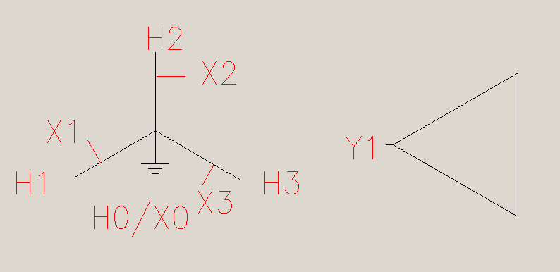
TERMINAL NR. | 1 | 2 | 3 | 4 | 5 | 6
1=Y, 2=D, 3** | 3 | 4 | 2
MVA | 18 | 18 | 0
kV | 115 | 34.5 | 13.8

LAYER NR. | 1 | 2 | 3 | 4 | 5 | 6
TERMINAL NR. | 3 | 2 | 1
INNER DIA | 18.383 | 23.98 | 31.18
RADIAL WIDTH | 0.4944 | 1.906 | 2.98
LAST SEG | 1 | 2 | 4
NR. PARALL GR | 1 | 1 | 2
CURRENT +1/-1 | -1 | 1 | -1
CU = 1, AL = 2 | 1 | 1 | 1 |  |  |  |  | Auto-transformer with unloaded tertiary winding

SEGMENT NR. | 1 | 2 | 3 | 4 | 5 | 6 | 7 | 8 | 9 | 10 | 11 | 12 | 13 | 14
Z MIN | 4 | 4 | 4 | 31.28
Z MAX | 57.46 | 57.46 | 30.17 | 57.45
TOTAL TURNS | 245.5 | 354 | 886.5 | 886.5
ACTIVE TURNS | 245.5 | 354 | 826.5 | 826.5
STRANDS/TURN | 1 | 3 | 1 | 1
RAD STR NR/LAY. | 3 | 15 | 22 | 22
RAD STRAND DIM | 0.14 | 0.1 | 0.099 | 0.099
AX STRAND DIM | 0.426 | 0.441 | 0.342 | 0.342

EFIN
INPUT UNITS 1=inches 2=mm | BASE MVA | FREQUENCY | CORE DIAMETER | WINDOW HEIGHT | NUMBER OF TERMINALS | NUMBER OF LAYERS | DISTANCE TO TANK
1 | 5 | 60 | 13.782 | 50.125 | 3 | 3 | 3.5

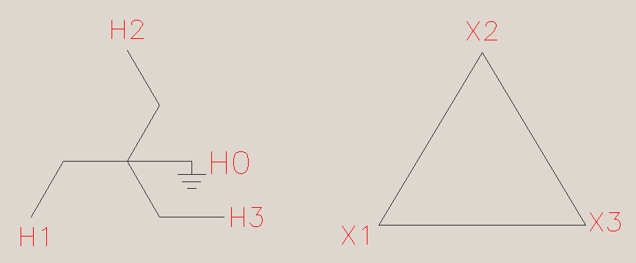
TERMINAL NR. | 1 | 2 | 3 | 4 | 5 | 6
1=Y, 2=D, 3** | 5 | 6 | 2
MVA | 5 | 5 | 5
kV | 14.376 | 14.376 | 13.2

LAYER NR. | 1 | 2 | 3 | 4 | 5 | 6
TERMINAL NR. | 1 | 2 | 3
INNER DIA | 15.407 | 18.34 | 21.27
RADIAL WIDTH | 0.84 | 0.84 | 1.95
LAST SEG | 1 | 2 | 3
NR. PARALL GR | 1 | 1 | 1
CURRENT +1/-1 | -1 | -1 | 1
CU = 1, AL = 2 | 1 | 1 | 1

SEGMENT NR. | 1 | 2 | 3 | 4 | 5 | 6 | 7 | 8 | 9 | 10 | 11 | 12 | 13 | 14 | 15 | 16 | 17 | 18 | 19 | 20 | 21 | 22 | 23 | 24 | 25 | 26 | 27 | 28 | 29 | 30
Z MIN | 3 | 3 | 3
Z MAX | 45.3 | 45.3 | 45.3
TOTAL TURNS | 234 | 234 | 372
ACTIVE TURNS | 234 | 234 | 372
STRANDS/TURN | 2 | 2 | 3
RAD STR NR/LAY. | 6 | 6 | 15
RAD STRAND DIM | 0.116 | 0.116 | 0.106
AX STRAND DIM | 0.374 | 0.374 | 0.325

GHIN
INPUT UNITS 1=inches 2=mm | BASE MVA | FREQUENCY | CORE DIAMETER | WINDOW HEIGHT | NUMBER OF TERMINALS | NUMBER OF LAYERS | DISTANCE TO TANK
1 | 30 | 60 | 20.68 | 69.5 | 2 | 2 | 4

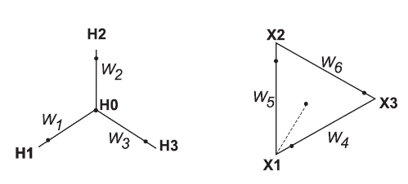
TERMINAL NR. | 1 | 2 | 3 | 4 | 5 | 6
1=Y, 2=D, 3** | 1 | 2
MVA | 30 | 30
kV | 62.7 | 13.2

LAYER NR. | 1 | 2 | 3 | 4 | 5 | 6
TERMINAL NR. | 2 | 1
INNER DIA | 22.054 | 30.014
RADIAL WIDTH | 2.542 | 2.449
LAST SEG | 6 | 12
NR. PARALL GR | 1 | 2
CURRENT +1/-1 | -1 | 1
CU = 1, AL = 2 | 1 | 1

SEGMENT NR. | 1 | 2 | 3 | 4 | 5 | 6 | 7 | 8 | 9 | 10 | 11 | 12 | 13 | 14
Z MIN | 4.08 | 16.97 | 20.39 | 34.29 | 47.29 | 50.71 | 4.13 | 17.05 | 20.44 | 34.31 | 47.24 | 50.63
Z MAX | 16.97 | 20.39 | 33.39 | 47.29 | 50.71 | 63.6 | 17.05 | 20.44 | 33.36 | 47.24 | 50.63 | 63.55
TOTAL TURNS | 37.3 | 3.8 | 37.3 | 37.3 | 3.8 | 37.3 | 216 | 44 | 216 | 216 | 44 | 216
ACTIVE TURNS | 37.3 | 3.8 | 37.3 | 37.3 | 3.8 | 37.3 | 216 | 0 | 216 | 216 | 0 | 216
STRANDS/TURN | 17 | 17 | 17 | 17 | 17 | 17 | 2 | 2 | 2 | 2 | 2 | 2
RAD STR NR/LAY. | 27 | 27 | 27 | 27 | 27 | 27 | 22 | 22 | 22 | 22 | 22 | 22
RAD STRAND DIM | 0.082 | 0.082 | 0.082 | 0.082 | 0.082 | 0.082 | 0.082 | 0.082 | 0.082 | 0.082 | 0.082 | 0.082
AX STRAND DIM | 0.359 | 0.359 | 0.359 | 0.359 | 0.359 | 0.359 | 0.406 | 0.406 | 0.406 | 0.406 | 0.406 | 0.406

IJIN
INPUT UNITS 1=inches 2=mm | BASE MVA | FREQUENCY | CORE DIAMETER | WINDOW HEIGHT | NUMBER OF TERMINALS | NUMBER OF LAYERS | DISTANCE TO TANK
1 | 20 | 60 | 18.916 | 72.5 | 2 | 3 | 3

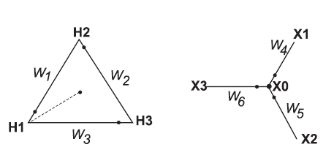
TERMINAL NR. | 1 | 2 | 3 | 4 | 5 | 6
1=Y, 2=D, 3** | 2 | 1
MVA | 20 | 20
kV | 112.1 | 13.8

LAYER NR. | 1 | 2 | 3 | 4 | 5 | 6
TERMINAL NR. | 2 | 2 | 1
INNER DIA | 20.54 | 23.772 | 29.376
RADIAL WIDTH | 0.74 | 0.74 | 2.925
LAST SEG | 5 | 10 | 15
NR. PARALL GR | 1 | 1 | 1
CURRENT +1/-1 | -1 | -1 | 1
CU = 1, AL = 2 | 1 | 1 | 1

SEGMENT NR. | 1 | 2 | 3 | 4 | 5 | 6 | 7 | 8 | 9 | 10 | 11 | 12 | 13 | 14 | 15
Z MIN | 5.52 | 13.09 | 31.99 | 38.71 | 57.61 | 5.52 | 13.09 | 31.99 | 38.71 | 57.61 | 5.63 | 13.58 | 32.17 | 38.53 | 57.21
Z MAX | 13.09 | 31.99 | 38.71 | 57.61 | 65.18 | 13.09 | 31.99 | 38.71 | 57.61 | 65.18 | 13.58 | 32.17 | 38.53 | 57.21 | 65.08
TOTAL TURNS | 7 | 18.7 | 2.7 | 18.7 | 7 | 7 | 18.7 | 2.7 | 18.7 | 7 | 207 | 553 | 160 | 553 | 207
ACTIVE TURNS | 7 | 18.7 | 2.7 | 18.7 | 7 | 7 | 18.7 | 2.7 | 18.7 | 7 | 207 | 553 | 0 | 553 | 207
STRANDS/TURN | 13 | 13 | 13 | 13 | 13 | 13 | 13 | 13 | 13 | 13 | 1 | 1 | 1 | 1 | 1
RAD STR NR/LAY. | 7 | 7 | 7 | 7 | 7 | 7 | 7 | 7 | 7 | 7 | 20 | 20 | 20 | 20 | 20
RAD STRAND DIM | 0.1 | 0.1 | 0.1 | 0.1 | 0.1 | 0.1 | 0.1 | 0.1 | 0.1 | 0.1 | 0.112 | 0.112 | 0.112 | 0.112 | 0.112
AX STRAND DIM | 0.424 | 0.424 | 0.424 | 0.424 | 0.424 | 0.424 | 0.424 | 0.424 | 0.424 | 0.424 | 0.352 | 0.352 | 0.352 | 0.352 | 0.352

MNIN
INPUT UNITS 1=inches 2=mm | BASE MVA | FREQUENCY | CORE DIAMETER | WINDOW HEIGHT | NUMBER OF TERMINALS | NUMBER OF LAYERS | DISTANCE TO TANK
1 | 2.5 | 60 | 11.59 | 53 | 6 | 6 | 3
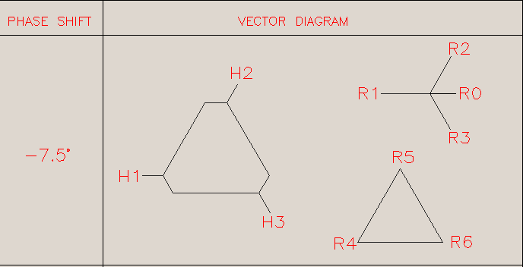
TERMINAL NR. | 1 | 2 | 3 | 4 | 5 | 6
1=Y, 2=D, 3** | 2 | 1 | 7 | 8 | 7 | 8
MVA | 1.25 | 1.25 | 1.25 | 1.25 | 1.25 | 1.25
kV | 0.48 | 0.48 | 13.187 | 2.173 | 13.187 | 2.173

LAYER NR. | 1 | 2 | 3 | 4 | 5 | 6
TERMINAL NR. | 1 | 2 | 3 | 4 | 5 | 6
INNER DIA | 12.88 | 12.88 | 18.63 | 24.18 | 18.63 | 24.18
RADIAL WIDTH | 1.55 | 1.55 | 1.762 | 0.12 | 1.762 | 0.12
LAST SEG | 1 | 2 | 3 | 4 | 5 | 6
NR. PARALL GR | 1 | 1 | 1 | 1 | 1 | 1
CURRENT +1/-1 | -1 | -1 | 1 | 1 | 1 | 1
CU = 1, AL = 2 | 1 | 1 | 1 | 1 | 1 | 1

SEGMENT NR. | 1 | 2 | 3 | 4 | 5 | 6 | 7 | 8 | 9 | 10 | 11 | 12 | 13 | 14 | 15
Z MIN | 3 | 28.5 | 3.5 | 3 | 29 | 28.75
Z MAX | 21 | 46.5 | 20.5 | 20.75 | 46 | 46.5
TOTAL TURNS | 19 | 11 | 551 | 86 | 551 | 86
ACTIVE TURNS | 19 | 11 | 522 | 86 | 522 | 86
STRANDS/TURN | 1 | 1 | 1 | 1 | 1 | 1
RAD STR NR/LAY. | 19 | 11 | 7 | 1 | 7 | 1
RAD STRAND DIM | 0.025 | 0.045 | 0.0907 | 0.0907 | 0.0907 | 0.0907
AX STRAND DIM | 10 | 10 | 0.1814 | 0.1814 | 0.1814 | 0.1814

OPIN
INPUT UNITS 1=inches 2=mm | BASE MVA | FREQUENCY | CORE DIAMETER | WINDOW HEIGHT | NUMBER OF TERMINALS | NUMBER OF LAYERS | DISTANCE TO TANK
1 | 8.4 | 60 | 15.298 | 42.25 | 3 | 3 | 2.75
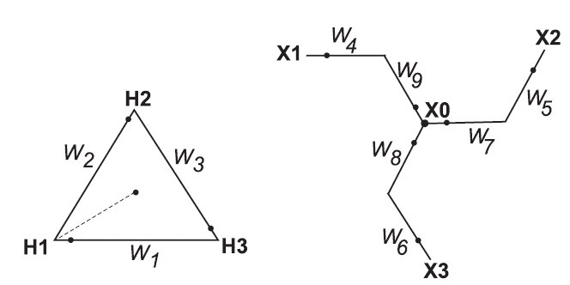
TERMINAL NR. | 1 | 2 | 3 | 4 | 5 | 6
1=Y, 2=D, 3** | 5 | 6 | 2
MVA | 8.4 | 8.4 | 8.4
kV | 7.558 | 7.558 | 34.5

LAYER NR. | 1 | 2 | 3 | 4 | 5 | 6
TERMINAL NR. | 1 | 2 | 3
INNER DIA | 17.74 | 21.54 | 24.84
RADIAL WIDTH | 1.03 | 1.03 | 3.21
LAST SEG | 1 | 2 | 4
NR. PARALL GR | 1 | 1 | 2
CURRENT +1/-1 | -1 | -1 | 1
CU = 1, AL = 2 | 1 | 1 | 1

SEGMENT NR. | 1 | 2 | 3 | 4 | 5 | 6 | 7 | 8 | 9 | 10 | 11 | 12 | 13 | 14
Z MIN | 3.44 | 3.44 | 3.5 | 20.54
Z MAX | 37.51 | 37.51 | 20.4 | 37.44
TOTAL TURNS | 81 | 81 | 640 | 640
ACTIVE TURNS | 81 | 81 | 640 | 640
STRANDS/TURN | 8 | 8 | 2 | 2
RAD STR NR/LAY. | 8 | 8 | 34 | 34
RAD STRAND DIM | 0.11 | 0.11 | 0.07 | 0.07
AX STRAND DIM | 0.292 | 0.292 | 0.253 | 0.253

QRIN
INPUT UNITS 1=inches 2=mm | BASE MVA | FREQUENCY | CORE DIAMETER | WINDOW HEIGHT | NUMBER OF TERMINALS | NUMBER OF LAYERS | DISTANCE TO TANK
1 | 4.5 | 60 | 11.771 | 53 | 4 | 4 | 3

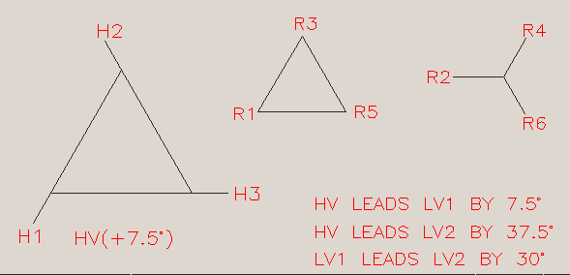
TERMINAL NR. | 1 | 2 | 3 | 4 | 5 | 6
1=Y, 2=D, 3** | 9 | 10 | 2 | 1
MVA | 4.5 | 4.5 | 2.25 | 2.25
kV | 26.4 | 5.195 | 2.2 | 2.2

LAYER NR. | 1 | 2 | 3 | 4 | 5 | 6
TERMINAL NR. | 4 | 3 | 2 | 1
INNER DIA | 13.097 | 13.097 | 18.8282 | 21.3198
RADIAL WIDTH | 1.8536 | 1.8536 | 0.6748 | 1.7325
LAST SEG | 1 | 2 | 4 | 6
NR. PARALL GR | 1 | 1 | 2 | 2
CURRENT +1/-1 | -1 | -1 | 1 | 1
CU = 1, AL = 2 | 1 | 1 | 1 | 1

SEGMENT NR. | 1 | 2 | 3 | 4 | 5 | 6 | 7 | 8 | 9 | 10 | 11 | 12 | 13 | 14
Z MIN | 1.25 | 24.421 | 1.31 | 24.685 | 1.3 | 24.766
Z MAX | 23.111 | 46.6688 | 23.06 | 46.435 | 22.675 | 46.141
TOTAL TURNS | 48 | 83 | 196 | 196 | 1062 | 1062
ACTIVE TURNS | 48 | 83 | 196 | 196 | 996 | 996
STRANDS/TURN | 9 | 5 | 1 | 1 | 1 | 1
RAD STR NR/LAY. | 10 | 10 | 2 | 2 | 22 | 22
RAD STRAND DIM | 0.11 | 0.11 | 0.12 | 0.12 | 0.055 | 0.055
AX STRAND DIM | 0.293 | 0.31 | 0.177 | 0.177 | 0.25 | 0.25

