Overview
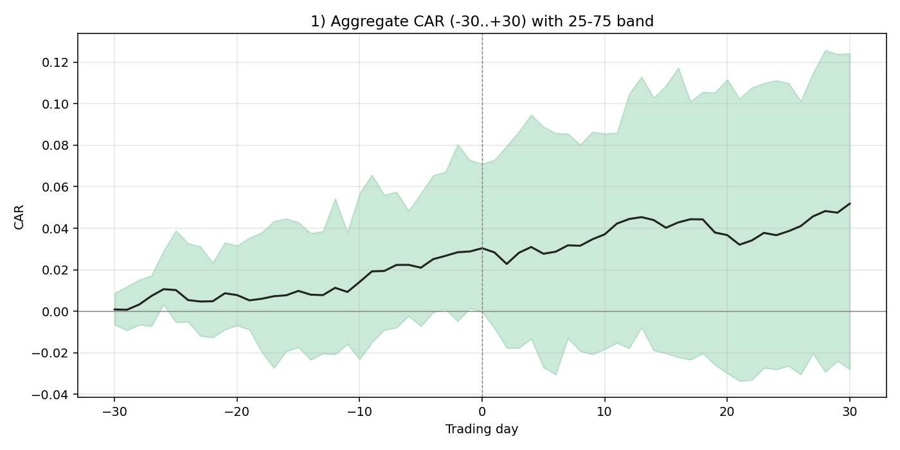
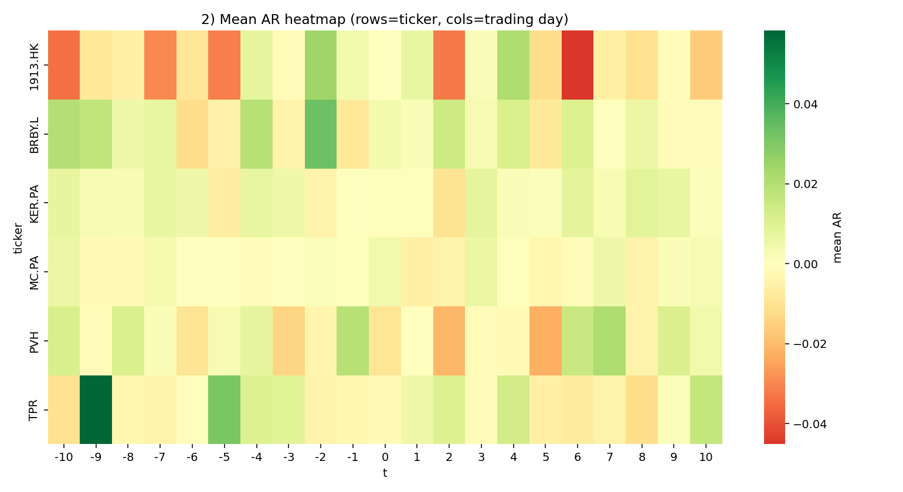
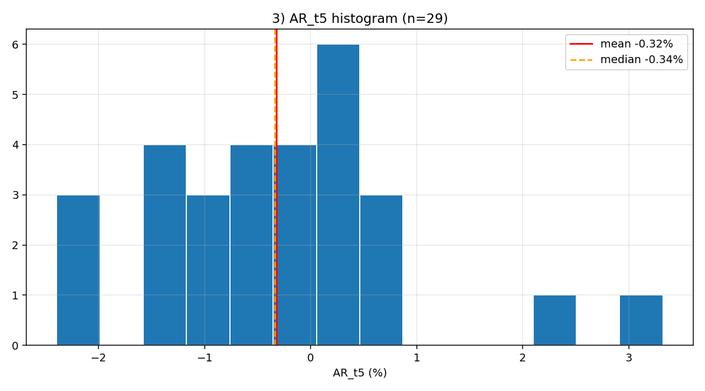
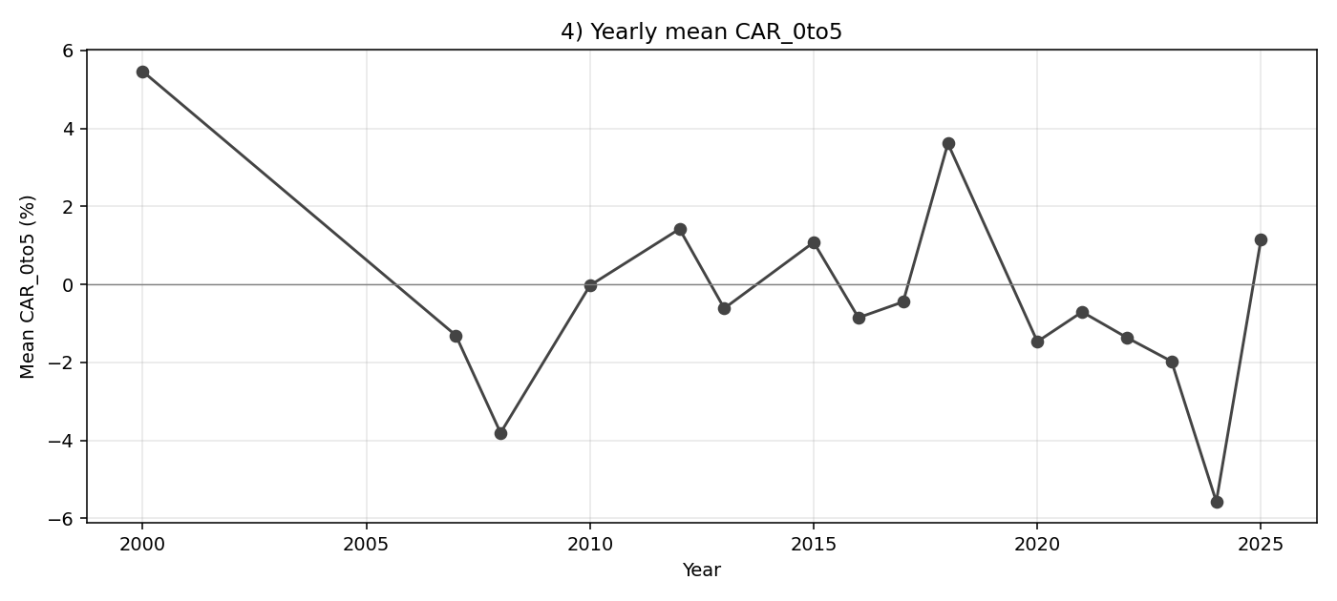
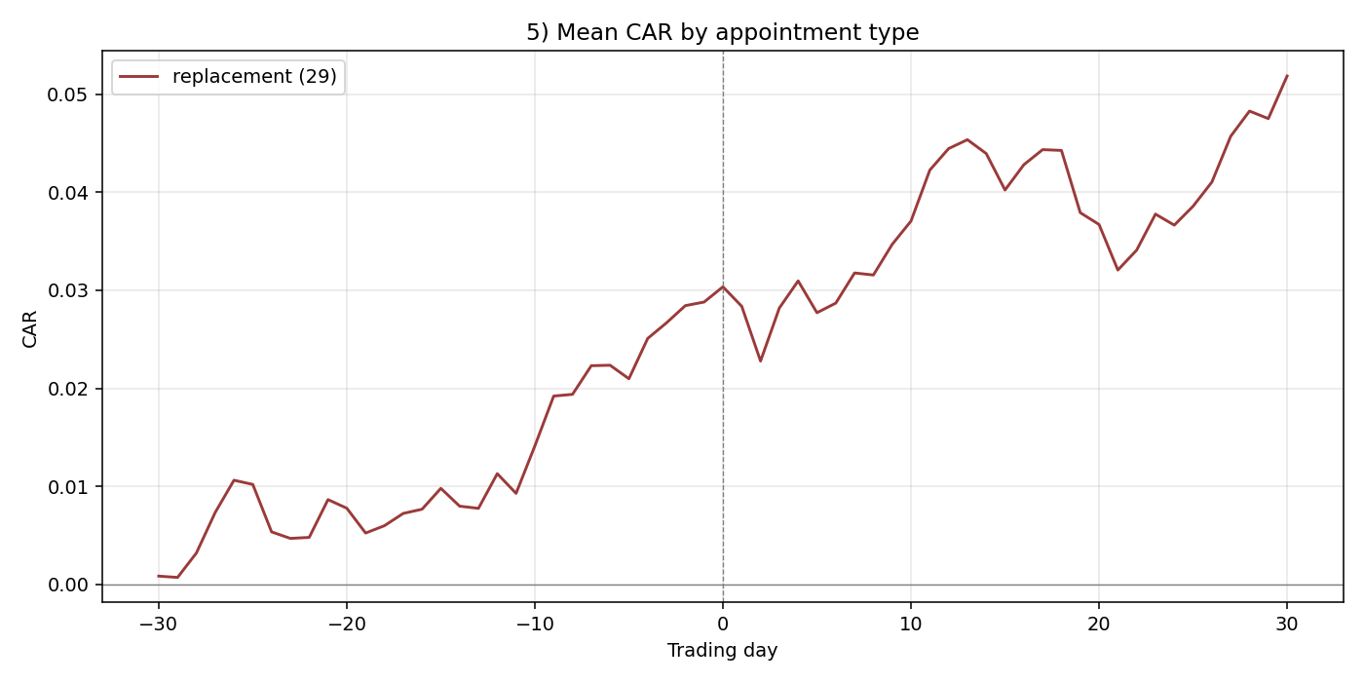
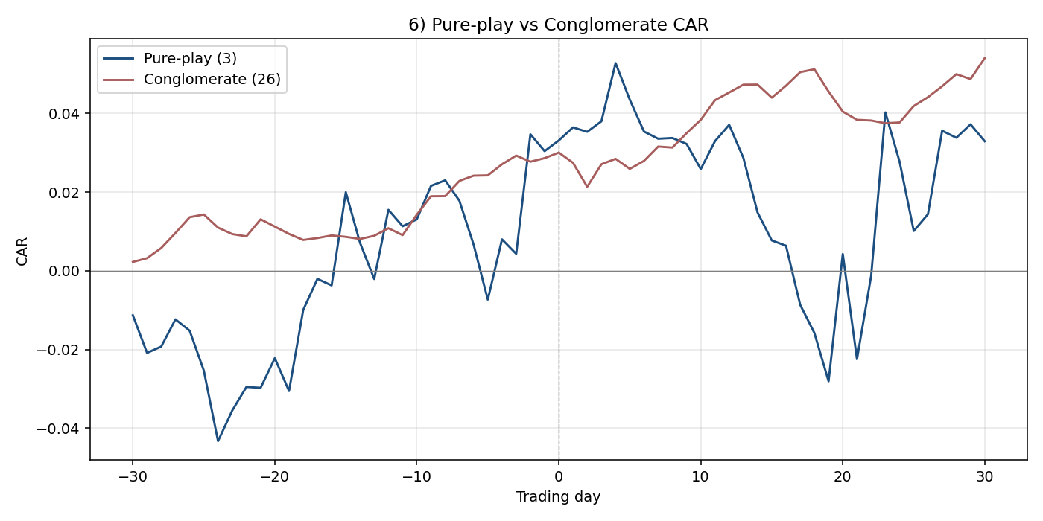
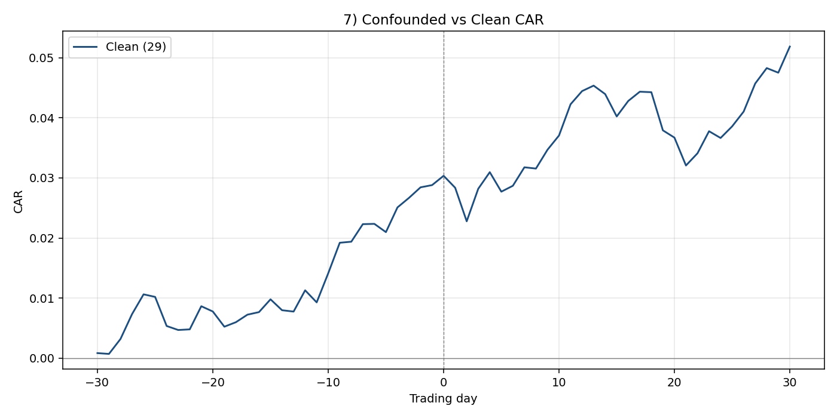
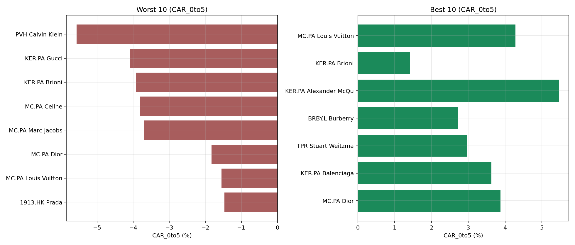
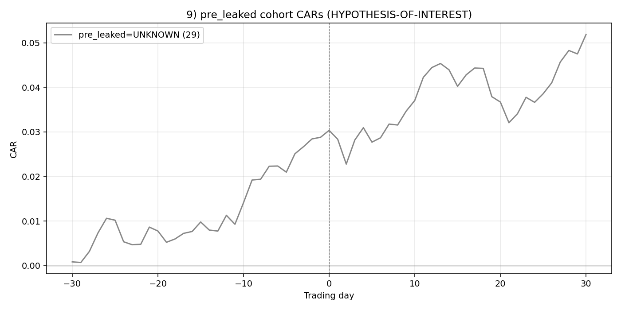
Brief 1 — Creative-Director Appointments

Total events | 29
Companies | 6
Confounded | 0
Confounder unknown | 0
Any test flagged (full) | YES
pre_leaked TRUE cohort n | 0
pre_leaked FALSE cohort n | 0
pre_leaked UNKNOWN cohort n | 29

Test 1 — Aggregate t-stat (full panel)
Window | n | mean_CAR | t_stat | p_value | flagged
CAR_pre10 | 29 | 0.0195 | 2.4058 | 0.023 | Y
CAR_0to1 | 29 | -0.0004 | -0.1649 | 0.8702
CAR_0to5 | 29 | -0.0011 | -0.2089 | 0.8361
CAR_0to10 | 29 | 0.0083 | 1.0291 | 0.3123

Test 2 — Per-parent median CAR_0to5
Ticker | n | median_CAR_0to5 | flagged
1913.HK | 1 | -0.0147
BRBY.L | 2 | 0.0269
KER.PA | 10 | -0.0059
MC.PA | 13 | -0.0062
PVH | 1 | -0.0557 | Y
TPR | 2 | 0.0193

Test 3 — Peak deflection of aggregate curve
Peak |deflection| | Threshold | Flagged
0.0522 | 0.015 | Y

