Overview
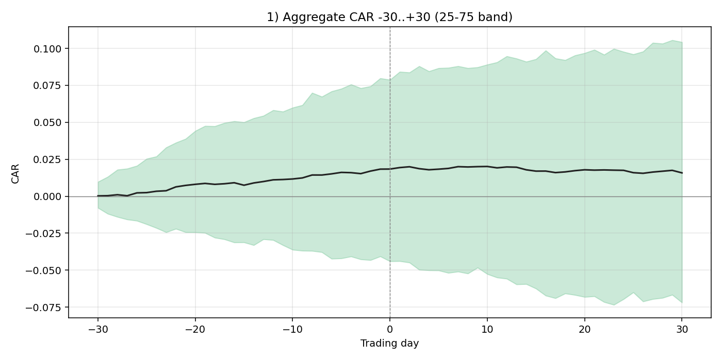
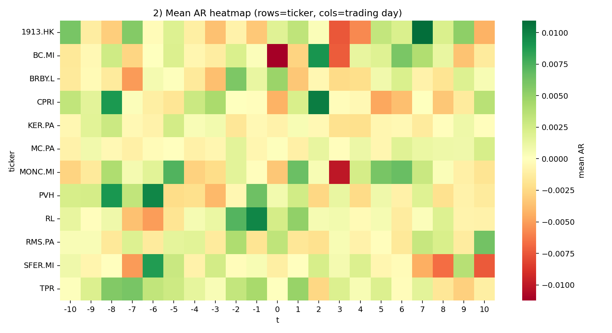
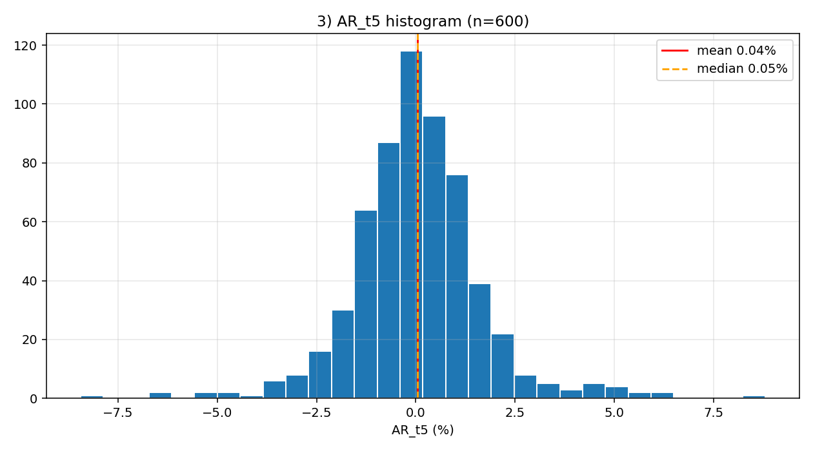
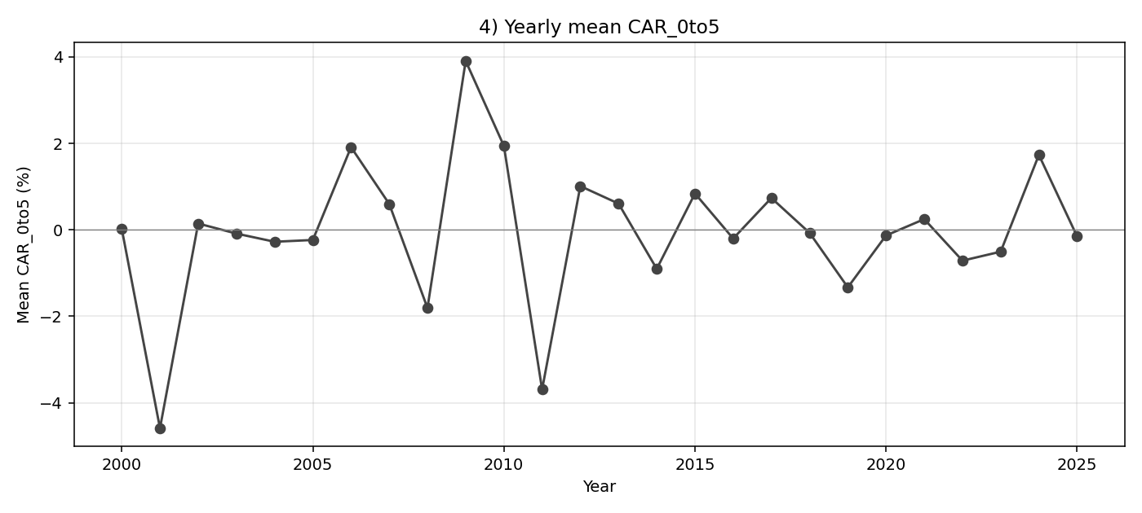
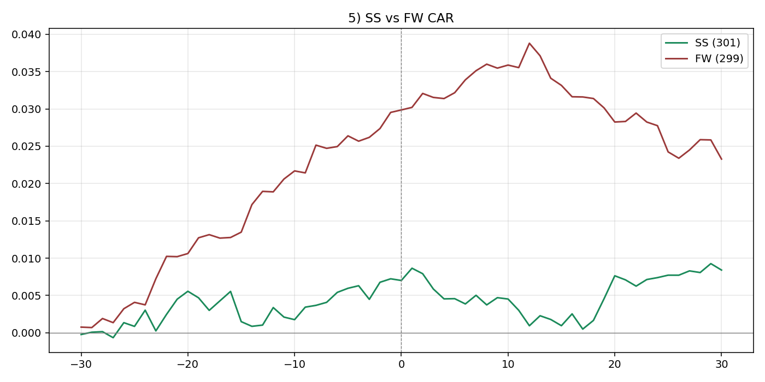
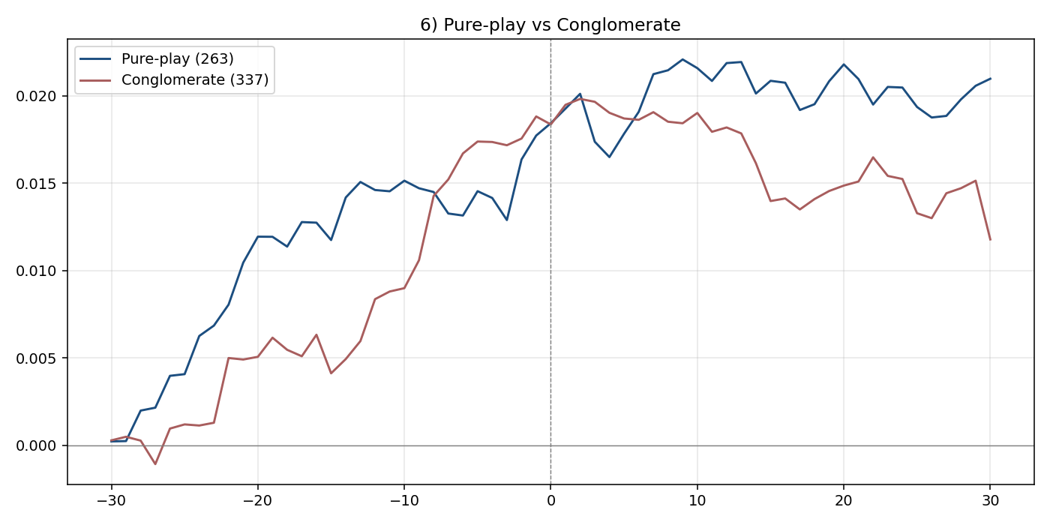
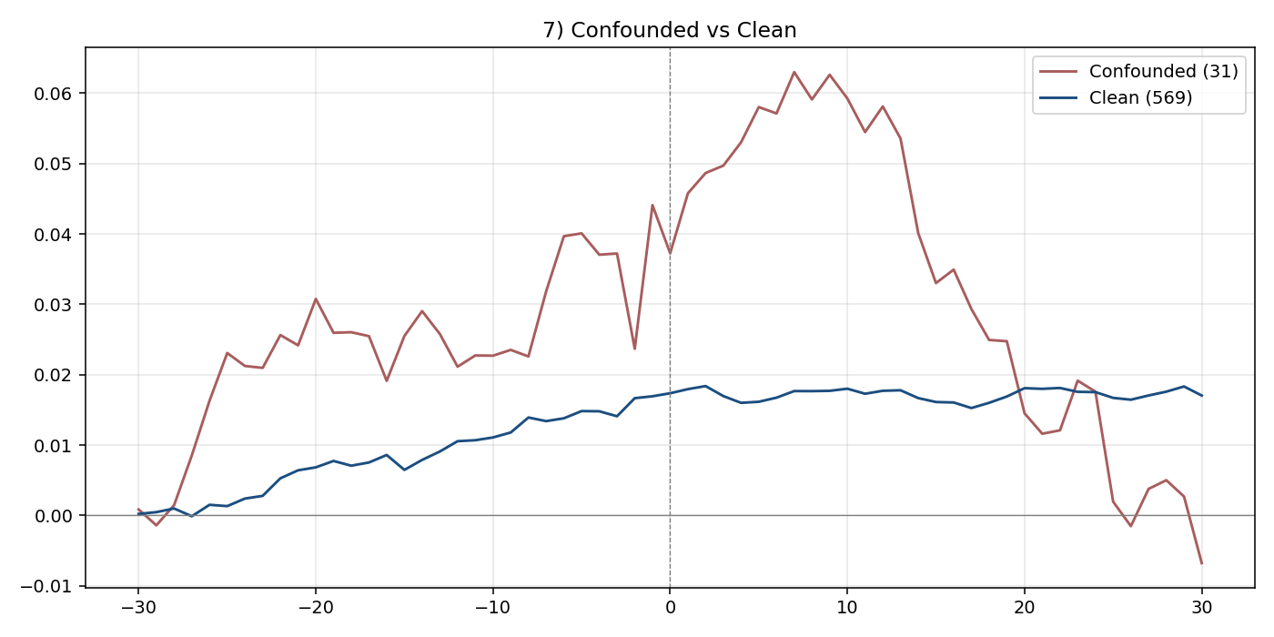
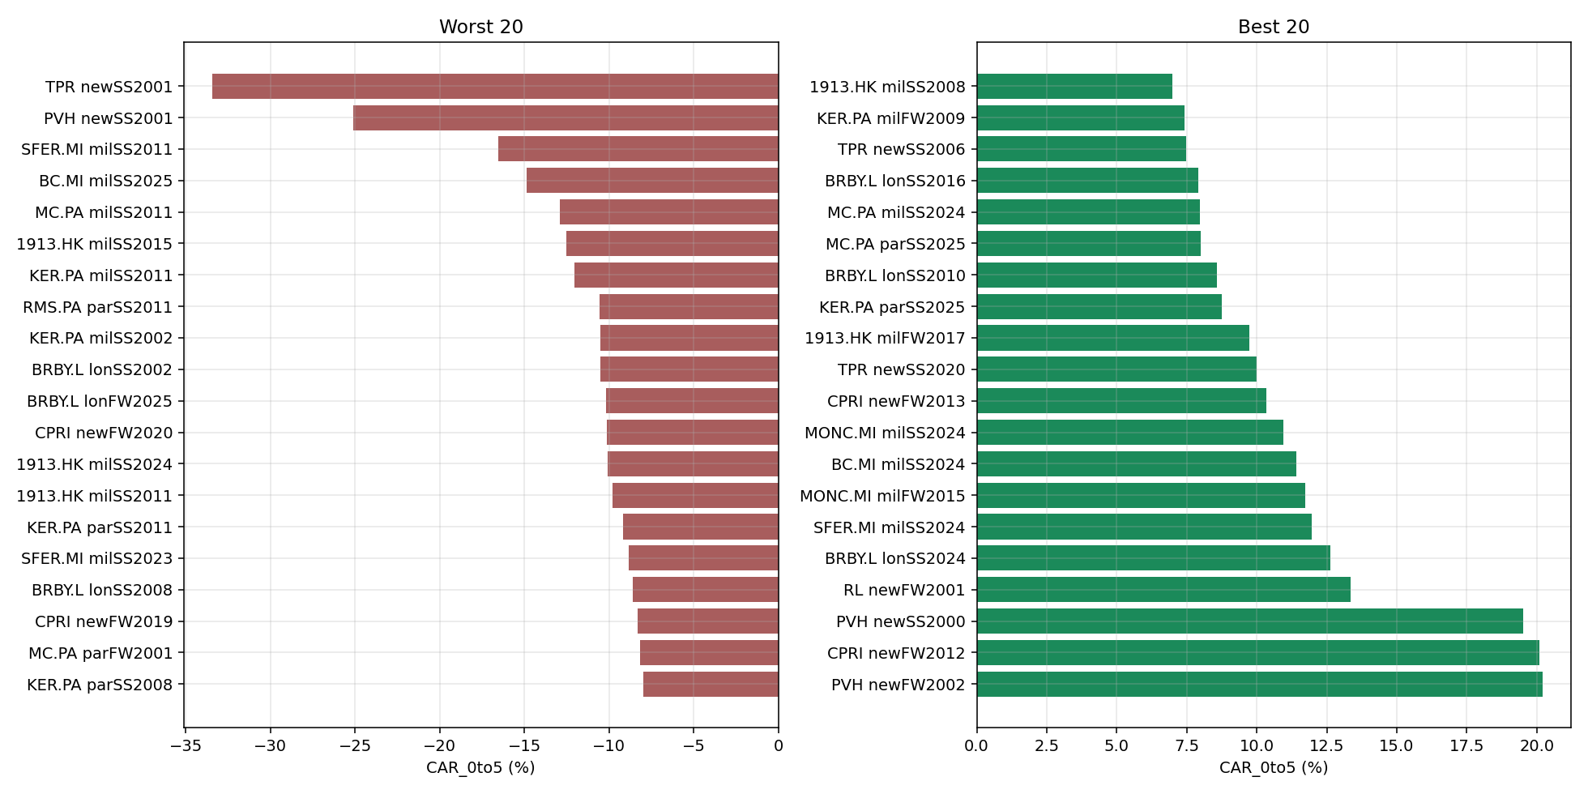
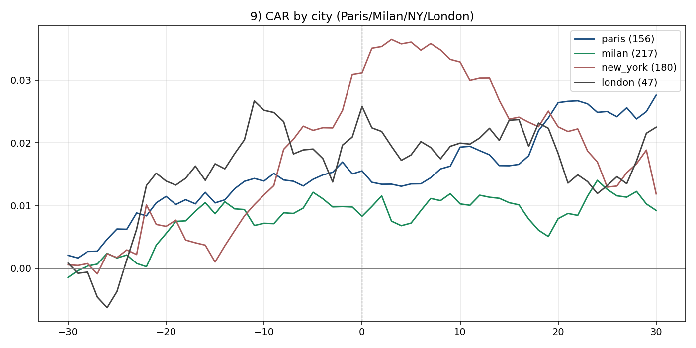
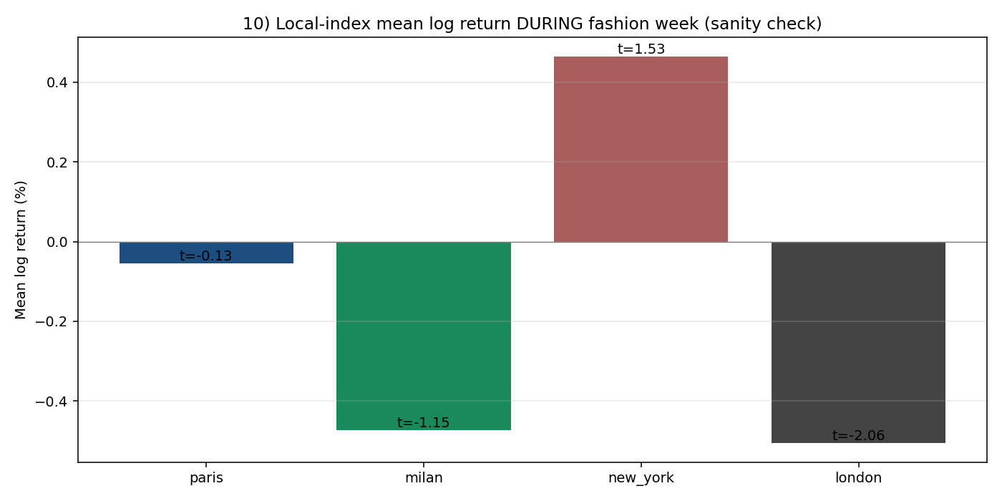
Brief 4 — Fashion-Week Aggregate Effect

Total panel events | 600
Total fashion weeks | 208
Companies | 12
Confounded | 31
Any test flagged (full) | YES

Test 1 — Aggregate t-stat (full panel)
Window | n | mean_CAR | t_stat | p_value | flagged
CAR_pre10 | 600 | 0.007 | 2.6379 | 0.0086 | Y
CAR_0to1 | 600 | 0.001 | 0.9595 | 0.3377
CAR_0to5 | 600 | 0 | -0.0113 | 0.991
CAR_0to10 | 600 | 0.0018 | 0.7363 | 0.4618

Test 2 — Per-parent median CAR_0to5
Ticker | n | median_CAR_0to5 | flagged
1913.HK | 36 | -0.0064
BC.MI | 26 | -0.0069
BRBY.L | 47 | 0.0013
CPRI | 28 | -0.0014
KER.PA | 104 | -0.0042
MC.PA | 104 | 0.0039
MONC.MI | 23 | -0.0088
PVH | 51 | 0.0043
RL | 51 | 0.0071
RMS.PA | 52 | 0.0015
SFER.MI | 28 | 0.005
TPR | 50 | 0.0056

Test 3 — Peak deflection
Peak |deflection| | Threshold | Flagged
0.0202 | 0.015 | Y

Index sanity check (does local index move during FW?)
City | Index | n_weeks | mean_log_return | t_stat_vs_0 | p_value | flagged
paris | ^FCHI | 52 | -0.0006 | -0.131 | 0.8965
milan | FTSEMIB.MI | 52 | -0.0047 | -1.148 | 0.2562
new_york | ^GSPC | 52 | 0.0046 | 1.527 | 0.133
london | ^FTSE | 52 | -0.005 | -2.064 | 0.0441 | Y

