Overview
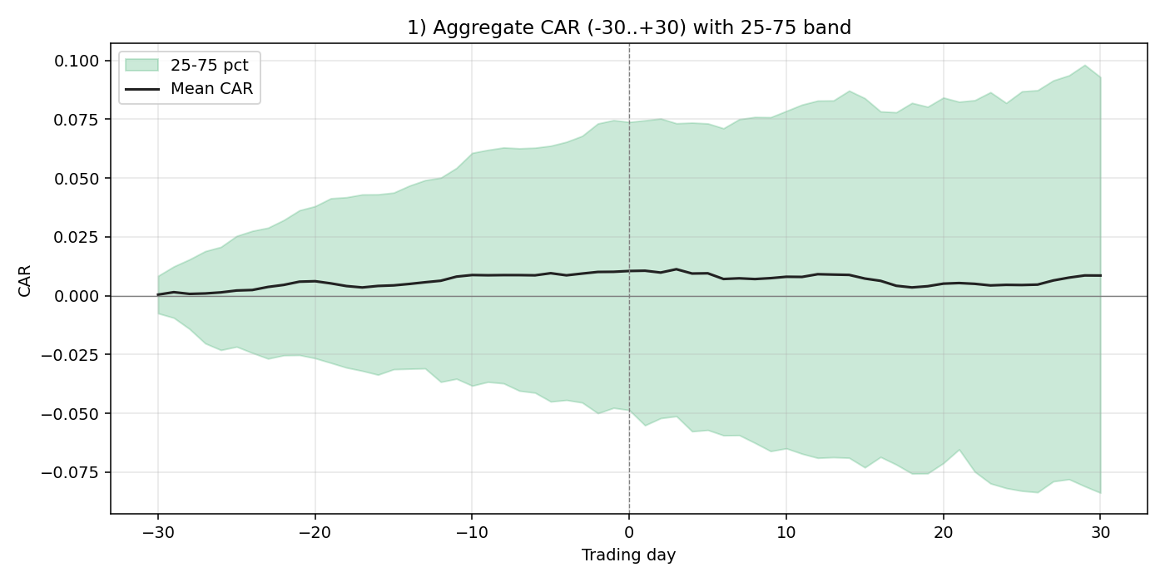
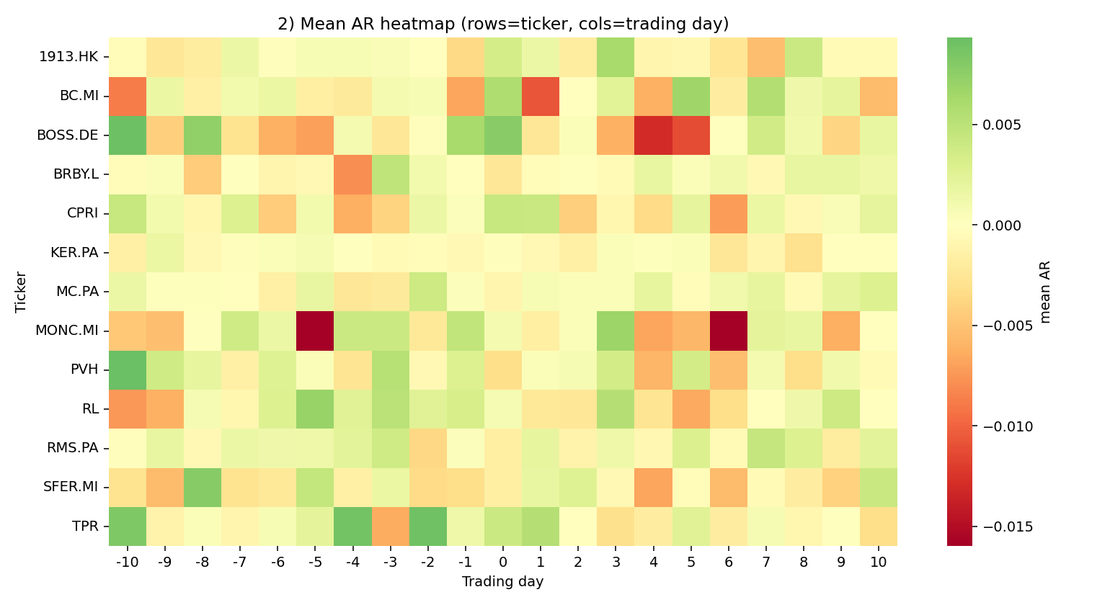
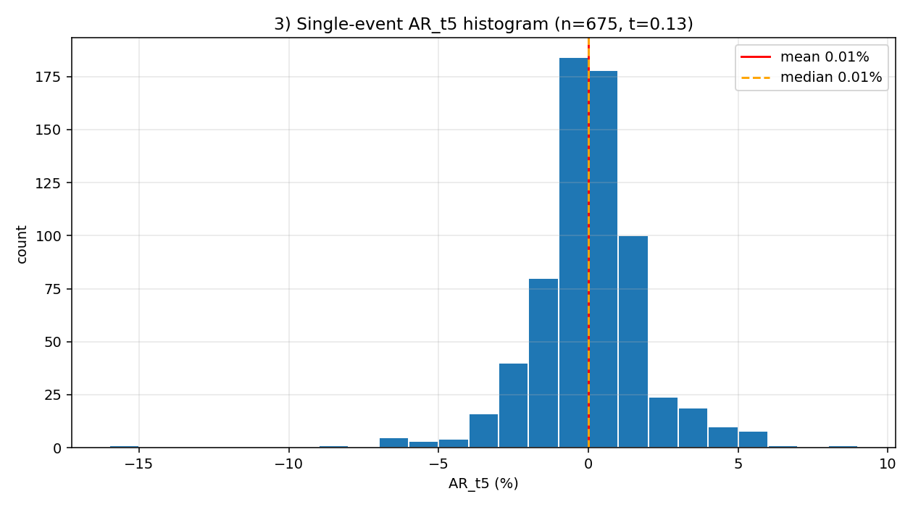
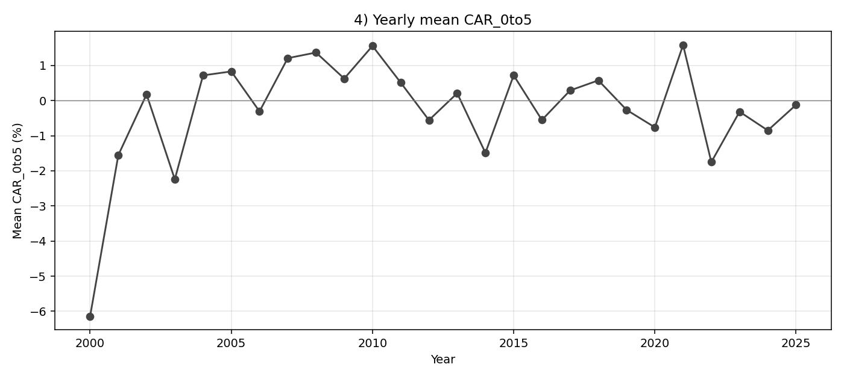
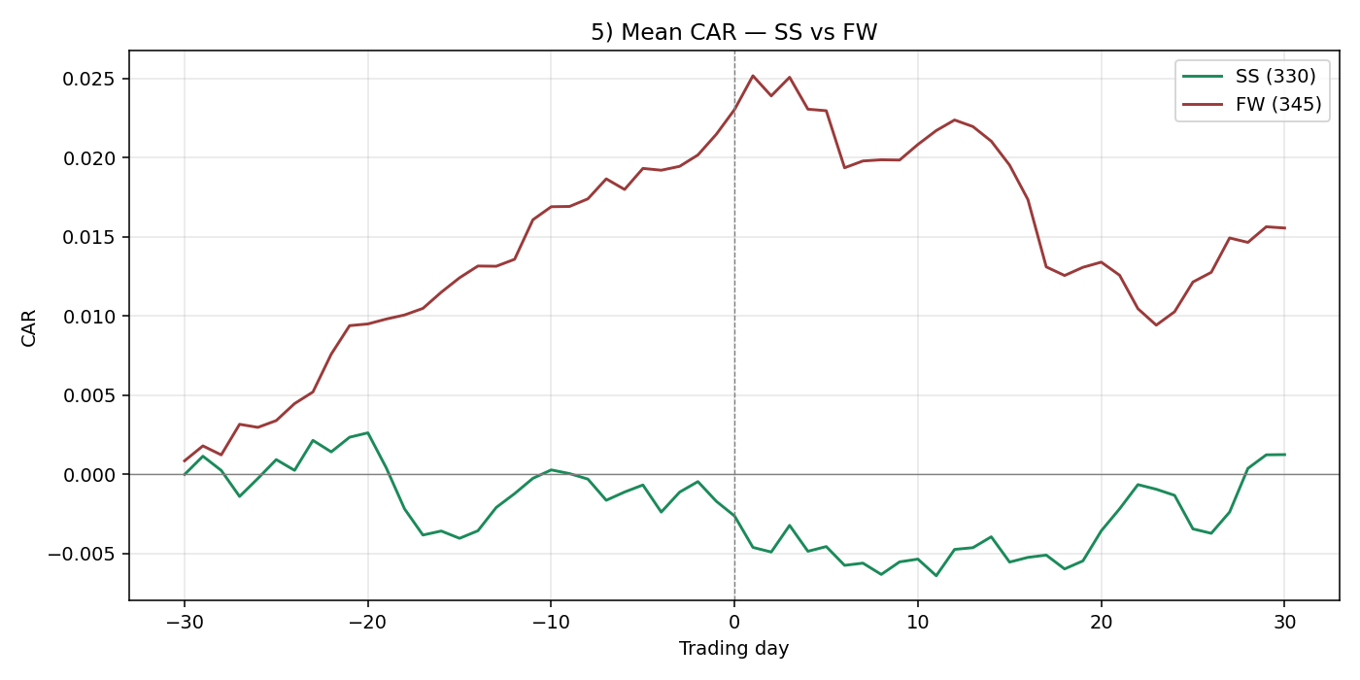
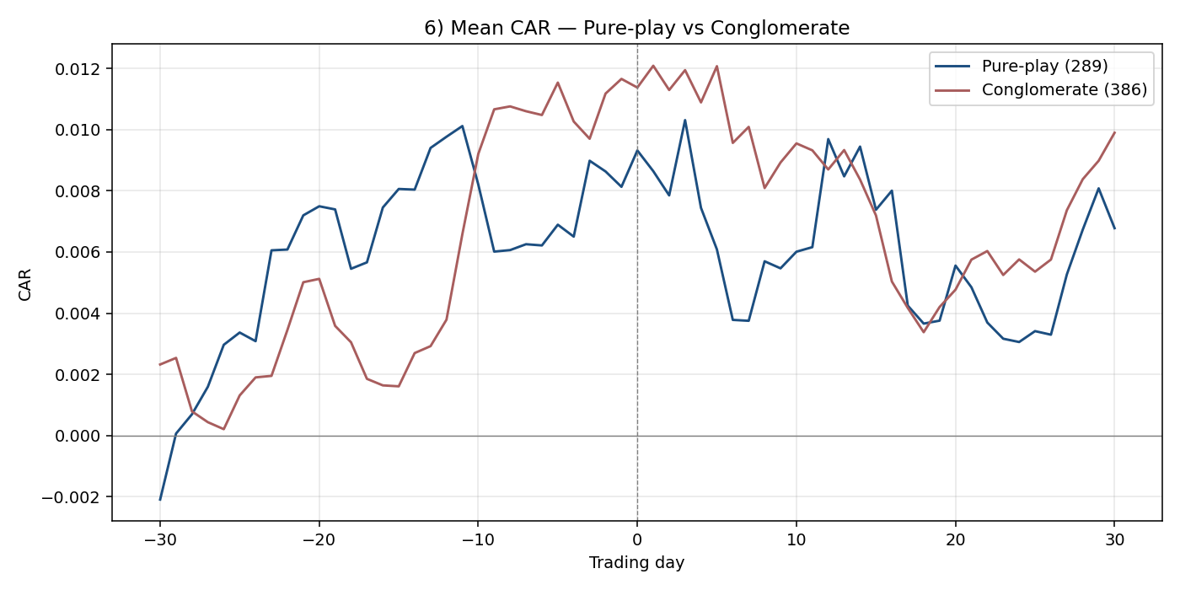
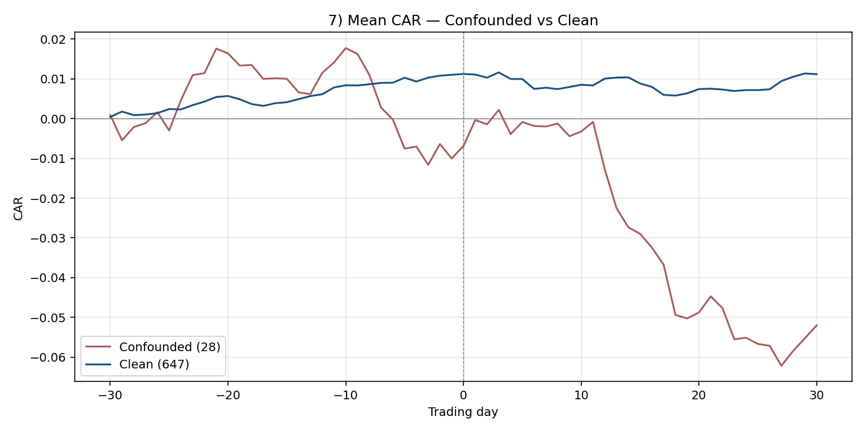
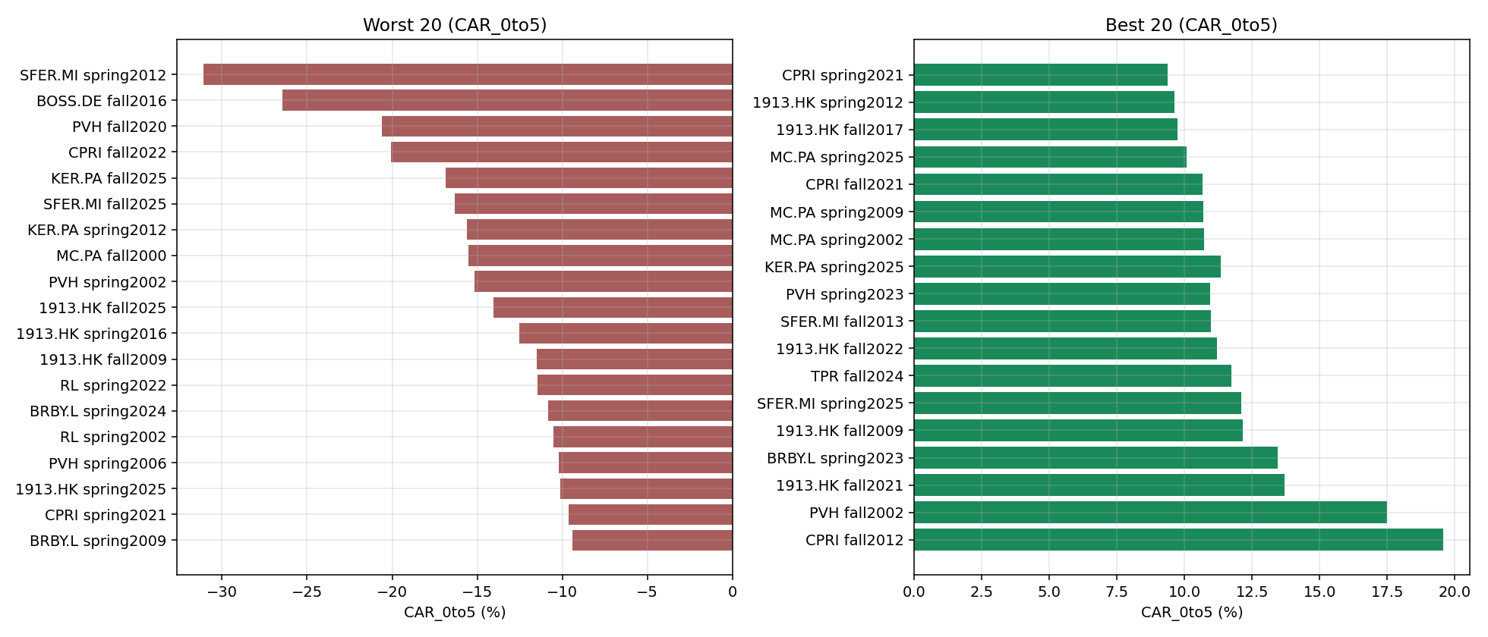
Fashion Show Event Study — Phase 1 Overview

Total events | 675
Companies | 13
Confounded events (earnings within 10d) | 28
Confounder unknown (no earnings data) | 0
Any test flagged | NO

Test 1 — Aggregate t-stat

Window | n | mean CAR | t-stat | p-value | flagged
CAR_pre10 | 675 | 0.002 | 0.851 | 0.3951
CAR_0to1 | 675 | 0.0005 | 0.449 | 0.6538
CAR_0to5 | 675 | -0.0006 | -0.343 | 0.7317
CAR_0to10 | 675 | -0.0021 | -0.869 | 0.385

Test 2 — Median brand-level effects (|median CAR_0to5| > 3%)
Ticker | Company | n | median CAR_0to5 | flagged
1913.HK | Prada | 70 | 0.0096
BC.MI | Brunello Cucinelli | 22 | -0.0078
BOSS.DE | Hugo Boss | 21 | -0.0098
BRBY.L | Burberry | 45 | 0.0014
CPRI | Capri Holdings | 40 | 0.0069
KER.PA | Kering | 145 | 0.0005
MC.PA | LVMH | 102 | 0.0038
MONC.MI | Moncler | 10 | 0.0041
PVH | PVH Corp | 76 | -0.0015
RL | Ralph Lauren | 49 | -0.0041
RMS.PA | Hermes | 44 | 0.0073
SFER.MI | Salvatore Ferragamo | 28 | 0.0072
TPR | Tapestry | 23 | 0.0097

Test 3 — Peak deflection of aggregate CAR curve
Peak |deflection| | 0.0112 | not flagged

KER.PA
Kering (KER.PA)
Benchmark: ^FCHI Type: Conglomerate
Listing/first price: 2000-01-03
Events: 145
median CAR_0to5: 0.0005 mean CAR_0to5: -0.0015 confounded: 0/145

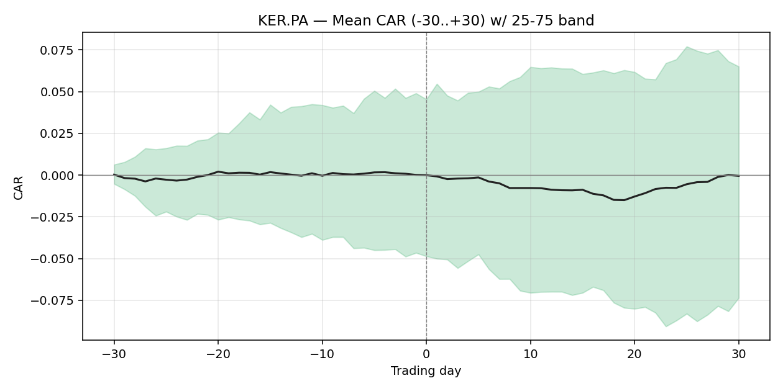

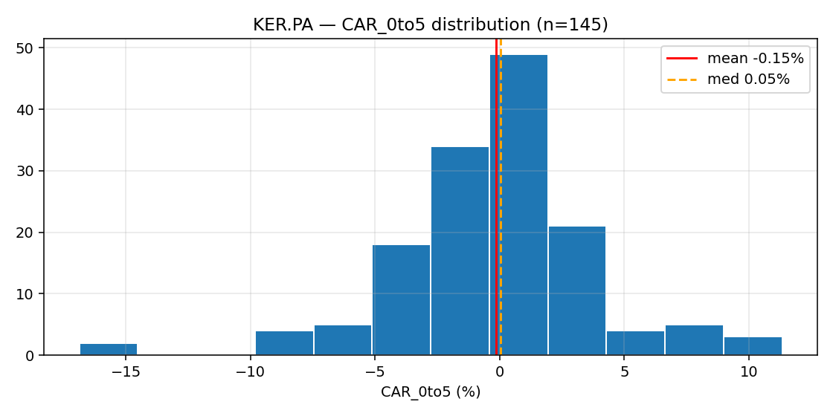

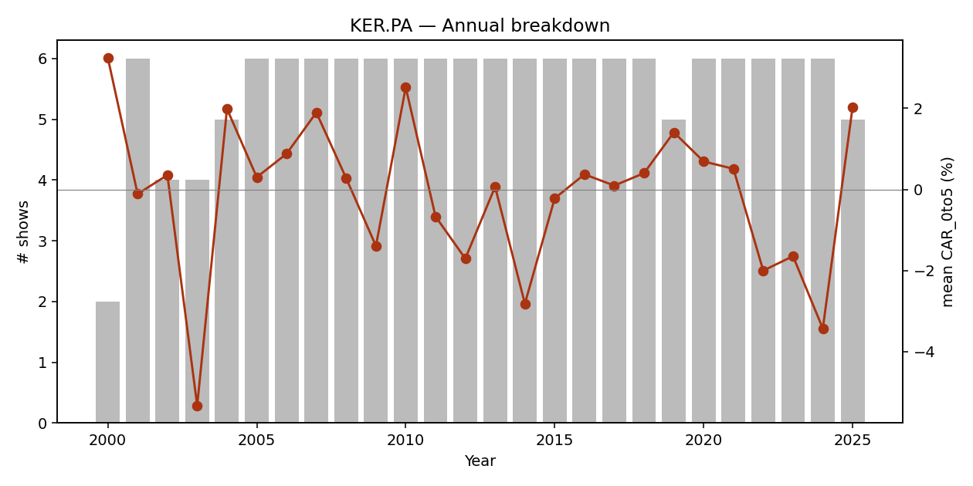

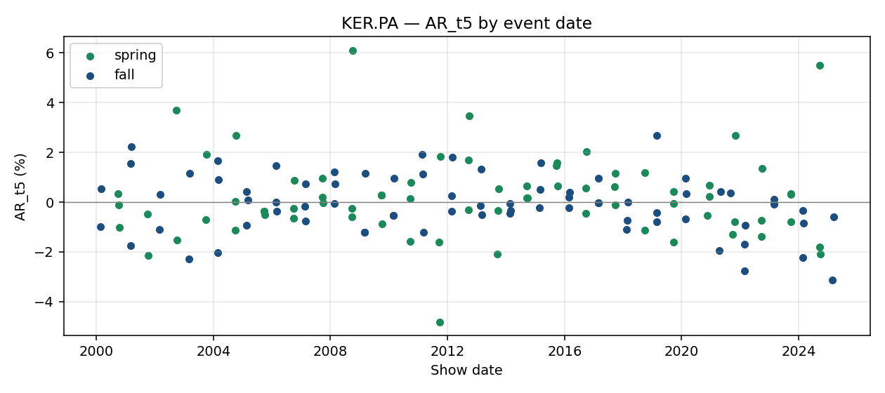

event_id | brand_slug | season | year | show_date | designer | trading_day_t0 | local_index_used | CAR_pre30 | CAR_pre10 | CAR_pre5 | CAR_0to1 | CAR_0to5 | CAR_0to10 | CAR_0to30 | AR_t1 | AR_t5 | AR_t10 | earnings_within_10d | confounder_unknown | confounded
E00105 | gucci | fall | 2000 | 2000-02-21 |  | 2000-02-21 | ^FCHI | -0.2232 | -0.0984 | 0.0389 | 0.0683 | 0.0735 | 0.0748 | 0.0232 | 0.0478 | -0.0098 | 0.0055 | FALSE | FALSE | FALSE
E00157 | saint-laurent | fall | 2000 | 2000-02-27 |  | 2000-02-28 | ^FCHI | -0.1801 | 0.1222 | 0.0832 | -0.0189 | -0.0085 | -0.0664 | -0.0826 | -0.0091 | 0.0055 | 0.0241 | FALSE | FALSE | FALSE
E00106 | gucci | spring | 2001 | 2000-10-02 |  | 2000-10-02 | ^FCHI | -0.0008 | 0.0298 | -0.0406 | -0.0358 | -0.0341 | 0.0097 | 0.0477 | -0.0202 | 0.0035 | 0.0027 | FALSE | FALSE | FALSE
E00210 | bottega-veneta | spring | 2001 | 2000-10-05 |  | 2000-10-05 | ^FCHI | -0.0374 | -0.0445 | -0.0289 | -0.0002 | 0.0585 | 0.0531 | 0.0682 | 0.0013 | -0.0012 | -0.0102 | FALSE | FALSE | FALSE
E00158 | saint-laurent | spring | 2001 | 2000-10-12 |  | 2000-10-12 | ^FCHI | 0.0248 | 0.0308 | 0.0597 | -0.0154 | -0.0066 | 0.0068 | 0.0322 | -0.0143 | -0.0102 | 0.0111 | FALSE | FALSE | FALSE
E00107 | gucci | fall | 2001 | 2001-03-01 |  | 2001-03-01 | ^FCHI | 0.0481 | 0.0149 | 0.0165 | -0.0494 | -0.0461 | -0.0754 | -0.0972 | -0.019 | -0.0174 | -0.0575 | FALSE | FALSE | FALSE
E00211 | bottega-veneta | fall | 2001 | 2001-03-04 | Laura Moltedo officially appointed Britis | 2001-03-05 | ^FCHI | -0.0234 | -0.0296 | -0.0587 | -0.0039 | 0.0079 | -0.0007 | -0.0478 | 0.0023 | 0.0156 | 0.0291 | FALSE | FALSE | FALSE
E00159 | saint-laurent | fall | 2001 | 2001-03-13 |  | 2001-03-13 | ^FCHI | 0.0334 | -0.0637 | 0.0141 | 0.0235 | 0.0137 | -0.0149 | -0.1016 | 0.0139 | 0.0224 | -0.0303 | FALSE | FALSE | FALSE
E00108 | gucci | spring | 2002 | 2001-09-28 |  | 2001-09-28 | ^FCHI | -0.0845 | -0.0316 | 0.1052 | -0.0281 | -0.0231 | -0.0103 | -0.0057 | -0.0152 | -0.0048 | -0.0199 | FALSE | FALSE | FALSE
E00160 | saint-laurent | spring | 2002 | 2001-10-09 |  | 2001-10-09 | ^FCHI | -0.0863 | 0.0421 | 0.0179 | 0.0576 | -0.0178 | -0.0026 | 0.0879 | 0.0294 | -0.0214 | 0.0062 | FALSE | FALSE | FALSE
E00109 | gucci | fall | 2002 | 2002-03-01 |  | 2002-03-01 | ^FCHI | -0.055 | -0.0166 | -0.0201 | 0.033 | 0.0437 | 0.0518 | 0.0628 | 0.0001 | -0.0111 | 0.0172 | FALSE | FALSE | FALSE
E00161 | saint-laurent | fall | 2002 | 2002-03-10 |  | 2002-03-11 | ^FCHI | 0.0345 | 0.0307 | 0.0108 | -0.0061 | 0.0113 | 0.0367 | -0.0089 | 0.0063 | 0.0033 | 0.0307 | FALSE | FALSE | FALSE
E00110 | gucci | spring | 2003 | 2002-09-27 |  | 2002-09-27 | ^FCHI | -0.0036 | -0.1027 | -0.0578 | 0.0065 | -0.0292 | -0.0979 | 0.082 | 0.0065 | 0.0371 | 0.0117 | FALSE | FALSE | FALSE
E00162 | saint-laurent | spring | 2003 | 2002-10-06 |  | 2002-10-07 | ^FCHI | -0.1279 | -0.0995 | -0.0292 | -0.0506 | -0.0838 | 0.0662 | 0.1574 | -0.0468 | -0.0151 | 0.0834 | FALSE | FALSE | FALSE
E00111 | gucci | fall | 2003 | 2003-02-28 |  | 2003-02-28 | ^FCHI | -0.0691 | -0.0851 | -0.0486 | -0.0013 | -0.0558 | -0.1121 | -0.1262 | -0.0285 | -0.0229 | -0.0059 | FALSE | FALSE | FALSE
E00163 | saint-laurent | fall | 2003 | 2003-03-09 |  | 2003-03-10 | ^FCHI | -0.1032 | -0.1074 | -0.083 | -0.0416 | -0.0446 | -0.081 | 0.0106 | -0.0396 | 0.0117 | -0.0214 | FALSE | FALSE | FALSE
E00112 | gucci | spring | 2004 | 2003-10-01 |  | 2003-10-01 | ^FCHI | 0.0142 | -0.0259 | -0.0149 | -0.0028 | -0.0049 | 0.0305 | 0.0991 | 0.0113 | -0.007 | 0.0091 | FALSE | FALSE | FALSE
E00164 | saint-laurent | spring | 2004 | 2003-10-11 |  | 2003-10-13 | ^FCHI | -0.0335 | 0.0069 | 0.0218 | 0.0054 | 0.0758 | 0.1154 | 0.0565 | -0.0038 | 0.0192 | 0.0207 | FALSE | FALSE | FALSE
E00212 | bottega-veneta | fall | 2004 | 2004-02-23 |  | 2004-02-23 | ^FCHI | 0.0179 | 0.0205 | 0.0025 | 0.027 | 0.0147 | 0.0205 | 0.0113 | 0.0259 | -0.0202 | -0.0088 | FALSE | FALSE | FALSE
E00113 | gucci | fall | 2004 | 2004-02-24 |  | 2004-02-24 | ^FCHI | 0.0169 | 0.028 | 0.0128 | 0.0277 | 0.0303 | 0.0184 | 0.0137 | 0.0018 | 0.0168 | -0.0009 | FALSE | FALSE | FALSE
E00165 | saint-laurent | fall | 2004 | 2004-03-06 |  | 2004-03-08 | ^FCHI | 0.0402 | 0.0293 | -0.0055 | -0.0098 | -0.0165 | -0.0049 | -0.0315 | -0.0009 | 0.0091 | -0.0071 | FALSE | FALSE | FALSE
E00213 | bottega-veneta | spring | 2005 | 2004-09-27 |  | 2004-09-27 | ^FCHI | -0.0452 | 0.0579 | 0.0356 | 0.0057 | -0.0022 | -0.0126 | -0.0075 | -0.0036 | 0.0002 | -0.0054 | FALSE | FALSE | FALSE
E00114 | gucci | spring | 2005 | 2004-09-29 |  | 2004-09-29 | ^FCHI | -0.0581 | 0.0413 | 0.0165 | 0.0114 | -0.0113 | -0.0127 | -0.0154 | 0.0014 | -0.0111 | 0.0022 | FALSE | FALSE | FALSE
E00166 | saint-laurent | spring | 2005 | 2004-10-09 |  | 2004-10-11 | ^FCHI | -0.0421 | -0.0072 | -0.0048 | -0.002 | 0.0285 | 0.0035 | 0.0287 | 0.0034 | 0.0267 | 0.0014 | FALSE | FALSE | FALSE
E00214 | bottega-veneta | fall | 2005 | 2005-02-20 |  | 2005-02-21 | ^FCHI | 0.0778 | 0.0427 | 0.0435 | 0.006 | 0.0088 | -0.004 | -0.0275 | 0.0165 | 0.0042 | -0.0064 | FALSE | FALSE | FALSE
E00115 | gucci | fall | 2005 | 2005-02-22 |  | 2005-02-22 | ^FCHI | 0.0693 | 0.0187 | 0.012 | 0.0132 | 0.01 | 0.0114 | -0.0234 | -0.0033 | -0.0093 | 0.0049 | FALSE | FALSE | FALSE
E00167 | saint-laurent | fall | 2005 | 2005-03-05 |  | 2005-03-07 | ^FCHI | -0.0085 | 0.0024 | -0.0022 | -0.0014 | -0.0156 | -0.0166 | -0.0404 | 0.0049 | 0.0008 | 0.0032 | FALSE | FALSE | FALSE
E00215 | bottega-veneta | spring | 2006 | 2005-09-27 |  | 2005-09-27 | ^FCHI | 0.0064 | -0.0416 | -0.0123 | -0.0031 | -0.0038 | -0.0008 | 0.0552 | -0.0035 | -0.0037 | 0.0081 | FALSE | FALSE | FALSE
E00116 | gucci | spring | 2006 | 2005-09-27 |  | 2005-09-27 | ^FCHI | 0.0064 | -0.0416 | -0.0123 | -0.0031 | -0.0038 | -0.0008 | 0.0552 | -0.0035 | -0.0037 | 0.0081 | FALSE | FALSE | FALSE
E00168 | saint-laurent | spring | 2006 | 2005-10-08 |  | 2005-10-10 | ^FCHI | -0.0588 | -0.0202 | -0.0093 | 0.0088 | 0.0158 | 0.0144 | 0.0836 | 0.0081 | -0.0051 | 0.0035 | FALSE | FALSE | FALSE
E00216 | bottega-veneta | fall | 2006 | 2006-02-20 |  | 2006-02-20 | ^FCHI | -0.0264 | -0.0237 | -0.0233 | 0.0006 | 0.0277 | 0.0282 | 0.0116 | -0.0051 | 0.0146 | -0.0069 | FALSE | FALSE | FALSE
E00117 | gucci | fall | 2006 | 2006-02-21 |  | 2006-02-21 | ^FCHI | -0.0669 | -0.0181 | -0.0088 | -0.0081 | 0.0221 | 0.0206 | 0.0094 | -0.003 | 0 | -0.002 | FALSE | FALSE | FALSE
E00169 | saint-laurent | fall | 2006 | 2006-03-01 |  | 2006-03-01 | ^FCHI | -0.0233 | 0.0173 | 0.0271 | -0.0012 | -0.0052 | -0.0017 | -0.0277 | 0.0091 | -0.0038 | 0.0173 | FALSE | FALSE | FALSE
E00217 | bottega-veneta | spring | 2007 | 2006-09-25 |  | 2006-09-25 | ^FCHI | 0.0574 | -0.0061 | -0.013 | 0.0225 | 0.0336 | 0.0411 | 0.0183 | 0.0143 | -0.0064 | -0.0081 | FALSE | FALSE | FALSE
E00118 | gucci | spring | 2007 | 2006-09-26 |  | 2006-09-26 | ^FCHI | 0.065 | -0.0028 | 0.0001 | 0.034 | 0.023 | 0.0274 | 0.0078 | 0.0197 | -0.0025 | -0.0056 | FALSE | FALSE | FALSE
E00170 | saint-laurent | spring | 2007 | 2006-10-04 |  | 2006-10-04 | ^FCHI | 0.0846 | 0.0216 | 0.0087 | 0.0194 | 0.013 | -0.0147 | -0.0102 | 0.0109 | 0.0087 | 0.0125 | FALSE | FALSE | FALSE
E00218 | bottega-veneta | fall | 2007 | 2007-02-19 |  | 2007-02-19 | ^FCHI | -0.021 | -0.0072 | 0.0173 | 0.0174 | 0.0256 | 0.0293 | 0.0559 | 0.0012 | -0.0017 | 0.0119 | FALSE | FALSE | FALSE
E00119 | gucci | fall | 2007 | 2007-02-20 |  | 2007-02-20 | ^FCHI | -0.0045 | 0.0201 | 0.0428 | 0.0006 | 0.0019 | 0.0113 | 0.066 | -0.0006 | -0.0075 | -0.0017 | FALSE | FALSE | FALSE
E00171 | saint-laurent | fall | 2007 | 2007-02-28 |  | 2007-02-28 | ^FCHI | 0.0335 | 0.039 | 0.0006 | 0.0018 | 0.0168 | 0.0529 | 0.0816 | 0.0005 | 0.0074 | 0.0144 | FALSE | FALSE | FALSE
E00219 | bottega-veneta | spring | 2008 | 2007-09-24 |  | 2007-09-24 | ^FCHI | 0.049 | -0.0098 | -0.018 | -0.0015 | 0.0109 | 0.025 | 0.0038 | 0.0015 | 0.0095 | 0.004 | FALSE | FALSE | FALSE
E00120 | gucci | spring | 2008 | 2007-09-25 |  | 2007-09-25 | ^FCHI | 0.0564 | -0.0159 | -0.017 | 0.0015 | 0.0159 | 0.0185 | -0.0107 | 0.0001 | 0.0021 | -0.0094 | FALSE | FALSE | FALSE
E00172 | saint-laurent | spring | 2008 | 2007-10-03 |  | 2007-10-03 | ^FCHI | 0.0893 | 0.0157 | 0.0144 | -0.0041 | 0.0024 | 0.0055 | -0.0471 | 0.0003 | -0.0002 | -0.001 | FALSE | FALSE | FALSE
E00220 | bottega-veneta | fall | 2008 | 2008-02-18 |  | 2008-02-18 | ^FCHI | 0.04 | -0.0232 | -0.0087 | 0.0095 | -0.0083 | -0.0058 | 0.0041 | 0.0117 | -0.0005 | 0.0036 | FALSE | FALSE | FALSE
E00121 | gucci | fall | 2008 | 2008-02-19 |  | 2008-02-19 | ^FCHI | 0.0612 | -0.0252 | 0.0007 | -0.0026 | 0.0061 | -0.0116 | -0.0274 | -0.0143 | 0.0121 | -0.0081 | FALSE | FALSE | FALSE
E00173 | saint-laurent | fall | 2008 | 2008-02-27 |  | 2008-02-27 | ^FCHI | 0.1286 | 0.0006 | -0.0057 | 0.0017 | -0.0102 | -0.0303 | -0.0928 | -0.0064 | 0.0075 | 0.0107 | FALSE | FALSE | FALSE
E00221 | bottega-veneta | spring | 2009 | 2008-09-22 |  | 2008-09-22 | ^FCHI | -0.0064 | -0.0062 | 0.0079 | -0.0376 | -0.0829 | -0.172 | -0.2323 | -0.0276 | -0.006 | -0.0425 | FALSE | FALSE | FALSE
E00122 | gucci | spring | 2009 | 2008-09-23 |  | 2008-09-23 | ^FCHI | -0.0363 | -0.0263 | -0.0189 | -0.0319 | -0.0754 | -0.2163 | -0.1893 | -0.0042 | -0.0025 | -0.0542 | FALSE | FALSE | FALSE
E00174 | saint-laurent | spring | 2009 | 2008-10-01 |  | 2008-10-01 | ^FCHI | -0.106 | -0.1052 | -0.0478 | -0.0116 | -0.0798 | -0.1515 | -0.2357 | -0.0117 | 0.0611 | -0.03 | FALSE | FALSE | FALSE
E00123 | gucci | fall | 2009 | 2009-02-27 |  | 2009-02-27 | ^FCHI | 0.2174 | 0.1755 | 0.1084 | 0.0588 | 0.0811 | 0.0617 | 0.1198 | 0.0255 | -0.0122 | -0.023 | FALSE | FALSE | FALSE
E00222 | bottega-veneta | fall | 2009 | 2009-02-27 |  | 2009-02-27 | ^FCHI | 0.2174 | 0.1755 | 0.1084 | 0.0588 | 0.0811 | 0.0617 | 0.1198 | 0.0255 | -0.0122 | -0.023 | FALSE | FALSE | FALSE
E00175 | saint-laurent | fall | 2009 | 2009-03-08 |  | 2009-03-09 | ^FCHI | 0.3395 | 0.1645 | 0.0478 | 0.0232 | -0.0078 | -0.0446 | 0.0355 | 0.029 | 0.0117 | -0.0566 | FALSE | FALSE | FALSE
E00223 | bottega-veneta | spring | 2010 | 2009-09-25 |  | 2009-09-25 | ^FCHI | 0.0017 | -0.0316 | -0.0112 | -0.0036 | 0.0398 | 0.0133 | -0.0578 | -0.0109 | 0.0029 | -0.0149 | FALSE | FALSE | FALSE
E00124 | gucci | spring | 2010 | 2009-09-25 |  | 2009-09-25 | ^FCHI | 0.0017 | -0.0316 | -0.0112 | -0.0036 | 0.0398 | 0.0133 | -0.0578 | -0.0109 | 0.0029 | -0.0149 | FALSE | FALSE | FALSE
E00176 | saint-laurent | spring | 2010 | 2009-10-04 |  | 2009-10-05 | ^FCHI | 0.045 | 0.0281 | 0.0324 | 0.0267 | -0.0352 | -0.0655 | -0.0723 | 0.0098 | -0.0087 | -0.0164 | FALSE | FALSE | FALSE
E00224 | bottega-veneta | fall | 2010 | 2010-02-26 |  | 2010-02-26 | ^FCHI | 0.002 | -0.0432 | -0.0189 | 0.0188 | 0.0227 | 0.0746 | 0.1521 | 0.0043 | -0.0054 | 0.0178 | FALSE | FALSE | FALSE
E00125 | gucci | fall | 2010 | 2010-02-26 |  | 2010-02-26 | ^FCHI | 0.002 | -0.0432 | -0.0189 | 0.0188 | 0.0227 | 0.0746 | 0.1521 | 0.0043 | -0.0054 | 0.0178 | FALSE | FALSE | FALSE
E00177 | saint-laurent | fall | 2010 | 2010-03-07 |  | 2010-03-08 | ^FCHI | -0.0026 | 0.0114 | 0.0082 | 0.0006 | 0.0614 | 0.054 | 0.1618 | -0.0048 | 0.0095 | -0.0117 | FALSE | FALSE | FALSE
E00126 | gucci | spring | 2011 | 2010-09-21 |  | 2010-09-21 | ^FCHI | 0.0946 | 0.0443 | 0.0234 | 0.0008 | 0.0157 | 0.0029 | -0.0199 | -0.0065 | 0.0014 | -0.0184 | FALSE | FALSE | FALSE
E00225 | bottega-veneta | spring | 2011 | 2010-09-24 |  | 2010-09-24 | ^FCHI | 0.0981 | 0.0556 | 0.013 | 0.0117 | 0.0119 | -0.0333 | -0.0416 | 0.0086 | -0.0159 | -0.0099 | FALSE | FALSE | FALSE
E00178 | saint-laurent | spring | 2011 | 2010-10-03 |  | 2010-10-04 | ^FCHI | 0.0864 | 0.0107 | 0.0088 | -0.0116 | -0.0374 | -0.04 | -0.0434 | -0.0184 | 0.0078 | -0.0299 | FALSE | FALSE | FALSE
E00127 | gucci | fall | 2011 | 2011-02-22 |  | 2011-02-22 | ^FCHI | -0.0831 | -0.0086 | -0.027 | 0 | -0.0201 | -0.0215 | -0.0166 | -0.0112 | 0.0192 | -0.0168 | FALSE | FALSE | FALSE
E00226 | bottega-veneta | fall | 2011 | 2011-02-25 |  | 2011-02-25 | ^FCHI | -0.0841 | -0.0467 | -0.0123 | -0.0293 | -0.0058 | 0.0021 | 0.0125 | -0.0193 | 0.0114 | 0.0089 | FALSE | FALSE | FALSE
E00179 | saint-laurent | fall | 2011 | 2011-03-06 |  | 2011-03-07 | ^FCHI | -0.0385 | -0.0148 | 0.0043 | -0.0058 | -0.0043 | -0.0331 | 0.0634 | -0.0168 | -0.0122 | -0.0054 | FALSE | FALSE | FALSE
E00128 | gucci | spring | 2012 | 2011-09-20 |  | 2011-09-20 | ^FCHI | 0.0826 | 0.0522 | 0.0384 | 0.0273 | -0.0384 | -0.1383 | -0.0698 | 0.0132 | -0.0162 | -0.0012 | FALSE | FALSE | FALSE
E00227 | bottega-veneta | spring | 2012 | 2011-09-23 |  | 2011-09-23 | ^FCHI | 0.0799 | 0.0727 | 0.0433 | -0.0375 | -0.1563 | -0.1676 | -0.095 | -0.0226 | -0.0482 | 0.0009 | FALSE | FALSE | FALSE
E00180 | saint-laurent | spring | 2012 | 2011-10-02 |  | 2011-10-03 | ^FCHI | -0.0632 | -0.1347 | -0.1414 | 0.0027 | 0.0069 | 0.0306 | 0.0987 | -0.0012 | 0.0183 | 0.0247 | FALSE | FALSE | FALSE
E00129 | gucci | fall | 2012 | 2012-02-21 |  | 2012-02-21 | ^FCHI | -0.0371 | -0.0517 | -0.0394 | 0.002 | 0.0402 | 0.0443 | 0.0812 | -0.0014 | 0.0027 | 0.0087 | FALSE | FALSE | FALSE
E00228 | bottega-veneta | fall | 2012 | 2012-02-24 |  | 2012-02-24 | ^FCHI | -0.0026 | -0.0014 | 0.0205 | 0.0117 | 0.011 | 0.0273 | 0.0686 | -0.006 | -0.0035 | -0.0022 | FALSE | FALSE | FALSE
E00181 | saint-laurent | fall | 2012 | 2012-03-04 |  | 2012-03-05 | ^FCHI | 0.0134 | 0.0446 | -0.0067 | 0.0075 | 0.0343 | 0.0222 | 0.0315 | 0.0087 | 0.018 | -0.0097 | FALSE | FALSE | FALSE
E00130 | gucci | spring | 2013 | 2012-09-18 |  | 2012-09-18 | ^FCHI | -0.0638 | -0.0458 | -0.0489 | 0.0066 | 0.0015 | 0.0134 | 0.1196 | -0.0014 | -0.0031 | 0.0077 | FALSE | FALSE | FALSE
E00229 | bottega-veneta | spring | 2013 | 2012-09-21 |  | 2012-09-21 | ^FCHI | -0.0479 | -0.0295 | 0.0006 | -0.0094 | 0.0102 | -0.0007 | 0.113 | -0.0107 | 0.017 | -0.0118 | FALSE | FALSE | FALSE
E00182 | saint-laurent | spring | 2013 | 2012-09-30 |  | 2012-10-01 | ^FCHI | -0.0364 | 0.0212 | 0.0089 | -0.0109 | 0.0237 | 0.081 | 0.1229 | 0.0077 | 0.0346 | 0.0007 | FALSE | FALSE | FALSE
E00131 | gucci | fall | 2013 | 2013-02-19 |  | 2013-02-19 | ^FCHI | 0.2056 | 0.0688 | 0.0907 | -0.0018 | -0.0223 | -0.0096 | -0.0177 | 0.0121 | -0.0013 | -0.0021 | FALSE | FALSE | FALSE
E00230 | bottega-veneta | fall | 2013 | 2013-02-22 |  | 2013-02-22 | ^FCHI | 0.1667 | 0.0661 | 0.0641 | -0.006 | 0.0065 | -0.0042 | -0.0342 | -0.0029 | 0.0132 | -0.0071 | FALSE | FALSE | FALSE
E00183 | saint-laurent | fall | 2013 | 2013-03-03 |  | 2013-03-04 | ^FCHI | 0.117 | -0.0055 | 0.0096 | -0.001 | -0.0156 | -0.0116 | -0.0271 | -0.0021 | -0.0049 | -0.0053 | FALSE | FALSE | FALSE
E00132 | gucci | spring | 2014 | 2013-09-17 |  | 2013-09-17 | ^FCHI | -0.0676 | -0.0422 | -0.0156 | 0.0121 | -0.0224 | -0.0333 | -0.0504 | 0.0093 | -0.0208 | 0.0025 | FALSE | FALSE | FALSE
E00231 | bottega-veneta | spring | 2014 | 2013-09-20 |  | 2013-09-20 | ^FCHI | -0.062 | -0.0408 | 0.0058 | -0.002 | -0.0424 | -0.0552 | -0.055 | -0.0094 | -0.0033 | -0.0091 | FALSE | FALSE | FALSE
E00184 | saint-laurent | spring | 2014 | 2013-09-29 |  | 2013-09-30 | ^FCHI | -0.0862 | -0.04 | -0.0498 | 0.0087 | -0.0073 | -0.0083 | -0.0319 | 0.0025 | 0.0055 | -0.0031 | FALSE | FALSE | FALSE
E00133 | gucci | fall | 2014 | 2014-02-18 |  | 2014-02-18 | ^FCHI | 0.0006 | -0.0114 | 0.0075 | -0.0112 | -0.024 | -0.046 | -0.059 | -0.007 | -0.0045 | -0.0045 | FALSE | FALSE | FALSE
E00232 | bottega-veneta | fall | 2014 | 2014-02-21 |  | 2014-02-21 | ^FCHI | 0.0591 | 0.008 | 0.0061 | -0.0226 | -0.0542 | -0.0695 | -0.0788 | 0.0064 | -0.0006 | 0.004 | FALSE | FALSE | FALSE
E00185 | saint-laurent | fall | 2014 | 2014-03-02 |  | 2014-03-03 | ^FCHI | -0.0317 | -0.0401 | -0.0251 | 0.0051 | -0.0188 | -0.0354 | 0.0151 | -0.0045 | -0.0034 | -0.0012 | FALSE | FALSE | FALSE
E00134 | gucci | spring | 2015 | 2014-09-17 |  | 2014-09-17 | ^FCHI | 0.0004 | 0.0243 | 0.0212 | -0.0221 | -0.0416 | -0.0677 | -0.0269 | -0.0032 | 0.0017 | -0.0205 | FALSE | FALSE | FALSE
E00233 | bottega-veneta | spring | 2015 | 2014-09-20 |  | 2014-09-22 | ^FCHI | -0.0398 | -0.0047 | -0.005 | -0.0086 | 0.0033 | -0.0321 | 0.0131 | 0.0054 | 0.0065 | 0.0019 | FALSE | FALSE | FALSE
E00186 | saint-laurent | spring | 2015 | 2014-09-29 |  | 2014-09-29 | ^FCHI | -0.0207 | -0.0082 | -0.0032 | -0.0093 | -0.0289 | -0.0075 | 0.0302 | -0.0158 | 0.0019 | -0.0022 | FALSE | FALSE | FALSE
E00135 | gucci | fall | 2015 | 2015-02-25 |  | 2015-02-25 | ^FCHI | -0.0369 | -0.0569 | -0.0177 | 0.0025 | 0.0025 | 0.0307 | -0.0912 | 0.0086 | -0.0021 | 0.0078 | FALSE | FALSE | FALSE
E00234 | bottega-veneta | fall | 2015 | 2015-02-28 |  | 2015-03-02 | ^FCHI | -0.0219 | -0.0445 | -0.0114 | 0.0085 | 0.0089 | 0.0463 | -0.1 | 0.004 | 0.0052 | 0.0159 | FALSE | FALSE | FALSE
E00187 | saint-laurent | fall | 2015 | 2015-03-09 |  | 2015-03-09 | ^FCHI | -0.0372 | -0.0077 | 0.0037 | 0.023 | 0.0426 | 0.0174 | -0.1166 | 0.0178 | 0.0159 | -0.012 | FALSE | FALSE | FALSE
E00136 | gucci | spring | 2016 | 2015-09-23 |  | 2015-09-23 | ^FCHI | -0.0237 | 0.0455 | 0.052 | -0.0344 | -0.0101 | 0.017 | 0.0259 | -0.0286 | 0.0148 | 0.0191 | FALSE | FALSE | FALSE
E00235 | bottega-veneta | spring | 2016 | 2015-09-26 |  | 2015-09-28 | ^FCHI | -0.04 | 0.0499 | -0.0197 | -0.0204 | 0.0004 | 0.0523 | 0.0445 | 0.007 | 0.0157 | 0.0064 | FALSE | FALSE | FALSE
E00188 | saint-laurent | spring | 2016 | 2015-10-05 |  | 2015-10-05 | ^FCHI | -0.0586 | -0.0351 | -0.0153 | 0.0177 | 0.0676 | -0.0119 | 0.0515 | 0.002 | 0.0064 | 0.0054 | FALSE | FALSE | FALSE
E00137 | gucci | fall | 2016 | 2016-02-24 | of Gucci | 2016-02-24 | ^FCHI | 0.135 | 0.0063 | -0.0015 | -0.0002 | -0.0228 | -0.0159 | -0.0642 | 0.0027 | 0.0021 | 0 | FALSE | FALSE | FALSE
E00236 | bottega-veneta | fall | 2016 | 2016-02-27 |  | 2016-02-29 | ^FCHI | 0.1238 | 0.0285 | -0.0056 | -0.0274 | -0.0239 | -0.0104 | -0.0803 | -0.0109 | -0.0023 | 0.0038 | FALSE | FALSE | FALSE
E00189 | saint-laurent | fall | 2016 | 2016-03-07 |  | 2016-03-07 | ^FCHI | 0.0387 | -0.0272 | -0.0216 | 0.0033 | 0.0112 | -0.0186 | -0.0438 | 0.0056 | 0.0038 | -0.0145 | FALSE | FALSE | FALSE
E00138 | gucci | spring | 2017 | 2016-09-21 |  | 2016-09-21 | ^FCHI | 0.0506 | 0.049 | 0.0167 | 0.0063 | 0.0018 | 0.024 | 0.1019 | 0.015 | -0.0046 | -0.0006 | FALSE | FALSE | FALSE
E00237 | bottega-veneta | spring | 2017 | 2016-09-24 |  | 2016-09-26 | ^FCHI | 0.0329 | 0.0383 | 0.0069 | 0.002 | -0.0001 | 0.0294 | 0.0883 | -0.0032 | 0.0057 | 0.0009 | FALSE | FALSE | FALSE
E00190 | saint-laurent | spring | 2017 | 2016-09-27 | has to have a lot to do with scale of the | 2016-09-27 | ^FCHI | 0.0461 | 0.0354 | 0.014 | -0.0078 | 0.0149 | 0.0452 | 0.0839 | -0.0046 | 0.0202 | 0.021 | FALSE | FALSE | FALSE
E00139 | gucci | fall | 2017 | 2017-02-22 |  | 2017-02-22 | ^FCHI | 0.0598 | 0.0024 | -0.0153 | 0.0084 | 0.0117 | 0.0086 | 0.0151 | -0.0017 | -0.0004 | 0.0028 | FALSE | FALSE | FALSE
E00238 | bottega-veneta | fall | 2017 | 2017-02-25 |  | 2017-02-27 | ^FCHI | 0.0268 | -0.0063 | 0.0219 | -0.0023 | -0.0082 | 0.0085 | 0.0302 | -0.0082 | 0.0095 | 0.0139 | FALSE | FALSE | FALSE
E00191 | saint-laurent | fall | 2017 | 2017-02-28 |  | 2017-02-28 | ^FCHI | 0.0284 | 0.0045 | 0.0189 | -0.0086 | -0.0144 | 0.0069 | 0.0252 | -0.0004 | -0.0004 | 0.0042 | FALSE | FALSE | FALSE
E00140 | gucci | spring | 2018 | 2017-09-20 |  | 2017-09-20 | ^FCHI | 0.0642 | 0.0134 | 0.0047 | -0.0034 | 0.0049 | 0.0097 | 0.1312 | -0.0043 | 0.0062 | -0.003 | FALSE | FALSE | FALSE
E00239 | bottega-veneta | spring | 2018 | 2017-09-23 |  | 2017-09-25 | ^FCHI | 0.0662 | 0.0037 | 0.0011 | -0.0065 | -0.0039 | 0.0118 | 0.1504 | -0.0063 | -0.001 | 0.0185 | FALSE | FALSE | FALSE
E00192 | saint-laurent | spring | 2018 | 2017-09-26 |  | 2017-09-26 | ^FCHI | 0.061 | 0.0031 | 0.0053 | -0.0001 | 0.0077 | 0.0343 | 0.1456 | 0.0062 | 0.0115 | 0.0224 | FALSE | FALSE | FALSE
E00240 | bottega-veneta | fall | 2018 | 2018-02-09 |  | 2018-02-09 | ^FCHI | -0.01 | -0.0135 | -0.0354 | 0.0227 | 0.0282 | 0.0194 | 0.0443 | 0.0232 | -0.011 | -0.0074 | FALSE | FALSE | FALSE
E00141 | gucci | fall | 2018 | 2018-02-21 |  | 2018-02-21 | ^FCHI | 0.0153 | 0.0174 | 0.032 | 0.0063 | -0.0114 | -0.0078 | 0.0739 | -0.0046 | -0.0074 | -0.0118 | FALSE | FALSE | FALSE
E00193 | saint-laurent | fall | 2018 | 2018-02-27 |  | 2018-02-27 | ^FCHI | 0.0174 | 0.003 | 0.0007 | -0.0167 | -0.0013 | -0.0163 | 0.111 | -0.0074 | -0.0001 | -0.005 | FALSE | FALSE | FALSE
E00142 | gucci | spring | 2019 | 2018-09-24 |  | 2018-09-24 | ^FCHI | -0.0361 | -0.0284 | -0.0095 | 0.0152 | 0.0274 | -0.043 | -0.0293 | 0.008 | 0.012 | -0.0099 | FALSE | FALSE | FALSE
E00194 | saint-laurent | spring | 2019 | 2018-09-25 | at Saint Laurent. Vaccarello does short | 2018-09-25 | ^FCHI | -0.033 | -0.0208 | 0.011 | -0.0014 | 0.0089 | -0.0496 | -0.0316 | -0.0094 | -0.0112 | 0.0006 | FALSE | FALSE | FALSE
E00143 | gucci | fall | 2019 | 2019-02-20 |  | 2019-02-20 | ^FCHI | 0.0772 | 0.0368 | -0.0004 | -0.0044 | 0.0005 | 0.0041 | 0.0401 | 0.004 | -0.008 | -0.0073 | FALSE | FALSE | FALSE
E00241 | bottega-veneta | fall | 2019 | 2019-02-22 | last June. In the interim | 2019-02-22 | ^FCHI | 0.0921 | 0.0372 | -0.0087 | 0.0081 | 0.0261 | 0.0149 | 0.0543 | 0.0044 | 0.0269 | 0.0066 | FALSE | FALSE | FALSE
E00195 | saint-laurent | fall | 2019 | 2019-02-26 | address the legacy of the designer whose | 2019-02-26 | ^FCHI | 0.1105 | 0.0274 | 0.0049 | -0.0033 | 0.0076 | 0.0009 | 0.03 | -0.008 | -0.0043 | -0.0006 | FALSE | FALSE | FALSE
E00242 | bottega-veneta | spring | 2020 | 2019-09-19 |  | 2019-09-19 | ^FCHI | -0.0313 | 0.0196 | -0.0115 | 0.0018 | 0.0035 | -0.0216 | 0.0792 | 0.0079 | 0.0044 | 0.0011 | FALSE | FALSE | FALSE
E00144 | gucci | spring | 2020 | 2019-09-22 |  | 2019-09-23 | ^FCHI | -0.0348 | 0.0176 | -0.0055 | -0.0119 | -0.0007 | -0.0216 | 0.0907 | 0.0093 | -0.0006 | 0.0016 | FALSE | FALSE | FALSE
E00196 | saint-laurent | spring | 2020 | 2019-09-24 |  | 2019-09-24 | ^FCHI | -0.0465 | 0.0037 | -0.0247 | 0.0186 | 0.0046 | -0.0034 | 0.1086 | 0.0093 | -0.016 | -0.0031 | FALSE | FALSE | FALSE
E00145 | gucci | fall | 2020 | 2020-02-19 |  | 2020-02-19 | ^FCHI | -0.0471 | -0.0191 | 0.012 | -0.0065 | -0.0088 | -0.0008 | 0.1396 | -0.0275 | 0.0096 | -0.0101 | FALSE | FALSE | FALSE
E00243 | bottega-veneta | fall | 2020 | 2020-02-22 |  | 2020-02-24 | ^FCHI | -0.0457 | -0.0073 | -0.0247 | -0.0085 | 0.0157 | 0.0415 | 0.1459 | -0.0004 | -0.0068 | 0.0314 | FALSE | FALSE | FALSE
E00197 | saint-laurent | fall | 2020 | 2020-02-25 |  | 2020-02-25 | ^FCHI | -0.0569 | -0.012 | -0.031 | 0.0091 | 0.0272 | 0.0492 | 0.1513 | 0.0096 | 0.0034 | -0.0004 | FALSE | FALSE | FALSE
E00146 | gucci | spring | 2021 | 2020-11-16 | organized a collaboration with Van Sant | 2020-11-16 | ^FCHI | -0.0563 | 0.003 | -0.0106 | -0.0009 | -0.019 | -0.032 | -0.0953 | -0.0005 | -0.0054 | 0.0123 | FALSE | FALSE | FALSE
E00244 | bottega-veneta | spring | 2021 | 2020-12-14 |  | 2020-12-14 | ^FCHI | -0.0805 | -0.0391 | -0.0301 | -0.0108 | -0.0287 | -0.0118 | -0.0441 | 0.0094 | 0.0023 | 0.0064 | FALSE | FALSE | FALSE
E00198 | saint-laurent | spring | 2021 | 2020-12-15 |  | 2020-12-15 | ^FCHI | -0.0961 | -0.0717 | -0.0357 | -0.0175 | -0.0018 | 0.0286 | -0.0071 | -0.0269 | 0.0068 | 0.0202 | FALSE | FALSE | FALSE
E00147 | gucci | fall | 2021 | 2021-04-15 |  | 2021-04-15 | ^FCHI | 0.0762 | 0.0659 | 0.0525 | -0.0093 | 0.0101 | 0.0217 | 0.124 | -0.0005 | -0.0196 | 0.0093 | FALSE | FALSE | FALSE
E00199 | saint-laurent | fall | 2021 | 2021-04-28 |  | 2021-04-28 | ^FCHI | 0.0469 | 0.0196 | 0.0177 | 0.0078 | 0.054 | 0.0744 | 0.1012 | 0.0093 | 0.0043 | -0.0021 | FALSE | FALSE | FALSE
E00245 | bottega-veneta | fall | 2021 | 2021-09-03 |  | 2021-09-03 | ^FCHI | -0.0878 | 0.0443 | 0.0195 | 0.001 | 0.0159 | -0.0588 | -0.034 | 0.008 | 0.0037 | 0.0313 | FALSE | FALSE | FALSE
E00200 | saint-laurent | spring | 2022 | 2021-09-28 |  | 2021-09-28 | ^FCHI | -0.1615 | -0.0803 | -0.04 | 0.0044 | 0.0089 | 0.0355 | 0.0341 | -0.002 | -0.0129 | 0.004 | FALSE | FALSE | FALSE
E00246 | bottega-veneta | spring | 2022 | 2021-10-22 | Daniel Lee would take his collections on | 2021-10-22 | ^FCHI | -0.0785 | -0.002 | -0.0285 | -0.0096 | -0.0142 | -0.0267 | 0.0491 | -0.0064 | -0.008 | 0.0091 | FALSE | FALSE | FALSE
E00148 | gucci | spring | 2022 | 2021-11-02 |  | 2021-11-02 | ^FCHI | -0.0295 | -0.034 | -0.0083 | -0.0157 | 0.0236 | 0.0503 | 0.0567 | 0.0034 | 0.0269 | 0.0393 | FALSE | FALSE | FALSE
E00149 | gucci | fall | 2022 | 2022-02-25 |  | 2022-02-25 | ^FCHI | -0.0015 | 0.0715 | -0.0048 | 0.006 | -0.0316 | -0.0665 | -0.1219 | 0.0116 | -0.0277 | 0.001 | FALSE | FALSE | FALSE
E00247 | bottega-veneta | fall | 2022 | 2022-02-26 |  | 2022-02-28 | ^FCHI | 0.015 | 0.0675 | -0.017 | 0.0111 | -0.0429 | -0.0648 | -0.1469 | -0.0005 | -0.017 | -0.004 | FALSE | FALSE | FALSE
E00201 | saint-laurent | fall | 2022 | 2022-03-01 |  | 2022-03-01 | ^FCHI | 0.0113 | 0.062 | -0.0035 | -0.0036 | -0.0639 | -0.0873 | -0.1623 | -0.0031 | -0.0094 | -0.0108 | FALSE | FALSE | FALSE
E00150 | gucci | spring | 2023 | 2022-09-23 | played up the intrigue here | 2022-09-23 | ^FCHI | -0.0213 | -0.0049 | 0.0222 | -0.0208 | -0.0508 | -0.0887 | -0.065 | -0.0063 | -0.0073 | -0.0026 | FALSE | FALSE | FALSE
E00248 | bottega-veneta | spring | 2023 | 2022-09-24 |  | 2022-09-26 | ^FCHI | -0.0367 | -0.0186 | 0.0147 | -0.0351 | -0.0499 | -0.083 | -0.0473 | -0.0288 | -0.0137 | -0.0088 | FALSE | FALSE | FALSE
E00202 | saint-laurent | spring | 2023 | 2022-09-27 |  | 2022-09-27 | ^FCHI | -0.0411 | -0.0206 | 0.0078 | -0.0214 | -0.0302 | -0.0716 | -0.0241 | 0.0074 | 0.0135 | 0.0051 | FALSE | FALSE | FALSE
E00151 | gucci | fall | 2023 | 2023-02-24 | is Sabato De Sarno. When his appointment | 2023-02-24 | ^FCHI | 0.0036 | -0.0188 | -0.0242 | -0.0272 | -0.0063 | 0.0046 | -0.0481 | -0.0013 | 0.0012 | 0.0037 | FALSE | FALSE | FALSE
E00249 | bottega-veneta | fall | 2023 | 2023-02-25 |  | 2023-02-27 | ^FCHI | -0.0326 | -0.0183 | -0.0412 | -0.009 | 0.0188 | 0.0182 | -0.0282 | -0.0077 | -0.0008 | -0.0123 | FALSE | FALSE | FALSE
E00203 | saint-laurent | fall | 2023 | 2023-02-28 |  | 2023-02-28 | ^FCHI | -0.0338 | -0.0212 | -0.0461 | 0.009 | 0.0195 | 0.0281 | -0.0123 | 0.0166 | -0.0006 | 0.0085 | FALSE | FALSE | FALSE
E00152 | gucci | spring | 2024 | 2023-09-22 |  | 2023-09-22 | ^FCHI | -0.1226 | -0.0227 | -0.0031 | -0.0189 | -0.038 | -0.0428 | -0.0845 | -0.0379 | 0.003 | 0.0004 | FALSE | FALSE | FALSE
E00250 | bottega-veneta | spring | 2024 | 2023-09-23 |  | 2023-09-25 | ^FCHI | -0.0946 | -0.0121 | 0.008 | -0.053 | -0.0537 | -0.0698 | -0.1199 | -0.0151 | 0.0034 | -0.008 | FALSE | FALSE | FALSE
E00204 | saint-laurent | spring | 2024 | 2023-09-26 |  | 2023-09-26 | ^FCHI | -0.1254 | -0.0416 | -0.0231 | -0.021 | -0.0236 | -0.0179 | -0.0747 | -0.006 | -0.0079 | 0.014 | FALSE | FALSE | FALSE
E00153 | gucci | fall | 2024 | 2024-02-23 |  | 2024-02-23 | ^FCHI | 0.1014 | 0.0279 | 0.0045 | -0.0174 | -0.0274 | -0.0548 | -0.1937 | 0.0101 | -0.0034 | 0.0129 | FALSE | FALSE | FALSE
E00251 | bottega-veneta | fall | 2024 | 2024-02-24 |  | 2024-02-26 | ^FCHI | 0.0964 | -0.011 | -0.031 | 0.0208 | -0.0222 | -0.0196 | -0.1859 | 0.0107 | -0.0223 | 0.0076 | FALSE | FALSE | FALSE
E00205 | saint-laurent | fall | 2024 | 2024-02-27 |  | 2024-02-27 | ^FCHI | 0.0987 | 0.0076 | -0.0205 | -0.0078 | -0.0409 | -0.024 | -0.1985 | -0.0184 | -0.0085 | 0.0058 | FALSE | FALSE | FALSE
E00154 | gucci | spring | 2025 | 2024-09-20 |  | 2024-09-20 | ^FCHI | -0.1559 | -0.0744 | -0.0025 | -0.0346 | 0.1128 | 0.0249 | 0.0175 | -0.016 | 0.055 | -0.0148 | FALSE | FALSE | FALSE
E00252 | bottega-veneta | spring | 2025 | 2024-09-21 | Zanotta Sacco | 2024-09-23 | ^FCHI | -0.1535 | -0.0676 | -0.0212 | 0.0026 | 0.1134 | 0.0835 | 0.0541 | 0.0186 | -0.018 | 0.0401 | FALSE | FALSE | FALSE
E00206 | saint-laurent | spring | 2025 | 2024-09-24 |  | 2024-09-24 | ^FCHI | -0.1535 | -0.0482 | -0.0242 | 0.0236 | 0.1085 | 0.0613 | 0.0526 | 0.0051 | -0.0209 | -0.0382 | FALSE | FALSE | FALSE
E00155 | gucci | fall | 2025 | 2025-02-25 |  | 2025-02-25 | ^FCHI | 0.1068 | 0.1042 | -0.0103 | 0.0013 | -0.0642 | -0.0647 | -0.3707 | 0.0063 | -0.0313 | 0.0014 | FALSE | FALSE | FALSE
E00207 | saint-laurent | fall | 2025 | 2025-03-11 |  | 2025-03-11 | ^FCHI | -0.0469 | -0.0661 | -0.0332 | -0.0135 | -0.1687 | -0.245 | -0.3165 | -0.0149 | -0.0059 | -0.0171 | FALSE | FALSE | FALSE

MC.PA
LVMH (MC.PA)
Benchmark: ^FCHI Type: Conglomerate
Listing/first price: 2000-01-03
Events: 102
median CAR_0to5: 0.0038 mean CAR_0to5: 0.0020 confounded: 0/102

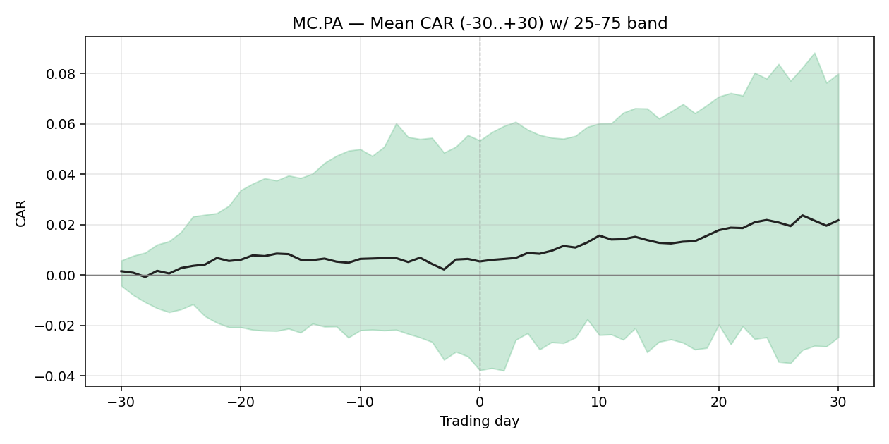

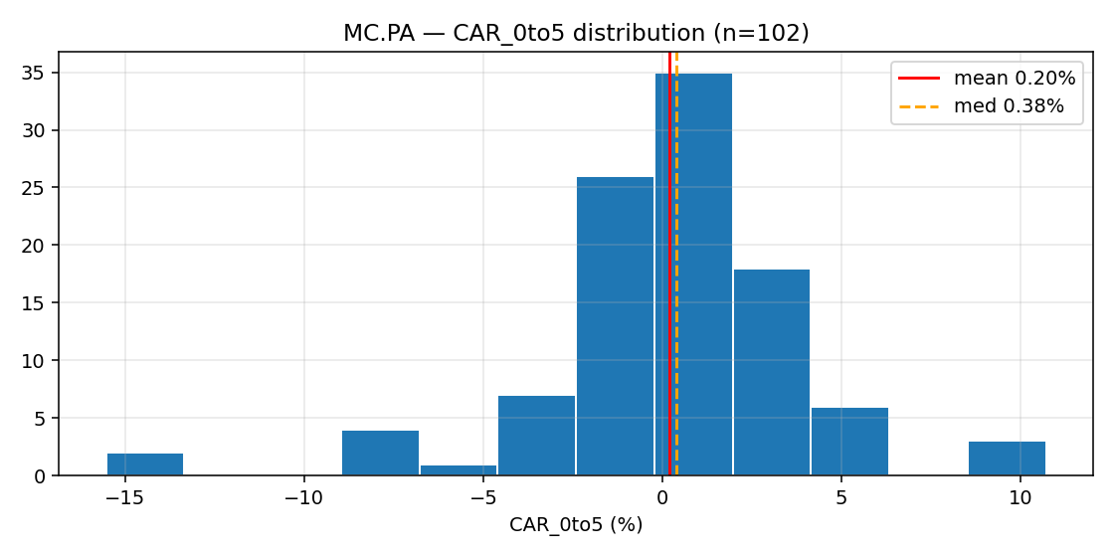

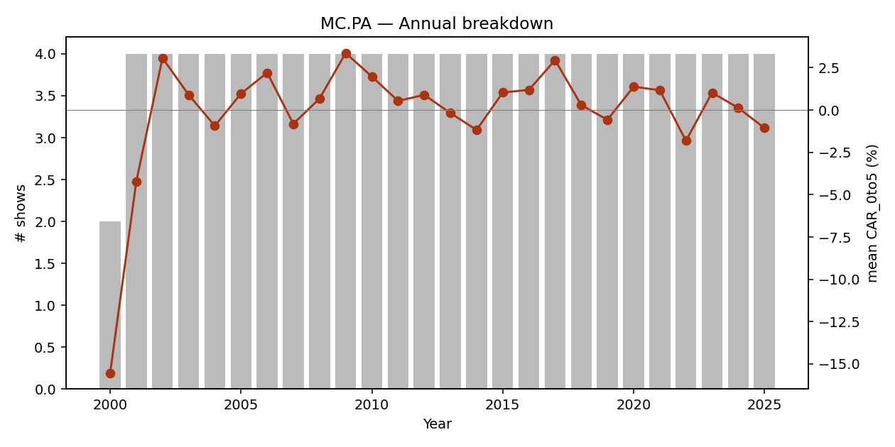

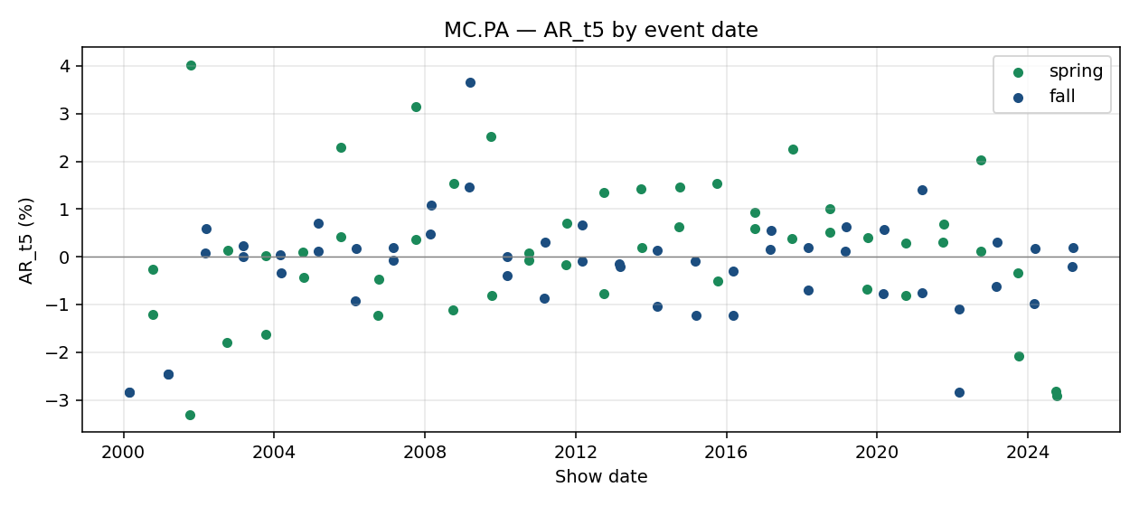

event_id | brand_slug | season | year | show_date | designer | trading_day_t0 | local_index_used | CAR_pre30 | CAR_pre10 | CAR_pre5 | CAR_0to1 | CAR_0to5 | CAR_0to10 | CAR_0to30 | AR_t1 | AR_t5 | AR_t10 | earnings_within_10d | confounder_unknown | confounded
E00001 | louis-vuitton | fall | 2000 | 2000-02-27 |  | 2000-02-28 | ^FCHI | -0.2442 | -0.0231 | 0.0249 | -0.0214 | -0.1554 | 0.0338 | 0.0555 | -0.0133 | -0.0284 | 0.027 | FALSE | FALSE | FALSE
E00053 | dior | fall | 2000 | 2000-02-28 |  | 2000-02-28 | ^FCHI | -0.2442 | -0.0231 | 0.0249 | -0.0214 | -0.1554 | 0.0338 | 0.0555 | -0.0133 | -0.0284 | 0.027 | FALSE | FALSE | FALSE
E00054 | dior | spring | 2001 | 2000-10-09 |  | 2000-10-09 | ^FCHI | -0.0308 | -0.0047 | -0.0152 | 0.0096 | -0.0032 | -0.0235 | -0.0227 | 0.0225 | -0.0027 | -0.0078 | FALSE | FALSE | FALSE
E00002 | louis-vuitton | spring | 2001 | 2000-10-10 |  | 2000-10-10 | ^FCHI | -0.0319 | 0.0084 | -0.015 | 0.039 | -0.0022 | -0.0016 | 0.0035 | 0.0164 | -0.012 | 0.0089 | FALSE | FALSE | FALSE
E00003 | louis-vuitton | fall | 2001 | 2001-03-11 |  | 2001-03-12 | ^FCHI | -0.0463 | -0.0667 | -0.0494 | -0.0384 | -0.0817 | -0.0475 | -0.0273 | -0.0066 | -0.0247 | 0.0119 | FALSE | FALSE | FALSE
E00055 | dior | fall | 2001 | 2001-03-12 |  | 2001-03-12 | ^FCHI | -0.0463 | -0.0667 | -0.0494 | -0.0384 | -0.0817 | -0.0475 | -0.0273 | -0.0066 | -0.0247 | 0.0119 | FALSE | FALSE | FALSE
E00056 | dior | spring | 2002 | 2001-10-08 |  | 2001-10-08 | ^FCHI | -0.2957 | 0.1135 | 0.0177 | -0.0394 | -0.0054 | 0.0564 | 0.1945 | -0.0105 | -0.0331 | 0.0076 | FALSE | FALSE | FALSE
E00004 | louis-vuitton | spring | 2002 | 2001-10-11 |  | 2001-10-11 | ^FCHI | -0.3242 | -0.0446 | 0.0171 | 0.0543 | 0.1072 | 0.1419 | 0.1883 | 0.0374 | 0.0403 | -0.0126 | FALSE | FALSE | FALSE
E00057 | dior | fall | 2002 | 2002-03-06 |  | 2002-03-06 | ^FCHI | 0.2566 | 0.1587 | 0.0527 | 0.0159 | 0.0022 | 0.0187 | -0.0184 | 0.0374 | 0.0007 | -0.0102 | FALSE | FALSE | FALSE
E00005 | louis-vuitton | fall | 2002 | 2002-03-10 |  | 2002-03-11 | ^FCHI | 0.2097 | 0.1237 | 0.0669 | -0.0126 | 0.0189 | 0.003 | -0.0338 | -0.0117 | 0.0059 | 0.0037 | FALSE | FALSE | FALSE
E00058 | dior | spring | 2003 | 2002-10-02 |  | 2002-10-02 | ^FCHI | 0.0194 | -0.0551 | -0.0535 | -0.0109 | -0.0331 | 0.0556 | 0.0727 | 0.0029 | -0.018 | -0.0009 | FALSE | FALSE | FALSE
E00006 | louis-vuitton | spring | 2003 | 2002-10-06 |  | 2002-10-07 | ^FCHI | -0.03 | -0.0593 | -0.0353 | -0.0092 | 0.0186 | 0.0953 | 0.0908 | -0.0065 | 0.0013 | 0.0293 | FALSE | FALSE | FALSE
E00059 | dior | fall | 2003 | 2003-03-05 |  | 2003-03-05 | ^FCHI | 0.1676 | 0.058 | 0.052 | 0.0007 | 0.0292 | 0.0269 | -0.0409 | 0.0109 | 0 | 0.0037 | FALSE | FALSE | FALSE
E00007 | louis-vuitton | fall | 2003 | 2003-03-09 |  | 2003-03-10 | ^FCHI | 0.1073 | 0.051 | 0.0443 | 0.0255 | 0.0213 | 0.0035 | -0.0426 | -0.0026 | 0.0024 | 0.0165 | FALSE | FALSE | FALSE
E00060 | dior | spring | 2004 | 2003-10-07 |  | 2003-10-07 | ^FCHI | 0.0689 | 0.0579 | 0.0269 | -0.0007 | 0.0062 | 0.0127 | -0.0014 | 0.01 | 0.0003 | 0.0176 | FALSE | FALSE | FALSE
E00008 | louis-vuitton | spring | 2004 | 2003-10-11 |  | 2003-10-13 | ^FCHI | 0.0463 | 0.0573 | 0.0299 | -0.0004 | -0.0115 | 0.0086 | -0.0298 | 0.0003 | -0.0162 | -0.0009 | FALSE | FALSE | FALSE
E00061 | dior | fall | 2004 | 2004-03-02 |  | 2004-03-02 | ^FCHI | -0.0069 | 0.018 | -0.0047 | -0.001 | -0.0082 | -0.0247 | -0.0117 | -0.0017 | 0.0004 | 0.0074 | FALSE | FALSE | FALSE
E00009 | louis-vuitton | fall | 2004 | 2004-03-06 |  | 2004-03-08 | ^FCHI | -0.0125 | -0.0025 | -0.0087 | -0.0001 | -0.024 | -0.0248 | -0.0059 | 0.0004 | -0.0033 | -0.0003 | FALSE | FALSE | FALSE
E00062 | dior | spring | 2005 | 2004-10-04 |  | 2004-10-04 | ^FCHI | 0.0099 | -0.0288 | -0.0016 | 0.0046 | 0.0302 | 0.0117 | 0.0002 | 0.0036 | 0.001 | -0.0043 | FALSE | FALSE | FALSE
E00010 | louis-vuitton | spring | 2005 | 2004-10-09 |  | 2004-10-11 | ^FCHI | 0.0331 | 0.0276 | 0.0292 | 0.005 | -0.0175 | -0.0437 | -0.0337 | 0.004 | -0.0043 | -0.0003 | FALSE | FALSE | FALSE
E00063 | dior | fall | 2005 | 2005-02-28 |  | 2005-02-28 | ^FCHI | -0.0258 | -0.0089 | -0.0244 | 0.0021 | 0.0171 | 0.0248 | 0.0242 | -0.0006 | 0.0012 | 0.0071 | FALSE | FALSE | FALSE
E00011 | louis-vuitton | fall | 2005 | 2005-03-05 |  | 2005-03-07 | ^FCHI | 0.0029 | -0.0084 | 0.0159 | 0.0067 | 0.0088 | 0.0013 | -0.0136 | 0.0055 | 0.0071 | -0.0026 | FALSE | FALSE | FALSE
E00064 | dior | spring | 2006 | 2005-10-03 |  | 2005-10-03 | ^FCHI | 0.0185 | -0.0213 | -0.005 | 0.0007 | 0.0059 | 0.0266 | 0.0407 | 0.0027 | 0.0229 | 0.0043 | FALSE | FALSE | FALSE
E00012 | louis-vuitton | spring | 2006 | 2005-10-08 |  | 2005-10-10 | ^FCHI | -0.0152 | -0.0219 | -0.017 | 0.0295 | 0.0436 | 0.0336 | 0.0676 | 0.0065 | 0.0043 | 0.0009 | FALSE | FALSE | FALSE
E00065 | dior | fall | 2006 | 2006-02-27 |  | 2006-02-27 | ^FCHI | -0.0476 | -0.0123 | 0.011 | 0.0068 | 0.0552 | 0.0479 | 0.0181 | 0.0035 | -0.0093 | 0.0018 | FALSE | FALSE | FALSE
E00013 | louis-vuitton | fall | 2006 | 2006-03-04 |  | 2006-03-06 | ^FCHI | 0.0312 | 0.0755 | 0.0645 | -0.0137 | -0.0166 | -0.019 | -0.0179 | -0.0044 | 0.0018 | 0.0023 | FALSE | FALSE | FALSE
E00066 | dior | spring | 2007 | 2006-10-02 |  | 2006-10-02 | ^FCHI | 0.015 | 0.0123 | 0.0003 | -0.0004 | -0.0115 | -0.004 | -0.0241 | 0.0057 | -0.0122 | -0.0047 | FALSE | FALSE | FALSE
E00014 | louis-vuitton | spring | 2007 | 2006-10-07 |  | 2006-10-09 | ^FCHI | 0.0153 | 0.001 | 0.0007 | -0.012 | -0.0047 | -0.0188 | -0.005 | 0.0002 | -0.0047 | 0.0006 | FALSE | FALSE | FALSE
E00067 | dior | fall | 2007 | 2007-02-26 |  | 2007-02-26 | ^FCHI | 0.0953 | 0.059 | 0.0103 | -0.0188 | -0.0088 | -0.0183 | -0.0426 | -0.0085 | 0.0019 | -0.0008 | FALSE | FALSE | FALSE
E00015 | louis-vuitton | fall | 2007 | 2007-03-03 |  | 2007-03-05 | ^FCHI | 0.0803 | -0.0003 | -0.0107 | -0.0034 | -0.0077 | -0.0158 | -0.047 | -0.0053 | -0.0008 | 0.0008 | FALSE | FALSE | FALSE
E00068 | dior | spring | 2008 | 2007-09-30 |  | 2007-10-01 | ^FCHI | -0.0001 | 0.0158 | 0.0123 | 0.0029 | 0.0042 | 0.0261 | -0.0074 | 0.0005 | 0.0037 | 0.0314 | FALSE | FALSE | FALSE
E00016 | louis-vuitton | spring | 2008 | 2007-10-06 |  | 2007-10-08 | ^FCHI | 0.0154 | 0.0129 | 0.0005 | -0.0006 | 0.0256 | 0.0391 | -0.0077 | -0.0043 | 0.0314 | 0.0003 | FALSE | FALSE | FALSE
E00069 | dior | fall | 2008 | 2008-02-24 |  | 2008-02-25 | ^FCHI | 0.0681 | -0.0034 | 0.0084 | 0.0051 | -0.0188 | -0.0076 | -0.0204 | 0.0034 | 0.0048 | 0.0109 | FALSE | FALSE | FALSE
E00017 | louis-vuitton | fall | 2008 | 2008-03-01 |  | 2008-03-03 | ^FCHI | 0.0339 | -0.0152 | -0.0235 | 0.0117 | 0.0159 | 0.0164 | 0.0026 | 0.0069 | 0.0109 | 0.0041 | FALSE | FALSE | FALSE
E00070 | dior | spring | 2009 | 2008-09-28 |  | 2008-09-29 | ^FCHI | -0.0635 | -0.0349 | -0.0323 | 0.0039 | -0.041 | 0.0769 | -0.0756 | -0.0134 | -0.0111 | 0.0154 | FALSE | FALSE | FALSE
E00018 | louis-vuitton | spring | 2009 | 2008-10-04 |  | 2008-10-06 | ^FCHI | -0.0871 | -0.0622 | -0.0299 | 0.0014 | 0.1069 | 0.1072 | -0.1359 | 0.0125 | 0.0154 | 0.0044 | FALSE | FALSE | FALSE
E00071 | dior | fall | 2009 | 2009-03-05 |  | 2009-03-05 | ^FCHI | 0.2117 | 0.0798 | 0.0291 | -0.0006 | 0.0358 | -0.0012 | 0.0005 | -0.0091 | 0.0147 | -0.0136 | FALSE | FALSE | FALSE
E00019 | louis-vuitton | fall | 2009 | 2009-03-11 |  | 2009-03-11 | ^FCHI | 0.1647 | 0.0204 | 0.0044 | 0.0561 | 0.0328 | -0.0241 | 0.0758 | 0.0147 | 0.0366 | -0.0106 | FALSE | FALSE | FALSE
E00072 | dior | spring | 2010 | 2009-10-01 |  | 2009-10-01 | ^FCHI | -0.0113 | -0.002 | 0.0208 | 0.0001 | 0.0481 | 0.0422 | 0.0806 | -0.0093 | 0.0253 | 0.0087 | FALSE | FALSE | FALSE
E00020 | louis-vuitton | spring | 2010 | 2009-10-06 |  | 2009-10-06 | ^FCHI | 0.0133 | 0.0037 | 0.0014 | 0.0214 | 0.0369 | 0.0458 | 0.0676 | 0.0193 | -0.008 | -0.0136 | FALSE | FALSE | FALSE
E00073 | dior | fall | 2010 | 2010-03-04 |  | 2010-03-04 | ^FCHI | 0.0775 | 0.0394 | 0.0367 | 0.0121 | -0.0066 | 0.0075 | -0.006 | 0.0134 | -0.004 | 0.0186 | FALSE | FALSE | FALSE
E00021 | louis-vuitton | fall | 2010 | 2010-03-09 |  | 2010-03-09 | ^FCHI | 0.0674 | 0.0318 | 0.0147 | -0.0042 | 0.0007 | 0.0064 | 0.0093 | -0.0001 | 0 | 0.0021 | FALSE | FALSE | FALSE
E00074 | dior | spring | 2011 | 2010-09-30 |  | 2010-09-30 | ^FCHI | 0.092 | 0.0593 | 0.0401 | -0.0034 | 0.0206 | 0.0209 | 0.0642 | -0.0168 | 0.0008 | 0.0078 | FALSE | FALSE | FALSE
E00022 | louis-vuitton | spring | 2011 | 2010-10-05 |  | 2010-10-05 | ^FCHI | 0.1017 | 0.0514 | 0.0476 | 0.0056 | 0.0099 | -0.0138 | 0.053 | 0.0082 | -0.0007 | -0.0169 | FALSE | FALSE | FALSE
E00075 | dior | fall | 2011 | 2011-03-03 |  | 2011-03-03 | ^FCHI | -0.0254 | -0.004 | -0.0084 | -0.0107 | 0.0171 | -0.0242 | -0.0014 | -0.0024 | -0.0087 | 0.0039 | FALSE | FALSE | FALSE
E00023 | louis-vuitton | fall | 2011 | 2011-03-08 |  | 2011-03-08 | ^FCHI | 0.0076 | 0.0059 | 0.0182 | 0.0167 | -0.0262 | -0.0131 | 0.0404 | 0.0112 | 0.0031 | 0.0007 | FALSE | FALSE | FALSE
E00076 | dior | spring | 2012 | 2011-09-29 |  | 2011-09-29 | ^FCHI | 0.0115 | -0.0402 | -0.0655 | -0.0833 | -0.0594 | -0.0196 | 0.0287 | -0.0198 | -0.0017 | 0.0072 | FALSE | FALSE | FALSE
E00024 | louis-vuitton | spring | 2012 | 2011-10-04 |  | 2011-10-04 | ^FCHI | -0.0504 | -0.1233 | -0.0905 | 0.0232 | 0.0459 | 0.0802 | 0.1099 | -0.0007 | 0.007 | 0.0119 | FALSE | FALSE | FALSE
E00077 | dior | fall | 2012 | 2012-03-01 |  | 2012-03-01 | ^FCHI | 0.0117 | -0.0193 | 0.0001 | 0.0083 | 0.0214 | 0.0303 | 0.1055 | 0.0023 | 0.0066 | 0.006 | FALSE | FALSE | FALSE
E00025 | louis-vuitton | fall | 2012 | 2012-03-06 |  | 2012-03-06 | ^FCHI | 0.0209 | 0.0062 | 0.0175 | 0.0069 | 0.0278 | 0.01 | 0.0505 | 0.002 | -0.001 | -0.0108 | FALSE | FALSE | FALSE
E00078 | dior | spring | 2013 | 2012-09-27 |  | 2012-09-27 | ^FCHI | -0.0837 | 0.0034 | -0.0008 | -0.0167 | -0.0026 | 0.0155 | 0.0382 | 0.0037 | 0.0135 | 0.0236 | FALSE | FALSE | FALSE
E00026 | louis-vuitton | spring | 2013 | 2012-10-02 |  | 2012-10-02 | ^FCHI | -0.0896 | 0.0013 | -0.0005 | -0.0062 | -0.0018 | 0.0425 | 0.0597 | -0.0135 | -0.0077 | 0.012 | FALSE | FALSE | FALSE
E00079 | dior | fall | 2013 | 2013-02-28 |  | 2013-02-28 | ^FCHI | -0.0624 | -0.0143 | -0.0034 | -0.0023 | -0.0022 | -0.0162 | -0.0063 | 0.0024 | -0.0016 | -0.0125 | FALSE | FALSE | FALSE
E00027 | louis-vuitton | fall | 2013 | 2013-03-05 |  | 2013-03-05 | ^FCHI | -0.0491 | -0.0188 | -0.0135 | 0.0044 | -0.0005 | -0.0123 | -0.0539 | 0.0069 | -0.0021 | -0.0042 | FALSE | FALSE | FALSE
E00080 | dior | spring | 2014 | 2013-09-26 |  | 2013-09-26 | ^FCHI | 0.0178 | 0.0225 | 0.0049 | -0.0072 | 0.0049 | -0.0156 | -0.0735 | -0.0072 | 0.0142 | -0.0059 | FALSE | FALSE | FALSE
E00028 | louis-vuitton | spring | 2014 | 2013-10-01 |  | 2013-10-01 | ^FCHI | 0.0187 | 0.0066 | 0.0021 | -0.0094 | -0.0066 | -0.032 | -0.0718 | -0.0133 | 0.0019 | -0.0075 | FALSE | FALSE | FALSE
E00081 | dior | fall | 2014 | 2014-02-27 |  | 2014-02-27 | ^FCHI | 0.034 | -0.0113 | -0.0209 | -0.0048 | -0.0308 | -0.0185 | 0.0375 | -0.0082 | -0.0104 | 0.0072 | FALSE | FALSE | FALSE
E00029 | louis-vuitton | fall | 2014 | 2014-03-04 |  | 2014-03-04 | ^FCHI | 0.0349 | -0.0209 | -0.0276 | -0.014 | -0.0148 | -0.0202 | 0.0812 | -0.0057 | 0.0014 | -0.0011 | FALSE | FALSE | FALSE
E00082 | dior | spring | 2015 | 2014-09-26 |  | 2014-09-26 | ^FCHI | -0.0149 | -0.0254 | -0.0116 | -0.0157 | -0.0058 | 0.0215 | 0.0621 | -0.007 | 0.0062 | -0.0002 | FALSE | FALSE | FALSE
E00030 | louis-vuitton | spring | 2015 | 2014-10-01 |  | 2014-10-01 | ^FCHI | -0.0447 | -0.0542 | -0.0288 | 0.0181 | 0.0394 | 0.0842 | 0.1113 | 0.017 | 0.0146 | 0.0354 | FALSE | FALSE | FALSE
E00083 | dior | fall | 2015 | 2015-03-06 |  | 2015-03-06 | ^FCHI | 0.1096 | 0.0154 | 0.0242 | 0.0059 | 0.0115 | -0.0155 | -0.0549 | -0.0011 | -0.0008 | -0.0043 | FALSE | FALSE | FALSE
E00031 | louis-vuitton | fall | 2015 | 2015-03-11 |  | 2015-03-11 | ^FCHI | 0.0818 | 0.0318 | 0.0208 | 0.0045 | -0.0038 | -0.0442 | -0.0833 | -0.0032 | -0.0122 | -0.004 | FALSE | FALSE | FALSE
E00084 | dior | spring | 2016 | 2015-10-02 |  | 2015-10-02 | ^FCHI | 0.089 | 0.012 | 0.0207 | 0.0023 | 0.0413 | -0.0028 | -0.0016 | 0.0133 | 0.0153 | -0.0168 | FALSE | FALSE | FALSE
E00032 | louis-vuitton | spring | 2016 | 2015-10-07 |  | 2015-10-07 | ^FCHI | 0.0555 | 0.0262 | 0.0195 | 0.016 | 0.0111 | -0.0149 | -0.0245 | 0.0065 | -0.0051 | -0.0061 | FALSE | FALSE | FALSE
E00085 | dior | fall | 2016 | 2016-03-04 | has been undertaken by the brand | 2016-03-04 | ^FCHI | 0.0504 | -0.0401 | -0.0167 | 0.0002 | 0.0069 | -0.0193 | -0.0206 | 0.0117 | -0.0123 | 0.0002 | FALSE | FALSE | FALSE
E00033 | louis-vuitton | fall | 2016 | 2016-03-09 |  | 2016-03-09 | ^FCHI | 0.0553 | -0.0201 | 0.0013 | 0.0094 | -0.0117 | -0.035 | -0.0555 | 0.0094 | -0.003 | 0.0112 | FALSE | FALSE | FALSE
E00086 | dior | spring | 2017 | 2016-09-30 | of this storied house | 2016-09-30 | ^FCHI | -0.045 | 0.0044 | -0.0082 | 0.0064 | 0.0293 | 0.0954 | 0.0621 | 0.0001 | 0.0093 | 0.0082 | FALSE | FALSE | FALSE
E00034 | louis-vuitton | spring | 2017 | 2016-10-05 | Nicolas Ghesqui | 2016-10-05 | ^FCHI | -0.0202 | 0.017 | 0.0073 | -0.0052 | 0.0597 | 0.0626 | 0.0374 | -0.0058 | 0.0059 | 0.0038 | FALSE | FALSE | FALSE
E00087 | dior | fall | 2017 | 2017-03-03 |  | 2017-03-03 | ^FCHI | -0.0037 | 0.0099 | -0.0049 | -0.0035 | 0.0059 | 0.0243 | 0.0571 | 0.0015 | 0.0015 | 0.0106 | FALSE | FALSE | FALSE
E00035 | louis-vuitton | fall | 2017 | 2017-03-07 |  | 2017-03-07 | ^FCHI | -0.0131 | 0.0078 | -0.0055 | 0.0078 | 0.023 | 0.0192 | 0.0597 | 0.0043 | 0.0056 | -0.0046 | FALSE | FALSE | FALSE
E00088 | dior | spring | 2018 | 2017-09-26 |  | 2017-09-26 | ^FCHI | 0.0353 | 0.0066 | -0.0007 | -0.0024 | -0.001 | 0.0103 | 0.0664 | -0.0047 | 0.0039 | 0.0226 | FALSE | FALSE | FALSE
E00036 | louis-vuitton | spring | 2018 | 2017-10-03 |  | 2017-10-03 | ^FCHI | 0.0218 | -0.0056 | -0.0049 | 0.0044 | 0.0152 | 0.0236 | 0.0596 | 0.0006 | 0.0226 | -0.0045 | FALSE | FALSE | FALSE
E00089 | dior | fall | 2018 | 2018-02-27 |  | 2018-02-27 | ^FCHI | 0.0571 | -0.0086 | 0 | -0.0068 | 0.0007 | -0.0044 | 0.1263 | 0.0026 | 0.0019 | -0.007 | FALSE | FALSE | FALSE
E00037 | louis-vuitton | fall | 2018 | 2018-03-06 |  | 2018-03-06 | ^FCHI | 0.0607 | -0.0012 | -0.0012 | -0.0021 | -0.0032 | 0.0275 | 0.1106 | -0.004 | -0.007 | 0.0167 | FALSE | FALSE | FALSE
E00090 | dior | spring | 2019 | 2018-09-24 |  | 2018-09-24 | ^FCHI | 0.0197 | 0.0286 | 0.019 | -0.0036 | 0.0011 | -0.0458 | -0.0224 | -0.0064 | 0.0051 | -0.0042 | FALSE | FALSE | FALSE
E00038 | louis-vuitton | spring | 2019 | 2018-10-02 |  | 2018-10-02 | ^FCHI | 0.0019 | 0.0339 | -0.0017 | -0.0108 | -0.0368 | -0.0871 | -0.0528 | 0.0037 | 0.0101 | -0.0007 | FALSE | FALSE | FALSE
E00091 | dior | fall | 2019 | 2019-02-26 | Maria Grazia Chiuri first turned the mic | 2019-02-26 | ^FCHI | 0.0912 | 0.007 | 0.0139 | -0.0004 | 0.0075 | 0.0113 | 0.0391 | -0.0035 | 0.0012 | 0.0063 | FALSE | FALSE | FALSE
E00039 | louis-vuitton | fall | 2019 | 2019-03-05 |  | 2019-03-05 | ^FCHI | 0.0975 | 0.0202 | 0.0063 | -0.004 | 0.005 | 0.0131 | 0.0724 | -0.0052 | 0.0063 | 0.0075 | FALSE | FALSE | FALSE
E00092 | dior | spring | 2020 | 2019-09-24 |  | 2019-09-24 | ^FCHI | -0.0312 | -0.041 | -0.0069 | -0.0061 | -0.0199 | -0.0115 | 0.0506 | -0.0163 | -0.0067 | 0.004 | FALSE | FALSE | FALSE
E00040 | louis-vuitton | spring | 2020 | 2019-10-01 |  | 2019-10-01 | ^FCHI | -0.0338 | -0.0201 | -0.0132 | -0.0123 | 0.0017 | 0.0383 | 0.0593 | -0.0056 | 0.004 | -0.0071 | FALSE | FALSE | FALSE
E00093 | dior | fall | 2020 | 2020-02-25 |  | 2020-02-25 | ^FCHI | -0.06 | -0.0319 | -0.0224 | 0.0177 | 0.0496 | 0.0811 | 0.1534 | 0.0127 | -0.0078 | 0.0057 | FALSE | FALSE | FALSE
E00041 | louis-vuitton | fall | 2020 | 2020-03-03 |  | 2020-03-03 | ^FCHI | -0.0026 | 0.035 | 0.0574 | -0.0004 | 0.0237 | 0.1005 | 0.1111 | 0.0074 | 0.0057 | 0.0168 | FALSE | FALSE | FALSE
E00094 | dior | spring | 2021 | 2020-09-29 |  | 2020-09-29 | ^FCHI | 0.072 | 0.0074 | 0.0152 | -0.0079 | 0.0023 | 0.0051 | 0.0428 | -0.0201 | -0.0081 | 0.0028 | FALSE | FALSE | FALSE
E00042 | louis-vuitton | spring | 2021 | 2020-10-06 |  | 2020-10-06 | ^FCHI | 0.0749 | 0.0256 | 0.0104 | -0.0064 | -0.0053 | 0.0302 | 0.0228 | 0.0017 | 0.0028 | -0.0022 | FALSE | FALSE | FALSE
E00095 | dior | fall | 2021 | 2021-03-08 |  | 2021-03-08 | ^FCHI | -0.0167 | -0.0365 | -0.0173 | 0.0086 | 0.0219 | 0.0303 | 0.1122 | 0.0071 | -0.0075 | 0.0035 | FALSE | FALSE | FALSE
E00043 | louis-vuitton | fall | 2021 | 2021-03-10 | was certainly not hurting for supporting | 2021-03-10 | ^FCHI | -0.0078 | -0.0224 | -0.017 | 0.0249 | 0.0279 | 0.0195 | 0.1016 | 0.0134 | 0.0141 | -0.0018 | FALSE | FALSE | FALSE
E00096 | dior | spring | 2022 | 2021-09-28 |  | 2021-09-28 | ^FCHI | -0.0584 | -0.0262 | 0.0002 | -0.0054 | 0.0034 | 0.0099 | 0.0466 | 0.0039 | 0.0031 | 0.0069 | FALSE | FALSE | FALSE
E00044 | louis-vuitton | spring | 2022 | 2021-10-05 |  | 2021-10-05 | ^FCHI | 0.0066 | 0.0005 | 0.0003 | 0.0036 | 0.0096 | 0.0101 | 0.062 | 0.0005 | 0.0069 | -0.0057 | FALSE | FALSE | FALSE
E00097 | dior | fall | 2022 | 2022-03-01 |  | 2022-03-01 | ^FCHI | 0.039 | 0.0134 | 0.0008 | -0.0093 | -0.0716 | -0.0653 | -0.0265 | 0.0036 | -0.0284 | -0.0123 | FALSE | FALSE | FALSE
E00045 | louis-vuitton | fall | 2022 | 2022-03-07 |  | 2022-03-07 | ^FCHI | -0.0342 | -0.0383 | -0.035 | -0.0327 | -0.0141 | 0.0092 | 0.017 | -0.0284 | -0.011 | -0.004 | FALSE | FALSE | FALSE
E00098 | dior | spring | 2023 | 2022-09-27 |  | 2022-09-27 | ^FCHI | -0.0122 | 0.0109 | -0.0054 | 0.0113 | 0.0181 | -0.0049 | -0.0299 | 0.0128 | 0.0204 | 0.0013 | FALSE | FALSE | FALSE
E00046 | louis-vuitton | spring | 2023 | 2022-10-04 |  | 2022-10-04 | ^FCHI | -0.0196 | -0.0077 | -0.0023 | 0.0146 | -0.0026 | -0.0008 | 0.0104 | -0.0058 | 0.0013 | -0.0069 | FALSE | FALSE | FALSE
E00099 | dior | fall | 2023 | 2023-02-28 | who is focused on seeing how the past can | 2023-02-28 | ^FCHI | -0.0325 | -0.0313 | -0.0179 | 0.0052 | 0.0205 | 0.0285 | 0.0812 | 0.0087 | -0.0062 | 0.0054 | FALSE | FALSE | FALSE
E00047 | louis-vuitton | fall | 2023 | 2023-03-06 |  | 2023-03-06 | ^FCHI | -0.0087 | -0.0041 | 0.0254 | 0.0024 | 0.0051 | 0.0336 | 0.0552 | -0.0062 | 0.003 | 0.009 | FALSE | FALSE | FALSE
E00100 | dior | spring | 2024 | 2023-09-26 |  | 2023-09-26 | ^FCHI | -0.1037 | -0.0183 | -0.019 | -0.0133 | 0.0067 | 0.0225 | -0.0029 | -0.0058 | -0.0034 | 0.0117 | FALSE | FALSE | FALSE
E00048 | louis-vuitton | spring | 2024 | 2023-10-02 |  | 2023-10-02 | ^FCHI | -0.077 | -0.0271 | -0.015 | 0.0039 | 0.0081 | -0.0554 | -0.033 | -0.0034 | -0.0209 | 0.0071 | FALSE | FALSE | FALSE
E00101 | dior | fall | 2024 | 2024-02-27 |  | 2024-02-27 | ^FCHI | 0.1624 | -0.0063 | 0.0039 | 0.0034 | -0.0161 | 0.0001 | -0.0751 | -0.0039 | -0.0099 | 0.0016 | FALSE | FALSE | FALSE
E00049 | louis-vuitton | fall | 2024 | 2024-03-05 |  | 2024-03-05 | ^FCHI | 0.1658 | -0.0023 | -0.0062 | -0.0084 | 0.0063 | -0.0063 | -0.0609 | 0.0015 | 0.0016 | -0.004 | FALSE | FALSE | FALSE
E00102 | dior | spring | 2025 | 2024-09-24 |  | 2024-09-24 | ^FCHI | -0.0999 | -0.0459 | -0.022 | 0.0293 | 0.1008 | 0.0949 | 0.0261 | 0.0106 | -0.0281 | -0.0292 | FALSE | FALSE | FALSE
E00050 | louis-vuitton | spring | 2025 | 2024-10-01 |  | 2024-10-01 | ^FCHI | 0.0005 | 0.1069 | 0.1289 | -0.022 | -0.034 | -0.0811 | -0.1297 | 0.0061 | -0.0292 | -0.009 | FALSE | FALSE | FALSE
E00103 | dior | fall | 2025 | 2025-03-04 |  | 2025-03-04 | ^FCHI | -0.0473 | -0.0167 | -0.0152 | -0.0359 | -0.0749 | -0.114 | -0.2348 | -0.0202 | -0.002 | -0.0045 | FALSE | FALSE | FALSE
E00051 | louis-vuitton | fall | 2025 | 2025-03-10 |  | 2025-03-10 | ^FCHI | -0.1696 | -0.0972 | -0.0917 | 0.0001 | -0.0344 | -0.0502 | -0.1561 | -0.002 | 0.0019 | -0.0078 | FALSE | FALSE | FALSE

PVH
PVH Corp (PVH)
Benchmark: ^GSPC Type: Conglomerate
Listing/first price: 2000-01-03
Events: 76
median CAR_0to5: -0.0015 mean CAR_0to5: -0.0008 confounded: 3/76

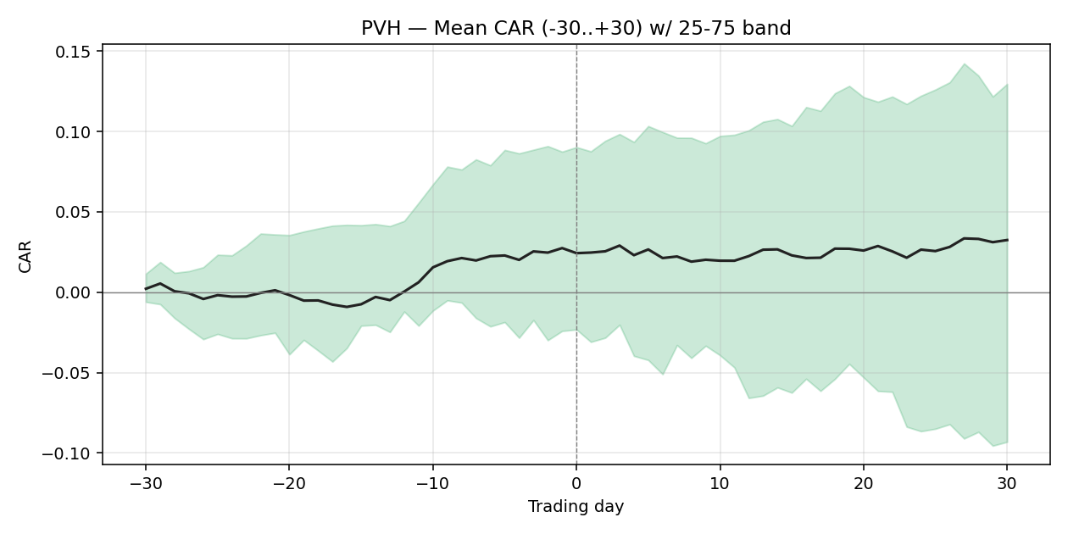

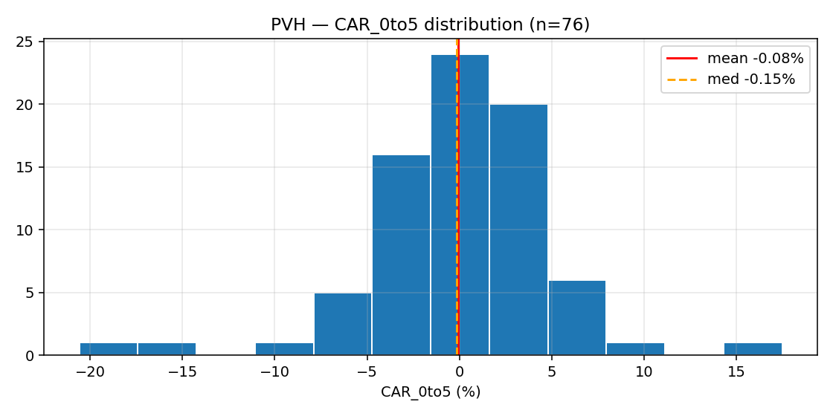

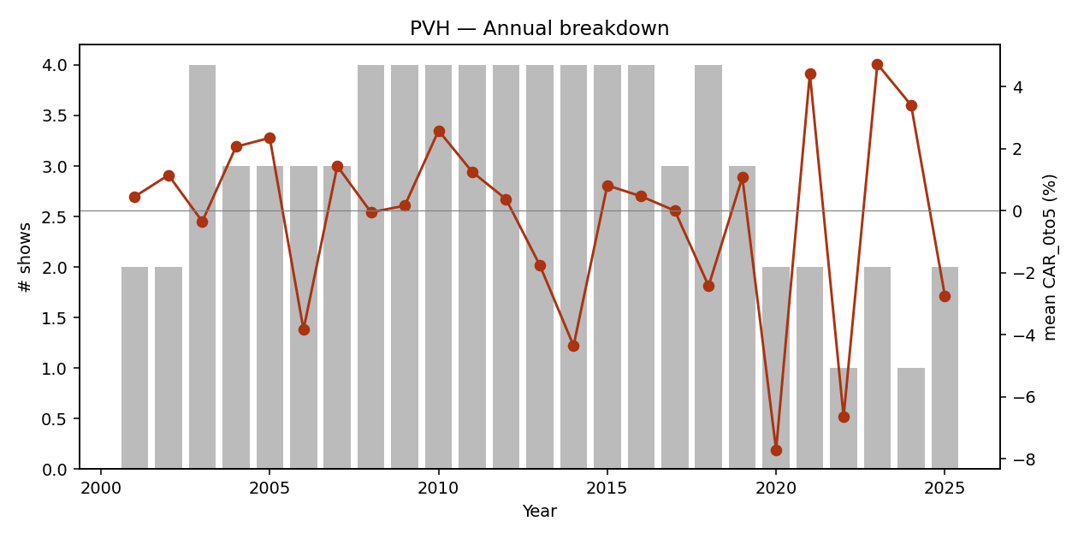

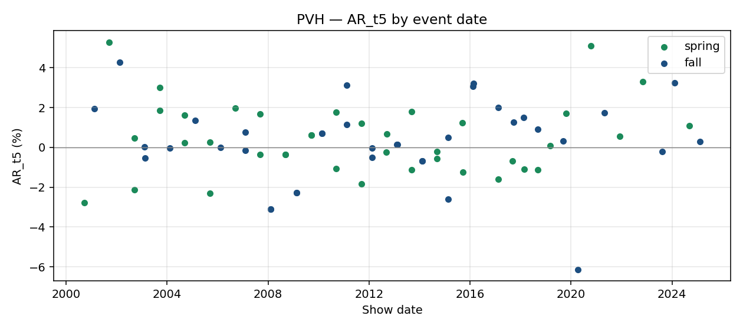

event_id | brand_slug | season | year | show_date | designer | trading_day_t0 | local_index_used | CAR_pre30 | CAR_pre10 | CAR_pre5 | CAR_0to1 | CAR_0to5 | CAR_0to10 | CAR_0to30 | AR_t1 | AR_t5 | AR_t10 | earnings_within_10d | confounder_unknown | confounded
E00318 | calvin-klein | spring | 2001 | 2000-09-21 |  | 2000-09-21 | ^GSPC | 0.2764 | 0.2577 | 0.0671 | -0.0312 | -0.0661 | -0.0338 | -0.0004 | -0.0109 | -0.0277 | -0.0126 | FALSE | FALSE | FALSE
E00319 | calvin-klein | fall | 2001 | 2001-02-15 |  | 2001-02-15 | ^GSPC | 0.2311 | 0.1834 | -0.0024 | 0.0002 | 0.0752 | 0.0681 | 0.1377 | 0.0137 | 0.0194 | 0.0191 | FALSE | FALSE | FALSE
E00320 | calvin-klein | spring | 2002 | 2001-09-16 |  | 2001-09-17 | ^GSPC | 0.0493 | -0.0065 | -0.1173 | -0.0861 | -0.1518 | -0.2428 | -0.3281 | -0.014 | 0.0529 | -0.0453 | FALSE | FALSE | FALSE
E00321 | calvin-klein | fall | 2002 | 2002-02-14 |  | 2002-02-14 | ^GSPC | 0.1347 | 0.0291 | 0.1037 | 0.0844 | 0.1748 | 0.1581 | 0.1512 | 0.0422 | 0.0427 | -0.0286 | FALSE | FALSE | FALSE
E00357 | tommy-hilfiger | spring | 2003 | 2002-09-17 |  | 2002-09-17 | ^GSPC | 0.112 | 0.1053 | 0.0327 | -0.0062 | -0.0204 | -0.0012 | 0.016 | 0.0349 | -0.0212 | -0.0204 | FALSE | FALSE | FALSE
E00322 | calvin-klein | spring | 2003 | 2002-09-18 |  | 2002-09-18 | ^GSPC | 0.0575 | 0.002 | -0.0198 | 0.0201 | 0.0253 | 0.033 | 0.0592 | -0.0148 | 0.0046 | -0.007 | FALSE | FALSE | FALSE
E00358 | tommy-hilfiger | fall | 2003 | 2003-02-11 |  | 2003-02-11 | ^GSPC | 0.0572 | 0.0759 | 0.0422 | -0.0307 | -0.0263 | 0.0016 | -0.0268 | 0.0252 | 0.0003 | -0.0052 | FALSE | FALSE | FALSE
E00323 | calvin-klein | fall | 2003 | 2003-02-13 |  | 2003-02-13 | ^GSPC | 0.0575 | -0.0064 | -0.0055 | 0.0185 | 0.0076 | 0.0285 | 0.0359 | 0.0098 | -0.0055 | -0.0046 | FALSE | FALSE | FALSE
E00324 | calvin-klein | spring | 2004 | 2003-09-15 |  | 2003-09-15 | ^GSPC | -0.0036 | -0.0556 | -0.0208 | -0.0318 | 0.006 | 0.0361 | 0.0806 | -0.019 | 0.0301 | -0.0024 | FALSE | FALSE | FALSE
E00359 | tommy-hilfiger | spring | 2004 | 2003-09-17 |  | 2003-09-17 | ^GSPC | -0.0226 | -0.0763 | -0.0422 | -0.0071 | 0.0551 | 0.0793 | 0.1539 | -0.0249 | 0.0186 | 0.0042 | FALSE | FALSE | FALSE
E00325 | calvin-klein | fall | 2004 | 2004-02-11 |  | 2004-02-11 | ^GSPC | -0.0272 | 0.0275 | 0.0341 | -0.0074 | 0.0009 | 0.0563 | 0.0338 | 0.0126 | -0.0002 | 0.0036 | FALSE | FALSE | FALSE
E00360 | tommy-hilfiger | spring | 2005 | 2004-09-08 |  | 2004-09-08 | ^GSPC | 0.0804 | 0.0352 | 0.0033 | 0.0099 | 0.0269 | 0.0727 | 0.098 | -0.0038 | 0.0162 | 0.0031 | FALSE | FALSE | FALSE
E00326 | calvin-klein | spring | 2005 | 2004-09-13 | has had a couple of bumpy moments in the | 2004-09-13 | ^GSPC | 0.0821 | 0.0447 | 0.0037 | -0.0025 | 0.0211 | 0.0412 | 0.0924 | -0.0099 | 0.0023 | -0.0062 | FALSE | FALSE | FALSE
E00327 | calvin-klein | fall | 2005 | 2005-02-09 |  | 2005-02-09 | ^GSPC | 0.0759 | 0.0531 | 0.0481 | -0.0146 | 0.0225 | -0.0294 | -0.0464 | -0.0077 | 0.0135 | 0.0106 | FALSE | FALSE | FALSE
E00361 | tommy-hilfiger | spring | 2006 | 2005-09-08 |  | 2005-09-08 | ^GSPC | -0.0255 | -0.0132 | -0.0322 | 0.0189 | -0.0297 | -0.0988 | -0.0732 | 0.0115 | 0.0027 | -0.0205 | FALSE | FALSE | FALSE
E00328 | calvin-klein | spring | 2006 | 2005-09-14 |  | 2005-09-14 | ^GSPC | -0.0046 | -0.0095 | 0.0213 | -0.0537 | -0.1023 | -0.0922 | -0.1392 | 0.0027 | -0.0231 | -0.0138 | FALSE | FALSE | FALSE
E00329 | calvin-klein | fall | 2006 | 2006-02-08 |  | 2006-02-08 | ^GSPC | 0.1243 | 0.0249 | 0.0035 | 0.0004 | 0.0171 | 0.0072 | 0.0573 | -0.0058 | 0 | 0.0333 | FALSE | FALSE | FALSE
E00330 | calvin-klein | spring | 2007 | 2006-09-13 |  | 2006-09-13 | ^GSPC | 0.1145 | 0.0505 | 0.0457 | 0.008 | 0.0277 | 0.0231 | 0.0617 | 0.0202 | 0.0198 | 0.0055 | FALSE | FALSE | FALSE
E00331 | calvin-klein | fall | 2007 | 2007-02-07 |  | 2007-02-07 | ^GSPC | 0.0454 | 0.0224 | 0.0045 | -0.0024 | 0.0079 | 0.0142 | 0.0402 | -0.0012 | 0.0076 | -0.0095 | FALSE | FALSE | FALSE
E00362 | tommy-hilfiger | fall | 2007 | 2007-02-08 |  | 2007-02-08 | ^GSPC | 0.0587 | 0.0137 | -0.0017 | -0.0182 | 0.0077 | 0.0087 | 0.0574 | -0.017 | -0.0014 | -0.0067 | FALSE | FALSE | FALSE
E00332 | calvin-klein | spring | 2008 | 2007-09-10 |  | 2007-09-10 | ^GSPC | 0.0735 | -0.0327 | -0.033 | -0.0353 | -0.0473 | -0.0647 | -0.1684 | 0.0015 | -0.0036 | 0.0021 | FALSE | FALSE | FALSE
E00363 | tommy-hilfiger | spring | 2008 | 2007-09-11 |  | 2007-09-11 | ^GSPC | 0.0373 | -0.0854 | -0.0972 | -0.0054 | 0.0062 | -0.0193 | -0.1598 | -0.0069 | 0.0167 | 0.0086 | FALSE | FALSE | FALSE
E00364 | tommy-hilfiger | fall | 2008 | 2008-02-06 |  | 2008-02-06 | ^GSPC | 0.1403 | 0.0367 | 0.0168 | 0.0233 | 0.0196 | -0.0771 | -0.1216 | 0.0275 | -0.0309 | 0.0044 | FALSE | FALSE | FALSE
E00333 | calvin-klein | fall | 2008 | 2008-02-06 |  | 2008-02-06 | ^GSPC | 0.1403 | 0.0367 | 0.0168 | 0.0233 | 0.0196 | -0.0771 | -0.1216 | 0.0275 | -0.0309 | 0.0044 | FALSE | FALSE | FALSE
E00365 | tommy-hilfiger | spring | 2009 | 2008-09-10 |  | 2008-09-10 | ^GSPC | 0.1656 | 0.176 | 0.0596 | 0.007 | 0.0373 | -0.0532 | -0.2036 | -0.0026 | -0.0035 | -0.0295 | FALSE | FALSE | FALSE
E00334 | calvin-klein | spring | 2009 | 2008-09-10 |  | 2008-09-10 | ^GSPC | 0.1656 | 0.176 | 0.0596 | 0.007 | 0.0373 | -0.0532 | -0.2036 | -0.0026 | -0.0035 | -0.0295 | FALSE | FALSE | FALSE
E00366 | tommy-hilfiger | fall | 2009 | 2009-02-18 |  | 2009-02-18 | ^GSPC | -0.0078 | 0.0267 | 0.0154 | 0.0158 | -0.034 | -0.0237 | 0.2091 | 0.0233 | -0.0227 | -0.0075 | FALSE | FALSE | FALSE
E00335 | calvin-klein | fall | 2009 | 2009-02-18 |  | 2009-02-18 | ^GSPC | -0.0078 | 0.0267 | 0.0154 | 0.0158 | -0.034 | -0.0237 | 0.2091 | 0.0233 | -0.0227 | -0.0075 | FALSE | FALSE | FALSE
E00367 | tommy-hilfiger | spring | 2010 | 2009-09-16 |  | 2009-09-16 | ^GSPC | 0.1266 | 0.076 | 0.0062 | -0.0114 | 0.0047 | 0.0135 | -0.0612 | -0.0095 | 0.0061 | -0.0037 | FALSE | FALSE | FALSE
E00336 | calvin-klein | spring | 2010 | 2009-09-16 |  | 2009-09-16 | ^GSPC | 0.1266 | 0.076 | 0.0062 | -0.0114 | 0.0047 | 0.0135 | -0.0612 | -0.0095 | 0.0061 | -0.0037 | FALSE | FALSE | FALSE
E00368 | tommy-hilfiger | fall | 2010 | 2010-02-17 |  | 2010-02-17 | ^GSPC | 0.0225 | 0.0206 | 0.0212 | 0.033 | 0.047 | 0.0166 | 0.2743 | 0.0005 | 0.0071 | -0.0397 | FALSE | FALSE | FALSE
E00337 | calvin-klein | fall | 2010 | 2010-02-17 |  | 2010-02-17 | ^GSPC | 0.0225 | 0.0206 | 0.0212 | 0.033 | 0.047 | 0.0166 | 0.2743 | 0.0005 | 0.0071 | -0.0397 | FALSE | FALSE | FALSE
E00369 | tommy-hilfiger | spring | 2011 | 2010-09-11 |  | 2010-09-13 | ^GSPC | 0.04 | 0.1154 | 0.0507 | 0.0369 | 0.0783 | 0.057 | 0.084 | 0.0073 | 0.0178 | 0.0047 | FALSE | FALSE | FALSE
E00338 | calvin-klein | spring | 2011 | 2010-09-15 |  | 2010-09-15 | ^GSPC | 0.0613 | 0.1465 | 0.0858 | -0.0071 | 0.0178 | 0.0275 | 0.031 | -0.0028 | -0.0107 | 0.0068 | FALSE | FALSE | FALSE
E00370 | tommy-hilfiger | fall | 2011 | 2011-02-12 |  | 2011-02-14 | ^GSPC | -0.084 | 0.0256 | -0.0064 | -0.0134 | -0.0352 | -0.0312 | 0.0579 | -0.0078 | 0.0311 | 0.0002 | FALSE | FALSE | FALSE
E00339 | calvin-klein | fall | 2011 | 2011-02-16 | zeroed in on a few uncomplicated | 2011-02-16 | ^GSPC | -0.0773 | 0.0225 | -0.036 | -0.0461 | -0.0109 | 0.0009 | 0.0639 | -0.0232 | 0.0115 | 0.0186 | FALSE | FALSE | FALSE
E00371 | tommy-hilfiger | spring | 2012 | 2011-09-10 |  | 2011-09-12 | ^GSPC | -0.0352 | 0.0675 | -0.0347 | 0.0138 | 0.0326 | 0.038 | 0.0911 | 0.0118 | 0.012 | -0.0047 | FALSE | FALSE | FALSE
E00340 | calvin-klein | spring | 2012 | 2011-09-14 | has never really gone in for over-the-top | 2011-09-14 | ^GSPC | -0.0167 | 0.0129 | 0.0356 | 0.0059 | -0.0029 | 0.0254 | 0.0459 | 0.0008 | -0.0183 | -0.0039 | FALSE | FALSE | FALSE
E00372 | tommy-hilfiger | fall | 2012 | 2012-02-11 |  | 2012-02-13 | ^GSPC | 0.0806 | 0.0385 | 0.0417 | 0.0072 | -0.0027 | 0.003 | 0.0492 | 0.005 | -0.0004 | 0.0013 | FALSE | FALSE | FALSE
E00341 | calvin-klein | fall | 2012 | 2012-02-15 |  | 2012-02-15 | ^GSPC | 0.0845 | 0.0363 | 0.0377 | -0.0086 | -0.0121 | 0.0206 | 0.045 | -0.0058 | -0.005 | 0.0002 | FALSE | FALSE | FALSE
E00373 | tommy-hilfiger | spring | 2013 | 2012-09-08 |  | 2012-09-10 | ^GSPC | 0.1296 | 0.0521 | -0.0209 | -0.0113 | -0.0139 | -0.011 | 0.017 | -0.0125 | -0.0024 | 0.0198 | FALSE | FALSE | FALSE
E00342 | calvin-klein | spring | 2013 | 2012-09-12 |  | 2012-09-12 | ^GSPC | 0.0987 | 0.0305 | -0.0377 | -0.0117 | -0.0235 | -0.0013 | 0.0297 | -0.0099 | 0.0069 | 0.004 | FALSE | FALSE | FALSE
E00374 | tommy-hilfiger | fall | 2013 | 2013-02-09 |  | 2013-02-11 | ^GSPC | 0.0608 | 0.0033 | 0.0489 | -0.0154 | -0.0195 | -0.0082 | -0.1016 | 0.0086 | 0.0013 | 0.0144 | FALSE | FALSE | FALSE
E00343 | calvin-klein | fall | 2013 | 2013-02-13 |  | 2013-02-13 | ^GSPC | 0.0292 | -0.0004 | 0.031 | -0.0048 | -0.0132 | 0.0124 | -0.1543 | -0.0023 | 0.0013 | 0.0103 | FALSE | FALSE | FALSE
E00375 | tommy-hilfiger | spring | 2014 | 2013-09-08 |  | 2013-09-09 | ^GSPC | 0.0027 | -0.0055 | -0.0023 | -0.059 | -0.0744 | -0.0864 | -0.1066 | -0.0654 | -0.0114 | -0.0156 | FALSE | FALSE | FALSE
E00344 | calvin-klein | spring | 2014 | 2013-09-11 |  | 2013-09-11 | ^GSPC | -0.0558 | -0.053 | -0.0635 | -0.0069 | -0.0102 | -0.0454 | -0.0632 | 0.0112 | 0.0178 | -0.0248 | FALSE | FALSE | FALSE
E00376 | tommy-hilfiger | fall | 2014 | 2014-02-09 |  | 2014-02-10 | ^GSPC | -0.0782 | 0.0049 | 0.0001 | -0.0253 | -0.0598 | 0.0035 | -0.0757 | -0.0148 | -0.0068 | 0.0202 | FALSE | FALSE | FALSE
E00345 | calvin-klein | fall | 2014 | 2014-02-12 |  | 2014-02-12 | ^GSPC | -0.0996 | -0.0308 | -0.0057 | -0.0127 | -0.0297 | 0.0293 | 0.007 | 0.0104 | -0.0069 | -0.0013 | FALSE | FALSE | FALSE
E00744 | tommy-hilfiger | spring | 2015 | 2014-09-08 |  | 2014-09-08 | ^GSPC | 0.1061 | 0.1086 | 0.0809 | 0.0003 | -0.0046 | -0.0262 | -0.0843 | -0.0005 | -0.0055 | -0.0084 | FALSE | FALSE | FALSE
E00346 | calvin-klein | spring | 2015 | 2014-09-11 |  | 2014-09-11 | ^GSPC | 0.1068 | 0.0686 | 0.0799 | 0.0068 | -0.003 | -0.0188 | -0.0818 | 0.0133 | -0.0022 | 0.0053 | FALSE | FALSE | FALSE
E00377 | tommy-hilfiger | fall | 2015 | 2015-02-16 |  | 2015-02-17 | ^GSPC | -0.2032 | -0.0842 | -0.0391 | 0.0055 | 0.0387 | -0.0115 | 0.0145 | 0.0052 | 0.005 | -0.004 | FALSE | FALSE | FALSE
E00347 | calvin-klein | fall | 2015 | 2015-02-19 |  | 2015-02-19 | ^GSPC | -0.1663 | -0.0825 | 0.0305 | 0.0201 | 0.0017 | -0.0172 | 0.0179 | 0.0074 | -0.0259 | -0.0039 | FALSE | FALSE | FALSE
E00378 | tommy-hilfiger | spring | 2016 | 2015-09-14 |  | 2015-09-14 | ^GSPC | 0.0544 | -0.0222 | -0.0376 | -0.0138 | -0.0077 | -0.0895 | -0.2918 | -0.007 | 0.0122 | -0.0209 | FALSE | FALSE | FALSE
E00348 | calvin-klein | spring | 2016 | 2015-09-17 |  | 2015-09-17 | ^GSPC | 0.0587 | -0.0509 | -0.0179 | -0.0175 | -0.0455 | -0.1103 | -0.2866 | -0.0133 | -0.0125 | -0.0218 | FALSE | FALSE | FALSE
E00379 | tommy-hilfiger | fall | 2016 | 2016-02-15 |  | 2016-02-16 | ^GSPC | 0.1039 | 0.0393 | -0.013 | 0.0017 | 0.0287 | 0.0591 | 0.1981 | 0.0104 | 0.0306 | 0.018 | FALSE | FALSE | FALSE
E00349 | calvin-klein | fall | 2016 | 2016-02-18 |  | 2016-02-18 | ^GSPC | 0.0761 | -0.0022 | 0.0262 | -0.0076 | 0.0431 | 0.0848 | 0.1968 | -0.0183 | 0.032 | 0.0095 | FALSE | FALSE | FALSE
E00380 | tommy-hilfiger | spring | 2017 | 2017-02-09 |  | 2017-02-09 | ^GSPC | -0.0457 | -0.0822 | -0.0369 | 0.0238 | -0.0092 | 0.0183 | 0.1256 | 0.0295 | -0.0159 | 0.0074 | FALSE | FALSE | FALSE
E00350 | calvin-klein | fall | 2017 | 2017-02-10 | Pieter Mulier. His sincerity has endeared | 2017-02-10 | ^GSPC | -0.054 | -0.0726 | -0.0368 | 0.011 | 0.0167 | 0.0312 | 0.1379 | -0.0185 | 0.0201 | 0.0072 | FALSE | FALSE | FALSE
E00351 | calvin-klein | spring | 2018 | 2017-09-07 | and fellow Belgian | 2017-09-07 | ^GSPC | 0.0888 | 0.0652 | 0.0116 | -0.0088 | -0.0331 | -0.0397 | -0.0649 | -0.0058 | -0.0068 | -0.0035 | FALSE | FALSE | FALSE
E00381 | tommy-hilfiger | fall | 2017 | 2017-09-19 |  | 2017-09-19 | ^GSPC | 0.0367 | 0.0007 | -0.0187 | -0.0122 | -0.0074 | -0.0259 | -0.0375 | -0.0069 | 0.0126 | -0.0079 | FALSE | FALSE | FALSE
E00352 | calvin-klein | fall | 2018 | 2018-02-13 |  | 2018-02-13 | ^GSPC | 0.0814 | 0.0162 | 0.001 | 0.0102 | -0.0082 | -0.0385 | 0.0007 | 0.0114 | 0.0149 | -0.0124 | FALSE | FALSE | FALSE
E00382 | tommy-hilfiger | spring | 2018 | 2018-02-25 |  | 2018-02-26 | ^GSPC | 0.055 | -0.02 | -0.0238 | -0.0063 | -0.0259 | -0.0506 | 0.093 | 0.0007 | -0.0109 | 0.003 | FALSE | FALSE | FALSE
E00383 | tommy-hilfiger | fall | 2018 | 2018-09-04 |  | 2018-09-04 | ^GSPC | -0.1108 | -0.0589 | -0.0855 | -0.04 | -0.0297 | -0.0391 | -0.0665 | 0.0065 | 0.0091 | -0.0112 | FALSE | FALSE | FALSE
E00353 | calvin-klein | spring | 2019 | 2018-09-11 |  | 2018-09-11 | ^GSPC | -0.1409 | -0.1242 | -0.0388 | 0.0179 | -0.0004 | 0.0119 | -0.0764 | 0.0088 | -0.0112 | -0.002 | FALSE | FALSE | FALSE
E00384 | tommy-hilfiger | spring | 2019 | 2019-03-02 |  | 2019-03-04 | ^GSPC | 0.0274 | 0.0034 | -0.0251 | -0.0294 | -0.0203 | -0.0428 | 0.0761 | -0.0067 | 0.0008 | 0.0048 | FALSE | FALSE | FALSE
E00385 | tommy-hilfiger | fall | 2019 | 2019-09-08 |  | 2019-09-09 | ^GSPC | -0.0368 | 0.142 | 0.0982 | 0.0583 | 0.053 | 0.0143 | 0.036 | 0.0147 | 0.0033 | 0.0104 | FALSE | FALSE | FALSE
E00386 | tommy-hilfiger | spring | 2020 | 2019-10-18 |  | 2019-10-18 | ^GSPC | 0.0255 | 0.0114 | 0.0217 | 0.0194 | 0.0517 | 0.0078 | 0.0641 | 0.0153 | 0.017 | 0.0234 | FALSE | FALSE | FALSE
E00387 | tommy-hilfiger | fall | 2020 | 2020-04-08 |  | 2020-04-08 | ^GSPC | -0.3354 | 0.1912 | 0.1878 | 0.0099 | -0.2059 | -0.2138 | -0.1564 | 0.0189 | -0.0614 | 0.0135 | FALSE | FALSE | FALSE
E00388 | tommy-hilfiger | spring | 2021 | 2020-10-15 |  | 2020-10-15 | ^GSPC | 0.087 | 0.0055 | -0.0553 | 0.0006 | 0.0537 | 0.0349 | 0.2567 | -0.0271 | 0.0511 | 0.0318 | FALSE | FALSE | FALSE
E00389 | tommy-hilfiger | fall | 2021 | 2021-04-30 |  | 2021-04-30 | ^GSPC | 0.0247 | 0.0522 | 0.0454 | 0.0269 | 0.0347 | 0.0029 | -0.0558 | 0.0274 | 0.0173 | 0.037 | FALSE | FALSE | FALSE
E00390 | tommy-hilfiger | spring | 2022 | 2021-12-07 |  | 2021-12-07 | ^GSPC | -0.0839 | -0.0947 | -0.0412 | -0.0166 | -0.0664 | -0.0653 | -0.0378 | -0.0006 | 0.0056 | 0.0253 | TRUE | FALSE | TRUE
E00391 | tommy-hilfiger | spring | 2023 | 2022-11-08 |  | 2022-11-08 | ^GSPC | 0.0951 | 0.0708 | 0.045 | -0.0339 | 0.1095 | 0.1006 | 0.246 | -0.0251 | 0.033 | 0.0303 | FALSE | FALSE | FALSE
E00392 | tommy-hilfiger | fall | 2023 | 2023-08-15 |  | 2023-08-15 | ^GSPC | -0.0288 | -0.0516 | -0.0385 | -0.0006 | -0.0149 | -0.0319 | -0.0752 | -0.0002 | -0.0022 | 0.0163 | TRUE | FALSE | TRUE
E00393 | tommy-hilfiger | fall | 2024 | 2024-02-09 |  | 2024-02-09 | ^GSPC | -0.003 | 0.0414 | 0.012 | 0.0151 | 0.034 | 0.0539 | 0.0161 | 0.0153 | 0.0324 | 0.0043 | FALSE | FALSE | FALSE
E00394 | tommy-hilfiger | spring | 2025 | 2024-09-08 |  | 2024-09-09 | ^GSPC | -0.0237 | -0.0403 | 0.0136 | -0.0369 | -0.031 | -0.0351 | -0.0512 | -0.029 | 0.011 | -0.0048 | TRUE | FALSE | TRUE
E00354 | calvin-klein | fall | 2025 | 2025-02-07 |  | 2025-02-07 | ^GSPC | -0.3307 | -0.1902 | -0.1628 | -0.0199 | -0.0238 | 0.0085 | -0.0794 | -0.0253 | 0.0028 | 0.0029 | FALSE | FALSE | FALSE

1913.HK
Prada (1913.HK)
Benchmark: ^HSI Type: Pure-play
Listing/first price: 2007-10-30
Events: 70
median CAR_0to5: 0.0096 mean CAR_0to5: 0.0073 confounded: 10/70

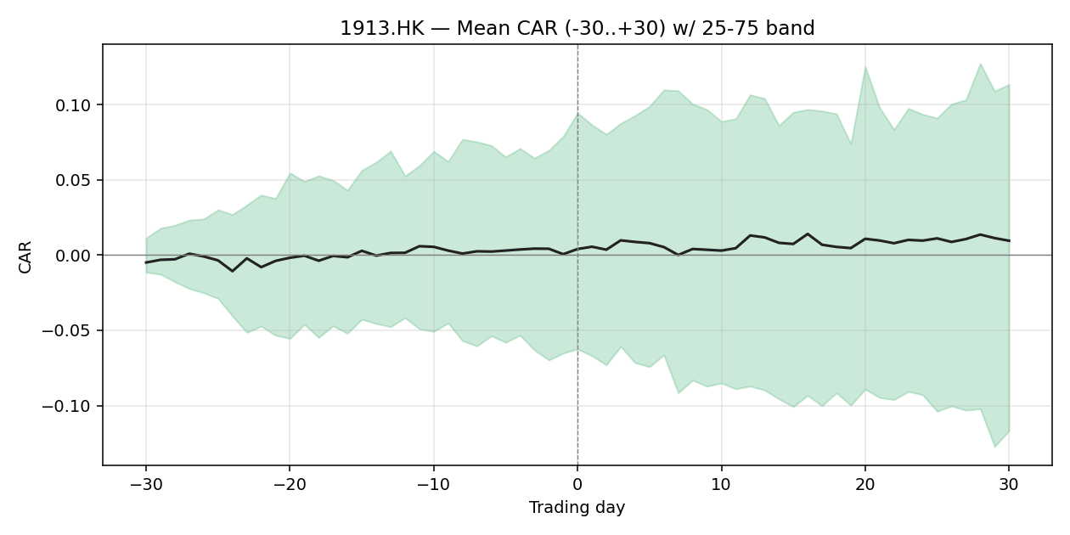

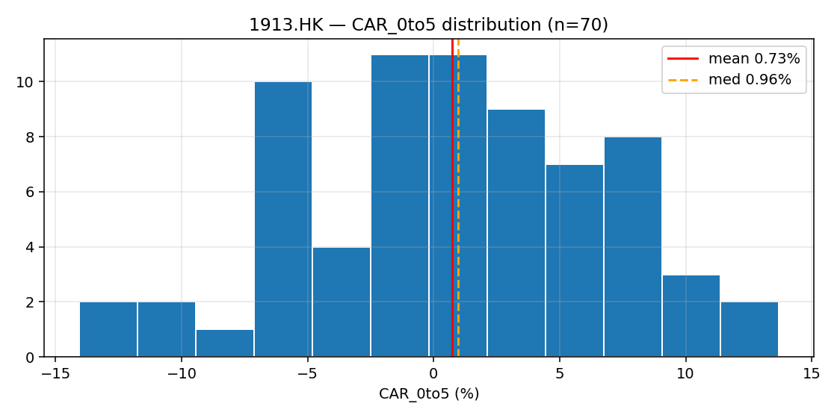

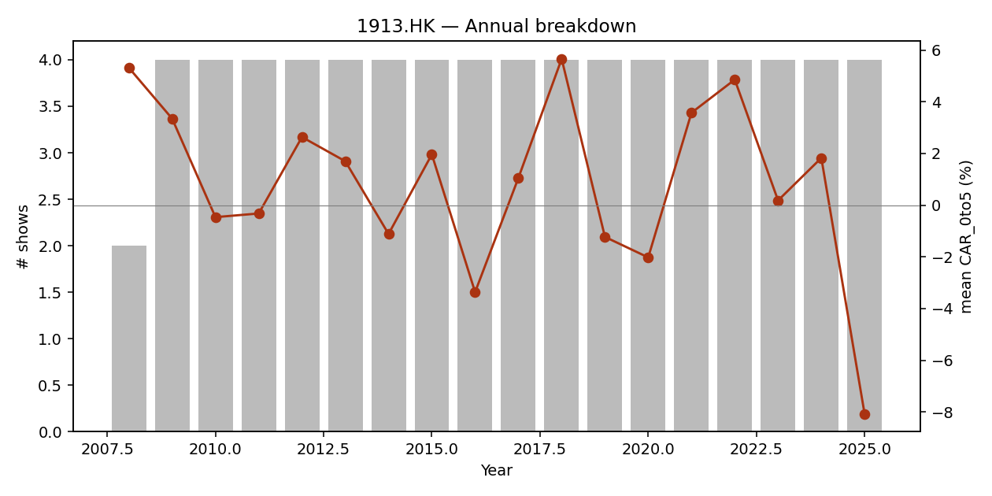

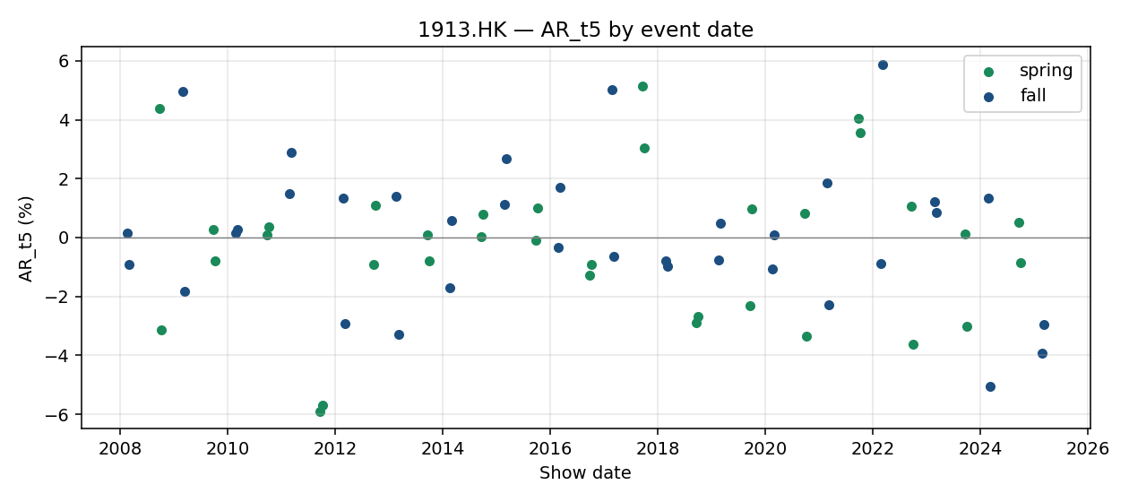

event_id | brand_slug | season | year | show_date | designer | trading_day_t0 | local_index_used | CAR_pre30 | CAR_pre10 | CAR_pre5 | CAR_0to1 | CAR_0to5 | CAR_0to10 | CAR_0to30 | AR_t1 | AR_t5 | AR_t10 | earnings_within_10d | confounder_unknown | confounded
E00509 | prada | fall | 2008 | 2008-02-18 |  | 2008-02-18 | ^HSI | 0.4198 | -0.0207 | -0.0285 | 0.001 | 0.0371 | 0.0236 | 0.0115 | -0.0152 | 0.0015 | 0.0312 | FALSE | FALSE | FALSE
E00561 | miu-miu | fall | 2008 | 2008-03-01 |  | 2008-03-03 | ^HSI | 0.1182 | -0.0076 | -0.0431 | 0.0511 | 0.0692 | 0.1432 | 0.003 | 0.0199 | -0.009 | 0.0532 | FALSE | FALSE | FALSE
E00510 | prada | spring | 2009 | 2008-09-22 |  | 2008-09-22 | ^HSI | 0.1342 | 0.0535 | 0.0032 | 0.0238 | 0.0778 | 0.2251 | 0.2642 | 0.0394 | 0.0438 | 0.0852 | FALSE | FALSE | FALSE
E00562 | miu-miu | spring | 2009 | 2008-10-04 |  | 2008-10-06 | ^HSI | 0.1687 | -0.0028 | 0.0684 | 0.1361 | 0.0492 | 0.1618 | 0.3141 | 0.0852 | -0.0314 | 0.0186 | FALSE | FALSE | FALSE
E00511 | prada | fall | 2009 | 2009-02-28 |  | 2009-03-02 | ^HSI | 0.0647 | 0.0564 | -0.0088 | 0.0626 | 0.1216 | -0.0128 | -0.2014 | 0.0233 | 0.0496 | -0.0354 | FALSE | FALSE | FALSE
E00563 | miu-miu | fall | 2009 | 2009-03-11 |  | 2009-03-11 | ^HSI | 0.0792 | 0.0902 | 0.0286 | -0.026 | -0.1148 | -0.1526 | -0.2661 | -0.0059 | -0.0184 | 0.0209 | FALSE | FALSE | FALSE
E00512 | prada | spring | 2010 | 2009-09-23 |  | 2009-09-23 | ^HSI | -0.415 | -0.0295 | -0.0392 | 0.0304 | 0.035 | 0.0096 | -0.0059 | 0.0256 | 0.0028 | -0.0118 | FALSE | FALSE | FALSE
E00745 | miu-miu | spring | 2010 | 2009-10-06 |  | 2009-10-06 | ^HSI | -0.397 | 0.0568 | 0.0287 | -0.039 | -0.0496 | -0.0914 | -0.1116 | -0.0205 | -0.0079 | -0.0083 | FALSE | FALSE | FALSE
E00513 | prada | fall | 2010 | 2010-02-24 |  | 2010-02-24 | ^HSI | 0.078 | -0.0476 | -0.0173 | 0.0109 | -0.0122 | -0.028 | -0.0709 | 0.0033 | 0.0014 | 0 | FALSE | FALSE | FALSE
E00746 | miu-miu | fall | 2010 | 2010-03-09 |  | 2010-03-09 | ^HSI | -0.0159 | -0.0394 | -0.0066 | -0.0005 | 0.0082 | 0.0099 | -0.0022 | 0 | 0.0027 | -0.0026 | FALSE | FALSE | FALSE
...

RL
Ralph Lauren (RL)
Benchmark: ^GSPC Type: Pure-play
Listing/first price: 2000-01-03
Events: 49
median CAR_0to5: -0.0041 mean CAR_0to5: -0.0078 confounded: 0/49

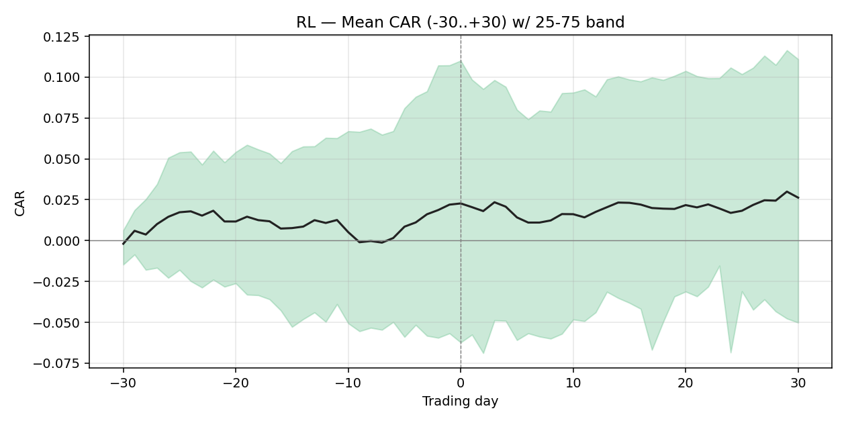

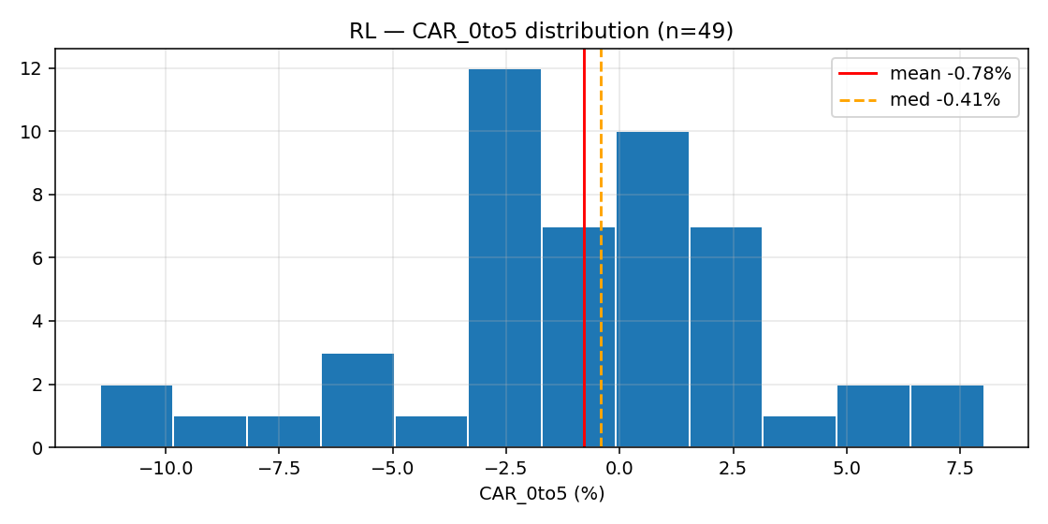

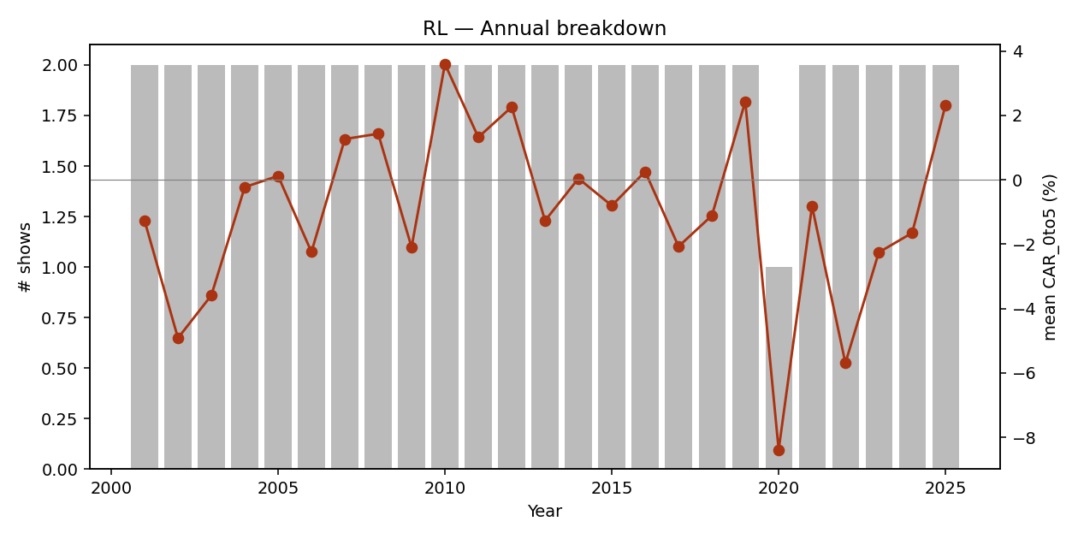

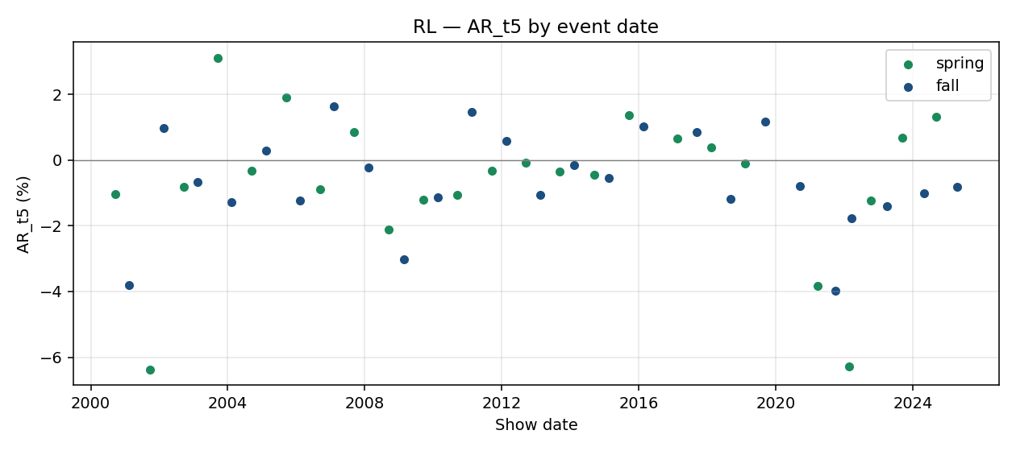

event_id | brand_slug | season | year | show_date | designer | trading_day_t0 | local_index_used | CAR_pre30 | CAR_pre10 | CAR_pre5 | CAR_0to1 | CAR_0to5 | CAR_0to10 | CAR_0to30 | AR_t1 | AR_t5
E00632 | ralph-lauren | spring | 2001 | 2000-09-19 |  | 2000-09-19 | ^GSPC | 0.0694 | -0.0152 | -0.0297 | -0.0186 | -0.0781 | -0.0966 | 0.09 | 0.0094 | -0.0104
E00633 | ralph-lauren | fall | 2001 | 2001-02-13 |  | 2001-02-13 | ^GSPC | 0.2004 | 0.1104 | 0.1375 | 0.0555 | 0.0527 | 0.115 | 0.076 | 0.0108 | -0.0382
E00634 | ralph-lauren | spring | 2002 | 2001-09-20 |  | 2001-09-20 | ^GSPC | 0.0381 | -0.04 | -0.0418 | -0.0336 | -0.1051 | 0.0109 | 0.0107 | -0.0327 | -0.0638
E00635 | ralph-lauren | fall | 2002 | 2002-02-13 |  | 2002-02-13 | ^GSPC | 0.1339 | 0.0041 | 0.0669 | -0.0209 | 0.0067 | -0.031 | -0.0009 | -0.0174 | 0.0099
E00636 | ralph-lauren | spring | 2003 | 2002-09-20 |  | 2002-09-20 | ^GSPC | 0.1073 | 0.0879 | 0.0011 | -0.0362 | -0.0593 | -0.1182 | -0.2038 | -0.0391 | -0.0081
E00637 | ralph-lauren | fall | 2003 | 2003-02-13 |  | 2003-02-13 | ^GSPC | -0.0137 | 0.0029 | -0.0099 | -0.0136 | -0.0125 | -0.0121 | 0.0633 | -0.0081 | -0.0067
...

BRBY.L
Burberry (BRBY.L)
Benchmark: ^FTSE Type: Pure-play
Listing/first price: 2002-07-12
Events: 45
median CAR_0to5: 0.0014 mean CAR_0to5: -0.0012 confounded: 0/45

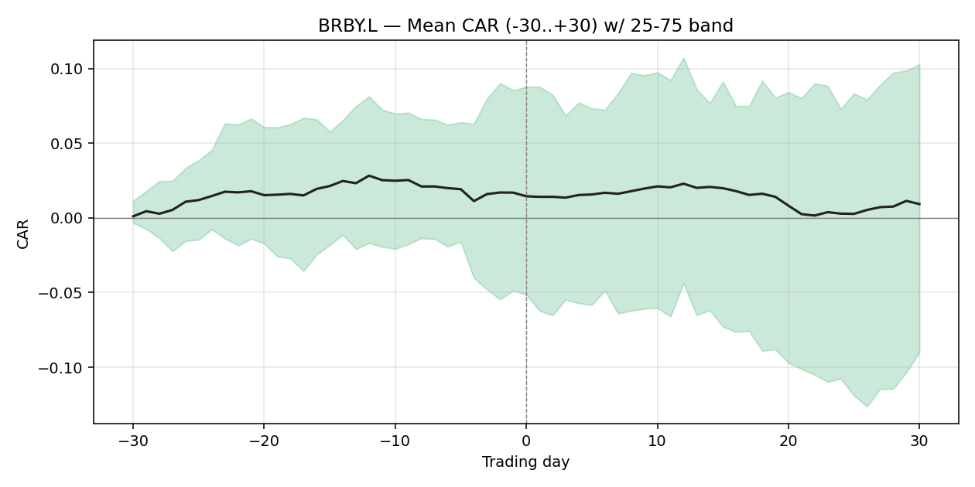

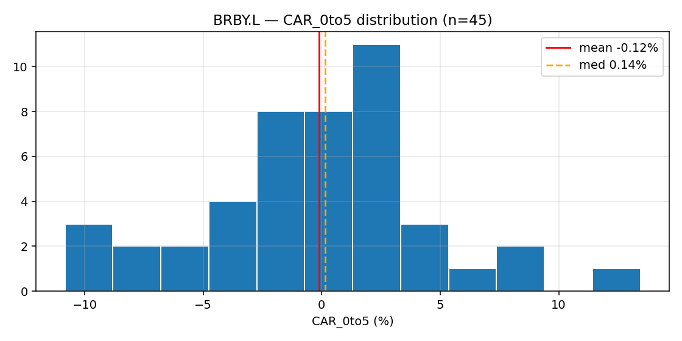

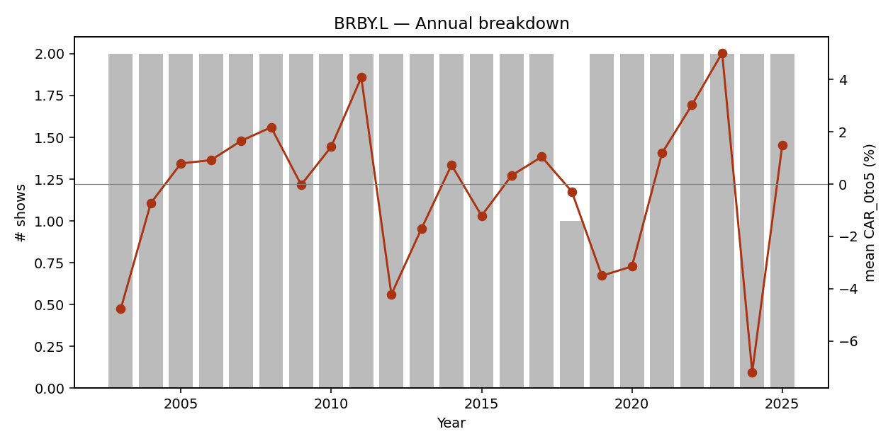

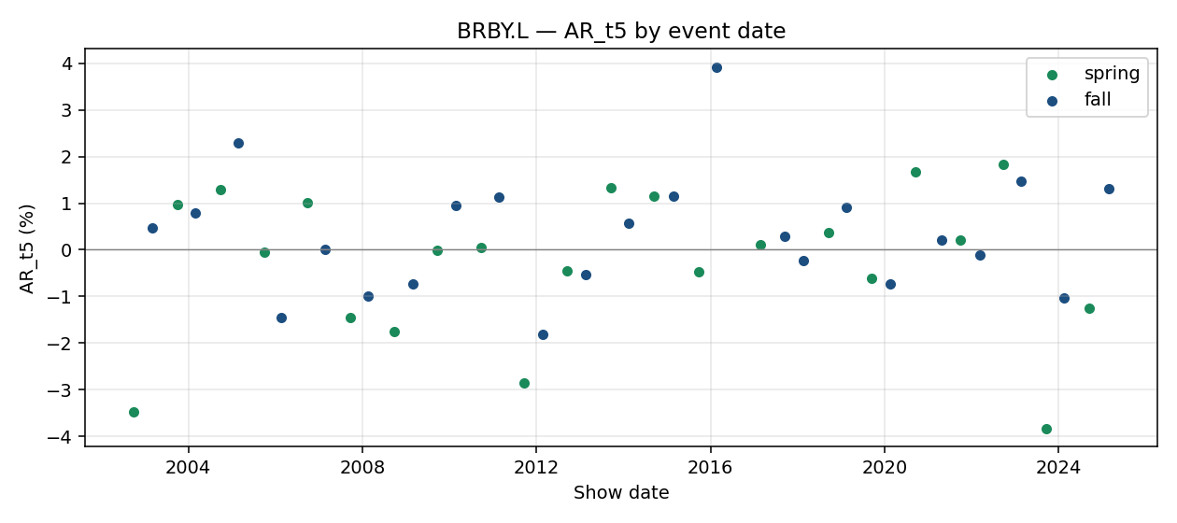

event_id | brand_slug | season | year | show_date | designer | trading_day_t0 | local_index_used | CAR_pre30 | CAR_pre10 | CAR_pre5 | CAR_0to1 | CAR_0to5 | CAR_0to10 | CAR_0to30 | AR_t1 | AR_t5
E00447 | burberry | spring | 2003 | 2002-09-29 |  | 2002-09-30 | ^FTSE | 0.1961 | -0.0508 | -0.12 | 0.0009 | -0.0825 | 0.0036 | 0.0904 | -0.0277 | -0.0348
E00448 | burberry | fall | 2003 | 2003-03-02 | of one of the largest and most broadly ba | 2003-03-03 | ^FTSE | 0.0859 | 0.0167 | 0.0183 | 0.0177 | -0.0131 | 0.0006 | -0.0803 | 0.0039 | 0.0048
E00449 | burberry | spring | 2004 | 2003-09-29 |  | 2003-09-29 | ^FTSE | 0.1465 | 0.065 | 0.0109 | 0.003 | 0.0184 | 0.0744 | 0.1446 | 0.0217 | 0.0096
E00450 | burberry | fall | 2004 | 2004-02-28 |  | 2004-03-01 | ^FTSE | -0.0487 | -0.0349 | 0.0129 | -0.0156 | -0.0329 | -0.0117 | 0.0069 | -0.0127 | 0.008
E00451 | burberry | spring | 2005 | 2004-09-27 |  | 2004-09-27 | ^FTSE | 0.0457 | 0.0306 | -0.0024 | -0.0254 | -0.0146 | -0.0577 | 0.001 | -0.0263 | 0.0129
E00452 | burberry | fall | 2005 | 2005-02-21 |  | 2005-02-21 | ^FTSE | -0.0712 | -0.0257 | 0.026 | -0.0029 | 0.0304 | 0.048 | 0.0841 | 0.0036 | 0.023
...

RMS.PA
Hermes (RMS.PA)
Benchmark: ^FCHI Type: Pure-play
Listing/first price: 2000-01-03
Events: 44
median CAR_0to5: 0.0073 mean CAR_0to5: 0.0024 confounded: 0/44

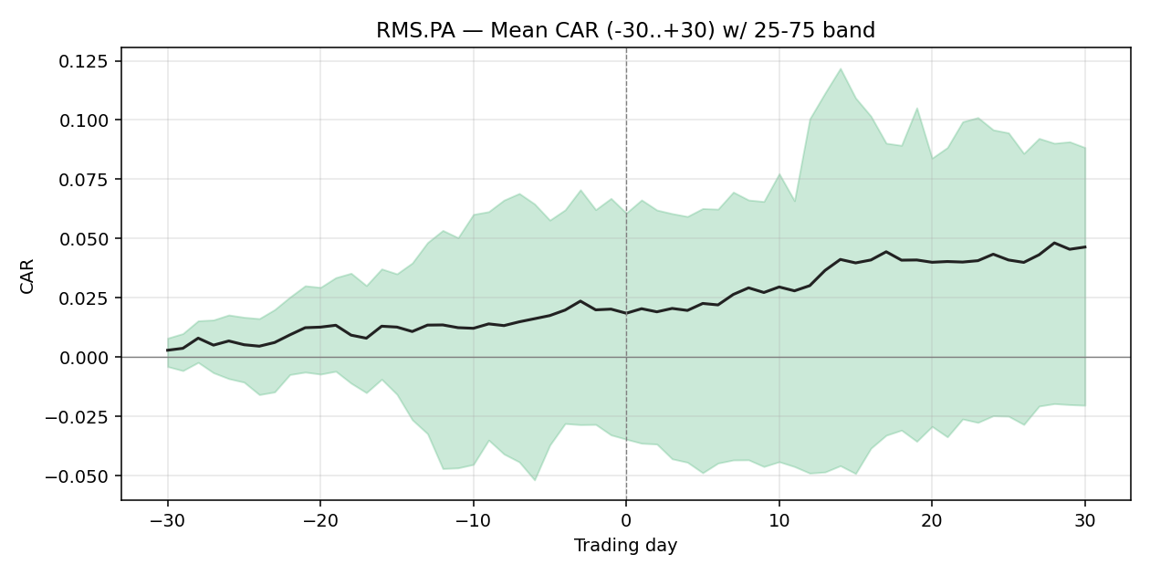

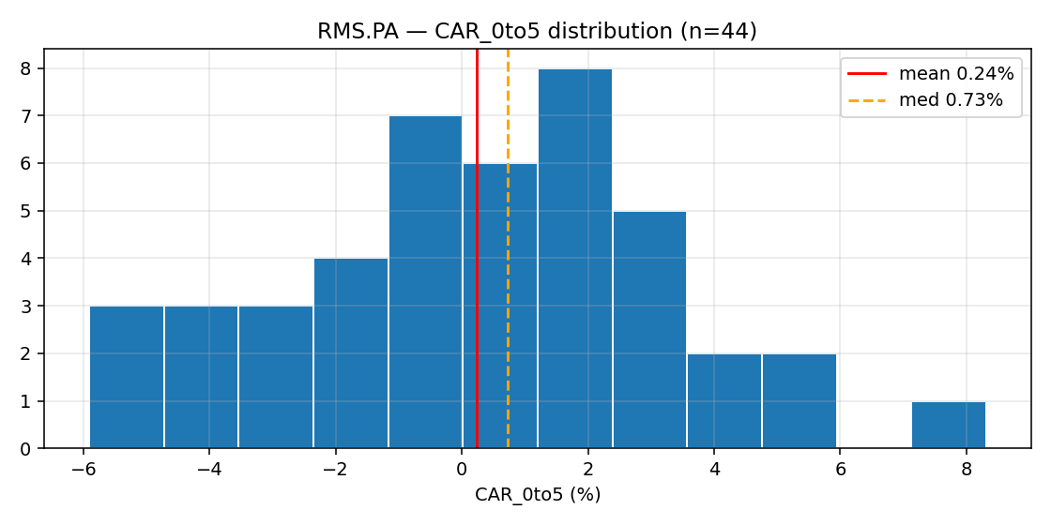

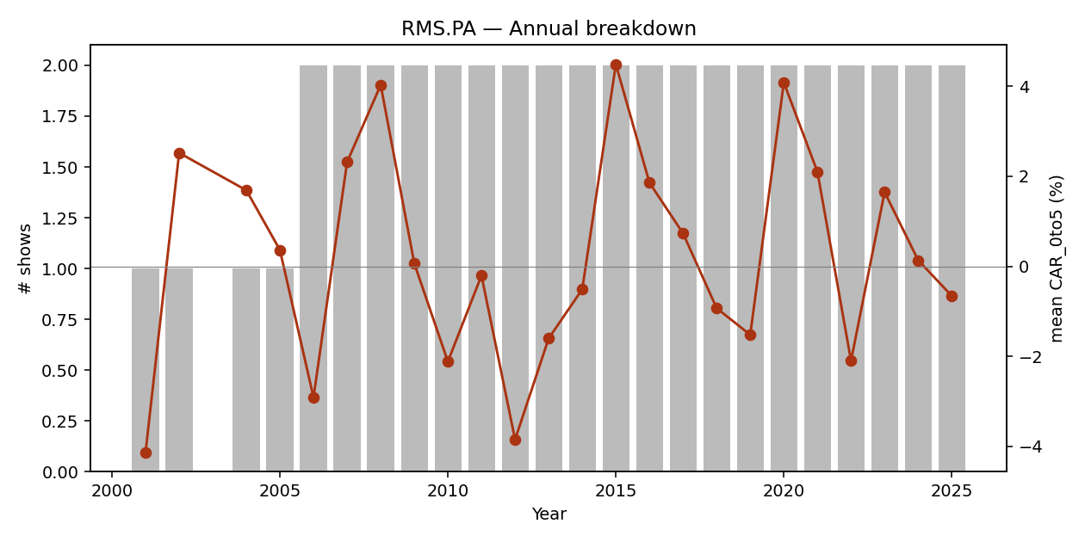

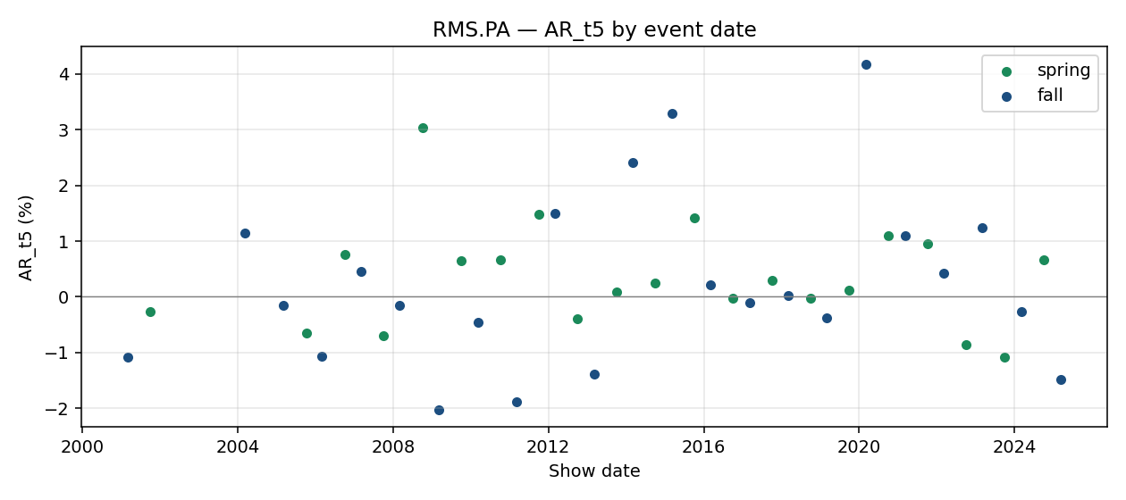

event_id | brand_slug | season | year | show_date | designer | trading_day_t0 | local_index_used | CAR_pre30 | CAR_pre10 | CAR_pre5 | CAR_0to1 | CAR_0to5 | CAR_0to10 | CAR_0to30 | AR_t1 | AR_t5
E00397 | hermes | fall | 2001 | 2001-03-05 |  | 2001-03-05 | ^FCHI | 0.0995 | 0.0517 | -0.0114 | -0.0268 | -0.0414 | -0.0222 | -0.0709 | -0.0123 | -0.0108
E00398 | hermes | spring | 2002 | 2001-10-02 |  | 2001-10-02 | ^FCHI | -0.105 | -0.0378 | -0.0085 | 0.0016 | 0.0252 | 0.0658 | 0.0641 | -0.0054 | -0.0027
E00399 | hermes | fall | 2004 | 2004-03-07 |  | 2004-03-08 | ^FCHI | -0.0157 | -0.0338 | -0.0002 | 0.028 | 0.0169 | 0.0124 | 0.0749 | 0.0136 | 0.0115
E00400 | hermes | fall | 2005 | 2005-03-04 |  | 2005-03-04 | ^FCHI | 0.0402 | -0.0287 | -0.0289 | 0.0035 | 0.0036 | 0.007 | -0.0487 | 0.0109 | -0.0015
E00401 | hermes | spring | 2006 | 2005-10-07 |  | 2005-10-07 | ^FCHI | 0.1443 | -0.0323 | -0.0212 | -0.003 | -0.0274 | -0.0128 | -0.0027 | 0.0031 | -0.0065
E00402 | hermes | fall | 2006 | 2006-03-03 |  | 2006-03-03 | ^FCHI | -0.0331 | 0.0301 | 0.0199 | 0.016 | -0.0309 | -0.0255 | -0.0772 | 0.0115 | -0.0108
...

CPRI
Capri Holdings (CPRI)
Benchmark: ^GSPC Type: Conglomerate
Listing/first price: 2011-12-15
Events: 40
median CAR_0to5: 0.0069 mean CAR_0to5: 0.0018 confounded: 5/40

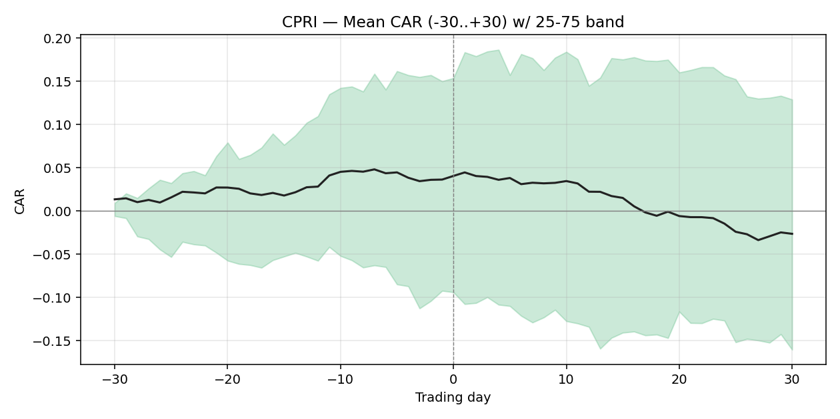

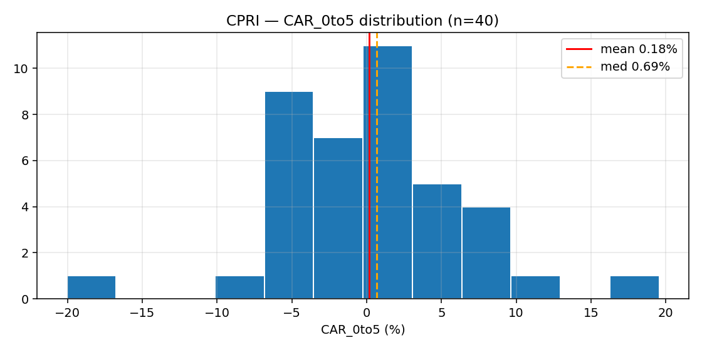

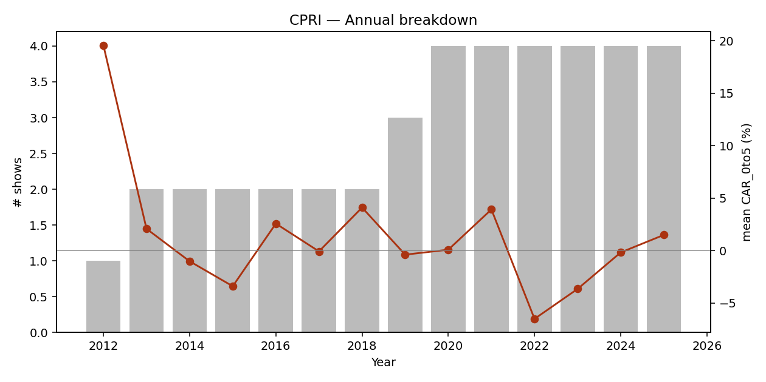

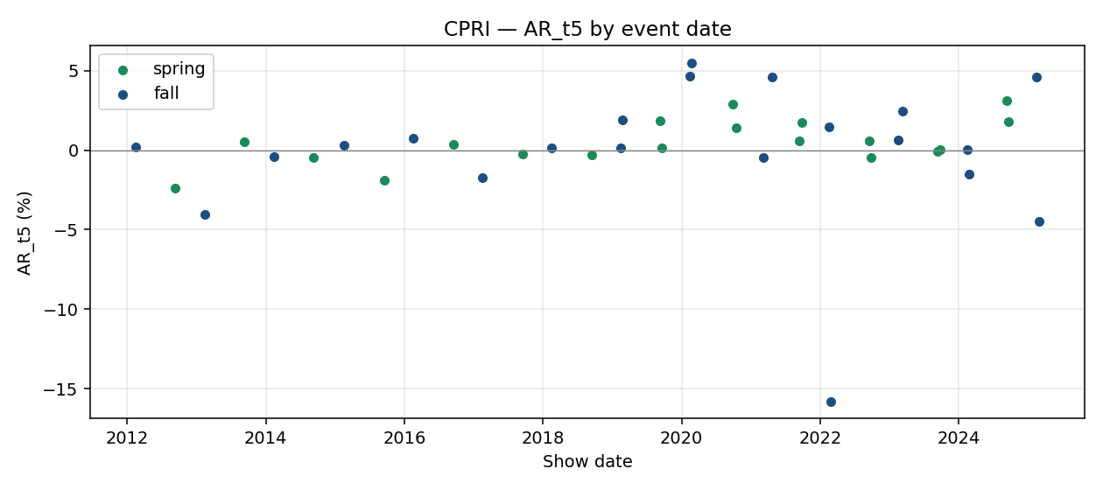

event_id | brand_slug | season | year | show_date | designer | trading_day_t0 | local_index_used | CAR_pre30 | CAR_pre10 | CAR_pre5 | CAR_0to1 | CAR_0to5 | CAR_0to10 | CAR_0to30 | AR_t1 | AR_t5
E00253 | michael-kors | fall | 2012 | 2012-02-14 |  | 2012-02-14 | ^GSPC | 0.143 | 0.0899 | 0.0089 | 0.2492 | 0.1956 | 0.2419 | 0.2533 | 0.0054 | 0.0021
E00254 | michael-kors | spring | 2013 | 2012-09-11 |  | 2012-09-11 | ^GSPC | 0.2275 | -0.0205 | -0.0242 | -0.0148 | -0.0379 | -0.0314 | 0.0389 | -0.0083 | -0.0241
E00255 | michael-kors | fall | 2013 | 2013-02-12 |  | 2013-02-12 | ^GSPC | 0.0755 | -0.0242 | 0.0232 | 0.0714 | 0.0793 | 0.0429 | -0.0402 | -0.0111 | -0.0404
E00256 | michael-kors | spring | 2014 | 2013-09-10 |  | 2013-09-10 | ^GSPC | 0.1658 | 0.0362 | -0.003 | -0.0242 | -0.0275 | -0.0348 | -0.0085 | 0.0155 | 0.0054
E00257 | michael-kors | fall | 2014 | 2014-02-11 |  | 2014-02-11 | ^GSPC | 0.1882 | 0.154 | 0.1875 | -0.006 | 0.007 | 0.0137 | -0.0664 | -0.0019 | -0.0042
E00258 | michael-kors | spring | 2015 | 2014-09-10 |  | 2014-09-10 | ^GSPC | -0.1104 | -0.074 | -0.0539 | -0.0062 | -0.0024 | -0.0208 | 0.0217 | -0.0004 | -0.0048
...

SFER.MI
Salvatore Ferragamo (SFER.MI)
Benchmark: FTSEMIB.MI Type: Pure-play
Listing/first price: 2011-06-29
Events: 28
median CAR_0to5: 0.0072 mean CAR_0to5: -0.0050 confounded: 1/28

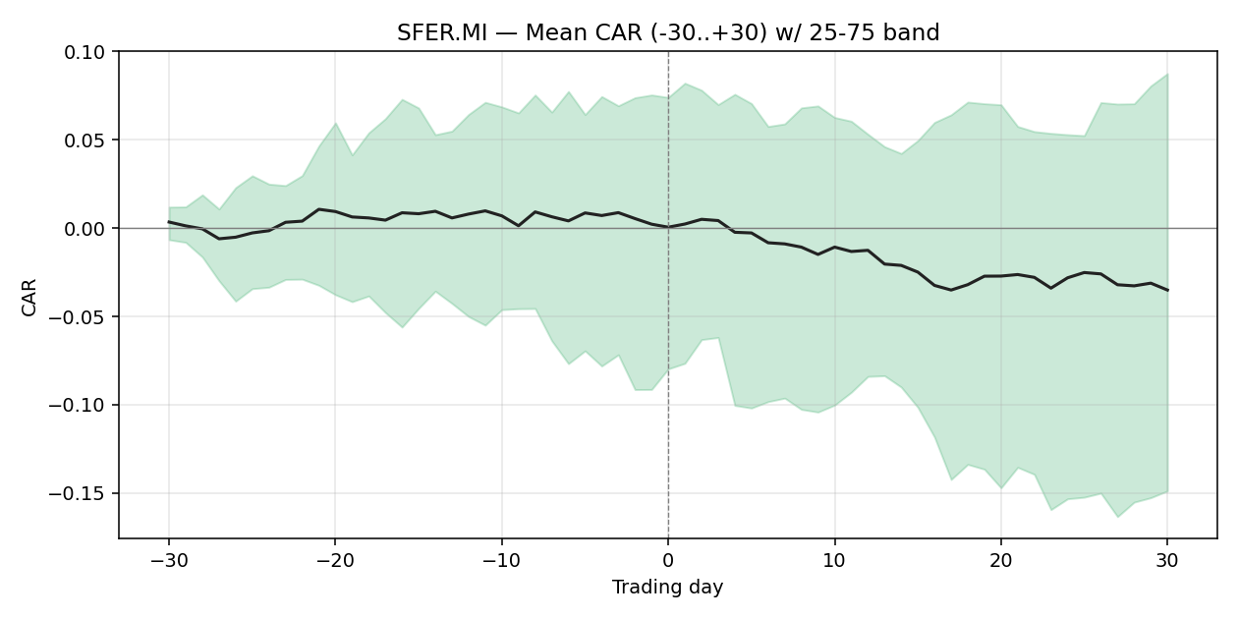

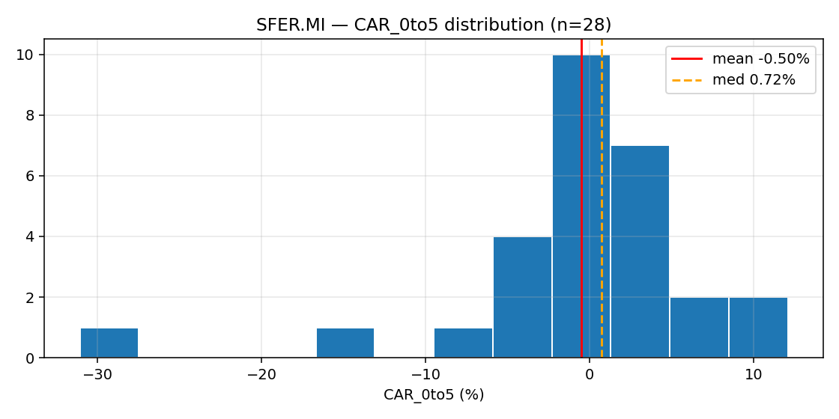

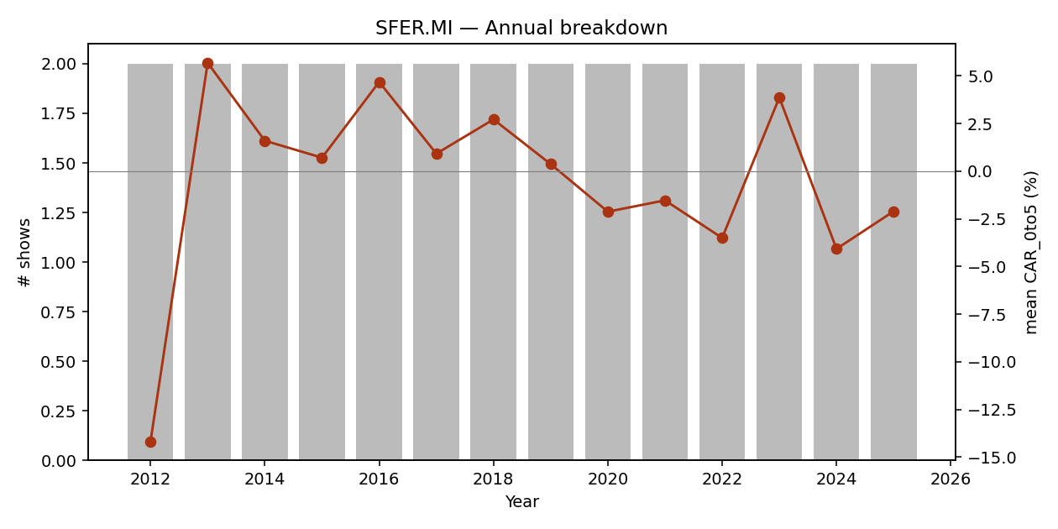

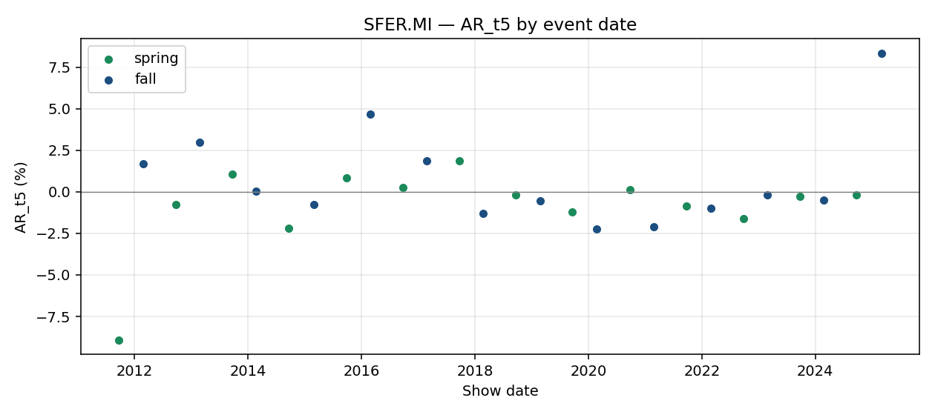

event_id | brand_slug | season | year | show_date | designer | trading_day_t0 | local_index_used | CAR_pre30 | CAR_pre10 | CAR_pre5 | CAR_0to1 | CAR_0to5 | CAR_0to10 | CAR_0to30 | AR_t1 | AR_t5
E00693 | salvatore-ferragamo | spring | 2012 | 2011-09-24 |  | 2011-09-26 | FTSEMIB.MI | 0.182 | 0.0024 | 0 | -0.0345 | -0.3108 | -0.2561 | -0.0881 | -0.0302 | -0.0893
E00694 | salvatore-ferragamo | fall | 2012 | 2012-02-25 |  | 2012-02-27 | FTSEMIB.MI | 0.1823 | 0.071 | -0.0007 | -0.0034 | 0.027 | 0.0475 | 0.2074 | -0.0015 | 0.0171
E00695 | salvatore-ferragamo | spring | 2013 | 2012-09-22 |  | 2012-09-24 | FTSEMIB.MI | -0.1135 | -0.0245 | 0.0347 | -0.0184 | 0.004 | 0.0057 | -0.0083 | -0.0179 | -0.0077
E00696 | salvatore-ferragamo | fall | 2013 | 2013-02-23 |  | 2013-02-25 | FTSEMIB.MI | 0.221 | 0.0807 | 0.0084 | 0.0267 | 0.1098 | 0.0984 | 0.0893 | 0.0325 | 0.0297
E00697 | salvatore-ferragamo | spring | 2014 | 2013-09-21 | seems interested in stretching himself as | 2013-09-23 | FTSEMIB.MI | -0.0445 | -0.0294 | -0.0088 | -0.0064 | 0.0279 | -0.0049 | -0.0869 | -0.0108 | 0.0109
E00698 | salvatore-ferragamo | fall | 2014 | 2014-02-22 |  | 2014-02-24 | FTSEMIB.MI | -0.1035 | -0.0344 | -0.0189 | 0.0183 | 0.0042 | -0.0387 | -0.1616 | 0.0006 | 0.0006
...

TPR
Tapestry (TPR)
Benchmark: ^GSPC Type: Conglomerate
Listing/first price: 2000-10-06
Events: 23
median CAR_0to5: 0.0097 mean CAR_0to5: 0.0072 confounded: 5/23

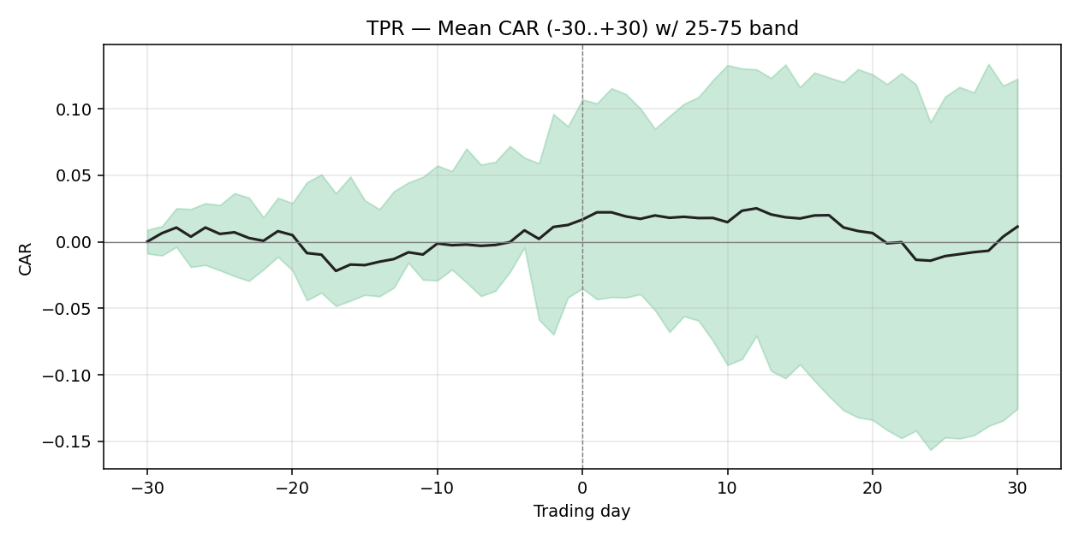

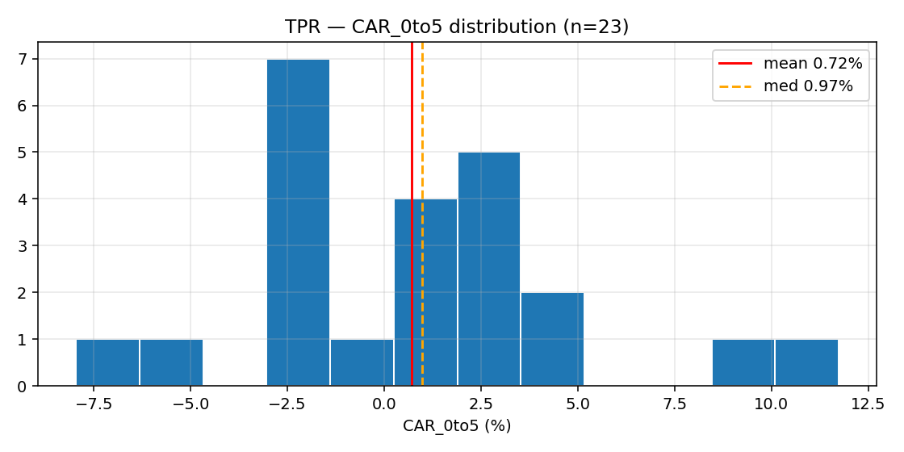

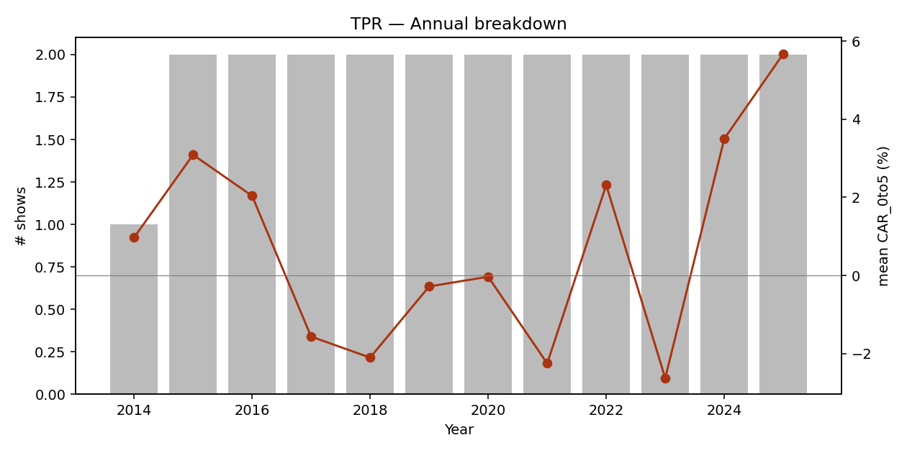

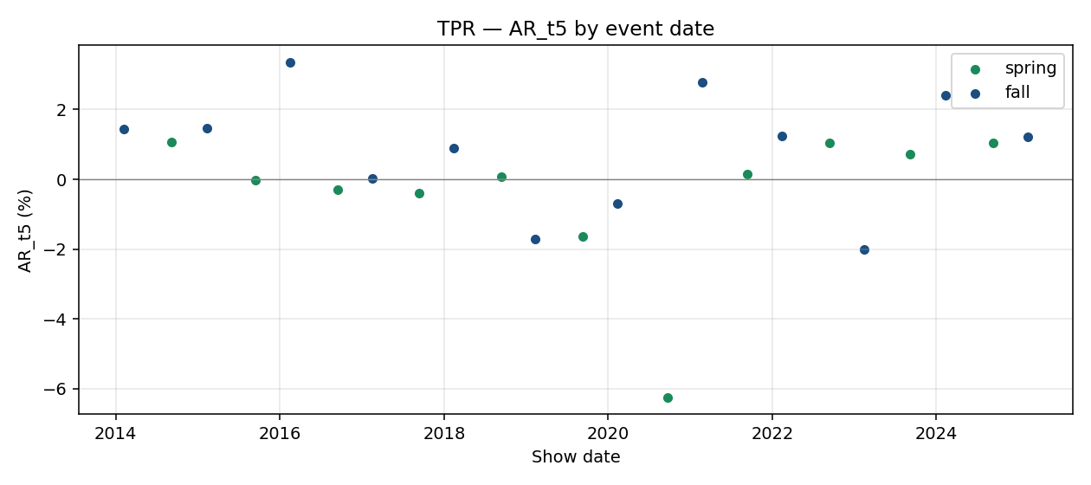

event_id | brand_slug | season | year | show_date | designer | trading_day_t0 | local_index_used | CAR_pre30 | CAR_pre10 | CAR_pre5 | CAR_0to1 | CAR_0to5 | CAR_0to10 | CAR_0to30 | AR_t1 | AR_t5
E00293 | coach | fall | 2014 | 2014-02-06 |  | 2014-02-06 | ^GSPC | -0.1733 | -0.032 | -0.0412 | 0.0207 | 0.0097 | 0.001 | 0.0446 | 0.011 | 0.0145
E00294 | coach | spring | 2015 | 2014-09-04 | last year | 2014-09-04 | ^GSPC | 0.0454 | -0.0074 | -0.0183 | 0.0318 | 0.033 | 0.0257 | 0.0415 | 0.01 | 0.0107
E00295 | coach | fall | 2015 | 2015-02-12 |  | 2015-02-12 | ^GSPC | 0.0582 | 0.049 | -0.0017 | -0.0064 | 0.0288 | 0.0789 | 0.0549 | 0.0121 | 0.0146
E00296 | coach | spring | 2016 | 2015-09-15 |  | 2015-09-15 | ^GSPC | 0.0123 | -0.0033 | -0.0223 | 0.0102 | 0.0029 | -0.0081 | 0.0316 | 0.0095 | -0.0003
E00297 | coach | fall | 2016 | 2016-02-16 |  | 2016-02-16 | ^GSPC | 0.1566 | -0.0308 | -0.0068 | 0.0081 | 0.0379 | 0.071 | 0.0622 | -0.0054 | 0.0336
E00298 | coach | spring | 2017 | 2016-09-13 | Stuart Vevers had girl gangs of a more th | 2016-09-13 | ^GSPC | -0.1306 | -0.0302 | -0.0054 | -0.0334 | -0.0296 | -0.0443 | -0.0365 | -0.0223 | -0.0031
...

BC.MI
Brunello Cucinelli (BC.MI)
Benchmark: FTSEMIB.MI Type: Pure-play
Listing/first price: 2012-04-27
Events: 22
median CAR_0to5: -0.0078 mean CAR_0to5: -0.0022 confounded: 0/22

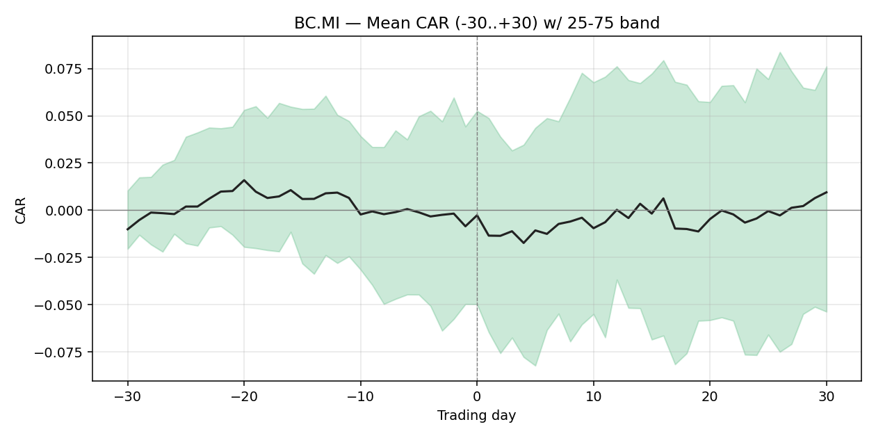

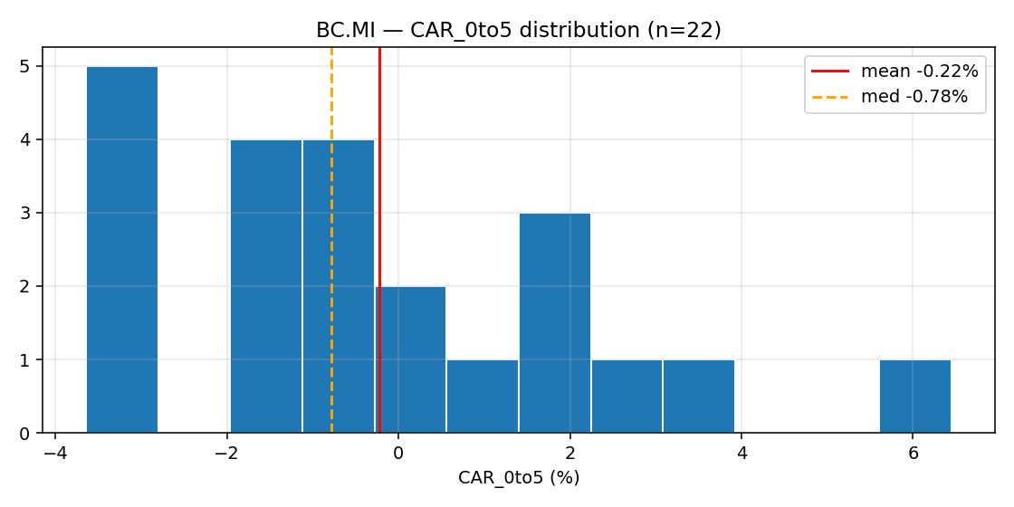





event_id | brand_slug | season | year | show_date | designer | trading_day_t0 | local_index_used | CAR_pre30 | CAR_pre10 | CAR_pre5 | CAR_0to1 | CAR_0to5 | CAR_0to10 | CAR_0to30 | AR_t1 | AR_t5
E00750 | brunello-cucinelli | spring | 2015 | 2014-09-17 |  | 2014-09-17 | FTSEMIB.MI | 0.0423 | -0.0973 | -0.054 | -0.0117 | -0.03 | -0.0746 | -0.0262 | 0.0009 | -0.0242
E00751 | brunello-cucinelli | fall | 2015 | 2015-02-25 |  | 2015-02-25 | FTSEMIB.MI | -0.2049 | -0.0768 | -0.0336 | 0.0004 | 0.0231 | -0.026 | -0.1188 | -0.0103 | -0.0129
E00752 | brunello-cucinelli | spring | 2016 | 2015-09-24 |  | 2015-09-24 | FTSEMIB.MI | 0.0517 | 0.0272 | 0.0173 | 0.0023 | 0.014 | 0.0179 | 0.037 | -0.016 | 0.0022
E00753 | brunello-cucinelli | fall | 2016 | 2016-02-24 |  | 2016-02-24 | FTSEMIB.MI | 0.0647 | 0.0157 | 0.0432 | 0.0154 | -0.0364 | -0.0197 | 0.0652 | -0.0188 | -0.0015
E00754 | brunello-cucinelli | spring | 2017 | 2016-09-21 |  | 2016-09-21 | FTSEMIB.MI | 0.0805 | 0.0363 | 0.0063 | -0.0217 | 0.0053 | -0.002 | 0.0015 | -0.0258 | -0.0054
E00755 | brunello-cucinelli | fall | 2017 | 2017-02-22 |  | 2017-02-22 | FTSEMIB.MI | -0.0494 | -0.0487 | -0.0151 | 0.0094 | -0.0322 | 0.0033 | 0.0561 | -0.0079 | -0.0052
...

BOSS.DE
Hugo Boss (BOSS.DE)
Benchmark: ^GDAXI Type: Pure-play
Listing/first price: 2000-01-03
Events: 21
median CAR_0to5: -0.0098 mean CAR_0to5: -0.0248 confounded: 2/21









event_id | brand_slug | season | year | show_date | designer | trading_day_t0 | local_index_used | CAR_pre30 | CAR_pre10 | CAR_pre5 | CAR_0to1 | CAR_0to5 | CAR_0to10 | CAR_0to30 | AR_t1 | AR_t5
E00608 | hugo-boss | spring | 2002 | 2001-09-26 |  | 2001-09-26 | ^GDAXI | -0.0357 | 0.128 | 0.1716 | 0.0121 | -0.0707 | -0.0192 | -0.1217 | -0.0375 | -0.0482
E00609 | hugo-boss | fall | 2002 | 2002-02-13 |  | 2002-02-13 | ^GDAXI | 0.0966 | -0.0017 | 0.0045 | -0.0106 | 0.0101 | -0.0525 | -0.0027 | -0.0064 | -0.0038
E00610 | hugo-boss | fall | 2014 | 2014-02-11 |  | 2014-02-11 | ^GDAXI | -0.073 | -0.0163 | -0.0083 | -0.0179 | -0.0216 | -0.0011 | 0.0134 | -0.003 | -0.0114
E00611 | hugo-boss | spring | 2015 | 2014-09-10 |  | 2014-09-10 | ^GDAXI | -0.0622 | -0.0773 | -0.07 | -0.0088 | -0.0117 | -0.0138 | 0.082 | -0.004 | -0.0059
E00612 | hugo-boss | fall | 2015 | 2015-02-18 | position at Boss | 2015-02-18 | ^GDAXI | -0.0362 | -0.0249 | 0.0227 | 0.0322 | 0.0161 | 0.0109 | -0.0664 | 0.0115 | -0.0205
E00613 | hugo-boss | spring | 2016 | 2015-09-16 |  | 2015-09-16 | ^GDAXI | -0.0031 | -0.0101 | 0.0081 | 0.0043 | 0.0301 | 0.0487 | -0.1296 | -0.0007 | -0.0029
...

MONC.MI
Moncler (MONC.MI)
Benchmark: FTSEMIB.MI Type: Pure-play
Listing/first price: 2013-12-16
Events: 10
median CAR_0to5: 0.0041 mean CAR_0to5: -0.0063 confounded: 2/10









event_id | brand_slug | season | year | show_date | designer | trading_day_t0 | local_index_used | CAR_pre30 | CAR_pre10 | CAR_pre5 | CAR_0to1 | CAR_0to5 | CAR_0to10 | CAR_0to30 | AR_t1 | AR_t5
E00598 | moncler | fall | 2014 | 2014-03-04 |  | 2014-03-04 | FTSEMIB.MI | -0.1042 | -0.0466 | -0.0983 | -0.0446 | -0.0316 | -0.0736 | -0.0771 | -0.0144 | -0.0218
E00599 | moncler | spring | 2015 | 2014-10-01 |  | 2014-10-01 | FTSEMIB.MI | -0.1259 | -0.0808 | -0.0661 | 0.0211 | 0.0518 | 0.0492 | 0.0847 | 0.0122 | -0.0069
E00600 | moncler | fall | 2015 | 2015-03-11 |  | 2015-03-11 | FTSEMIB.MI | 0.0566 | 0.1094 | 0.096 | -0.0158 | 0.0122 | -0.0145 | 0.0609 | 0.0004 | -0.0177
E00601 | moncler | spring | 2016 | 2015-10-07 | Giambattista Valli explained how a plumpe | 2015-10-07 | FTSEMIB.MI | -0.0357 | -0.0507 | -0.0717 | 0.0257 | -0.082 | -0.1308 | -0.0362 | 0.0171 | -0.0229
E00602 | moncler | fall | 2016 | 2016-03-09 |  | 2016-03-09 | FTSEMIB.MI | 0.1548 | 0.0578 | 0.0387 | -0.0075 | -0.0495 | -0.0593 | -0.0598 | -0.0326 | -0.0069
E00603 | moncler | spring | 2017 | 2016-10-05 |  | 2016-10-05 | FTSEMIB.MI | 0.0077 | -0.0282 | 0.0079 | -0.0053 | -0.004 | -0.0234 | -0.0406 | -0.0055 | -0.0037
...

