Sheet1
 | Case No | Steps | Result | Status
1 | 1 | Goto User Details -> Add User and Click Back | Abort | completed
2 | 2 | After Adding User go to Edit User and Click Update (With out any changes) |  | completed
3 | 3 | Goto Parking Details -> Add User and Click Back
4 | 4 | Parking Update Page | Change the Button to Update instead of Submit | completed
5 | 5 | Allocate the parking to new user come to user details page Delete the user | Error displaying is correct but Error text is wrong. "Are you sure want to delete?" - Wrong "Parking is already allocated to this User - Can not be deleted" - right | completed
6 | 6 | After Allocate the parking to new user Go to Allocation Page, Delete that allocation. | 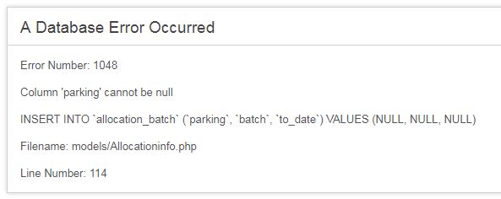 | working fine
7 | 7 | Parking Page - Allignment wrong | Name , Group (Left allignement) others are center allignment | completed
8 | 8 | If the person has 2 parkings.. He choose to change one. He got the new parking what ever he choose to change was cancelled and send mail to him which is correct | But the mail does not say that which parking was cencelled also no mail has been sent to "Billing Company" (Cancelation Mail) | completed
9 | 9 | Same steps as above cancelled parking was sent to first 3 person in the queue. Which is correct | But the mail content is wrong. Kära Samer, Du har placerats i fördelningen av parkering Logga in här | completed
10 | 10 | in the above 2 cases Change_parking table was not cleared.. | Check that | In Progress
11 | 11 | After Approval | Check flow | In Progress
12 | 12 | Parking Pie Chart | Allocation Check Total | discussed it's correct
13 | 13 | Parking Type Pie Chart | M-Plats check up | Completed
14 | 14 | Parking Pie Chart Click go to link inactive view in parking table |  | Need time to check
15 | 15 | If Parking no queue members inactive that parking |  | In Progress

