REQ_Phase2
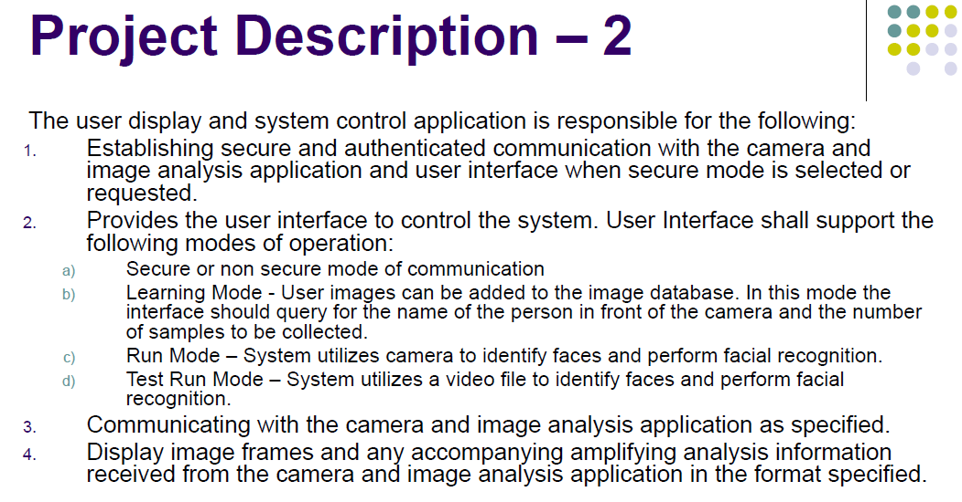
REQ-D-01
REQ-D-01
REQ-D-17
REQ-Q-06
REQ-D-10
REQ-D-11
REQ-D-08
REQ-D-02
REQ | Description
 | Establishing connection between Client and Server
 | Support Secure Mode
REQ-Q-06
REQ-D-10
REQ-D-11
REQ-D-09
REQ-D-03
 | Suuport Non Secure Mode
REQ-D-04
 | Suuport Learning Mode
REQ-Q-06
REQ-D-05
REQ-D-02
REQ-D-03
 | Suuport Run Mode
REQ-D-13
REQ-D-06
REQ-D-04
 | Suuport Test Run Mode
REQ-D-07
REQ-D-05
 | Display Result
REQ-Q-01
REQ-D-06
 | Architect Document
REQ-Q-02
 | Coded to be secure and free of vulnerabilities
REQ-Q-08
REQ-Q-03
????
 | Proper fault/error detection, recovery, reporting ?????뭔소리임
REQ-Q-04
REQ-D-07
 | static analysis
REQ-Q-07
REQ-Q-05
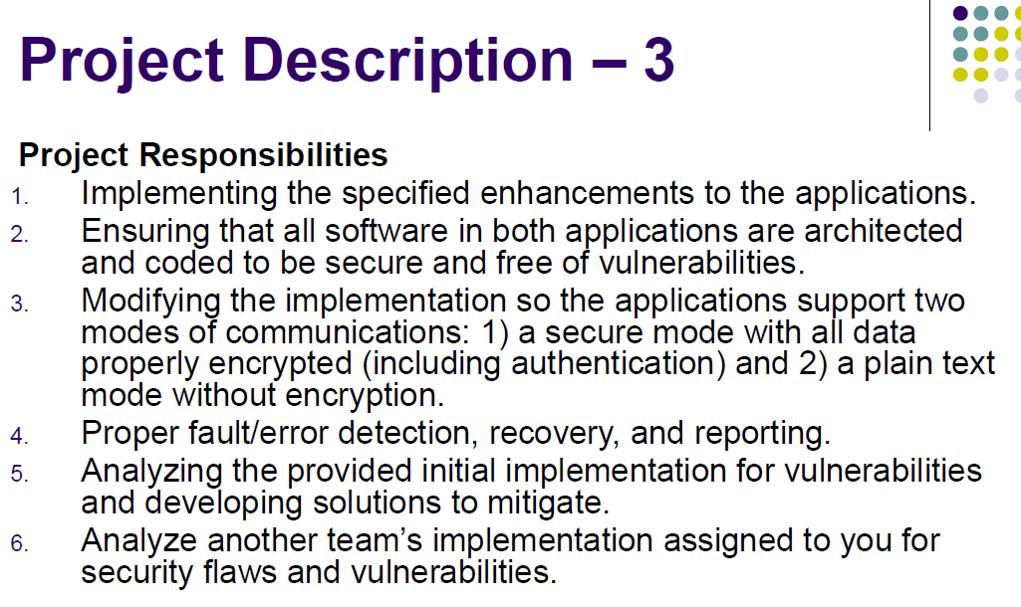
 | mitigate threat and vulnerabilities
REQ-D-12
additional consideration
 | save video file 우리 시스템에서 고려안되어있음
REQ-D-19
REQ-D-14
 | [login feature] 2fa user authentication
REQ-D-19
REQ-D-15
REQ-Q-01
REQ-Q-02
 | [login feature] user credntials must be protected
REQ-D-16
 | lost or compromise credentials must be handled (ex: login 횟수제한)
REQ-D-18
REQ-D-08
 | users should be confident that the camera they are using is the one that they believe is.
REQ-D-19
REQ-D-09
 | the system must ensure that multiple video feeds remain private between the users
REQ-D-20
 | the system must ensure that video is reliably delivered
REQ-D-21
REQ-Q-03
 | the system should recover from networking error asap
REQ-Q-10
REQ-Q-09
REQ-Q-04
 | coding standard
REQ-Q-05
 | quality standard
REQ-Q-11
Phase 2
 | test cases and verification

REQ-D-10
REQ-D-11
REQ-D-12
REQ-D-13
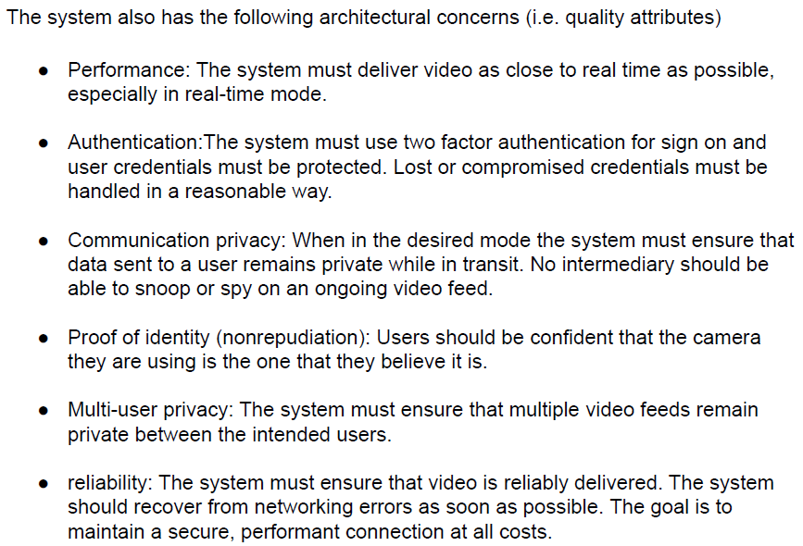

REQ-Q-06

REQ-D-14
REQ-D-15
REQ-D-16
REQ-D-17

????
REQ-D-18

REQ-D-19

REQ-D-20
REQ-D-21

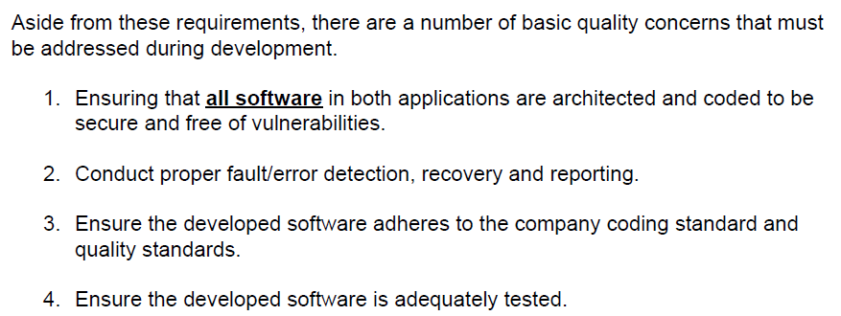

REQ-Q-07

REQ-Q-08

REQ-Q-09
REQ-Q-10
REQ-Q-11

