Sheet1
Requirements of 'Project Description-1,2,3', Secure Coding Training Program
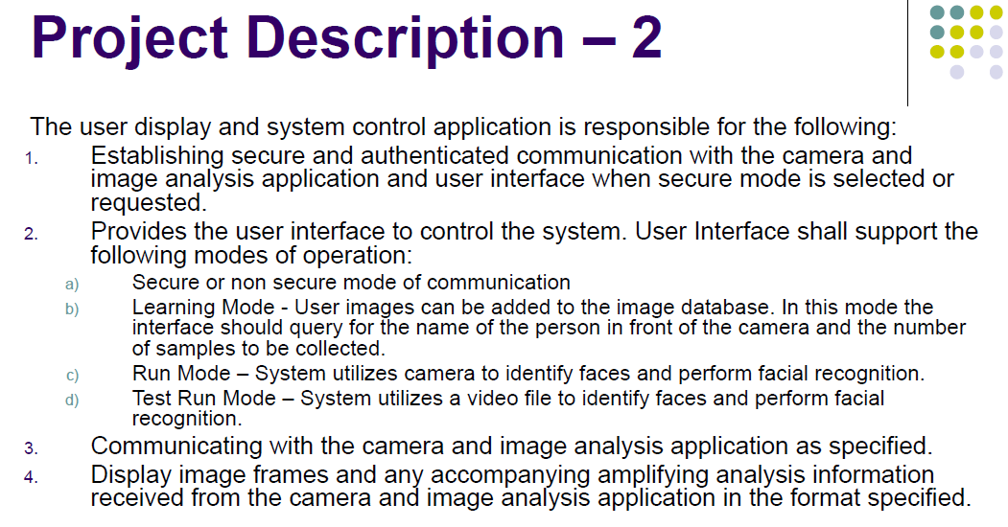
REQ-D-01
Requirements from CMU documents on left |  |  |  | Re-define Requirement from 'REQ-*' Merged the duplicated 'REQ-*' to 'CMU-REQ-*' |  |  | Finalize REQs with DAN |  | Re-define LG Definition (LG-REQ-*) from 'CMU-REQ-*'

REQ-D-02
REQ-D-03
REQ-D-04
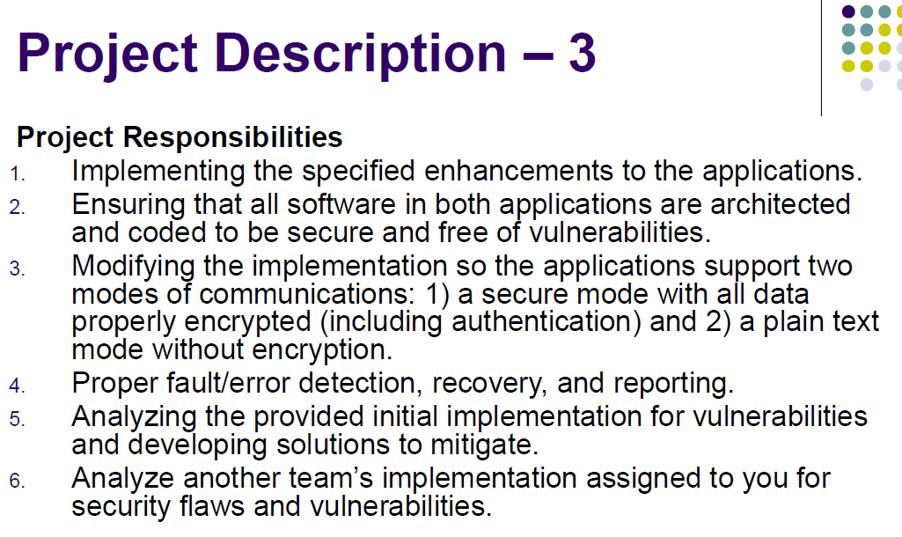
REQ-D-05
REQ-D-06
REQ-D-07
DEVELOPMENT |  |  |  | DEVELOPMENT |  |  | To Do (excluding req of Tart an Architecure Doc) |  | DEVELOPMENT
 | ID | Reference | Description |  | ID | Description
 | REQ-D-01 | REQ-D-02 REQ-D-03 | Establishing connection between Client and Server |  | CMU-REQ-D-01 | Establishing connection between Client and Server | Mandatory |  | LG-LEQ-D-01 | [Common Requirement of each modes below] 1. Connect PC and Jetson Nano 2. Do AI Face Recognition at Jetson Nano 3. Send the result to PC and PC show the result
additional consideration
REQ-Q-01
 | REQ-D-02 |  | Support Secure Mode |  | CMU-REQ-D-02 | A user should be able to initiate a video feed, and a feed in Support Secure Mode | Mandatory |  | LG-REQ-D-02 | Support Secure Mode - Display the result should be protected on the network
REQ-Q-02
 | REQ-D-03 |  | Support Non Secure Mode |  | CMU-REQ-D-03 | A user should be able to initiate a video feed, and a feed in Support Non Secure Mode | Mandatory |  | LG-REQ-D-03 | Support Non Secure Mode - Display the result should not be protected on the network
REQ-D-08
REQ-D-09
 | REQ-D-04 |  | Support Learning Mode - Register new person to the Server |  | CMU-REQ-D-04 | Support Learning Mode - Register new person to the Server | Mandatory |  | LG-REQ-D-04 | Support Learning Mode - Save a face image with name and refer the image when AI Face Recognition
 | REQ-D-05 |  | Support Run Mode - System identifies faces and performs facial recognition |  | CMU-REQ-D-05 | Support Run Mode - System identifies faces and performs facial recognition | Mandatory |  | LG-REQ-D-05 | Support Run Mode - AI Face Recognition using camera
REQ-Q-03
REQ-Q-04
 | REQ-D-06 |  | Support Test Run Mode |  | CMU-REQ-D-06 | Support Test Run Mode ; A user should be able to tune image analysis with local file | Mandatory |  | LG-REQ-D-06 | Support Test Run Mode - AI Face Recognition using local file(=friends.mp4)
REQ-Q-05
 | REQ-D-07 |  | Display Result - Face-recognized images |  | CMU-REQ-D-07 | Display Result - Face-recognized images | Mandatory |  | LG-REQ-D-07 | PC displays the result received from Jetson Nano
Phase 2
 | REQ-D-08 | REQ-D-02
 | REQ-D-09 | REQ-D-03
* reference : LG May 2021 Lecture Secure Coding Project Intro V1.1.pptx.pdf
 | REQ-D-10 | REQ-D-02 REQ-D-03 | A user should be able to initiate a video feed, end a feed
Requirements of Tartan Secure Camera Application
 | REQ-D-11 | REQ-D-02 REQ-D-03 | A user should be able to end a video feed
 | REQ-D-12 |  | A user should be able to save a video feed for offline review |  | CMU-REQ-D-08 | A user should be able to save a video feed for offline review | Excluded |  | LG-REQ-D-08 | Do Test Run Mode using the saved video file. the video file is made by using the camera input
 | REQ-D-13 | REQ-D-06 | A user should be able to tune image analysis
REQ-D-10
REQ-D-11
 | REQ-D-14 |  | The system must use 2FA |  | CMU-REQ-D-09 | The system must use 2FA | Mandatory | SR-01 | LG-REQ-D-09 | Log-In User (Admin, Operator) using 2FA
REQ-D-12
 | REQ-D-15 |  | User credentials must be protected |  | CMU-REQ-D-10 | User credentials must be protected | Mandatory | SR-13 | LG-REQ-D-10 | User Credentials MUST be managed securely
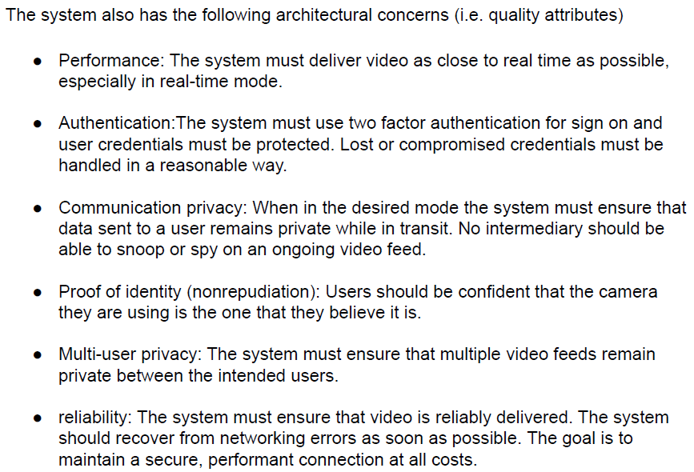
REQ-D-13
 | REQ-D-16 |  | Lost or compromised credentials must be handled in a reasonable way |  | CMU-REQ-D-11 | Lost or compromised credentials must be handled in a reasonable way | Excluded |  | LG-REQ-D-11 | Lost or compromised credentials must be handled in a reasonable way
 | REQ-D-17 | REQ-D-02 | data send to a user remains private while in transit. No intermediary to be snoop or spy
REQ-Q-06
 | REQ-D-18 |  | Nonrepudiation, Users should be confident that the camera they are using is the one that they belive it is |  | CMU-REQ-D-12 | Nonrepudiation, Users should be confident that the camera they are using is the one that they believe it is | Excluded |  | LG-REQ-D-12 | PC should authenticate the identity of Jetson Nano
 | REQ-D-19 |  | Multi-user Privacy , multiple video feeds remain private between the users |  | CMU-REQ-D-13 | Multi-user Privacy , multiple video feeds remain private between the users | Excluded |  | LG-REQ-D-13 | Each user does the AI face recognition using the saved-face-image dedicated by the user
REQ-D-14
REQ-D-15
REQ-D-16
 | REQ-D-20 |  | Reliability, the video is reliably delivered. |  | CMU-REQ-D-14 | Reliability, the video is reliably delivered. | Mandatory |  | LG-REQ-D-14 | Reliability, the video is reliably delivered.
 | REQ-D-21 |  | Recover from networking errors asap |  | CMU-REQ-D-15 | Recover from networking errors asap | considered | SR-03 | LG-REQ-D-15 | Recover from networking errors asap
REQ-D-17
QUALITY |  |  |  | QUALITY |  |  |  |  | QUALITY
 | REQ-Q-01 |  | All SW in both aplicatins are architected |  | CMU-REQ-Q-01 | Architecture Docs | Mandatory | artifacts | LG-REQ-Q-01 | Make docs for system architecture
REQ-D-18
 | REQ-Q-02 |  | Coded to be secure and free of vulnerabilities |  | CMU-REQ-Q-02 | Coded to be secure and free of vulnerabilities | Mandatory | code review & SA | LG-REQ-Q-02 | Coded to be secure and free of vulnerabilities
 | REQ-Q-03 |  | Proper fault/error detection, recovery, reporting |  | CMU-REQ-Q-03 | Proper fault/error detection, recovery, reporting | Mandatory |  | LG-REQ-Q-03 | Using Issue management system
REQ-D-19
 | REQ-Q-04 |  | Analying initial implementation for vulnerabilities |  | CMU-REQ-Q-04 | Analying initial implementation for vulnerabilities | Mandatory | SA | LG-REQ-Q-04 | Do Static Analysis about source codes
 | REQ-Q-05 |  | Developing solutions to mitigate |  | CMU-REQ-Q-05 | Developing solutions to mitigate | Mandatory | Mitigated Art. | LG-REQ-Q-05 | Mitigate threat and vulnerabilities
REQ-D-20
 | REQ-Q-06 |  | The system must deliver video as close to real time asap in real-time mode |  | CMU-REQ-Q-06 | The system must deliver video as close to real time asap in real-time mode | Excluded |  | LG-REQ-Q-06 | Guarantee video feed quality
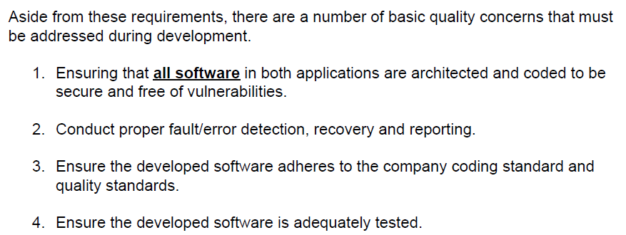
REQ-D-21
 | REQ-Q-07 | REQ-Q-01 REQ-Q-02 | All SW in both application are architected and coded to be secure and free of vulnerabilities
 | REQ-Q-08 | REQ-Q-03 | Conduct proper fault/error detection, recovery and reporting
REQ-Q-07
 | REQ-Q-09 |  | adheres to the company coding standard |  | CMU-REQ-Q-07 | adheres to the company coding standard | Excluded |  | LG-REQ-Q-07 | adheres to the company coding standard
 | REQ-Q-10 |  | adheres to the company quality standard |  | CMU-REQ-Q-08 | adheres to the company quality standard | Excluded |  | LG-REQ-Q-08 | adheres to the company quality standard
REQ-Q-08
???
 | REQ-Q-11 |  | Ensure the developed software is adaequately tested |  | CMU-REQ-Q-09 | Ensure the developed software is adaequately tested | Excluded |  | LG-REQ-Q-09 | Ensure the developed software is adaequately tested
REQ-Q-09
REQ-Q-10
REQ-Q-11

* reference : LG Security Class Project Description.pdf

backup
Requirements of Secure Coding Training Program, Project Description-1,2,3
REQ-D-01
Requirements from CMU documents on left |  |  |  | Re-define Requirement from 'REQ-*' Merged the duplicated 'REQ-*' to 'CMU-REQ-*' |  |  | Re-define LG Definition (LG-REQ-*) from 'CMU-REQ-*' |  | Finalize REQs with Jeff and DAN

REQ-D-02
REQ-D-03
DEVELOPMENT |  |  |  | DEVELOPMENT |  |  | DEVELOPMENT |  | To Do (excluding req of Tartan Architecure Doc)
REQ-D-04
REQ-D-05
REQ-D-06
REQ-D-07
additional consideration
REQ-Q-01
REQ-Q-02
 | REQ-D-01 | REQ-D-02 REQ-D-03 | Establishing connection between Client and Server |  | CMU-REQ-D-01 | Establishing connection between Client and Server | LG-LEQ-D-01 | [Common Requirement of each modes below] 1. Connect PC and Jetson Nano 2. Do AI Face Recognition at Jetson Nano 3. Send the result to PC and PC show the result
 | REQ-D-02 |  | Support Secure Mode |  | CMU-REQ-D-02 | A user should be able to initiate a video feed, and a feed in Support Secure Mode | LG-REQ-D-02 | Support Secure Mode - Display the result should be protected on the network
 | REQ-D-03 |  | Support Non Secure Mode |  | CMU-REQ-D-03 | A user should be able to initiate a video feed, and a feed in Support Non Secure Mode | LG-REQ-D-03 | Support Non Secure Mode - Display the result should not be protected on the network
REQ-D-08
REQ-D-09
 | REQ-D-04 |  | Support Learning Mode - Register new person to the Server |  | CMU-REQ-D-04 | Support Learning Mode - Register new person to the Server | LG-REQ-D-04 | Support Learning Mode - Save a face image with name and refer the image when AI Face Recognition
 | REQ-D-05 |  | Support Run Mode - System identifies faces and performs facial recognition |  | CMU-REQ-D-05 | Support Run Mode - System identifies faces and performs facial recognition | LG-REQ-D-05 | Support Run Mode - AI Face Recognition using camera
REQ-Q-03
REQ-Q-04
 | REQ-D-06 |  | Support Test Run Mode |  | CMU-REQ-D-06 | Support Test Run Mode ; A user should be able to tune image analysis with local file | LG-REQ-D-06 | Support Test Run Mode - AI Face Recognition using local file(=friends.mp4)
REQ-Q-05
 | REQ-D-07 |  | Display Result - Face-recognized images |  | CMU-REQ-D-07 | Display Result - Face-recognized images | LG-REQ-D-07 | PC displays the result received from Jetson Nano
Phase 2
 | REQ-D-08 | REQ-D-02
 | REQ-D-09 | REQ-D-03
* reference : LG May 2021 Lecture Secure Coding Project Intro V1.1.pptx.pdf
 | REQ-D-10 | REQ-D-02 REQ-D-03 | A user should be able to initiate a video feed, end a feed
Requirements of Tartan Secure Camera Application
 | REQ-D-11 | REQ-D-02 REQ-D-03 | A user should be able to end a video feed
 | REQ-D-12 |  | A user should be able to save a video feed for offline review |  | CMU-REQ-D-08 | A user should be able to save a video feed for offline review | LG-REQ-D-08 | Do Test Run Mode using the saved video file. the video file is made by using the camera input | x
 | REQ-D-13 | REQ-D-06 | A user should be able to tune image analysis
REQ-D-10
REQ-D-11
 | REQ-D-14 |  | The system must use 2FA |  | CMU-REQ-D-09 | The system must use 2FA | LG-REQ-D-09 | Log-In User (Admin, Operator) using 2FA
REQ-D-12
 | REQ-D-15 |  | User credentials must be protected |  | CMU-REQ-D-10 | User credentials must be protected | LG-REQ-D-10 | User Credentials MUST be managed securely
REQ-D-13
 | REQ-D-16 |  | Lost or compromised credentials must be handled in a reasonable way |  | CMU-REQ-D-11 | Lost or compromised credentials must be handled in a reasonable way | LG-REQ-D-11 | Lost or compromised credentials must be handled in a reasonable way | x
 | REQ-D-17 | REQ-D-02 | data send to a user remains private while in transit. No intermediary to be snoop or spy
REQ-Q-06
 | REQ-D-18 |  | Nonrepudiation, Users should be confident that the camera they are using is the one that they belive it is |  | CMU-REQ-D-12 | Nonrepudiation, Users should be confident that the camera they are using is the one that they believe it is | LG-REQ-D-12 | PC should authenticate the identity of Jetson Nano | x
 | REQ-D-19 |  | Multi-user Privacy , multiple video feeds remain private between the users |  | CMU-REQ-D-13 | Multi-user Privacy , multiple video feeds remain private between the users | LG-REQ-D-13 | Each user does the AI face recognition using the saved-face-image dedicated by the user | x
REQ-D-14
REQ-D-15
REQ-D-16
 | REQ-D-20 |  | Reliability, the video is reliably delivered. |  | CMU-REQ-D-14 | Reliability, the video is reliably delivered. | LG-REQ-D-14 | Reliability, the video is reliably delivered.
 | REQ-D-21 |  | Recover from networking errors asap |  | CMU-REQ-D-15 | Recover from networking errors asap | LG-REQ-D-15 | Recover from networking errors asap | need to improve
REQ-D-17
QUALITY |  |  |  | QUALITY |  |  | QUALITY
 | REQ-Q-01 |  | All SW in both aplicatins are architected |  | CMU-REQ-Q-01 | Architecture Docs | LG-REQ-Q-01 | Make docs for system architecture
REQ-D-18
 | REQ-Q-02 |  | Coded to be secure and free of vulnerabilities |  | CMU-REQ-Q-02 | Coded to be secure and free of vulnerabilities | LG-REQ-Q-02 | Coded to be secure and free of vulnerabilities
 | REQ-Q-03 |  | Proper fault/error detection, recovery, reporting |  | CMU-REQ-Q-03 | Proper fault/error detection, recovery, reporting | LG-REQ-Q-03 | Using Issue management system
REQ-D-19
 | REQ-Q-04 |  | Analying initial implementation for vulnerabilities |  | CMU-REQ-Q-04 | Analying initial implementation for vulnerabilities | LG-REQ-Q-04 | Do Static Analysis about source codes
 | REQ-Q-05 |  | Developing solutions to mitigate |  | CMU-REQ-Q-05 | Developing solutions to mitigate | LG-REQ-Q-05 | Mitigate threat and vulnerabilities
REQ-D-20
 | REQ-Q-06 |  | The system must deliver video as close to real time asap in real-time mode |  | CMU-REQ-Q-06 | The system must deliver video as close to real time asap in real-time mode | LG-REQ-Q-06 | Guarantee video feed quality | x
REQ-D-21
 | REQ-Q-07 | REQ-Q-01 REQ-Q-02 | All SW in both application are architected and coded to be secure and free of vulnerabilities
 | REQ-Q-08 | REQ-Q-03 | Conduct proper fault/error detection, recovery and reporting
REQ-Q-07
 | REQ-Q-09 |  | adheres to the company coding standard |  | CMU-REQ-Q-07 | adheres to the company coding standard | LG-REQ-Q-07 | adheres to the company coding standard | x
 | REQ-Q-10 |  | adheres to the company quality standard |  | CMU-REQ-Q-08 | adheres to the company quality standard | LG-REQ-Q-08 | adheres to the company quality standard | x
REQ-Q-08
???
 | REQ-Q-11 |  | Ensure the developed software is adaequately tested |  | CMU-REQ-Q-09 | Ensure the developed software is adaequately tested | LG-REQ-Q-09 | Ensure the developed software is adaequately tested | x
REQ-Q-09
REQ-Q-10
REQ-Q-11

* reference : LG Security Class Project Description.pdf

