ROPID dle standardu
Position Fahrzeug | Display content (expectation) |  | CustomerInformationService (CIS) Parameter |  |  |  |  |  | ELA (expectation) | Entwerter | Validation Service Parameter
Stop(index) | Perlschnur Startpunkt | connection info | Location State; | Current Stop Index | Current Display Content | Current Stop Point | Current Connection information | Current Announcement | Ansage | Validater Zone | Current Stop Point
A (n-1) | A | from A/non | AtStop | n-1 | A | A | A | A | from A/non | A | A
↓ | A | from B/non | AfterStop | n | B | B | B | B | non | A | A
↓ | A | from B/non | BetweenStop | n | B | B | B | B | non | B | B
↓ | A | from B/non | BeforeStop | n | B | B | B | B | from B | B | B
B(n) | B | from B/non | AtStop | n | B | B | B | B | from B/non | B | B | 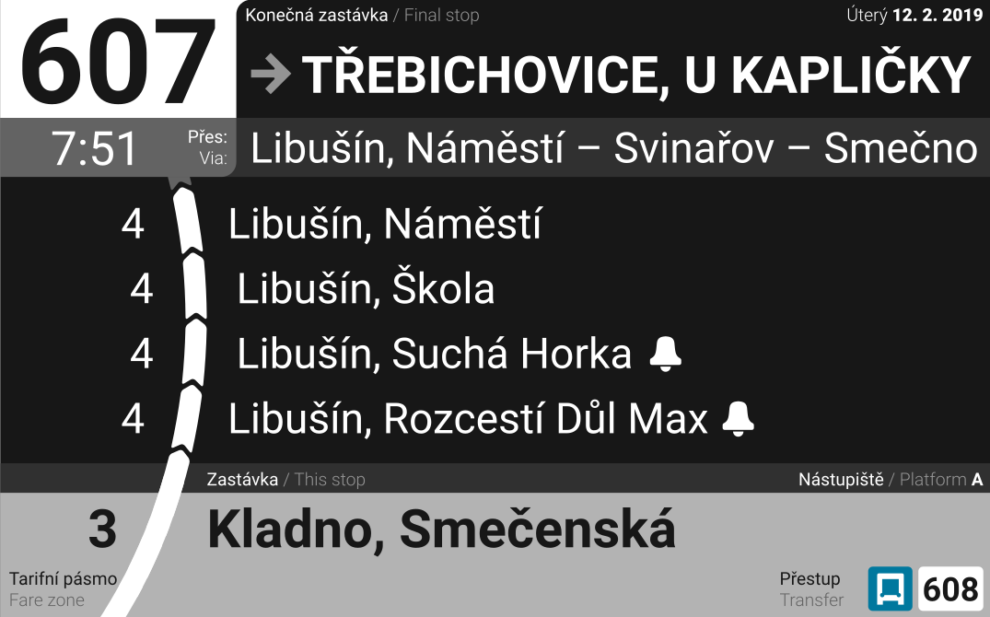 | 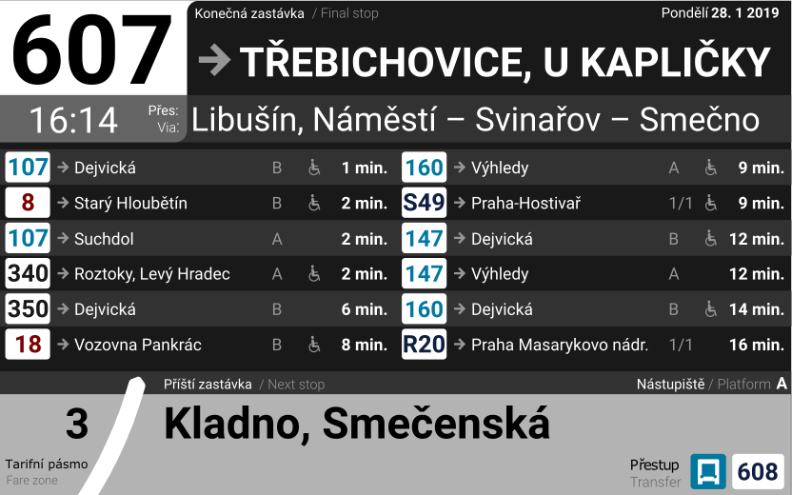
↓ | B | from C/non | AfterStop | n+1 | C | C | C | C | non | B | B | 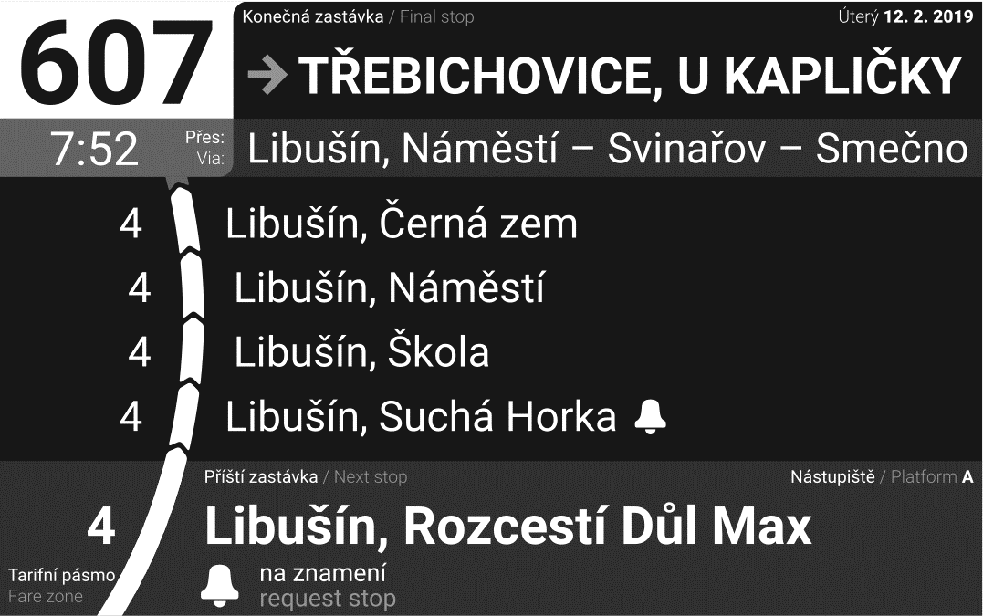
↓ | B | from C/non | BetweenStop | n+1 | C | C | C | C | non | B | B | 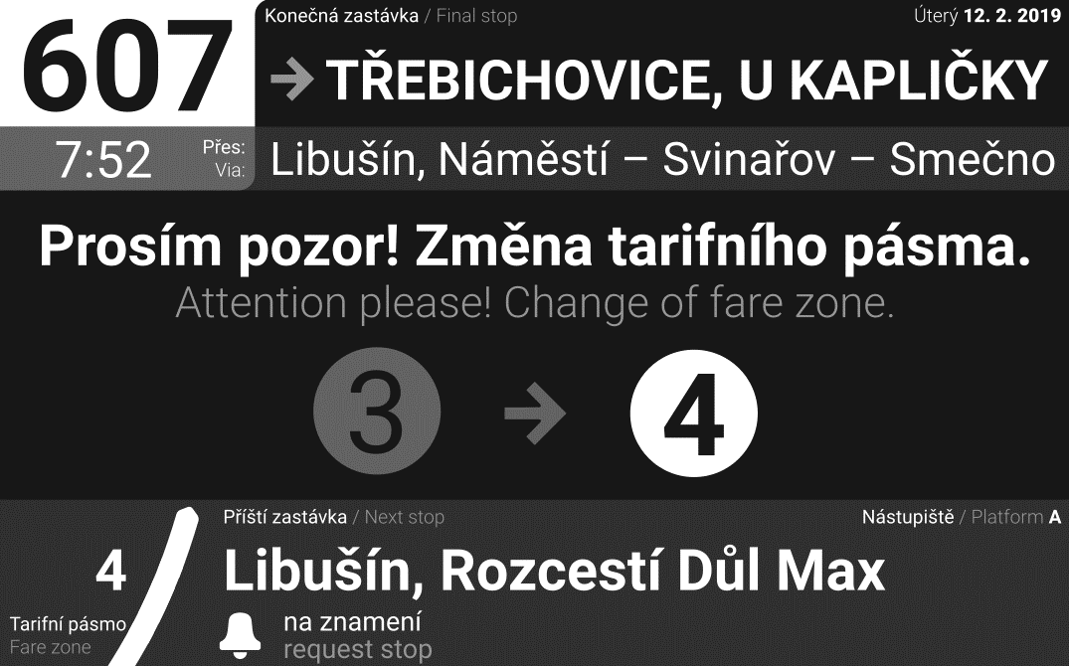 |  | 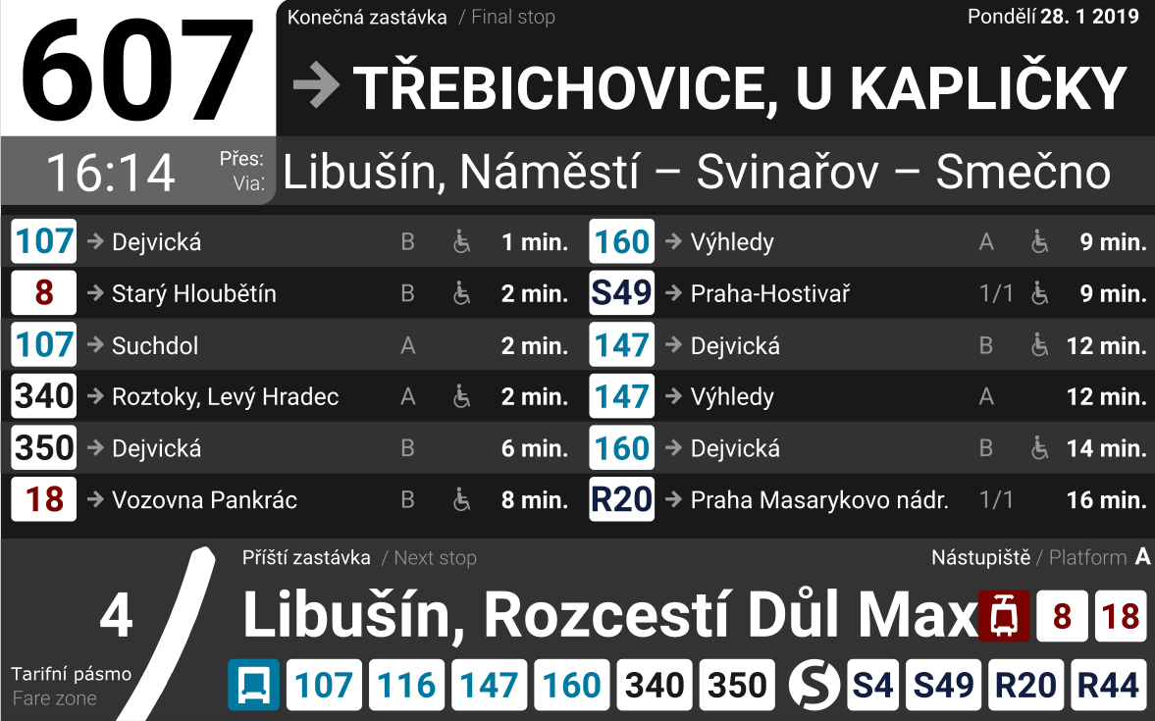
↓ | B | from C/non | BeforeStop | n+1 | C | C | C | C | from C | B | B
C(n+1) | C | from C/non | AtStop | n+1 | C | C | C | C | from C/non | C | C

 |  |  |  |  |  |  |  | AfterStop | aktivace po zavření dveří/opuštění prostoru zastávky
 |  |  |  |  |  |  |  | Between Stop - 20s po opuštění prostoru zastávky

 | B | Praha, U Hangáru
 | 1 | Tuchoměřice
 | 2 | Buštěhrad,Bouchalka

