Presentation of data
Results from runnning alns on input file instance AT-DE_W

Instance | Initial_Obj | Best_Obj | Run_Time | 0 | 0 | 0 | 0 | 0
AT-DE_W_19_Ord_9_Veh_5_Loc_ | 638941.88 | 1459.2581923 | 0.254159345 | 0 | 0 | 0 | 0 | 0

Segment best solution found: | 40

Operators
 | swap2 weight |  | best |  | exch3 weight |  | r&R1_4 weight |  | r&r1_4 weight |  | retSame weight
1 | 0.2 | 40 | 0 | 1 | 0.2 | 1 | 0.2 | 1 | 0.2 | 1 | 0.2
2 | 0.21382303781 | 40 | 1 | 2 | 0.16146208592 | 2 | 0.22444874721 | 2 | 0.23026612906 | 2 | 0.17
3 | 0.2550803618 |  |  | 3 | 0.15366711169 | 3 | 0.22935271335 | 3 | 0.21589981316 | 3 | 0.146
4 | 0.28530186344 |  |  | 4 | 0.13460575458 | 4 | 0.20099026852 | 4 | 0.25230211346 | 4 | 0.1268
5 | 0.33160938548 |  |  | 5 | 0.11590704984 | 5 | 0.19667197993 | 5 | 0.24437158476 | 5 | 0.11144
6 | 0.39350668646 |  |  | 6 | 0.1260133111 | 6 | 0.16733758394 | 6 | 0.21399041849 | 6 | 0.099152
7 | 0.48558702033 |  |  | 7 | 0.11081064888 | 7 | 0.13920699438 | 7 | 0.17507373641 | 7 | 0.0893216
8 | 0.55908127499 |  |  | 8 | 0.098648519106 | 8 | 0.11744040456 | 8 | 0.14337252134 | 8 | 0.08145728
9 | 0.59878694604 |  |  | 9 | 0.093157852258 | 9 | 0.10395232365 | 9 | 0.12893705405 | 9 | 0.075165824
10 | 0.63902955684 |  |  | 10 | 0.084526281807 | 10 | 0.093161858921 | 10 | 0.11314964324 | 10 | 0.0701326592
11 | 0.58222008675 |  |  | 11 | 0.11944515586 | 11 | 0.13499097261 | 11 | 0.097237657421 | 11 | 0.06610612736
12 | 0.6257760694 |  |  | 12 | 0.10555612468 | 12 | 0.11799277809 | 12 | 0.087790125937 | 12 | 0.062884901888
13 | 0.66062085552 |  |  | 13 | 0.094444899747 | 13 | 0.10439422247 | 13 | 0.080232100749 | 13 | 0.06030792151
14 | 0.68849668442 |  |  | 14 | 0.085555919798 | 14 | 0.093515377979 | 14 | 0.0741856806 | 14 | 0.058246337208
15 | 0.66616199525 |  |  | 15 | 0.078444735838 | 15 | 0.084812302383 | 15 | 0.11398389677 | 15 | 0.056597069767
16 | 0.61908672685 |  |  | 16 | 0.070057240421 | 16 | 0.11328109724 | 16 | 0.14229727967 | 16 | 0.055277655813
17 | 0.55880814888 |  |  | 17 | 0.16250702494 | 17 | 0.10062487779 | 17 | 0.12383782373 | 17 | 0.054222124651
18 | 0.52753672092 |  |  | 18 | 0.16344873197 | 18 | 0.12509071826 | 18 | 0.13054612912 | 18 | 0.053377699721
19 | 0.57632435242 |  |  | 19 | 0.14075898558 | 19 | 0.11577759892 | 19 | 0.1144369033 | 19 | 0.052702159776
20 | 0.58632263983 |  |  | 20 | 0.15734403057 | 20 | 0.10262207914 | 20 | 0.10154952264 | 20 | 0.052161727821
21 | 0.5806309274 |  |  | 21 | 0.18430240892 | 21 | 0.09209766331 | 21 | 0.091239618112 | 21 | 0.051729382257
22 | 0.59248953279 |  |  | 22 | 0.18945713626 | 22 | 0.083678130648 | 22 | 0.08299169449 | 22 | 0.051383505806
23 | 0.59199596463 |  |  | 23 | 0.20356137062 | 23 | 0.076942504519 | 23 | 0.076393355592 | 23 | 0.051106804644
24 | 0.49501896748 |  |  | 24 | 0.21345903401 | 24 | 0.16952187032 | 24 | 0.071114684473 | 24 | 0.050885443716
25 | 0.45241327825 |  |  | 25 | 0.28436912294 | 25 | 0.14561749626 | 25 | 0.066891747579 | 25 | 0.050708354972
26 | 0.4519439896 |  |  | 26 | 0.25631454683 | 26 | 0.17766138153 | 26 | 0.063513398063 | 26 | 0.050566683978
27 | 0.45311435128 |  |  | 27 | 0.25069852283 | 27 | 0.15212910522 | 27 | 0.093604673482 | 27 | 0.050453347182
28 | 0.45219458494 |  |  | 28 | 0.28085571435 | 28 | 0.13170328418 | 28 | 0.084883738785 | 28 | 0.050362677746
29 | 0.43134329682 |  |  | 29 | 0.29003066868 | 29 | 0.15042890128 | 29 | 0.077906991028 | 29 | 0.050290142197
30 | 0.45737579107 |  |  | 30 | 0.28972338133 | 30 | 0.13034312102 | 30 | 0.072325592823 | 30 | 0.050232113757
31 | 0.42594638199 |  |  | 31 | 0.26334561319 | 31 | 0.11427449682 | 31 | 0.146247817 | 31 | 0.050185691006
32 | 0.36427090231 |  |  | 32 | 0.25885672108 | 32 | 0.10141959745 | 32 | 0.22530422635 | 32 | 0.050148552805
33 | 0.35378648197 |  |  | 33 | 0.29497003884 | 33 | 0.11088125586 | 33 | 0.19024338108 | 33 | 0.050118842244
34 | 0.40843902164 |  |  | 34 | 0.28056619501 | 34 | 0.098705004691 | 34 | 0.16219470487 | 34 | 0.050095073795
35 | 0.42143645345 |  |  | 35 | 0.26286481651 | 35 | 0.088964003753 | 35 | 0.17665866724 | 35 | 0.050076059036
36 | 0.46556642895 |  |  | 36 | 0.25187458702 | 36 | 0.081171203002 | 36 | 0.1513269338 | 36 | 0.050060847229
37 | 0.44340439167 |  |  | 37 | 0.3005484211 | 37 | 0.074936962402 | 37 | 0.13106154704 | 37 | 0.050048677783
38 | 0.42124525247 |  |  | 38 | 0.34391699775 | 38 | 0.069949569922 | 38 | 0.11484923763 | 38 | 0.050038942226
39 | 0.41660345273 |  |  | 39 | 0.36552634745 | 39 | 0.065959655937 | 39 | 0.1018793901 | 39 | 0.050031153781
40 | 0.40401268919 |  |  | 40 | 0.39169115095 | 40 | 0.06276772475 | 40 | 0.091503512083 | 40 | 0.050024923025
41 | 0.41028332209 |  |  | 41 | 0.39627975003 | 41 | 0.0602141798 | 41 | 0.083202809666 | 41 | 0.05001993842
42 | 0.40205877446 |  |  | 42 | 0.41319168323 | 42 | 0.05817134384 | 42 | 0.076562247733 | 42 | 0.050015950736
43 | 0.35667449209 |  |  | 43 | 0.46552587406 | 43 | 0.056537075072 | 43 | 0.071249798186 | 43 | 0.050012760589
44 | 0.3343658109 |  |  | 44 | 0.49339448202 | 44 | 0.055229660058 | 44 | 0.066999838549 | 44 | 0.050010208471
45 | 0.35352351973 |  |  | 45 | 0.47868471461 | 45 | 0.054183728046 | 45 | 0.063599870839 | 45 | 0.050008166777
46 | 0.31482427281 |  |  | 46 | 0.52094231466 | 46 | 0.053346982437 | 46 | 0.060879896671 | 46 | 0.050006533421
47 | 0.31775443843 |  |  | 47 | 0.52085883154 | 47 | 0.052677585949 | 47 | 0.058703917337 | 47 | 0.050005226737
48 | 0.34574201229 |  |  | 48 | 0.4951486037 | 48 | 0.05214206876 | 48 | 0.05696313387 | 48 | 0.05000418139
49 | 0.36217713386 |  |  | 49 | 0.48053535893 | 49 | 0.051713655008 | 49 | 0.055570507096 | 49 | 0.050003345112
50 | 0.34377271484 |  |  | 50 | 0.50039727939 | 50 | 0.051370924006 | 50 | 0.054456405677 | 50 | 0.050002676089
...

Operator | Run time | Description
swap2 | 0.0000045151 | Swaps the position of 2 orders from one vehicle to another (ie. 11022 → 22011)
exch3 | 0.0000042526 | exchanges the order of 3 elements in a delivery schedule for a vehicle (ex: 1122330 → 2132310
r&R1_4 | 0.0000222488 | remove and reinsert operator that removes between 1-4 random orders from solution and reinserts them in randomly selected vehicles
r&r1_4 | 0.0000414472 | remove and reinsert operator that removes between 1-4 random orders from the assigned orders and reinserts them in randomly selected vehicles
retSame | 0.0000006929 | returns the same solution

Operators
 | swap2 score |  | exch3 score |  | r&R1_4 score |  | r&r1_4 score |  | retSame score |  | Best Solution
1 | 0 | 1 | 0 | 1 | 0 | 1 | 8 | 1 | 0 | 3985 | 0
2 | 0 | 2 | 0 | 2 | 0 | 2 | 8 | 2 | 0 | 3985 | 100
3 | 0 | 3 | 0 | 3 | 0 | 3 | 16 | 3 | 0
4 | 0 | 4 | 0 | 4 | 0 | 4 | 16 | 4 | 0
5 | 0 | 5 | 0 | 5 | 0 | 5 | 16 | 5 | 0
6 | 0 | 6 | 0 | 6 | 1 | 6 | 16 | 6 | 0
7 | 0 | 7 | 0 | 7 | 1 | 7 | 16 | 7 | 0
8 | 1 | 8 | 0 | 8 | 1 | 8 | 16 | 8 | 0
9 | 1 | 9 | 0 | 9 | 1 | 9 | 16 | 9 | 0
10 | 1 | 10 | 0 | 10 | 1 | 10 | 16 | 10 | 0
11 | 1 | 11 | 0 | 11 | 1 | 11 | 16 | 11 | 0
12 | 1 | 12 | 0 | 12 | 1 | 12 | 16 | 12 | 0
13 | 1 | 13 | 0 | 13 | 1 | 13 | 16 | 13 | 0
14 | 1 | 14 | 0 | 14 | 1 | 14 | 16 | 14 | 0
15 | 1 | 15 | 0 | 15 | 9 | 15 | 16 | 15 | 0
16 | 1 | 16 | 0 | 16 | 9 | 16 | 24 | 16 | 0
17 | 2 | 17 | 0 | 17 | 9 | 17 | 24 | 17 | 0
18 | 2 | 18 | 0 | 18 | 9 | 18 | 24 | 18 | 0
19 | 3 | 19 | 0 | 19 | 9 | 19 | 24 | 19 | 0
20 | 3 | 20 | 0 | 20 | 9 | 20 | 24 | 20 | 0
21 | 3 | 21 | 0 | 21 | 17 | 21 | 24 | 21 | 0
22 | 3 | 22 | 0 | 22 | 17 | 22 | 24 | 22 | 0
23 | 4 | 23 | 0 | 23 | 17 | 23 | 24 | 23 | 0
24 | 4 | 24 | 0 | 24 | 25 | 24 | 24 | 24 | 0
25 | 4 | 25 | 0 | 25 | 33 | 25 | 24 | 25 | 0
26 | 4 | 26 | 0 | 26 | 33 | 26 | 24 | 26 | 0
27 | 4 | 27 | 0 | 27 | 33 | 27 | 24 | 27 | 0
28 | 5 | 28 | 0 | 28 | 33 | 28 | 24 | 28 | 0
29 | 5 | 29 | 0 | 29 | 33 | 29 | 24 | 29 | 0
30 | 5 | 30 | 0 | 30 | 41 | 30 | 24 | 30 | 0
31 | 13 | 31 | 0 | 31 | 41 | 31 | 24 | 31 | 0
32 | 13 | 32 | 0 | 32 | 41 | 32 | 24 | 32 | 0
33 | 13 | 33 | 0 | 33 | 49 | 33 | 24 | 33 | 0
34 | 13 | 34 | 0 | 34 | 49 | 34 | 24 | 34 | 0
35 | 21 | 35 | 0 | 35 | 49 | 35 | 24 | 35 | 0
36 | 21 | 36 | 0 | 36 | 49 | 36 | 24 | 36 | 0
37 | 21 | 37 | 0 | 37 | 49 | 37 | 24 | 37 | 0
38 | 21 | 38 | 0 | 38 | 49 | 38 | 25 | 38 | 0
39 | 22 | 39 | 0 | 39 | 49 | 39 | 25 | 39 | 0
40 | 22 | 40 | 0 | 40 | 50 | 40 | 25 | 40 | 0
41 | 22 | 41 | 0 | 41 | 50 | 41 | 25 | 41 | 0
42 | 22 | 42 | 0 | 42 | 50 | 42 | 25 | 42 | 0
43 | 22 | 43 | 0 | 43 | 50 | 43 | 29 | 43 | 0
44 | 22 | 44 | 0 | 44 | 50 | 44 | 29 | 44 | 0
45 | 23 | 45 | 0 | 45 | 50 | 45 | 29 | 45 | 0
46 | 23 | 46 | 0 | 46 | 50 | 46 | 29 | 46 | 0
47 | 23 | 47 | 0 | 47 | 50 | 47 | 29 | 47 | 0
48 | 23 | 48 | 0 | 48 | 50 | 48 | 29 | 48 | 0
49 | 23 | 49 | 0 | 49 | 50 | 49 | 29 | 49 | 0
50 | 23 | 50 | 0 | 50 | 50 | 50 | 30 | 50 | 0
...

Map coordiantes
 |  | Uniform: |  | X-max = 1500 |  |  |  |  | 8.3333333333 |  | 12.00% | 72.00% | 5.5555555556 | 21
 |  |  |  | Y-max = 1500 |  |  |  |  |  |  |  | 28.00%
 |  |  |  |  |  |  |  |  |  |  |  | 4.67%
 |  | Germany: |  |  |  |  |  |  |  | Europe:
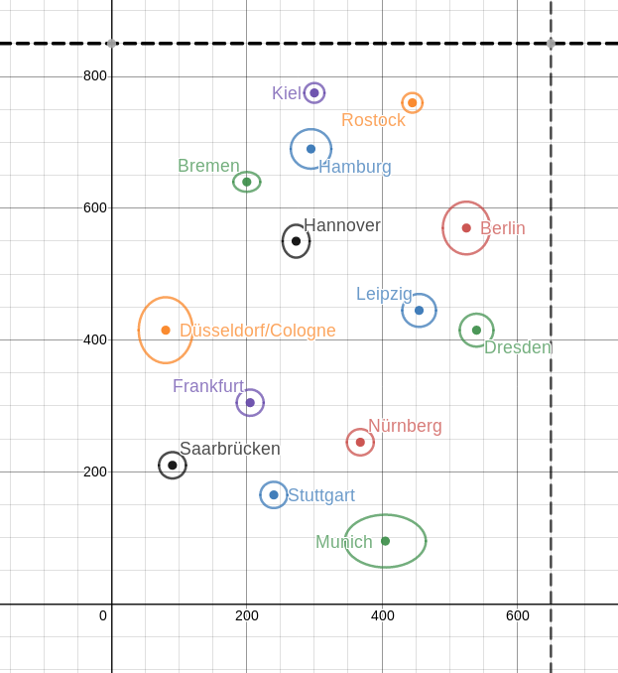
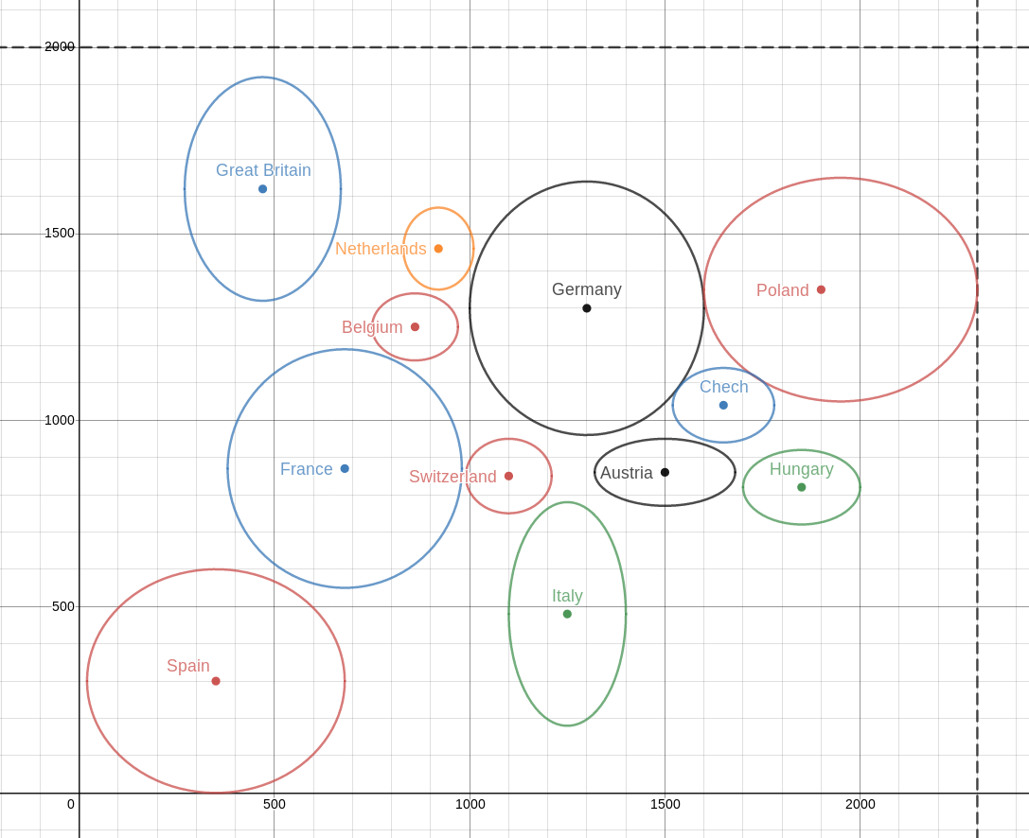

 |  | point
 |  | 1 | 2
coordinate | x | 2165 | 538 |  | Distance 1-2 | Travel Time
 | y | 1253 | 797 |  | 1689.6937592 | 844.84687962 | -53.218548196 | 168.96937592

 |  | 1292 | 775.2 | 904.4 | 0.7
 |  | 1134 | 680.4 | 793.8 | 0.7
 |  | 1689 | 1013.4 | 1182.3 | 0.7
 |  | 1028 | 616.8 | 719.6 | 0.7
 |  | 1862 | 1117.2 | 1303.4 | 0.7
 |  | 1250 | 750 | 875 | 0.7
 |  | 1292 | 775.2 | 904.4 | 0.7
 |  | 184 | 110.4 | 128.8 | 0.7
 |  | 785 | 471 | 549.5 | 0.7
 |  | 740 | 444 | 518 | 0.7
 |  | 652 | 391.2 | 456.4 | 0.7
 |  | 86 | 51.6 | 60.2 | 0.7
 |  | 1134 | 680.4 | 793.8 | 0.7
 |  | 184 | 110.4 | 128.8 | 0.7

