M&S Cost Estimate for MQXF
Reference: if reuse 3.3 m long tooling, procure additional to make up 4.5 m long tooling
M & S and Inspection Cost | Qty | 3.3 m long | 4.5 m long | 4.5 m long
Curing Mold | 1 | $83,949 | $0 | $0
Curing Mold Labor+QC | 1 | $29,964 | $0 | $0
Winding and Curing Tooling | 1 | $127,611 | $178,221 | $178,221
W & C Tooling QC | 1 | $38,880 | $36,288 | $36,288
Reaction and Impregnation Tooling | 1 | $192,103 | $276,030 | $100,129
R & I Tooling QC | 1 | $24,192 | $24,192 | $15,552
Tooling Total |  | $496,699 | $514,731 | $330,190
Coil Parts + QC | 1 | $39,432 | $50,580 | $50,580
Tooling + Coil Total |  | $536,131 | $565,311 | $380,770

Coil Parts
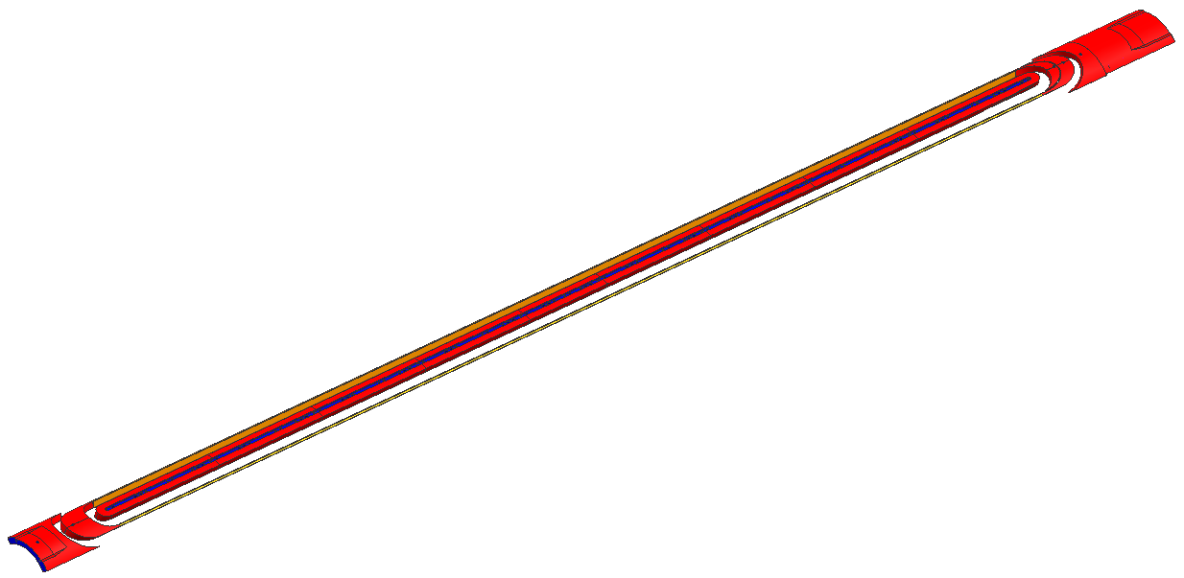
 | LHC-MQXF COIL | Coil Length |  | Aperture Ratio MQXF/LHQ |  |  |  |  |  |  | Coil Length |  | Length ratio
 |  | 3.3m long |  | 1.25 |  |  |  |  |  |  | 4.5m long |  | 1.3636363636
 | Name | Unit Cost | Coating Cost | Material | Reference Drawing # | Qty/coil | Part Cost | Part Cost + Coating |  | Name | Unit Cost | Coating Cost | Material | Reference Drawing # | Qty/coil | Part Cost | Part Cost + Coating
 | L1_LE_KEY | $1,852 | $194 | 6AL-4V Ti | 484122 | 1 | $1,852 | $2,252 |  | L1_LE_KEY | $1,852 | $194 | 6AL-4V Ti | 484122 | 1 | $1,852 | $2,252
 | L2_LE_KEY |  | $206 | 6AL-4V Ti | 484135 | 1 |  |  |  | L2_LE_KEY |  | $206 | 6AL-4V Ti | 484135 | 1
 | L1_RE_KEY | $662 | $194 | 6AL-4V Ti | 484123 | 1 | $662 | $856 |  | L1_RE_KEY | $662 | $194 | 6AL-4V Ti | 484123 | 1 | $662 | $856
 | L2_RE_KEY | $642 | $206 | 6AL-4V Ti | 484132 | 1 | $642 | $848 |  | L2_RE_KEY | $642 | $206 | 6AL-4V Ti | 484132 | 1 | $642 | $848
 | L1_KEY-1 | $408 | $194 | 6AL-4V Ti | 484120 | 6 | $2,448 | $3,610 |  | L1_KEY-1 | $408 | $194 | 6AL-4V Ti | 484120 | 11 | $4,487 | $6,619
Scale Up
 | L1_KEY-2 | $528 | $194 | 6AL-4V Ti | 484121 | 1 | $528 | $722 |  | L1_KEY-2 | $528 | $194 | 6AL-4V Ti | 484121 | 1 | $528 | $722
 | L2_KEY-1 | $455 | $206 | 6AL-4V Ti | 484130 | 6 | $2,729 | $3,966 |  | L2_KEY-1 | $455 | $206 | 6AL-4V Ti | 484130 | 11 | $5,002 | $7,271
 | L2_KEY-2 | $602 | $206 | 6AL-4V Ti | 484131 | 1 | $602 | $808 |  | L2_KEY-2 | $602 | $206 | 6AL-4V Ti | 484131 | 1 | $602 | $808
 | L1_LE_Spliceblk | $656 | $219 | SS 304 | 484129 | 1 | $656 | $875 |  | L1_LE_Spliceblk | $656 | $219 | SS 304 | 484129 | 1 | $656 | $875
 | L1_LE_saddle | $682 | $206 | SS 304 | 484128 | 1 | $682 | $888 |  | L1_LE_saddle | $682 | $206 | SS 304 | 484128 | 1 | $682 | $888
 | L1_LE_spacer-2 | $582 | $194 | SS 304 | 484127 | 1 | $582 | $776 |  | L1_LE_spacer-2 | $582 | $194 | SS 304 | 484127 | 1 | $582 | $776
 | L1_LE_spacer-1 | $562 | $194 | SS 304 | 484126 | 1 | $562 | $756 |  | L1_LE_spacer-1 | $562 | $194 | SS 304 | 484126 | 1 | $562 | $756
 | L1_RE_saddle | $800 | $206 | SS 304 | 484125 | 1 | $800 | $1,006 |  | L1_RE_saddle | $800 | $206 | SS 304 | 484125 | 1 | $800 | $1,006
 | L1_RE_spacer | $589 | $206 | SS 304 | 484124 | 1 | $589 | $795 |  | L1_RE_spacer | $589 | $206 | SS 304 | 484124 | 1 | $589 | $795
 | L2_RE_saddle | $816 | $206 | SS 304 | 484133 | 1 | $816 | $1,022 |  | L2_RE_saddle | $816 | $206 | SS 304 | 484133 | 1 | $816 | $1,022
 | L2_RE_spacer | $796 | $206 | SS 304 | 484134 | 1 | $796 | $1,002 |  | L2_RE_spacer | $796 | $206 | SS 304 | 484134 | 1 | $796 | $1,002
 | L2_LE_spliceblk | $1,038 | $219 | SS 304 | 484139 | 1 | $1,038 | $1,256 |  | L2_LE_spliceblk | $1,038 | $219 | SS 304 | 484139 | 1 | $1,038 | $1,256
 | L2_LE_saddle | $575 | $206 | SS 304 | 484138 | 1 | $575 | $781 |  | L2_LE_saddle | $575 | $206 | SS 304 | 484138 | 1 | $575 | $781
 | L2_LE_spacer-2 | $662 | $206 | SS 304 | 484137 | 1 | $662 | $868 |  | L2_LE_spacer-2 | $662 | $206 | SS 304 | 484137 | 1 | $662 | $868
 | L2_LE_spacer-1 | $595 | $206 | SS 304 | 484136 | 1 | $595 | $801 |  | L2_LE_spacer-1 | $595 | $206 | SS 304 | 484136 | 1 | $595 | $801
 | Layer 1 wedge | $670 |  | Bronze | 483470 | 2 | $1,341 | $1,341 |  | Layer 1 wedge | $670 |  | Bronze | 483470 | 4 | $2,682 | $2,682
 | Layer 2 wedge | $676 |  | Bronze | 483472 | 2 | $1,352 | $1,352 |  | Layer 2 wedge | $676 |  | Bronze | 483472 | 4 | $2,704 | $2,704
 | 20mil Ceramic(ft) | $89.62 | - |  |  | 27 | $2,420 | $2,420 |  | 20mil Ceramic(ft) | $89.62 | - |  |  | 37 | $3,300 | $3,300
 | Other insulation | $500 | - |  |  | 1 | $500 | $500 |  | Other insulation | $682 | - |  |  | 1 | $682 | $682
 | Ceramic Binder (lb) | $117 |  | CTD1202 |  | 1 | $117 | $117 |  | Ceramic Binder (lb) | $117 |  | CTD1202 |  | 1 | $117 | $117
 | Epoxy (kit) | $2,191 |  | CTD101K |  | 2 | $4,382 | $4,382 |  | Epoxy (kit) | $2,191 |  | CTD101K |  | 3 | $6,572 | $6,572
 | Total/coil |  | $3,869 |  |  |  | $30,117 | $36,192 |  | Total/coil |  | $3,275 |  |  |  | $38,185 | $46,260

 | Rate/hr | # of part | # of FTE | hr/part | Total | Comment |  |  |  | Rate/hr | # of part | # of FTE | hr/part | Total | Comment
QC | $108.00 | 30 | 1 | 1 | $3,240.00 |  |  |  | QC | $108.00 | 40 | 1 | 1 | $4,320.00

 | Reference
 | LHC-LARP LHQ COIL | 3.3m long |  | 120 mm Aperture |  |  |  |  |  | LHC-LARP HQ COIL | 1m long
 | Name | Unit Cost | Coating Cost | Material | Drawing # | Qty/coil | Part Cost | Part Cost + Coating |  | Name | Unit Cost | Coating Cost | Material | Drawing # | Qty/coil | Part Cost | Part Cost + Coating
 | L1_LE_KEY | $1,482 | $155 | 6AL-4V Ti | 484122 | 1 | $1,482 | $1,802 |  | L1_LE_KEY | $628 | $155 | 6AL-4V Ti | 484242 | 1 | $628 | $783
 | L2_LE_KEY |  | $165 | 6AL-4V Ti | 484135 | 1 |  |  |  | L2_LE_KEY | $680 | $165 | 6AL-4V Ti | 484246 | 1 | $680 | $845
 | L1_RE_KEY | $530 | $155 | 6AL-4V Ti | 484123 | 1 | $530 | $685 |  | L1_RE_KEY | $484 | $155 | 6AL-4V Ti | 484244 | 1 | $484 | $639
 | L2_RE_KEY | $514 | $165 | 6AL-4V Ti | 484132 | 1 | $514 | $679 |  | L2_RE_KEY | $494 | $165 | 6AL-4V Ti | 484248 | 1 | $494 | $659
 | L1_KEY-1 | $326 | $155 | 6AL-4V Ti | 484120 | 6 | $1,958 | $2,888 |  | L1_LE_Spliceblk | $407 | $175 | SS 304 | 484243 | 1 | $407 | $582
 | L1_KEY-2 | $423 | $155 | 6AL-4V Ti | 484121 | 1 | $423 | $578 |  | L1_LE_saddle | $546 | $165 | SS 304 | 484128 | 1 | $546 | $711
 | L2_KEY-1 | $364 | $165 | 6AL-4V Ti | 484130 | 6 | $2,183 | $3,173 |  | L1_LE_spacer-2 | $465 | $155 | SS 304 | 484127 | 1 | $465 | $620
 | L2_KEY-2 | $482 | $165 | 6AL-4V Ti | 484131 | 1 | $482 | $647 |  | L1_LE_spacer-1 | $449 | $155 | SS 304 | 484126 | 1 | $449 | $604
 | L1_LE_Spliceblk | $525 | $175 | SS 304 | 484129 | 1 | $525 | $700 |  | L1_RE_saddle | $640 | $165 | SS 304 | 484245 | 1 | $640 | $805
 | L1_LE_saddle | $546 | $165 | SS 304 | 484128 | 1 | $546 | $711 |  | L1_RE_spacer | $471 | $165 | SS 304 | 484124 | 1 | $471 | $636
 | L1_LE_spacer-2 | $465 | $155 | SS 304 | 484127 | 1 | $465 | $620 |  | L2_RE_saddle | $417 | $165 | SS 304 | 484249 | 1 | $417 | $582
 | L1_LE_spacer-1 | $449 | $155 | SS 304 | 484126 | 1 | $449 | $604 |  | L2_RE_spacer | $637 | $165 | SS 304 | 484134 | 1 | $637 | $802
 | L1_RE_saddle | $640 | $165 | SS 304 | 484125 | 1 | $640 | $805 |  | L2_LE_spliceblk | $556 | $175 | SS 304 | 484247 | 1 | $556 | $731
 | L1_RE_spacer | $471 | $165 | SS 304 | 484124 | 1 | $471 | $636 |  | L2_LE_saddle | $460 | $165 | SS 304 | 484138 | 1 | $460 | $625
 | L2_RE_saddle | $653 | $165 | SS 304 | 484133 | 1 | $653 | $818 |  | L2_LE_spacer-2 | $530 | $165 | SS 304 | 484137 | 1 | $530 | $695
 | L2_RE_spacer | $637 | $165 | SS 304 | 484134 | 1 | $637 | $802 |  | L2_LE_spacer-1 | $476 | $165 | SS 304 | 484136 | 1 | $476 | $641
 | L2_LE_spliceblk | $830 | $175 | SS 304 | 484139 | 1 | $830 | $1,005 |  | Layer 1 Bronze wedge | $536 |  | Bronze | 483470 | 0.5 | $268 | $268
 | L2_LE_saddle | $460 | $165 | SS 304 | 484138 | 1 | $460 | $625 |  | Layer 2 Bronze wedge | $541 |  | Bronze | 483472 | 0.5 | $270 | $270
 | L2_LE_spacer-2 | $530 | $165 | SS 304 | 484137 | 1 | $530 | $695 |  | Total/coil |  | $2,620 |  |  |  | $8,879 | $11,499
 | L2_LE_spacer-1 | $476 | $165 | SS 304 | 484136 | 1 | $476 | $641
 | Layer 1 wedge | $536 |  | Bronze | 483470 | 2 | $1,073 | $1,073
 | Layer 2 wedge | $541 |  | Bronze | 483472 | 2 | $1,082 | $1,082
 | 20mil Ceramic(ft) | $89.62 | - |  |  | 24 | $2,151 | $2,151
 | Other insulation | $500 | - |  |  | 1 | $500 | $500
 | Ceramic Binder (lb) | $117 |  | CTD1202 |  | 1 | $117 | $117
 | Epoxy (kit) | $2,191 |  | CTD101K |  | 2 | $4,382 | $4,382
 | Total/coil |  | $3,260 |  |  |  | $23,556 | $28,416

Winding and Curing Tooling
 | LHC-MQXF Reaction and Impregnation Tooling | Coil Length |  | Aperture Ratio MQXF/LHQ |  |  |  | LHC-MQXF Reaction and Impregnation Tooling | Coil Length | Length Ratio |  |  | LHC-MQXF Reaction and Impregnation Tooling | Coil Length | Length Ratio
 | 1 set | 3.3m long |  | 1.25 |  |  |  | 1 set | 4.5m long | 1.3636363636 |  |  | 1 set | 4.5m long | 1.3636363636
 | Curing Mold |  |  |  |  |  |  | Curing Mold | Use the same one as 3.3 m |  |  |  | Curing Mold | Use the same one as 3.3 m
 | P/N | Description | Qty | Cost Per | Total | PO | Vendor
 | ME 483304 | End Block | 2 | $3,118.75 | $6,237.50 | 602597 | Medco
 | ME 483305 D | Lamination | 5600 | $5.61 | $31,430.00 | 603978 | Larsen Mfg
 |  | Die | 1 |  | $39,062.50 | 603978 | Larsen Mfg
 | MB 483306 | Lifting Bar | 8 | $47.50 | $380.00 | 602129 | J Marcs
 | MB 483307 | Lifting Bar Spacer | 8 | $107.50 | $860.00 | 602129 | J Marcs
 | MB 483909 | Upper Ring Insert | 3 |  | $1,095.00 | MSV 3226 | VMS
 | MB 483928 | Cover Layer 1-1 | 2 | $212.50 | $425.00 | 605430 | J Marcs
 | MB 483929 | Cover Layer 1-2 | 2 | $155.00 | $310.00 | 605430 | J Marcs
 | MB 483930 | Cover Layer 2-1 | 2 | $253.75 | $507.50 | 605430 | J Marcs
 | MB 483931 | Cover Layer 2-2 | 2 | $158.75 | $317.50 | 605430 | J Marcs
 | MB 483932 | Link 1 | 2 | $122.50 | $245.00 | 605430 | J Marcs
 | MB 483933 | Link 2 | 2 | $82.50 | $165.00 | 605430 | J Marcs
 | MC 484108 | Hrdwre LHQ Cure Retainer | 1 lot |  | $113.44 | PRN157367 | McMaster
 | 92580A311 | Threaded Rod, 1/2-20 x 12' | 6 | $45.59 | $273.53 | PRN157695 | McMaster
 | MC 484108 | Hdwre Curing Retainer Assy | 1 Lot |  | $100.94 | PRN157368 | McMaster
 | 98950A433 | Threaded Rod, 1/2-20 x12' | 18 | $24.29 | $437.18 | PRN148953 | McMaster
 |  | Curing Mold Alignment Tube | 1 | $1,988.75 | $1,988.75
 |  |  |  |  | $83,948.83

Reuse 3.3 m long tooling, procure additional to make up 4.5 m long tooling
 |  | Discription | techs | rate | hrs/tech | qty parts
 |  | Stack short sections | 2 | $97 | 20 | 5 | $19,468
 |  | Weld short stacks $112/hr | 1 | $112 | 6 | 5 | $3,360
 |  | QC | 1 | $108 | 5 | 6 | $1,200
 |  | Assembly on transfer table | 2 | $97 | 16 | 1 | $3,104
 |  | Polish contour with emery cloth | 2 | $97 | 8 | 1 | $1,552
 |  | Engineer | 1 | $154 | 32 | 1 | $1,280
 |  | Total |  |  |  |  | $29,964

 | W/C Tooling |  |  |  |  |  |  | W/C Tooling |  |  |  |  | W/C Tooling
1 | MB 344062 | Side Stiffening Plate | 4 |  | $821.25 | MSV 3201 | VMS | MB 344062 | Side Stiffening Plate | 6 | $205.31 | $1,231.88 | MB 344062 | Side Stiffening Plate | 2 | $205.31 | $410.63
2 | MB 461117 | Rod | 2 |  | $456.25 | MSV 3201 | VMS | MB 461117 | Rod | 3 | $311.08 | $933.24 | MB 461117 | Rod | 2 | $311.08 | $622.16
3 | MD 483565 | Winding Isle Key Bar 1 | 8 | $106.25 | $850.00 | 605071 | Medco | MD 483565 | Winding Isle Key Bar 1 | 11 | $106.25 | $1,168.75 | MD 483565 | Winding Isle Key Bar 1 | 4 | $106.25 | $425.00
Scale Up
4 | MB 483566 | Winding Isle Key Bar 2 | 1 |  | $125.00 | 605071 | Medco | MB 483566 | Winding Isle Key Bar 2 | 2 | $125.00 | $250.00 | MB 483566 | Winding Isle Key Bar 2 | 0 | $125.00 | $0.00
5 | MC 483567 | Winding Isle Key Bar - LE | 1 |  | $1,125.00 | 605071 | Medco | MC 483567 | Winding Isle Key Bar - LE | 2 | $1,125.00 | $2,250.00 | MC 483567 | Winding Isle Key Bar - LE | 0 | $1,125.00 | $0.00
6 | MC 483568 | Winding Isle Key Bar RE | 1 |  | $1,106.25 | 605071 | Medco | MC 483568 | Winding Isle Key Bar RE | 2 | $1,106.25 | $2,212.50 | MC 483568 | Winding Isle Key Bar RE | 0 | $1,106.25 | $0.00
7 | MB 483881 | Winding Isle Key Bar 3 | 1 |  | $118.75 | 605071 | Medco | MB 483881 | Winding Isle Key Bar 3 | 2 | $118.75 | $237.50 | MB 483881 | Winding Isle Key Bar 3 | 0 | $118.75 | $0.00
8 | MB 483862 | Mandrel Key Bar | 1 |  | $1,500.00 | 605071 | Medco | MB 483862 | Mandrel Key Bar | 2 | $2,045.45 | $4,090.91 | MB 483862 | Mandrel Key Bar | 1 | $2,045.45 | $2,045.45
9 | MC 483835 | Winding Mandrel Lam 2 | 12 | $531.25 | $6,375.00 | 605003 | K I Machine | MC 483835 | Winding Mandrel Lam 2 | 17 | $531.25 | $9,031.25 | MC 483835 | Winding Mandrel Lam 2 | 0 | $531.25 | $0.00
10 | MC 483836 | Winding Mandrel Lam 1 | 56 | $237.50 | $13,300.00 | 605003 | K I Machine | MC 483836 | Winding Mandrel Lam 1 | 77 | $237.50 | $18,287.50 | MC 483836 | Winding Mandrel Lam 1 | 20 | $237.50 | $4,750.00
11 | MD 483702 A | Mandrel Support Block | 1 |  | $3,662.50 | 605035 | Medco | MD 483702 A | Mandrel Support Block | 2 | $3,662.50 | $7,325.00 | MD 483702 A | Mandrel Support Block | 0 | $3,662.50 | $0.00
12 | MD 483839 A | Mandrel Supp. Mid Block | 1 |  | $3,218.75 | 605035 | Medco | MD 483839 A | Mandrel Supp. Mid Block | 2 | $3,218.75 | $6,437.50 | MD 483839 A | Mandrel Supp. Mid Block | 1 | $3,218.75 | $3,218.75
13 | MD 483857 | Mandel Support Block 2 | 1 |  | $3,000.00 | 605035 | Medco | MD 483857 | Mandel Support Block 2 | 2 | $3,000.00 | $6,000.00 | MD 483857 | Mandel Support Block 2 | 0 | $3,000.00 | $0.00
14 | MD 483875 | Winding Mandrel Lam 2-B | 4 | $562.50 | $2,250.00 | 605003 | K I Machine | MD 483875 | Winding Mandrel Lam 2-B | 6 | $562.50 | $3,375.00 | MD 483875 | Winding Mandrel Lam 2-B | 0 | $562.50 | $0.00
15 | MD 483947 | L2 Curing Spacer 2 | 2 | $1,343.75 | $2,687.50 | 605772 | Hi Tech | MD 483947 | L2 Curing Spacer 2 | 3 | $1,343.75 | $4,031.25 | MD 483947 | L2 Curing Spacer 2 | 0 | $1,343.75 | $0.00
16 | MD 483948 | L2 Curing Spacer | 7 | $1,343.75 | $9,406.25 | 605772 | Hi Tech | MD 483948 | L2 Curing Spacer | 14 | $1,343.75 | $18,812.50 | MD 483948 | L2 Curing Spacer | 4 | $1,343.75 | $5,375.00
17 | MD 483949 A | L2 Cure Spacer TRNS 1 | 1 |  | $2,147.50 | 606915 | Hi Tech | MD 483949 A | L2 Cure Spacer TRNS 1 | 1 | $2,147.50 | $2,147.50 | MD 483949 A | L2 Cure Spacer TRNS 1 | 0 | $2,147.50 | $0.00
18 | MD 483950 A | L2 Cure Spacer TRNS 2 | 1 |  | $2,987.50 | 606915 | Hi Tech | MD 483950 A | L2 Cure Spacer TRNS 2 | 1 | $2,987.50 | $2,987.50 | MD 483950 A | L2 Cure Spacer TRNS 2 | 0 | $2,987.50 | $0.00
19 | MD 483951 A | L2 Cure Spacer TRNS 3 | 1 |  | $2,207.50 | 606915 | Hi Tech | MD 483951 A | L2 Cure Spacer TRNS 3 | 1 | $2,207.50 | $2,207.50 | MD 483951 A | L2 Cure Spacer TRNS 3 | 0 | $2,207.50 | $0.00
20 | MD 483952 A | L2 Cure Spacer TRNS 4 | 1 |  | $2,987.50 | 606915 | Hi Tech | MD 483952 A | L2 Cure Spacer TRNS 4 | 1 | $2,987.50 | $2,987.50 | MD 483952 A | L2 Cure Spacer TRNS 4 | 0 | $2,987.50 | $0.00
21 | MD 483953 A | L2 Radial Size Spacer 1 | 12 | $823.75 | $9,885.00 | 606915 | Hi Tech | MD 483953 A | L2 Radial Size Spacer 1 | 16 | $823.75 | $13,180.00 | MD 483953 A | L2 Radial Size Spacer 1 | 4 | $823.75 | $3,295.00
22 | MD 483954 A | L2 Radial Size Spacer 2 | 12 | $823.75 | $9,885.00 | 606915 | Hi Tech | MD 483954 A | L2 Radial Size Spacer 2 | 16 | $823.75 | $13,180.00 | MD 483954 A | L2 Radial Size Spacer 2 | 4 | $823.75 | $3,295.00
23 | MC 483955 A | L1 Radial Size Spacer | 24 | $767.50 | $18,420.00 | 606915 | Hi Tech | MC 483955 A | L1 Radial Size Spacer | 32 | $767.50 | $24,560.00 | MC 483955 A | L1 Radial Size Spacer | 8 | $767.50 | $6,140.00
24 | MB 483956 | Pusher Block Inner Layer | 2 | $272.50 | $545.00 | 605670 | J Marcs | MB 483956 | Pusher Block Inner Layer | 2 | $272.50 | $545.00 | MB 483956 | Pusher Block Inner Layer | 0 | $272.50 | $0.00
25 | MB 483957 | Curing Align Key Bar | 2 | $111.25 | $222.50 | 605670 | J Marcs | MB 483957 | Curing Align Key Bar | 3 | $111.25 | $333.75 | MB 483957 | Curing Align Key Bar | 0 | $111.25 | $0.00
26 | MD 483958 A | Curing Retainer | 2 | $1,187.50 | $2,375.00 | 606709 | Comet | MD 483958 A | Curing Retainer | 3 | $1,187.50 | $3,562.50 | MD 483958 A | Curing Retainer | 0 | $1,187.50 | $0.00
27 | MB 483959 | Pole Slot Pin | 18 | $43.75 | $787.50 | 605670 | J Marcs | MB 483959 | Pole Slot Pin | 25 | $43.75 | $1,093.75 | MB 483959 | Pole Slot Pin | 6 | $43.75 | $262.50
28 | MD 483960 A | Curing Retainer Middle | 1 |  | $1,187.50 | 606709 | Comet | MD 483960 A | Curing Retainer Middle | 2 | $1,187.50 | $2,375.00 | MD 483960 A | Curing Retainer Middle | 1 | $1,187.50 | $1,187.50
29 | MC 483969 | L1 Sizing Bar | 6 | $550.00 | $3,300.00 | 605772 | Hi Tech | MC 483969 | L1 Sizing Bar | 12 | $550.00 | $6,600.00 | MC 483969 | L1 Sizing Bar | 2 | $550.00 | $1,100.00
30 | MC 483970 | L2 Sizing Bar 2 | 2 | $550.00 | $1,100.00 | 605772 | Hi Tech | MC 483970 | L2 Sizing Bar 2 | 4 | $550.00 | $2,200.00 | MC 483970 | L2 Sizing Bar 2 | 0 | $550.00 | $0.00
31 | MC 483971 | L2 Sizing Bar 3 | 2 | $550.00 | $1,100.00 | 605772 | Hi Tech | MC 483971 | L2 Sizing Bar 3 | 4 | $550.00 | $2,200.00 | MC 483971 | L2 Sizing Bar 3 | 0 | $550.00 | $0.00
32 | MB 483972 | Curing Align Key Bar 2 | 6 | $61.25 | $367.50 | 605670 | J Marcs | MB 483972 | Curing Align Key Bar 2 | 8 | $61.25 | $490.00 | MB 483972 | Curing Align Key Bar 2 | 2 | $61.25 | $122.50
33 | MB 483973 | Pusher Block Outer Layer | 2 | $272.50 | $545.00 | 605670 | J Marcs | MB 483973 | Pusher Block Outer Layer | 2 | $272.50 | $545.00 | MB 483973 | Pusher Block Outer Layer | 0 | $272.50 | $0.00
34 | MC 483974 | L2 Sizing Bar 1 | 2 | $550.00 | $1,100.00 | 605772 | Hi Tech | MC 483974 | L2 Sizing Bar 1 | 4 | $550.00 | $2,200.00 | MC 483974 | L2 Sizing Bar 1 | 2 | $550.00 | $1,100.00
35 | MB 484162 | Shim, Middle | 2 |  | $273.75 | MSV 3248 | VMS | MB 484162 | Shim, Middle | 3 | $136.88 | $410.63 | MB 484162 | Shim, Middle | 2 | $136.88 | $273.75
36 | MB 484163 | Shim, End | 4 |  | $365.00 | MSV 3248 | VMS | MB 484163 | Shim, End | 6 | $91.25 | $547.50 | MB 484163 | Shim, End | 0 | $91.25 | $0.00
37 | MB 484180 | Shim, Strip | 12 |  | $638.75 | MSV 3248 | VMS | MB 484180 | Shim, Strip | 17 | $53.23 | $904.90 | MB 484180 | Shim, Strip | 4 | $53.23 | $212.92
38 | MD 484191 | L1 Long Retainer | 20 | $68.75 | $1,375.00 | 606420 | J Marcs | MD 484191 | L1 Long Retainer | 28 | $68.75 | $1,925.00 | MD 484191 | L1 Long Retainer | 6 | $68.75 | $412.50
39 | MB 484192 | L1 Short Retainer | 20 | $38.75 | $775.00 | 606420 | J Marcs | MB 484192 | L1 Short Retainer | 28 | $38.75 | $1,085.00 | MB 484192 | L1 Short Retainer | 6 | $38.75 | $232.50
40 | MB 484193 | L2 Long Retainer | 20 | $82.50 | $1,650.00 | 606420 | J Marcs | MB 484193 | L2 Long Retainer | 28 | $82.50 | $2,310.00 | MB 484193 | L2 Long Retainer | 6 | $82.50 | $495.00
41 | MB 484194 | L2 Short Retainer | 20 | $46.25 | $925.00 | 606420 | J Marcs | MB 484194 | L2 Short Retainer | 28 | $46.25 | $1,295.00 | MB 484194 | L2 Short Retainer | 6 | $46.25 | $277.50
42 | MB 484263 | Cradle Wing Assembly |  |  |  |  |  | MB 484263 | Cradle Wing Assembly |  |  |  | MB 484263 | Cradle Wing Assembly
43 | MB 484261 | Fixture Wing | 2 | $868.75 | $1,737.50 | 606708 | Medco | MB 484261 | Fixture Wing | 0 | $868.75 | $0.00 | MB 484261 | Fixture Wing | 0 | $868.75 | $0.00
44 | MC 484262 | Fixture Cradle | 1 |  | $781.25 | 606708 | Medco | MC 484262 | Fixture Cradle | 0 |  | $0.00 | MC 484262 | Fixture Cradle | 0 |  | $0.00
45 | 92185A624 | SHCS, 3/8-16 x 1 1/2 SS | 5/pk |  | $6.75 | PRN158730 | McMaster | 92185A624 | SHCS, 3/8-16 x 1 1/2 SS | 5/pk |  | $6.75 | 92185A624 | SHCS, 3/8-16 x 1 1/2 SS | 5/pk |  | $6.75
46 | 98404A510 | Pin, Quick Rel 1/2 x 3 | 2 |  | $16.20 | PRN158730 | McMaster | 98404A510 | Pin, Quick Rel 1/2 x 3 | 0 |  | $0.00 | 98404A510 | Pin, Quick Rel 1/2 x 3 | 0 |  | $0.00
47 | MB 484265 | Roller Support Assy | 2 |  | $821.25 | MSV 3259 | VMS | MB 484265 | Roller Support Assy | 0 |  | $0.00 | MB 484265 | Roller Support Assy | 0 |  | $0.00
48 | 10NBC1620TZP | Bearing, Torrington | 4 | $167.75 | $671.00 | PRN158923 | Motion Indust | 10NBC1620TZP | Bearing, Torrington | 0 | $167.75 | $0.00 | 10NBC1620TZP | Bearing, Torrington | 0 | $167.75 | $0.00
49 | U-CLBUB-0.63_DO.88-LO.310 | Bearing, Spacer, MISUMI | 4 | $13.04 | $52.15 | PRN158923 | Motion Indust | U-CLBUB-0.63_DO.88-LO.310 | Bearing, Spacer, MISUMI | 0 | $13.04 | $0.00 | U-CLBUB-0.63_DO.88-LO.310 | Bearing, Spacer, MISUMI | 0 | $13.04 | $0.00
50 | U-SRF-0.63-L4.00 | Rotary Shaft, MISUMI | 2 | $15.73 | $15.73 | PRN158923 | Motion Indust | U-SRF-0.63-L4.00 | Rotary Shaft, MISUMI | 0 | $15.73 | $0.00 | U-SRF-0.63-L4.00 | Rotary Shaft, MISUMI | 0 | $15.73 | $0.00
51 | ME 493981 | Outer Layer Assy Hrdwr | 1lot |  | $666.50 | PRN158624 | McMaster | ME 493981 | Outer Layer Assy Hrdwr | 1lot |  | $666.50 | ME 493981 | Outer Layer Assy Hrdwr | 1lot |  | $666.50
52 | MB 484068 A | Curing Retainer Top | 6 | $581.25 | $3,487.50 | 606110 | Medco | MB 484068 A | Curing Retainer Top | 0 | $581.25 | $0.00 | MB 484068 A | Curing Retainer Top | 0 | $581.25 | $0.00
 |  | Bronze Wedge Tooling | 2 | $1,100.00 | $2,200.00 |  |  |  | Bronze Wedge Tooling | 0 | $1,100.00 | $0.00 |  | Bronze Wedge Tooling | 0 | $1,100.00 | $0.00
 |  |  |  |  | $127,610.83 |  |  |  |  |  |  | $178,221.04 |  |  |  |  | $35,926.91

 | Discription | techs | rate | hrs/tech |  |  |  | Discription | techs | rate | hrs/tech |  | Discription | techs | rate | hrs/tech
 | QC | 1 | $108 | 360 | $38,880 |  |  | QC | 1 | $108 | 336 | $36,288 | QC | 1 | $108 | 168 | $18,144

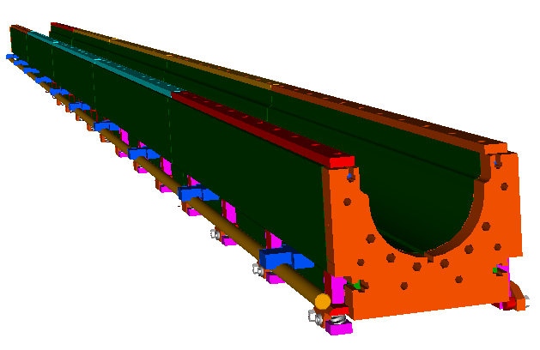
 | Reference from LHQ
 | Curing Mold
 | P/N | Description | Qty | Cost Per | Total | PO | Vendor
 | ME 483304 | End Block | 2 | $2,495.00 | $4,990.00 | 602597 | Medco
 | ME 483305 D | Lamination | 5600 | $4.49 | $25,144.00 | 603978 | Larsen Mfg
 |  | Die | 1 |  | $31,250.00 | 603978 | Larsen Mfg
 | MB 483306 | Lifting Bar | 8 | $38.00 | $304.00 | 602129 | J Marcs
 | MB 483307 | Lifting Bar Spacer | 8 | $86.00 | $688.00 | 602129 | J Marcs
 | MB 483909 | Upper Ring Insert | 3 |  | $876.00 | MSV 3226 | VMS
 | MB 483928 | Cover Layer 1-1 | 2 | $170.00 | $340.00 | 605430 | J Marcs
 | MB 483929 | Cover Layer 1-2 | 2 | $124.00 | $248.00 | 605430 | J Marcs
 | MB 483930 | Cover Layer 2-1 | 2 | $203.00 | $406.00 | 605430 | J Marcs
 | MB 483931 | Cover Layer 2-2 | 2 | $127.00 | $254.00 | 605430 | J Marcs
 | MB 483932 | Link 1 | 2 | $98.00 | $196.00 | 605430 | J Marcs
 | MB 483933 | Link 2 | 2 | $66.00 | $132.00 | 605430 | J Marcs
 | MC 484108 | Hrdwre LHQ Cure Retainer | 1 lot |  | $90.75 | PRN157367 | McMaster
 | 92580A311 | Threaded Rod, 1/2-20 x 12' | 6 | $36.47 | $218.82 | PRN157695 | McMaster
 | MC 484108 | Hdwre Curing Retainer Assy | 1 Lot |  | $80.75 | PRN157368 | McMaster
 | 98950A433 | Threaded Rod, 1/2-20 x12' | 18 | $19.43 | $349.74 | PRN148953 | McMaster
 |  | Curing Mold Alignment Tube | 1 | $1,591.00 | $1,591.00
 |  |  |  |  | $67,159.06
 | W/C Tooling
 | MB 344062 | Side Stiffening Plate | 4 |  | $657.00 | MSV 3201 | VMS
 | MB 461117 | Rod | 2 |  | $365.00 | MSV 3201 | VMS
 | MC 483485 | Key Bar - Side - Long | 4 | $210.00 | $840.00 | 604293 | M1 Tool
 | MC 483486 | Key Bat - Side - Short | 8 | $66.00 | $528.00 | 604293 | M1 Tool
 | MD 483565 | Winding Isle Key Bar 1 | 8 | $85.00 | $680.00 | 605071 | Medco
 | MB 483566 | Winding Isle Key Bar 2 | 1 |  | $100.00 | 605071 | Medco
 | MC 483567 | Winding Isle Key Bar - LE | 1 |  | $900.00 | 605071 | Medco
 | MC 483568 | Winding Isle Key Bar RE | 1 |  | $885.00 | 605071 | Medco
 | MB 483881 | Winding Isle Key Bar 3 | 1 |  | $95.00 | 605071 | Medco
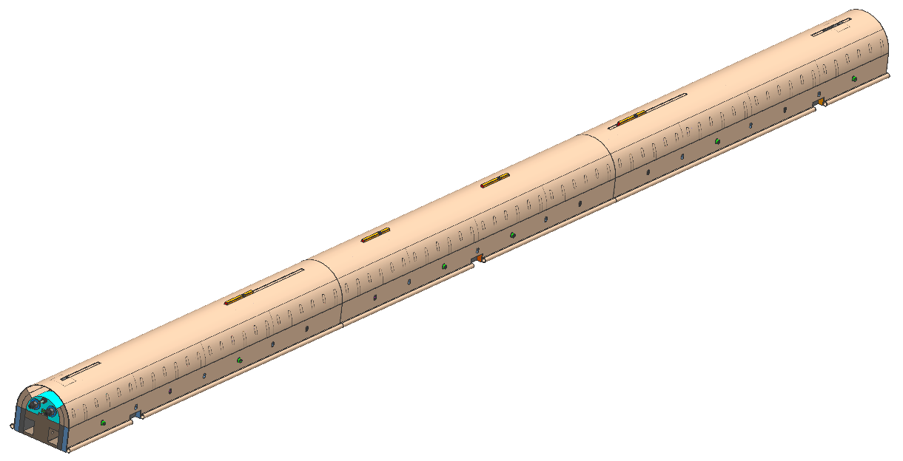
 | MB 483862 | Mandrel Key Bar | 1 |  | $1,200.00 | 605071 | Medco
 | MC 483835 | Winding Mandrel Lam 2 | 12 | $425.00 | $5,100.00 | 605003 | K I Machine
 | MC 483836 | Winding Mandrel Lam 1 | 56 | $190.00 | $10,640.00 | 605003 | K I Machine
 | MD 483702 A | Mandrel Support Block | 1 |  | $2,930.00 | 605035 | Medco
 | MD 483839 A | Mandrel Supp. Mid Block | 1 |  | $2,575.00 | 605035 | Medco
 | MD 483857 | Mandel Support Block 2 | 1 |  | $2,400.00 | 605035 | Medco
 | MD 483875 | Winding Mandrel Lam 2-B | 4 | $450.00 | $1,800.00 | 605003 | K I Machine
 | MD 483947 | L2 Curing Spacer 2 | 2 | $1,075.00 | $2,150.00 | 605772 | Hi Tech
 | MD 483948 | L2 Curing Spacer | 7 | $1,075.00 | $7,525.00 | 605772 | Hi Tech
 | MD 483949 A | L2 Cure Spacer TRNS 1 | 1 |  | $1,718.00 | 606915 | Hi Tech
 | MD 483950 A | L2 Cure Spacer TRNS 2 | 1 |  | $2,390.00 | 606915 | Hi Tech
 | MD 483951 A | L2 Cure Spacer TRNS 3 | 1 |  | $1,766.00 | 606915 | Hi Tech
 | MD 483952 A | L2 Cure Spacer TRNS 4 | 1 |  | $2,390.00 | 606915 | Hi Tech
 | MD 483953 A | L2 Radial Size Spacer 1 | 12 | $659.00 | $7,908.00 | 606915 | Hi Tech
 | MD 483954 A | L2 Radial Size Spacer 2 | 12 | $659.00 | $7,908.00 | 606915 | Hi Tech
 | MC 483955 A | L1 Radial Size Spacer | 24 | $614.00 | $14,736.00 | 606915 | Hi Tech
 | MB 483956 | Pusher Block Inner Layer | 2 | $218.00 | $436.00 | 605670 | J Marcs
 | MB 483957 | Curing Align Key Bar | 2 | $89.00 | $178.00 | 605670 | J Marcs
 | MD 483958 A | Curing Retainer | 2 | $950.00 | $1,900.00 | 606709 | Comet
 | MB 483959 | Pole Slot Pin | 18 | $35.00 | $630.00 | 605670 | J Marcs
 | MD 483960 A | Curing Retainer Middle | 1 |  | $950.00 | 606709 | Comet
 | MC 483969 | L1 Sizing Bar | 6 | $440.00 | $2,640.00 | 605772 | Hi Tech
 | MC 483970 | L2 Sizing Bar 2 | 2 | $440.00 | $880.00 | 605772 | Hi Tech
 | MC 483971 | L2 Sizing Bar 3 | 2 | $440.00 | $880.00 | 605772 | Hi Tech
 | MB 483972 | Curing Align Key Bar 2 | 6 | $49.00 | $294.00 | 605670 | J Marcs
 | MB 483973 | Pusher Block Outer Layer | 2 | $218.00 | $436.00 | 605670 | J Marcs
 | MC 483974 | L2 Sizing Bar 1 | 2 | $440.00 | $880.00 | 605772 | Hi Tech
 | MB 484162 | Shim, Middle | 2 |  | $219.00 | MSV 3248 | VMS
 | MB 484163 | Shim, End | 4 |  | $292.00 | MSV 3248 | VMS
 | MB 484180 | Shim, Strip | 12 |  | $511.00 | MSV 3248 | VMS
 | MD 484191 | L1 Long Retainer | 20 | $55.00 | $1,100.00 | 606420 | J Marcs
 | MB 484192 | L1 Short Retainer | 20 | $31.00 | $620.00 | 606420 | J Marcs
 | MB 484193 | L2 Long Retainer | 20 | $66.00 | $1,320.00 | 606420 | J Marcs
 | MB 484194 | L2 Short Retainer | 20 | $37.00 | $740.00 | 606420 | J Marcs
 | MB 484263 | Cradle Wing Assembly
 | MB 484261 | Fixture Wing | 2 | $695.00 | $1,390.00 | 606708 | Medco
 | MC 484262 | Fixture Cradle | 1 |  | $625.00 | 606708 | Medco
 | 92185A624 | SHCS, 3/8-16 x 1 1/2 SS | 5/pk |  | $5.40 | PRN158730 | McMaster
 | 98404A510 | Pin, Quick Rel 1/2 x 3 | 2 |  | $12.96 | PRN158730 | McMaster
 | MB 484265 | Roller Support Assy | 2 |  | $657.00 | MSV 3259 | VMS
 | 10NBC1620TZP | Bearing, Torrington | 4 | $134.20 | $536.80 | PRN158923 | Motion Indust
 | U-CLBUB-0.63_DO.88-LO.310 | Bearing, Spacer, MISUMI | 4 | $10.43 | $41.72 | PRN158923 | Motion Indust
 | U-SRF-0.63-L4.00 | Rotary Shaft, MISUMI | 2 | $12.58 | $12.58 | PRN158923 | Motion Indust
 | ME 493981 | Outer Layer Assy Hrdwr | 1lot |  | $533.20 | PRN158624 | McMaster
 | MB 484067 | Curing Retainer Bottom | 6 | $180.00 | $1,080.00 | 606110 | Medco
 | MB 484068 A | Curing Retainer Top | 6 | $465.00 | $2,790.00 | 606110 | Medco
 | MB 484106 | Curing Retainer Side | 12 | $78.25 | $939.00 | 606110 | Medco
 | MB 484107 | Curing Retainer Brace | 6 | $140.00 | $840.00 | 606110 | Medco
 |  | Bronze Wedge Tooling | 2 | $1,100.00 | $2,200.00
 |  |  |  |  | $106,755.66

Reaction and Impre. Tooling
Reuse 3.3 m long tooling, procure additional to make up 4.5 m long tooling

 | LHC-MQXF Reaction and Impregnation Tooling | Coil Length |  | Aperture Ratio MQXF/LHQ |  |  |  |  | LHC-MQXF Reaction and Impregnation Tooling | Coil Length | Length Ratio |  |  |  |  |  | LHC-MQXF Reaction and Impregnation Tooling | Coil Length | Length Ratio
 | 1 set | 3.3m long |  | 1.25 |  |  |  |  | 1 set | 4.5m long | 1.3636363636 |  |  |  |  |  | 1 set | 4.5m long | 1.3636363636
 | Description | Reference Drawing # | Quantity | Req/PO# | Vendor | Buyer | Unit Price | Estimated Cost | Description | Reference Drawing # | Quantity | Req/PO# | Vendor | Buyer | Unit Price | Estimated Cost | Description | Reference Drawing # | Quantity | Req/PO# | Vendor | Buyer | Unit Price | Estimated Cost
1 | Mandrel Blocks | 25-2003004-01 | 70 | 234413/606818 | K1 Machine | Evans | $409.38 | $28,656.25 | Mandrel Blocks | 25-2003004-01 | 95 | 234413/606818 | K1 Machine | Evans | $409.38 | $39,076.70 | Mandrel Blocks | 25-2003004-01 | 25 | 234413/606818 | K1 Machine | Evans | $409.38 | $10,420.45
2 | Mandrel Blocks | 25-2003004-02 | 70 | 234413/606818 | K1 Machine | Evans | $409.38 | $28,656.25 | Mandrel Blocks | 25-2003004-02 | 95 | 234413/606818 | K1 Machine | Evans | $409.38 | $39,076.70 | Mandrel Blocks | 25-2003004-02 | 25 | 234413/606818 | K1 Machine | Evans | $409.38 | $10,420.45
3 | Form Blocks | 25-2003005 | 128 | 234413/606818 | K1 Machine | Evans | $344.38 | $44,080.00 | Form Blocks | 25-2003005 | 175 | 234413/606818 | K1 Machine | Evans | $344.38 | $60,109.09 | Form Blocks | 25-2003005 | 43 | 234413/606818 | K1 Machine | Evans | $344.38 | $14,808.13
4 | Form Blocks-Mod | 25-2003022-01 | 6 | 234413/606818 | K1 Machine | Evans | $490.50 | $2,943.00 | Form Blocks-Mod | 25-2003022-01 | 8 | 234413/606818 | K1 Machine | Evans | $490.50 | $4,013.18 | Form Blocks-Mod | 25-2003022-01 | 0 | 234413/606818 | K1 Machine | Evans | $490.50 | $0.00
5 | Form Blocks-Mod | 25-2003022-02 | 6 | 234413/606818 | K1 Machine | Evans | $490.50 | $2,943.00 | Form Blocks-Mod | 25-2003022-02 | 8 | 234413/606818 | K1 Machine | Evans | $490.50 | $4,013.18 | Form Blocks-Mod | 25-2003022-02 | 0 | 234413/606818 | K1 Machine | Evans | $490.50 | $0.00
6
7 | Base Plate | 25-2003003 | 1 | 234414/607056 | Milan's Machining & Mfg Co. | Evans | $10,531.25 | $10,531.25 | Base Plate | 25-2003003 | 1 | 234414/607056 | Milan's Machining & Mfg Co. | Evans | $14,360.80 | $19,582.90 | Base Plate | 25-2003003 | 1 | 234414/607056 | Milan's Machining & Mfg Co. | Evans | $19,582.90 | $19,582.90
8 | Top Plate | 25-2003006 | 1 | 234414/607056 | Milan's Machining & Mfg Co. | Evans | $17,843.75 | $17,843.75 | Top Plate | 25-2003006 | 1 | 234414/607056 | Milan's Machining & Mfg Co. | Evans | $24,332.39 | $33,180.53 | Top Plate | 25-2003006 | 1 | 234414/607056 | Milan's Machining & Mfg Co. | Evans | $33,180.53 | $33,180.53
9 | Side Rail | 25-2003007 | 4 | 234414/607056 | Milan's Machining & Mfg Co. | Evans | $2,968.75 | $11,875.00 | Side Rail | 25-2003007 | 5 | 234414/607056 | Milan's Machining & Mfg Co. | Evans | $2,968.75 | $16,193.18 | Side Rail | 25-2003007 | 2 | 234414/607056 | Milan's Machining & Mfg Co. | Evans | $2,968.75 | $5,937.50
10 | Pusher Bar | 25-2003008-01 | 8 | 234414/607056 | Milan's Machining & Mfg Co. | Evans | $431.25 | $3,450.00 | Pusher Bar | 25-2003008-01 | 11 | 234414/607056 | Milan's Machining & Mfg Co. | Evans | $431.25 | $4,704.55 | Pusher Bar | 25-2003008-01 | 3 | 234414/607056 | Milan's Machining & Mfg Co. | Evans | $431.25 | $1,293.75
11 | Pusher Bar | 25-2003008-02 | 4 | 234414/607056 | Milan's Machining & Mfg Co. | Evans | $431.25 | $1,725.00 | Pusher Bar | 25-2003008-02 | 5 | 234414/607056 | Milan's Machining & Mfg Co. | Evans | $431.25 | $2,352.27 | Pusher Bar | 25-2003008-02 | 2 | 234414/607056 | Milan's Machining & Mfg Co. | Evans | $431.25 | $862.50
12 | End Plate | 25-2003009 | 2 | 234414/607056 | Milan's Machining & Mfg Co. | Evans | $900.00 | $1,800.00 | End Plate | 25-2003009 | 3 | 234414/607056 | Milan's Machining & Mfg Co. | Evans | $900.00 | $2,454.55 | End Plate | 25-2003009 | 0 | 234414/607056 | Milan's Machining & Mfg Co. | Evans | $900.00 | $0.00
13 | End Plate-LE | 25-2003010 | 1 | 234414/607056 | Milan's Machining & Mfg Co. | Evans | $968.75 | $968.75 | End Plate-LE | 25-2003010 | 1 | 234414/607056 | Milan's Machining & Mfg Co. | Evans | $968.75 | $1,321.02 | End Plate-LE | 25-2003010 | 0 | 234414/607056 | Milan's Machining & Mfg Co. | Evans | $968.75 | $0.00
14 | Midplane Shim | 25-2003011 | 4 | 234414 |  | Evans | $286.50 | $1,146.00 | Midplane Shim | 25-2003011 | 5 | 234414 |  | Evans | $286.50 | $1,562.73 | Midplane Shim | 25-2003011 | 2 | 234414 |  | Evans | $286.50 | $573.00
15 | Liner | 25-2003012 | 2 | 234414 |  | Evans | $430.25 | $860.50 | Liner | 25-2003012 | 3 | 234414 |  | Evans | $430.25 | $1,173.41 | Liner | 25-2003012 | 1 | 234414 |  | Evans | $430.25 | $430.25
16 | Lead Seal Cover | 25-2003016 | 2 | 234414/607056 | Milan's Machining & Mfg Co. | Evans | $150.00 | $300.00 | Lead Seal Cover | 25-2003016 | 3 | 234414/607056 | Milan's Machining & Mfg Co. | Evans | $150.00 | $409.09 | Lead Seal Cover | 25-2003016 | 2 | 234414/607056 | Milan's Machining & Mfg Co. | Evans | $150.00 | $300.00
17 | End Saddle Link Assy | 252003019-01 | 4 | 234414/607056 | Milan's Machining & Mfg Co. | Evans | $485.00 | $1,940.00 | End Saddle Link Assy | 252003019-01 | 5 | 234414/607056 | Milan's Machining & Mfg Co. | Evans | $485.00 | $2,645.45 | End Saddle Link Assy | 252003019-01 | 0 | 234414/607056 | Milan's Machining & Mfg Co. | Evans | $485.00 | $0.00
18 | Alignment Pin | 25-2003023 | 12 | 234414/607056 | Milan's Machining & Mfg Co. | Evans | $22.50 | $270.00 | Alignment Pin | 25-2003023 | 16 | 234414/607056 | Milan's Machining & Mfg Co. | Evans | $22.50 | $368.18 | Alignment Pin | 25-2003023 | 5 | 234414/607056 | Milan's Machining & Mfg Co. | Evans | $22.50 | $112.50
19 | Alignment Pin Seal | 25-2003024 | 6 | 234414/607056 | Milan's Machining & Mfg Co. | Evans | $35.00 | $210.00 | Alignment Pin Seal | 25-2003024 | 8 | 234414/607056 | Milan's Machining & Mfg Co. | Evans | $35.00 | $286.36 | Alignment Pin Seal | 25-2003024 | 3 | 234414/607056 | Milan's Machining & Mfg Co. | Evans | $35.00 | $105.00
20 | Seal Compression Ring | 25-2003025 | 6 | 234414/607056 | Milan's Machining & Mfg Co. | Evans | $43.75 | $262.50 | Seal Compression Ring | 25-2003025 | 8 | 234414/607056 | Milan's Machining & Mfg Co. | Evans | $43.75 | $357.95 | Seal Compression Ring | 25-2003025 | 3 | 234414/607056 | Milan's Machining & Mfg Co. | Evans | $43.75 | $131.25
21 | Top Plate | 25-2003026 | 1 | 234414/607056 | Milan's Machining & Mfg Co. | Evans | $9,593.75 | $9,593.75 | Top Plate | 25-2003026 | 1 | 234414/607056 | Milan's Machining & Mfg Co. | Evans | $9,593.75 | $13,082.39 | Top Plate | 25-2003026 | 0 | 234414/607056 | Milan's Machining & Mfg Co. | Evans | $9,593.75 | $0.00
22 | Lead End Plate Assy | 25-2003030 | 1 | 234414/607056 | Milan's Machining & Mfg Co. | Evans | $1,043.75 | $1,043.75 | Lead End Plate Assy | 25-2003030 | 1 | 234414/607056 | Milan's Machining & Mfg Co. | Evans | $1,043.75 | $1,423.30 | Lead End Plate Assy | 25-2003030 | 0 | 234414/607056 | Milan's Machining & Mfg Co. | Evans | $1,043.75 | $0.00
23 | Base Plate | 25-2003033 | 1 | 234414/607056 | Milan's Machining & Mfg Co. | Evans | $15,356.25 | $15,356.25 | Base Plate | 25-2003033 | 1 | 234414/607056 | Milan's Machining & Mfg Co. | Evans | $15,356.25 | $20,940.34 | Base Plate | 25-2003033 | 0 | 234414/607056 | Milan's Machining & Mfg Co. | Evans | $15,356.25 | $0.00
24 | Pole Alignment Key | 25-2003034 | 16 | 234414/607056 | Milan's Machining & Mfg Co. | Evans | $47.50 | $760.00 | Pole Alignment Key | 25-2003034 | 22 | 234414/607056 | Milan's Machining & Mfg Co. | Evans | $47.50 | $1,036.36 | Pole Alignment Key | 25-2003034 | 6 | 234414/607056 | Milan's Machining & Mfg Co. | Evans | $47.50 | $285.00
25 | Keyway Filler | 25-2003035 | 12 | 234414/607056 | Milan's Machining & Mfg Co. | Evans | $28.75 | $345.00 | Keyway Filler | 25-2003035 | 16 | 234414/607056 | Milan's Machining & Mfg Co. | Evans | $28.75 | $470.45 | Keyway Filler | 25-2003035 | 5 | 234414/607056 | Milan's Machining & Mfg Co. | Evans | $28.75 | $143.75
Scale Up
26 | Lead Seal-Impreg. | 25-199.17-3 | 2 | 234414/607056 | Milan's Machining & Mfg Co. | Evans | $75.00 | $150.00 | Lead Seal-Impreg. | 25-199.17-3 | 3 | 234414/607056 | Milan's Machining & Mfg Co. | Evans | $75.00 | $204.55 | Lead Seal-Impreg. | 25-199.17-3 | 1 | 234414/607056 | Milan's Machining & Mfg Co. | Evans | $75.00 | $75.00
27 | Compression Disc-Impreg | 25-199.18-3 | 2 | 234414/607056 | Milan's Machining & Mfg Co. | Evans | $168.75 | $337.50 | Compression Disc-Impreg | 25-199.18-3 | 3 | 234414/607056 | Milan's Machining & Mfg Co. | Evans | $168.75 | $460.23 | Compression Disc-Impreg | 25-199.18-3 | 1 | 234414/607056 | Milan's Machining & Mfg Co. | Evans | $168.75 | $168.75
28 | End Saddle Link Assy | 25-2003019-02 | 1 | 234414/607056 | Milan's Machining & Mfg Co. | Evans | $485.00 | $485.00 | End Saddle Link Assy | 25-2003019-02 | 1 | 234414/607056 | Milan's Machining & Mfg Co. | Evans | $485.00 | $661.36 | End Saddle Link Assy | 25-2003019-02 | 0 | 234414/607056 | Milan's Machining & Mfg Co. | Evans | $485.00 | $0.00

 | 3/8"-16 Steel SHCS | 91251A622 | 150 | 234608/606703 | McMaster Carr | Johnson | $0.21 | $31.47 | 3/8"-16 Steel SHCS | 91251A622 | 205 | 234608/606703 | McMaster Carr | Johnson | $0.21 | $42.91 | 3/8"-16 Steel SHCS | 91251A622 | 55 | 234608/606703 | McMaster Carr | Johnson | $0.21 | $11.44
 | 3/4" Steel Flatwasher | 90126A036 | 168 | 234608/606703 | McMaster Carr | Johnson | $0.16 | $26.16 | 3/4" Steel Flatwasher | 90126A036 | 229 | 234608/606703 | McMaster Carr | Johnson | $0.16 | $35.67 | 3/4" Steel Flatwasher | 90126A036 | 61 | 234608/606703 | McMaster Carr | Johnson | $0.16 | $9.51
 | 3/4"-10 X 8" Steel HHCS | 91247A863 | 232 | 234608/606703 | McMaster Carr | Johnson | $4.61 | $1,069.52 | 3/4"-10 X 8" Steel HHCS | 91247A863 | 316 | 234608/606703 | McMaster Carr | Johnson | $4.61 | $1,458.44 | 3/4"-10 X 8" Steel HHCS | 91247A863 | 84 | 234608/606703 | McMaster Carr | Johnson | $4.61 | $388.92
 | 3/4"-10 Steel Hex Nut | 95462A538 | 150 | 234608/606703 | McMaster Carr | Johnson | $0.41 | $61.74 | 3/4"-10 Steel Hex Nut | 95462A538 | 205 | 234608/606703 | McMaster Carr | Johnson | $0.41 | $84.19 | 3/4"-10 Steel Hex Nut | 95462A538 | 55 | 234608/606703 | McMaster Carr | Johnson | $0.41 | $22.45
 | 3/8"-16 X 1/2" Steel SHCS | 91251A628 | 150 | 234608/606703 | McMaster Carr | Johnson | $0.31 | $46.44 | 3/8"-16 X 1/2" Steel SHCS | 91251A628 | 205 | 234608/606703 | McMaster Carr | Johnson | $0.31 | $63.33 | 3/8"-16 X 1/2" Steel SHCS | 91251A628 | 55 | 234608/606703 | McMaster Carr | Johnson | $0.31 | $16.89
 | 3/8"-16 X 1+1/8" Stl SHCS | 91251A588 | 20 | 234608/606703 | McMaster Carr | Johnson | $1.18 | $23.56 | 3/8"-16 X 1+1/8" Stl SHCS | 91251A588 | 27 | 234608/606703 | McMaster Carr | Johnson | $1.18 | $32.13 | 3/8"-16 X 1+1/8" Stl SHCS | 91251A588 | 7 | 234608/606703 | McMaster Carr | Johnson | $1.18 | $8.57
 | 1/4"-20 X 1+3/4" Stl SHCS | 91251A548 | 25 | 234608/606703 | McMaster Carr | Johnson | $0.20 | $5.03 | 1/4"-20 X 1+3/4" Stl SHCS | 91251A548 | 34 | 234608/606703 | McMaster Carr | Johnson | $0.20 | $6.86 | 1/4"-20 X 1+3/4" Stl SHCS | 91251A548 | 9 | 234608/606703 | McMaster Carr | Johnson | $0.20 | $1.83
 | 1/4"-20 X 1+1/8" Stl SHCS | 91251A560 | 25 | 234608/606703 | McMaster Carr | Johnson | $0.30 | $7.44 | 1/4"-20 X 1+1/8" Stl SHCS | 91251A560 | 34 | 234608/606703 | McMaster Carr | Johnson | $0.30 | $10.15 | 1/4"-20 X 1+1/8" Stl SHCS | 91251A560 | 9 | 234608/606703 | McMaster Carr | Johnson | $0.30 | $2.71
 | 5/8"-11 X 1/2" Stl Set Screw | 91375A789 | 10 | 234608/606703 | McMaster Carr | Johnson | $0.81 | $8.08 | 5/8"-11 X 1/2" Stl Set Screw | 91375A789 | 14 | 234608/606703 | McMaster Carr | Johnson | $0.81 | $11.02 | 5/8"-11 X 1/2" Stl Set Screw | 91375A789 | 4 | 234608/606703 | McMaster Carr | Johnson | $0.81 | $2.94
 | 3/32" X 7/8" Oring | 9561K43 | 25 | 234608/606703 | McMaster Carr | Johnson | $0.32 | $8.00 | 3/32" X 7/8" Oring | 9561K43 | 34 | 234608/606703 | McMaster Carr | Johnson | $0.32 | $10.91 | 3/32" X 7/8" Oring | 9561K43 | 9 | 234608/606703 | McMaster Carr | Johnson | $0.32 | $2.91
 | 3/16" Oring Cord (Feet) | 9616K14 | 10 | 234608/606703 | McMaster Carr | Johnson | $0.55 | $5.50 | 3/16" Oring Cord (Feet) | 9616K14 | 14 | 234608/606703 | McMaster Carr | Johnson | $0.55 | $7.50 | 3/16" Oring Cord (Feet) | 9616K14 | 4 | 234608/606703 | McMaster Carr | Johnson | $0.55 | $2.00
 | 1/4" Oring Cord (Feet) | 9616K15 | 40 | 234608/606703 | McMaster Carr | Johnson | $0.64 | $25.60 | 1/4" Oring Cord (Feet) | 9616K15 | 55 | 234608/606703 | McMaster Carr | Johnson | $0.64 | $34.91 | 1/4" Oring Cord (Feet) | 9616K15 | 15 | 234608/606703 | McMaster Carr | Johnson | $0.64 | $9.31
 | 3/8"-16 X 3/4" SS SHCS | 92185A622 | 80 | 234608/606703 | McMaster Carr | Johnson | $0.96 | $76.96 | 3/8"-16 X 3/4" SS SHCS | 92185A622 | 109 | 234608/606703 | McMaster Carr | Johnson | $0.96 | $104.95 | 3/8"-16 X 3/4" SS SHCS | 92185A622 | 29 | 234608/606703 | McMaster Carr | Johnson | $0.96 | $27.99
 | 3/4"-10 SS Hex Nut | 94804A360 | 150 | 234608/606703 | McMaster Carr | Johnson | $1.46 | $219.00 | 3/4"-10 SS Hex Nut | 94804A360 | 205 | 234608/606703 | McMaster Carr | Johnson | $1.46 | $298.64 | 3/4"-10 SS Hex Nut | 94804A360 | 55 | 234608/606703 | McMaster Carr | Johnson | $1.46 | $79.64
 | 3/8"-16 X 1+1/2" SS SHCS | 92185A628 | 150 | 234608/606703 | McMaster Carr | Johnson | $1.32 | $198.00 | 3/8"-16 X 1+1/2" SS SHCS | 92185A628 | 205 | 234608/606703 | McMaster Carr | Johnson | $1.32 | $270.00 | 3/8"-16 X 1+1/2" SS SHCS | 92185A628 | 55 | 234608/606703 | McMaster Carr | Johnson | $1.32 | $72.00
 | 5/8"-11 X 1/2" SS Set Screw | 92311A789 | 10 | 234608/606703 | McMaster Carr | Johnson | $0.78 | $7.84 | 5/8"-11 X 1/2" SS Set Screw | 92311A789 | 14 | 234608/606703 | McMaster Carr | Johnson | $0.78 | $10.69 | 5/8"-11 X 1/2" SS Set Screw | 92311A789 | 4 | 234608/606703 | McMaster Carr | Johnson | $0.78 | $2.85
 | 3/8"-16 X 1+1/8" SS SHCS | 92196A625 | 20 | 234608/606703 | McMaster Carr | Johnson | $0.72 | $14.34 | 3/8"-16 X 1+1/8" SS SHCS | 92196A625 | 27 | 234608/606703 | McMaster Carr | Johnson | $0.72 | $19.55 | 3/8"-16 X 1+1/8" SS SHCS | 92196A625 | 7 | 234608/606703 | McMaster Carr | Johnson | $0.72 | $5.21
 | 3/4"-10 X 8" SS HHCS | 92198A863 | 77 | 234608/606703 | McMaster Carr | Johnson | $9.16 | $705.32 | 3/4"-10 X 8" SS HHCS | 92198A863 | 105 | 234608/606703 | McMaster Carr | Johnson | $9.16 | $961.80 | 3/4"-10 X 8" SS HHCS | 92198A863 | 28 | 234608/606703 | McMaster Carr | Johnson | $9.16 | $256.48
 | 1/4" X .010 SS Tube (Feet) | 89895K44 | 40 | 234608/606703 | McMaster Carr | Johnson | $4.05 | $161.98 | 1/4" X .010 SS Tube (Feet) | 89895K44 | 55 | 234608/606703 | McMaster Carr | Johnson | $4.05 | $220.88 | 1/4" X .010 SS Tube (Feet) | 89895K44 | 15 | 234608/606703 | McMaster Carr | Johnson | $4.05 | $58.90
 | 3/16" X .030" Cu Tube (Feet) | 5174K2 | 50 | 234608/606703 | McMaster Carr | Johnson | $0.62 | $30.99 | 3/16" X .030" Cu Tube (Feet) | 5174K2 | 68 | 234608/606703 | McMaster Carr | Johnson | $0.62 | $42.26 | 3/16" X .030" Cu Tube (Feet) | 5174K2 | 18 | 234608/606703 | McMaster Carr | Johnson | $0.62 | $11.27
 | 3/4" Steel Flatwasher | 98019A519 | 300 | 234608/606703 | McMaster Carr | Johnson | $1.49 | $447.00 | 3/4" Steel Flatwasher | 98019A519 | 409 | 234608/606703 | McMaster Carr | Johnson | $1.49 | $609.55 | 3/4" Steel Flatwasher | 98019A519 | 109 | 234608/606703 | McMaster Carr | Johnson | $1.49 | $162.55

 | 1/4" X .010 SS Tube (Feet) |  | 80 | PRN159707 | Eagle Stainless | Schmidt | $4.89 | $391.00 | 1/4" X .010 SS Tube (Feet) |  | 109 | PRN159707 | Eagle Stainless | Schmidt | $4.89 | $533.18 | 1/4" X .010 SS Tube (Feet) |  | 29 | PRN159707 | Eagle Stainless | Schmidt | $4.89 | $142.18

 |  |  |  |  |  | Total |  | $192,103.47 |  |  |  |  |  | Total |  | $276,029.53 |  |  |  |  |  | Total |  | $100,129.25

 |  |  |  | Discription | techs | rate | hrs/tech |  |  |  | Discription | techs | rate | hrs/tech |  |  |  |  | Discription | techs | rate | hrs/tech
 |  |  |  | QC | 1 | $108 | 224 | $24,192 |  |  | QC | 1 | $108 | 224 | $24,192 |  |  |  | QC | 1 | $108 | 144 | $15,552

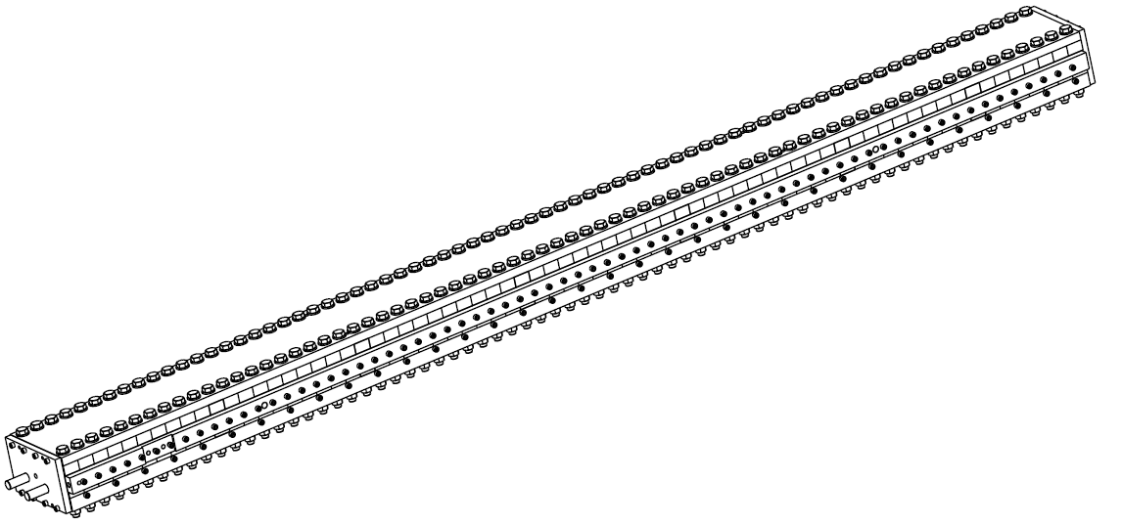
 | Reference from LHQ 2 sets
 | Description | Drawing # | Quantity | Req/PO# | Vendor | Buyer | Estimated Cost | Actual Cost
 | 2012-08-28

 | Mandrel Blocks | 25-2003004-01 | 140 | 234413/606818 | K1 Machine | Evans | $42,770.00 | $45,850.00
 | Mandrel Blocks | 25-2003004-02 | 140 | 234413/606818 | K1 Machine | Evans | $45,920.00 | $45,850.00
 | Form Blocks | 25-2003005 | 256 | 234413/606818 | K1 Machine | Evans | $94,080.00 | $70,528.00
 | Form Blocks-Mod | 25-2003022-01 | 12 | 234413/606818 | K1 Machine | Evans | $10,620.00 | $4,708.80
 | Form Blocks-Mod | 25-2003022-02 | 12 | 234413/606818 | K1 Machine | Evans | $11,520.00 | $4,708.80

 | Base Plate | 25-2003003 | 2 | 234414/607056 | Milan's Machining & Mfg Co. | Evans | $17,366.00 | $16,850.00
 | Top Plate | 25-2003006 | 2 | 234414/607056 | Milan's Machining & Mfg Co. | Evans | $14,920.00 | $28,550.00
 | Side Rail | 25-2003007 | 8 | 234414/607056 | Milan's Machining & Mfg Co. | Evans | $15,576.00 | $19,000.00
 | Pusher Bar | 25-2003008-01 | 16 | 234414/607056 | Milan's Machining & Mfg Co. | Evans | $10,252.80 | $5,520.00
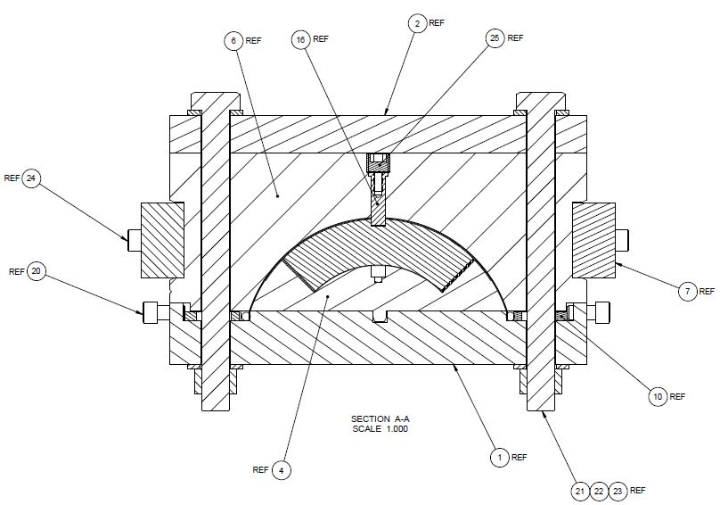
 | Pusher Bar | 25-2003008-02 | 8 | 234414/607056 | Milan's Machining & Mfg Co. | Evans | $3,409.60 | $2,760.00
 | End Plate | 25-2003009 | 4 | 234414/607056 | Milan's Machining & Mfg Co. | Evans | $4,760.00 | $2,880.00
 | End Plate-LE | 25-2003010 | 2 | 234414/607056 | Milan's Machining & Mfg Co. | Evans | $3,931.00 | $1,550.00
 | Midplane Shim | 25-2003011 | 8 | 234414 |  | Evans | $1,833.60 | Requote
 | Liner | 25-2003012 | 4 | 234414 |  | Evans | $1,376.80 | Requote
 | Lead Seal Cover | 25-2003016 | 4 | 234414/607056 | Milan's Machining & Mfg Co. | Evans | $1,389.60 | $480.00
 | End Saddle Link Assy | 252003019-01 | 8 | 234414/607056 | Milan's Machining & Mfg Co. | Evans | $3,409.60 | $3,104.00
 | Alignment Pin | 25-2003023 | 24 | 234414/607056 | Milan's Machining & Mfg Co. | Evans | $2,462.40 | $432.00
 | Alignment Pin Seal | 25-2003024 | 12 | 234414/607056 | Milan's Machining & Mfg Co. | Evans | $657.60 | $336.00
 | Seal Compression Ring | 25-2003025 | 12 | 234414/607056 | Milan's Machining & Mfg Co. | Evans | $657.60 | $420.00
 | Top Plate | 25-2003026 | 2 | 234414/607056 | Milan's Machining & Mfg Co. | Evans | $23,500.00 | $15,350.00
 | Lead End Plate Assy | 25-2003030 | 2 | 234414/607056 | Milan's Machining & Mfg Co. | Evans | $3,931.00 | $1,670.00
 | Base Plate | 25-2003033 | 2 | 234414/607056 | Milan's Machining & Mfg Co. | Evans | $26,726.00 | $24,570.00
 | Pole Alignment Key | 25-2003034 | 32 | 234414/607056 | Milan's Machining & Mfg Co. | Evans | $2,284.80 | $1,216.00
 | Keyway Filler | 25-2003035 | 24 | 234414/607056 | Milan's Machining & Mfg Co. | Evans | $1,689.60 | $552.00
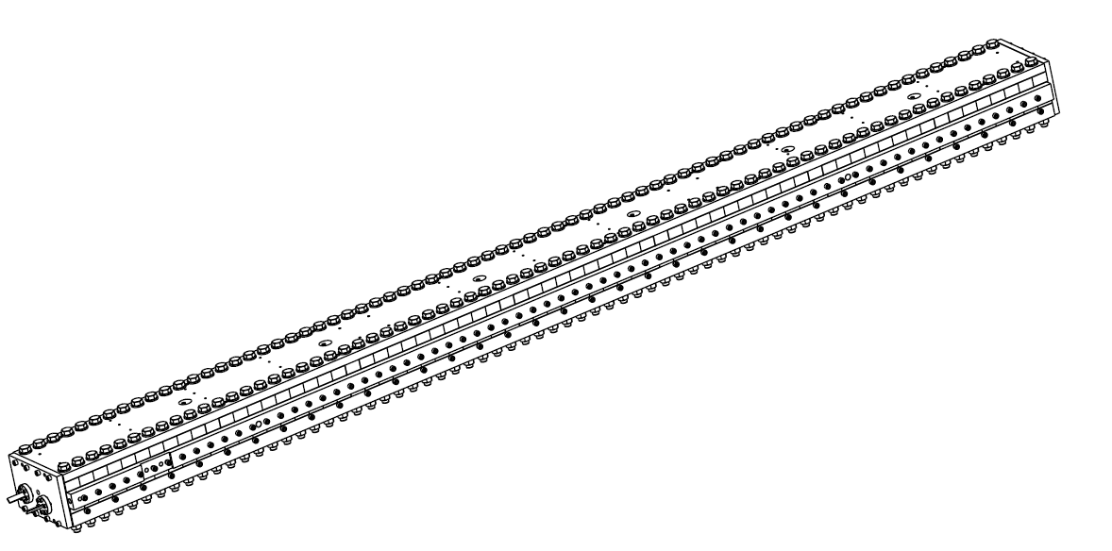
 | Lead Seal-Impreg. | 25-199.17-3 | 4 | 234414/607056 | Milan's Machining & Mfg Co. | Evans | $593.60 | $240.00
 | Compression Disc-Impreg | 25-199.18-3 | 4 | 234414/607056 | Milan's Machining & Mfg Co. | Evans | $1,233.60 | $540.00
 | End Saddle Link Assy | 25-2003019-02 | 2 | 234414/607056 | Milan's Machining & Mfg Co. | Evans | $2,264.00 | $776.00

 | 3/8"-16 Steel SHCS | 91251A622 | 300 | 234608/606703 | McMaster Carr | Johnson | $62.94 | $62.94
 | 3/4" Steel Flatwasher | 90126A036 | 315 | 234608/606703 | McMaster Carr | Johnson | $49.05 | $49.05
 | 3/4"-10 X 8" Steel HHCS | 91247A863 | 310 | 234608/606703 | McMaster Carr | Johnson | $1,429.10 | $1,429.10
 | 3/4"-10 Steel Hex Nut | 95462A538 | 300 | 234608/606703 | McMaster Carr | Johnson | $123.48 | $123.48
 | 3/8"-16 X 1/2" Steel SHCS | 91251A628 | 300 | 234608/606703 | McMaster Carr | Johnson | $92.88 | $92.88
 | 3/8"-16 X 1+1/8" Stl SHCS | 91251A588 | 35 | 234608/606703 | McMaster Carr | Johnson | $41.23 | $41.23
 | 1/4"-20 X 1+3/4" Stl SHCS | 91251A548 | 50 | 234608/606703 | McMaster Carr | Johnson | $10.06 | $10.06
 | 1/4"-20 X 1+1/8" Stl SHCS | 91251A560 | 50 | 234608/606703 | McMaster Carr | Johnson | $14.88 | $14.88
 | 5/8"-11 X 1/2" Stl Set Screw | 91375A789 | 20 | 234608/606703 | McMaster Carr | Johnson | $16.16 | $16.16
 | 3/32" X 7/8" Oring | 9561K43 | 25 | 234608/606703 | McMaster Carr | Johnson | $8.00 | $8.00
 | 3/16" Oring Cord (Feet) | 9616K14 | 20 | 234608/606703 | McMaster Carr | Johnson | $11.00 | $11.00
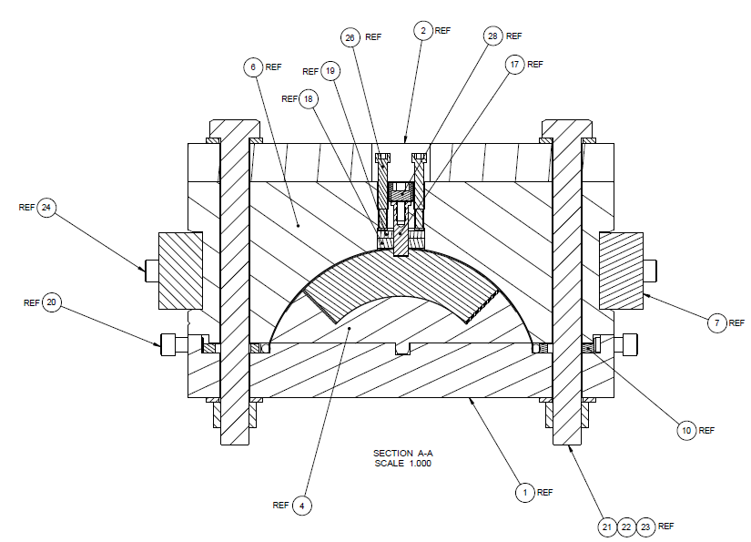
 | 1/4" Oring Cord (Feet) | 9616K15 | 80 | 234608/606703 | McMaster Carr | Johnson | $51.20 | $51.20
 | 3/8"-16 X 3/4" SS SHCS | 92185A622 | 160 | 234608/606703 | McMaster Carr | Johnson | $153.92 | $153.92
 | 3/4"-10 SS Hex Nut | 94804A360 | 300 | 234608/606703 | McMaster Carr | Johnson | $438.00 | $438.00
 | 3/8"-16 X 1+1/2" SS SHCS | 92185A628 | 300 | 234608/606703 | McMaster Carr | Johnson | $396.00 | $396.00
 | 5/8"-11 X 1/2" SS Set Screw | 92311A789 | 20 | 234608/606703 | McMaster Carr | Johnson | $15.68 | $15.68
 | 3/8"-16 X 1+1/8" SS SHCS | 92196A625 | 40 | 234608/606703 | McMaster Carr | Johnson | $28.68 | $28.68
 | 3/4"-10 X 8" SS HHCS | 92198A863 | 154 | 234608/606703 | McMaster Carr | Johnson | $1,410.64 | $1,410.64
 | 1/4" X .010 SS Tube (Feet) | 89895K44 | 80 | 234608/606703 | McMaster Carr | Johnson | $280.00 | 323.96
 | 3/16" X .030" Cu Tube (Feet) | 5174K2 | 100 | 234608/606703 | McMaster Carr | Johnson | $65.68 | $65.68
 | 3/4" Steel Flatwasher | 98019A519 | 600 | 234608/606703 | McMaster Carr | Johnson | $894.00 | $894.00

 | 1/4" X .010 SS Tube (Feet) |  | 160 | PRN159707 | Eagle Stainless | Schmidt | $782.00 | $782.00

 | 3/4"-10 X 8" SS HHCS | 92198A863 | 154 |  | McMaster Carr | Olderr |  | $709.94

 |  |  |  |  |  | Total |  | $308,780.48

