DASHBOARDS
/
Student screen Time Analysis
SCREEN TIME VS EXTRA CURRICULAR HOURS

 | Extra_Curricular_Hours | updated screen time
 | 1.6 | 2.7
 | 0.7 | 4
 | 1.5 | 4.3
 | 1.8 | 2.8
 | 1.4 | 1.8
 | 0.4 | 4.4
 | 2.9 | 6.7
 | 1.6 | 4.6
 | 0.9 | 4.1
 | 2.8 | 4.1
 | 2 | 3.6
 | 0.5 | 5.8
 | 0.7 | 4.1
 | 1.3 | 2
 | 1.7 | 1.6
 | 2 | 4.1
 | 2.3 | 5.6
 | 1.9 | 4.4
 | 2.6 | 3.5
 | 1.6 | 4.7
 | 0.9 | 4.3
 | 1.5 | 5.2
 | 1.4 | 6
 | 0 | 2.6
 | 1.1 | 0.5
 | 1.8 | 3.5
 | 1.2 | 2.5
 | 1 | 5.2
 | 2.2 | 2.9
 | 0.8 | 1.2
 | 2.1 | 3.1
 | 0.4 | 1.8
 | 3.7 | 6.4
 | 1.3 | 4.7
 | 1.2 | 5
 | 2.4 | 4.8
 | 1.2 | 5.3
 | 2.7 | 5.7
 | 1.8 | 3.2
 | 1.4 | 1.9
 | 1.3 | 2.7
 | 2.5 | 3.9
 | 1.7 | 0.2
 | 1.8 | 5.7
 | 1.9 | 1.2
 | 1.6 | 4.9
 | 1.9 | 3.7
 | 1.4 | 4.4
 | 1.5 | 3.3
 | 0.6 | 4.3
...
 | Total
High | 7169.7
Low | 2032.9
Modarate | 4962.4

 | Total
13 | 3094.1
14 | 2525.5
15 | 2625.5
16 | 3399.1
17 | 2460.9

SUM OF SCREEN TIME VS SCREEN TIME RANGE
 | Total
High | 517.8
Low | 33.4
Modarate | 226.2

INSIGHTS AND REPORTS
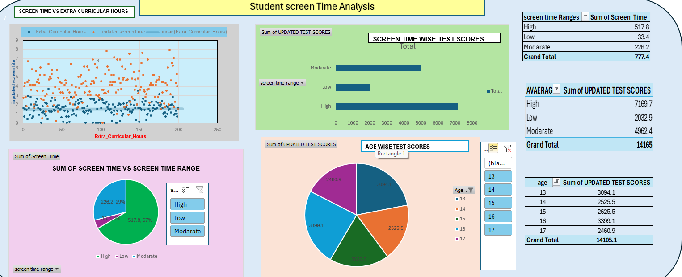
INSIGHTS OF STUDENT SCREEN TIME ANALYSIS

1 | study hours has some missing values I replaced them using Average/mean

 | 2. screen time has some missing values I replace using median

 | 3 | Test score has some missing data I replaced using mode

 | 4 REMOVING DUPLICATE VALUES
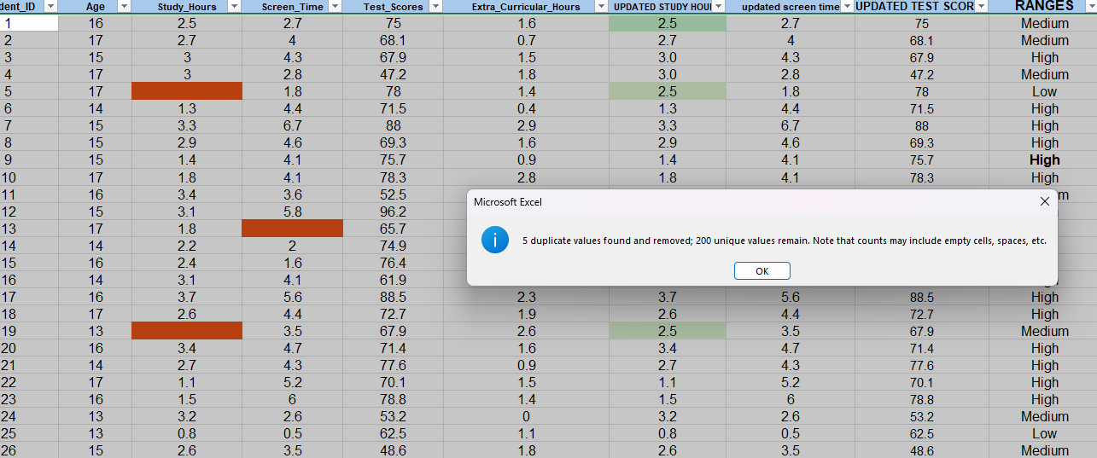

 |  |  | Ensure consistent formatting (e.g., numeric columns, proper column names)

 |  |  | 1. We are converting general data into numeric data | numerical

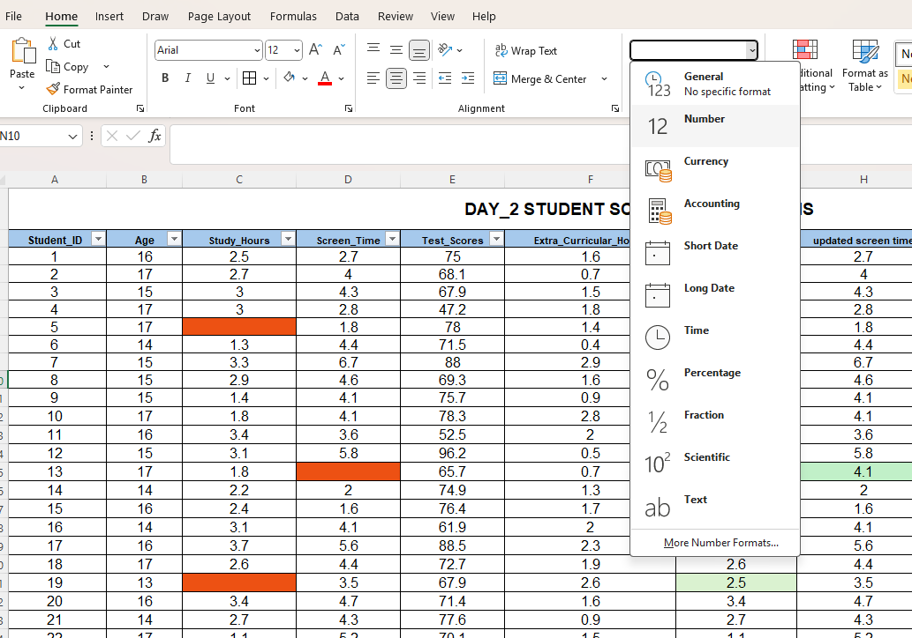

 | Data Transformation

 | created new columns as per required challenges

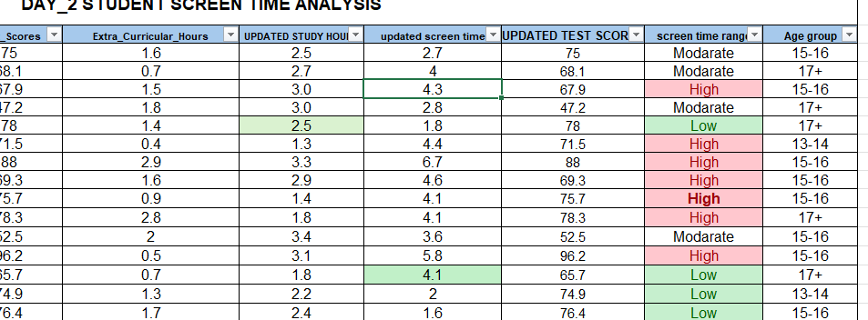

 | pivot tables

 | DASHBOARDS

