Ethernet
Components Analysis
S.No | Ref des | MPN | Description | Part Status | EOL | Operating Temp | Cost @ 10 | Stock | ROHS
1 | X2 | JX3V-9015NL | RJ45 connector | Active | 2037 | -40°C ~ 85°C | 7.834 | 231 | Complaint

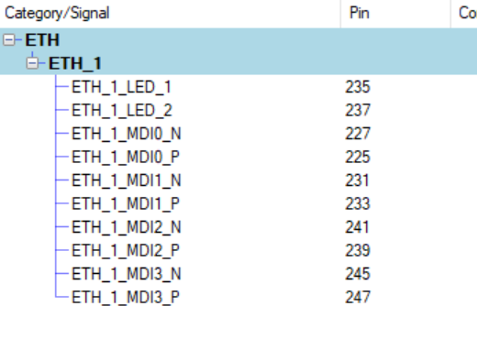
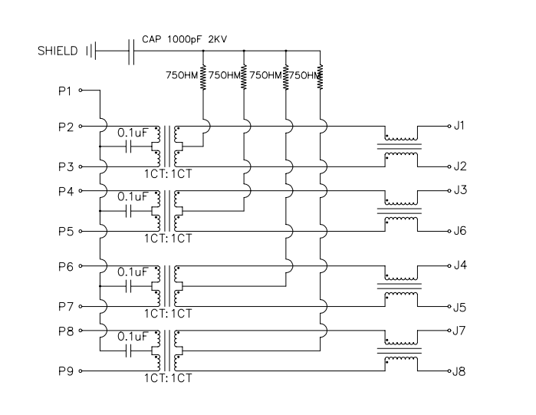
Pin mapping verification
S.No | SoM Pin No | Signal | IC Pin No
1 | 235 | ETH_1_LED_1 | P12
2 | 237 | ETH_1_LED_2 | P14
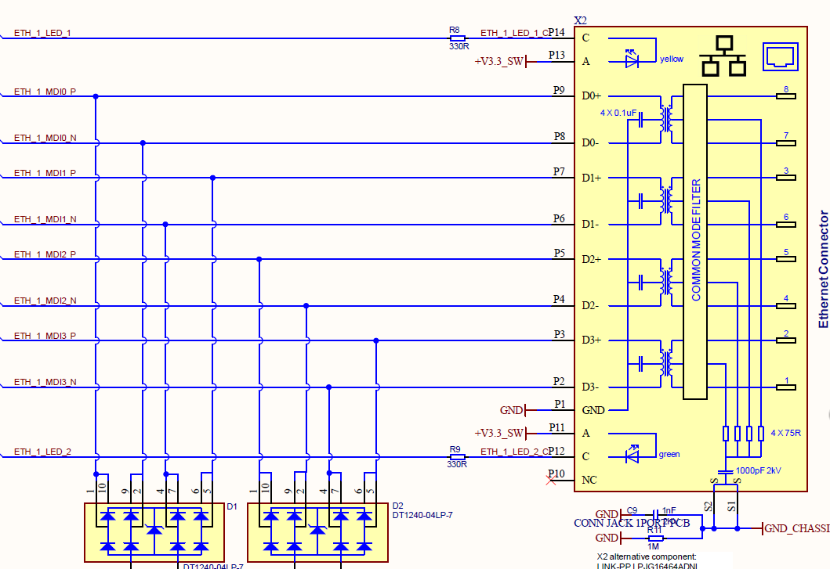
3 | 227 | ETH_1_MDI0_N | P8
4 | 225 | ETH_1_MDI0_P | P9
5 | 231 | ETH_1_MDI1_N | P6
6 | 233 | ETH_1_MDI1_P | P7
7 | 241 | ETH_1_MDI2_N | P4
8 | 239 | ETH_1_MDI2_P | P5
9 | 245 | ETH_1_MDI3_N | P2
10 | 247 | ETH_1_MDI3_P | P3
11 |  | +V3.3_SW | P11
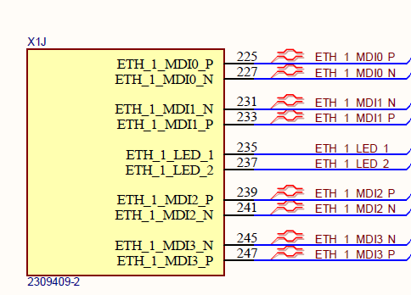
12 |  | +V3.3_SW | P13
13 |  | GND | P1
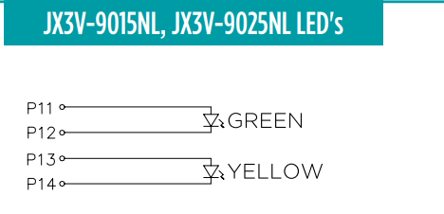
14 |  | NC | P10

CSI
Components Analysis
S.No | Ref des | MPN | Description | Part Status | EOL | Operating Temp | Cost @ 10 | Stock | ROHS
1 | X3 | F300-1B7H1-11020-E100 | Flex Connector | Active |  | -40℃~+105℃ | 0.56 | 13217 | Complaint

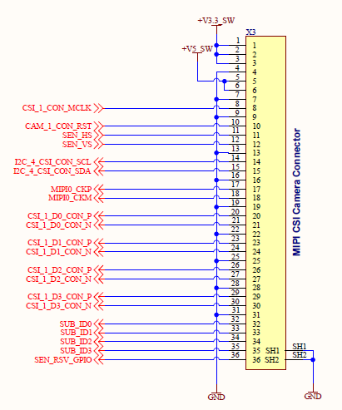
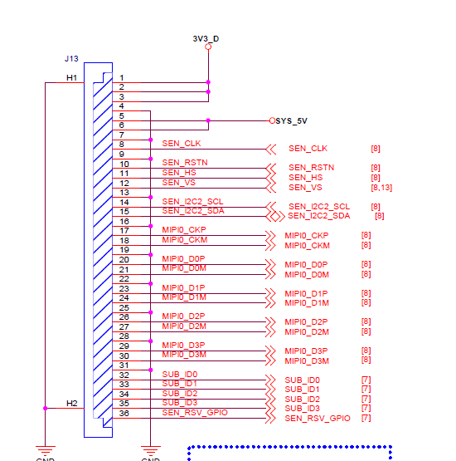
Pin mapping verification
SIGNAL NAME | TRUEN CONN PIN NUMBER | SODIMM PIN NO |  | Remarks
GND | 4,7,9,13,16,19,22,25,28,31 | PWR
+V3.3_SW | 1,2,3 | PWR
+V5_SW | 5,6 | PWR
SEN_CLK | 8 | 91 |  | checked in datasheet
SEN_RSTN | 10 | 216 |  | Connected through circuit
SEN_HS | 11 | 206 |  | Set as inputs
SEN_VS | 12 | 208 |  | Set as inputs
SEN_I2C2_SCL | 14 | 95 |  | Connected through circuit
SEN_I2C2_SDA | 15 | 93 |  | Connected through circuit
MIPI0_CKP | 17 | 111
MIPI0_CKM | 18 | 113
MIPI0_D0P | 20 | 123
MIPI0_D0M | 21 | 125
MIPI0_D1P | 23 | 117
MIPI0_D1M | 24 | 119
MIPI0_D2P | 26 | 105
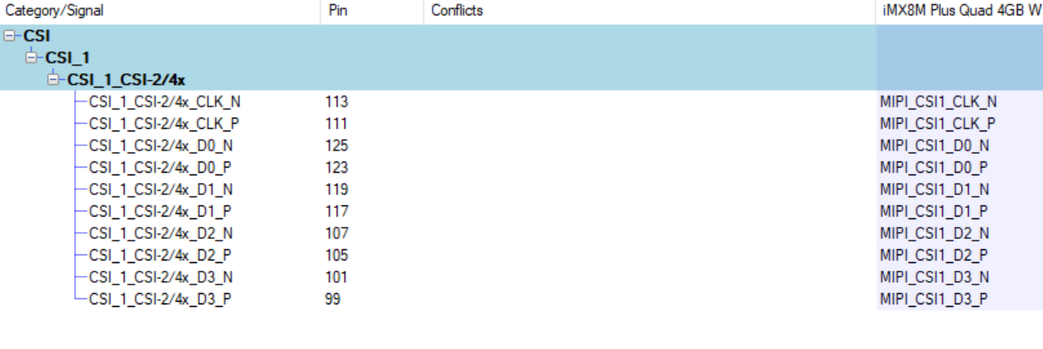
MIPI0_D2M | 27 | 107
MIPI0_D3P | 29 | 99
MIPI0_D3M | 30 | 101
SUB_ID0 | 32 | 218 | Connect as per comment in sch | Set as inputs
SUB_ID1 | 33 | 220 | Connect as per comment in sch | Set as inputs
SUB_ID2 | 34 | 222 | Connect as per comment in sch | Set as inputs
SUB_ID3 | 35 | 210 |  | Set as inputs
SEN_RSV_GPIO | 36 | 212 |  | Set as output

SD Card
Components Analysis
S.No | Ref des | MPN | Description | Part Status | EOL | Operating Temp | Cost @ 10 | Stock | ROHS
1 | X7 | 5027740891 | SD Card Connector | Last time | 2025 | -25° to +85°C | 3.95 | 13,352 | Complaint

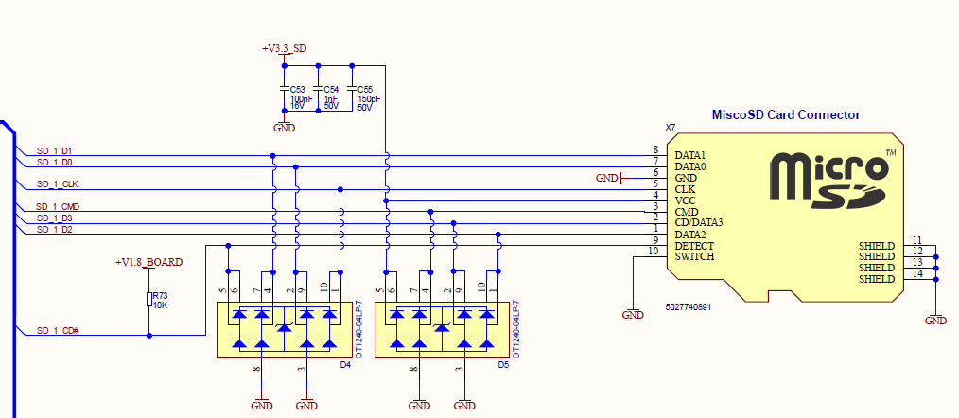
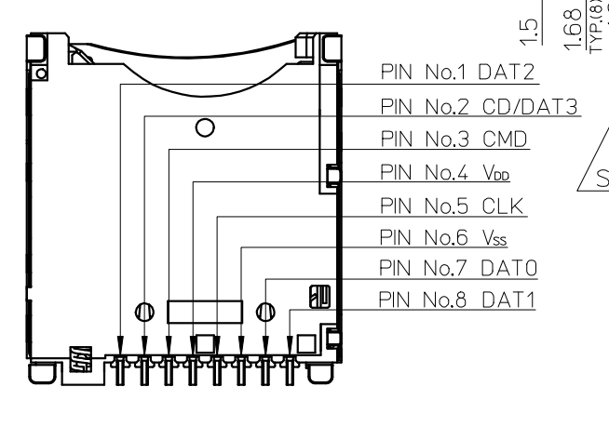
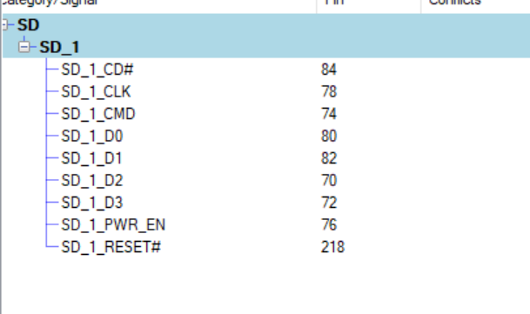
Pin mapping verification
SIGNAL NAME | SD Card pin no | SODIMM PIN NO | Remarks
SD_1_D1 | 8 | 82
SD_1_D0 | 7 | 80
SD_1_CLK | 5 | 78
SD_1_CMD | 3 | 74
SD_1_D3 | 2 | 72
SD_1_D2 | 1 | 70
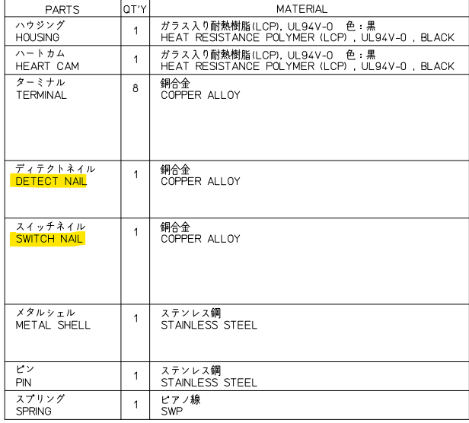
SD_1_CD# | 9 | 84
PWR | 4
PWR | 6
SD_1_PWR_EN | Connected to PWR circuit | 76

RS485
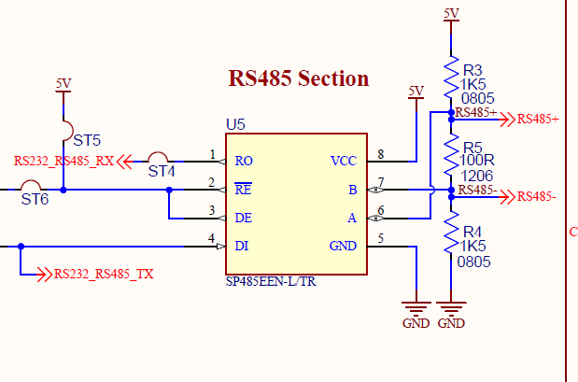
Components Analysis
S.No | Ref des | MPN | Description | Part Status | EOL | Operating Temp | Cost @ 10 | Stock | ROHS
1 | X7 | SP3078EEN-L/TR | Rs485 transceiver | Active | 2033 | -40°C ~ 85°C | 0.708 | 1 | Complaint

 |  | Followed rear Card schematics

