Smoking
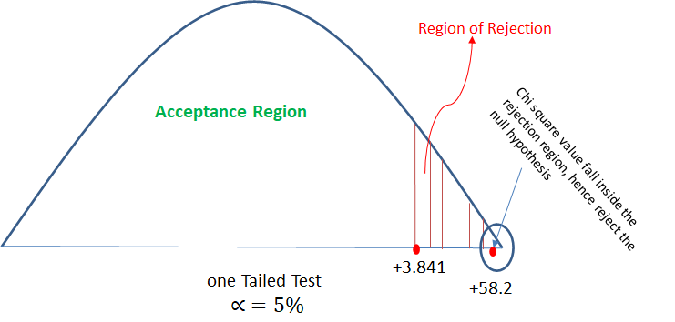
Q: Analyze the below data and tell whether you can conclude that smoking causes cancer or not?

chi square test check the independence of the two categorical variable. Here in this question we need to test whether smoking and cancer are independent or dependent to each other. Hence will perform chi square test.
Solution:
Step 1: H0 (Null Hypothesis): Cancer is dependent on smoking
H1 (Alternate Hypothesis): cancer is not dependent on smoking
Step 2: Calculate the expected value for each cell of the table (when null hypothesis is true) The expected values specify what the values of each cell of the table would be if there is no association between the two variables. The formula for computing the expected values requires the sample size, the row totals, and the column totals. expected value (e) = (row total * column total)/table total Now lets create another table with observed and expected values both:
Step 3: calculate the chi square value: χ2 = Σ[(o-e)²]/e ; χ2 = 23.70
Step 4: Decide if χ2 is statistically significant. The final step of the chi-square test of significance is to determine if the value of the chi-square test statistic is large enough to reject the null hypothesis. Now will check χ2 table for the critical value with α = 5% So from table we got χ2 (critical value at α = 5%) = 3.841 The chi-square value of 23.70 is much larger than the critical value of 3.84, so the null hypothesis can be rejected. Which means with given data, it can be significantly concluded that cancer is not dependent on smoking.
Category | Diagnosed as Cancer | Without Cancer | Total
Smokers | 220 | 230 | 450
Non-Smokers | 350 | 640 | 990
Total | 570 | 870 | 1440

Category | Diagnosed as Cancer | Without Cancer
Smokers | o = 220, e = 570*450/1440 = 178.125 | o = 230, e = 450*870/1440 = 271.875
Non-Smokers | o = 350, e = 990*570/1440 = 391.875 | o = 640, e = 990*870/1440 = 598.125

Category | Diagnosed as Cancer | Without Cancer | Total
Smokers | 178.125 | 271.875 | 450
Non-Smokers | 391.875 | 598.125 | 990
Total | 570 | 870 | 1440

O | E | (O-E) | A= (O-E)^2 | X^2 = (A/E)
220 | 178.125 | 41.875 | 1753.515625 | 9.8442982456
230 | 271.875 | -41.875 | 1753.515625 | 6.4497126437
350 | 391.875 | -41.875 | 1753.515625 | 4.4746810207
640 | 598.125 | 41.875 | 1753.515625 | 2.9316875653
 |  |  | Total | 23.700379475

Girl_boy
Q: There is an assumption that there is no significant difference between boys and girls with respect to intelligence. Tests are conducted on two groups and the following are the observations
Solution:
H₀ (Null Hypothesis) : No difference between boys and girls in terms of intelligence. (μ₂ = μ₂) H₁ (Alternate Hypothesis): Boys and girls are different in terms of intelligence (μ₂ ≠ μ₂) => two tailed test x1bar = 89 (Girls sample mean) x2bar = 82 (boys sample mean) LoS (α) = 5% .
In question, we have two sample mean. Boys sample mean and girls sample mean. Hence this can be solved with two mean problem.
Next both samples size n1 = 50 and n2 = 120 are greater than 30 hence will use z-test.
Step 1: calculate z value from the two mean z test formula as below: z = [(x₁bar - x₂bar) - (μ₂ - μ₂)]/√(s₁²/n₁ + s₂²/n₂) , μ₂ - μ₂ = 0 assuming null hypothesis is true .
z = 7.017
step 2: calculate z critical value for α = 5% from z-table. so from z-table Z critical value = -1.96, +1.96 (will get two values due two tailed test)
step 3: check if calculated z value is in between z critical value then accept the null hypothesis if z calculated is outside z critical then reject the null hypothesis. Here, z calculated value is in between the z critical values. -1.96 < Z < 1.96 Hence will
reject the null hypothesis. Conclusion: with given data it is significantly proven that there is significant difference between the intelligence of boys and girls.

 | Mean | Std Deviation | Size | std sqr/size | Z-test
Girls | 89 | 4 | 50 | 0.32
Boys | 82 | 9 | 120 | 0.675

Xbar | 7 |  | ROOT | 0.99749686716 | 7.0175658996
At 5% of LOS,
Ze = 1.96 <Z
==> Reject H0

