Sheet1
Data |  | After Removing outlier |  |  |  |  |  |  |  |  | Bin | Frequency
250 | FALSE | 250 |  | Maximum | 1000 |  | =MAX(B2:B21) |  | 250 |  | 250 | 3
600 | FALSE | 600 |  |  |  |  |  |  |  |  | 500 | 13
535 | FALSE | 535 |  | Minimum | 200 |  | =MIN(B2:B21) |  |  |  | 750 | 3
322 | FALSE | 322 |  |  |  |  |  |  |  |  | 1000 | 1
500 | FALSE | 500 |  | Range |  | Frequency | Relative Frequency |  |  |  | More | 0
350 | FALSE | 350 |  | 0 | 250 | 3 | 0.15 |  | {=FREQUENCY(B2:B21,G7:G10)}
432 | FALSE | 432 |  | 250 | 500 | 14 | 0.7
461 | FALSE | 461 |  | 500 | 750 | 2 | 0.1 |  | R. Freq | =Freq/T. Freq
1000 | TRUE | 400 |  | 750 | 1000 | 1 | 0.05
400 | FALSE | 235 |  |  |  | 20
Histogram
235 | FALSE | 383
383 | FALSE | 300 |  |  | Q1 | 292.5 |  | =QUARTILE.INC(B2:B21,1)
300 | FALSE | 450 |  |  | Q3 | 470.75 |  | =QUARTILE.INC(B2:B21,3)
450 | FALSE | 285 |  |  | Interval | 178.25 |  | =Q3-Q1
285 | FALSE | 273 |  |  | Lower | 25.125 |  | =Q1-1.5*Interwal
273 | FALSE | 200 |  |  | Upper | 738.125 |  | =Q3+1.5*Interwal
200 | FALSE | 525
500 | FALSE | 295
295 | FALSE | 385
385 | FALSE

 |  |  |  | Mean | 379.64152924 |  | =GEOMEAN(B2:B21)
 |  |  |  | Median | 384 |  | =MEDIAN(B2:B21)
 |  |  |  | Mode | 500 |  | =MODE.MULT(B2:B21)

 |  |  | Mean After Removing Outlier

 |  |  |  | Mean | 361.7018373
 |  |  |  | Median | 383

 |  |  | Differences of Mean and Median

 |  |  |  | Mean | 17.939691938 |  | M2 - M1
 |  |  |  | Median | 1 |  | M2 - M1

 |  | Standard Deviation | 176.73280457 |  | =STDEV.S(B2:B21) |  |  | S for Sample and P for Population
 |  | Variyance | 31234.484211 |  | =VAR.S(B2:B21)
 |  | Coefficient of Variance | 0.46552547853 |  | =SD/Mean

Class Interval |  | New Class Interval
0 | 5 | -0.5 | 5.5
6 | 10 | 5.5 | 10.5
11 | 15 | 10.5 | 15.5
16 | 20 | 15.5 | 20.5
21 | 25 | 20.5 | 25.5
26 | 30 | 25.5 | 30.5
31 | 35 | 30.5 | 35.5
36 | 40 | 35.5 | 40.5
41 | 45 | 40.5 | 45.5
46 | 50 | 45.5 | 50.5

Scatter
Cost | Profit
400 | 100 | Select both columns click on "INSERT" Tab Goto Charts and slect Scatter or Bubble Chart.
60 | 40
100 | 150
120 | 180
2 | 18
100 | 220
220 | 180
75 | 75
200 | 100
280 | 170

MV
Month | Avg Exp | Moving Avg 3 |  | Data | data Analysis | Moving Avg
January | 3000 | #N/A
February | 2500 | #N/A
March | 2000 | 2500 | =AVERAGE(B2:B4)
April | 2100 | 2200
May | 4000 | 2700
June | 5000 | 3700
July | 3200 | 4066.6666667
August | 3100 | 3766.6666667
September | 3500 | 3266.6666667
October | 2000 | 2866.6666667
November | 3000 | 2833.3333333
December | 3100 | 2700

 |  | Above is calculated using Moving Avg option from Data Analysis

regression
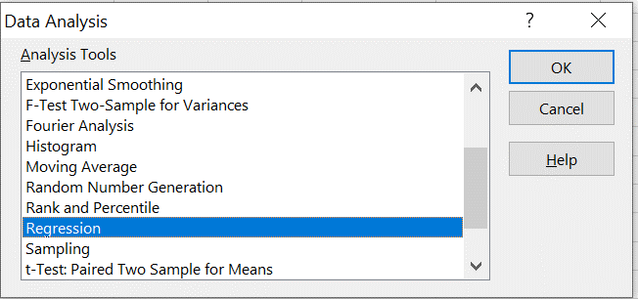
X Line Fit Plot
X | Y
4 | 5
5 | 4
6 | 6
7 | 4
3 | 5

 |  | SUMMARY OUTPUT

 | Y | Predicted Y
4 | 5 | 1
5 | 4
6 | 6
7 | 4
3 | 5
 |  | Regression Statistics
 |  | Multiple R | 0.1889822365
 |  | R Square | 0.035714285714
 |  | Adjusted R Square | -0.28571428571
 |  | Standard Error | 0.94868329805
 |  | Observations | 5

 |  | ANOVA
 |  |  | df | SS | MS | F | Significance F
 |  | Regression | 1 | 0.1 | 0.1 | 0.11111111111 | 0.76082037551
 |  | Residual | 3 | 2.7 | 0.9
 |  | Total | 4 | 2.8

 |  |  | Coefficients | Standard Error | t Stat | P-value | Lower 95% | Upper 95% | Lower 95.0% | Upper 95.0%
 |  | Intercept | 5.3 | 1.5588457268 | 3.3999515852 | 0.04246283448 | 0.3390571762 | 10.260942824 | 0.3390571762 | 10.260942824
 |  | X | -0.1 | 0.3 | -0.33333333333 | 0.76082037551 | -1.0547338916 | 0.85473389159 | -1.0547338916 | 0.85473389159

 |  | RESIDUAL OUTPUT |  |  |  |  | Regression Line
 |  |  |  |  |  |  |  | Y=5.3-0.1X
 |  | Observation | Predicted Y | Residuals
 |  | 1 | 4.9 | 0.1
 |  | 2 | 4.8 | -0.8
 |  | 3 | 4.7 | 1.3
 |  | 4 | 4.6 | -0.6
 |  | 5 | 5 | 8.881784197E-16

 |  | Finding the Best Linear Regression Line

 |  | To find the best linear regression line, we can use the following formula:

 |  | Y = a + bX

 |  | where Y is the dependent variable (Production Cost), X is the independent variable (Production), a is the y-intercept, and b is the slope of the line.

 |  | We can use the following formulas to calculate the slope (b) and y-intercept (a):

 |  | b = Σ[(xi - x̄)(yi - ȳ)] / Σ(xi - x̄)² a = ȳ - b * x̄

 |  | where xi and yi are individual data points, x̄ and ȳ are the means of the X and Y variables, respectively.

 |  | Using the data provided, we can calculate the means of the X and Y variables:

 |  | x̄ = (1 + 2 + 8 + 5 + 9 + 7) / 6 = 5.33 ȳ = (2 + 3 + 7 + 5 + 9 + 6) / 6 = 5.33

 |  | Next, we can calculate the deviations from the means:

 |  | xi | yi | xi - x̄ | yi - ȳ
 |  | 1 | 2 | -4.33 | -3.33
 |  | 2 | 3 | -3.33 | -2.33
 |  | 8 | 7 | 2.67 | 1.67
 |  | 5 | 5 | -0.33 | -0.33
 |  | 9 | 9 | 3.67 | 3.67
 |  | 7 | 6 | 1.67 | 0.67

 |  | Now, we can calculate the slope (b) and y-intercept (a):

 |  | b = Σ[(xi - x̄)(yi - ȳ)] / Σ(xi - x̄)² = [(-4.33)(-3.33) + (-3.33)(-2.33) + (2.67)(1.67) + (-0.33)(-0.33) + (3.67)(3.67) + (1.67)(0.67)] / [(-4.33)² + (-3.33)² + (2.67)² + (-0.33)² + (3.67)² + (1.67)²] = 1.09

 |  | a = ȳ - b * x̄ = 5.33 - 1.09 * 5.33 = 0.27

 |  | Therefore, the best linear regression line is:

 |  | Y = 0.27 + 1.09X

 |  | This equation represents the relationship between Production (in 100 kgs) and Production Cost (in Lakhs). For every 1 unit increase in Production, the Production Cost is expected to increase by approximately 1.09 units.

Sheet4
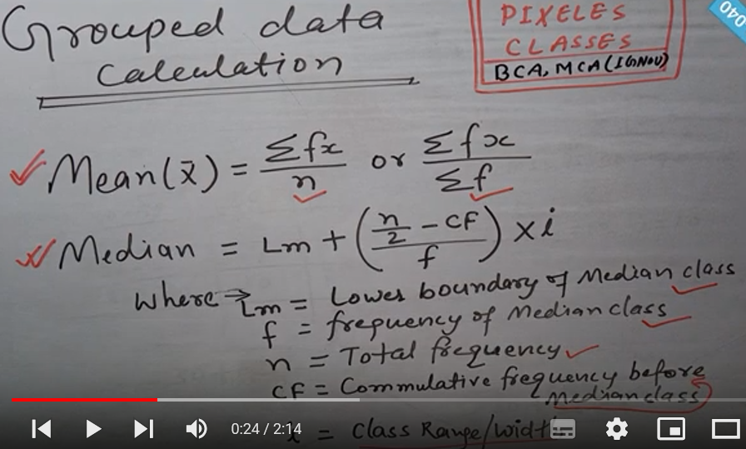

S. No | Topics
1 | Frequency Distribution
 | Histogram
 | Mean and Standard Diviation
 | Minimum and Maximum
 | Mean and Variance

 | Check CI related formats

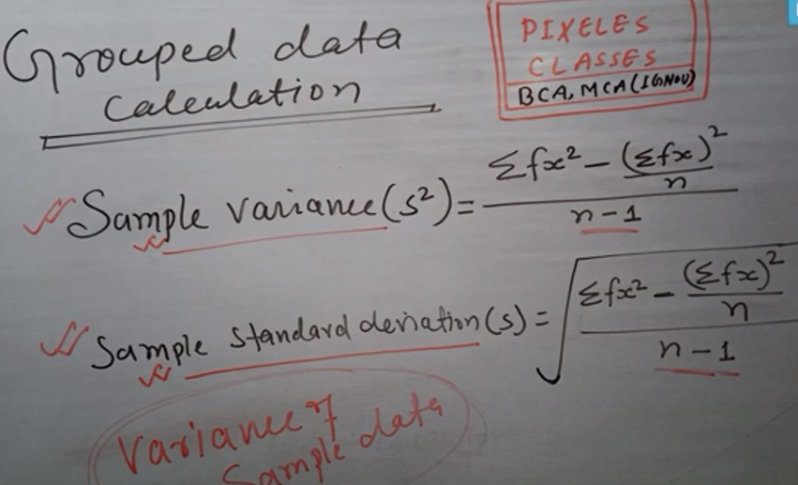

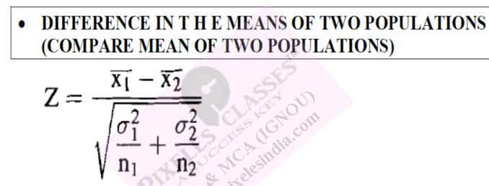
2 | Construct a scatter plot
 | Find the best linear regression lines
 | Moving average

 | t test
 | Chi Square test

