Outcomes Based on Goals
Notes:
to fill table with countif formula, we could
* create separate range table
* COUNTIF(S) formula to count all projects where the goal fits into the range
* additional criteria that project is successful (failed, canceled) by using SUMPRODUCT
Goal | Number Successful | Number Failed | Number Canceled | Total Projects | Percentage Successful | Percentage Failed | Percentage Canceled | Sanity Check
Less than 1000 | 141 | 45 | 0 | 186 | 75.8% | 24.2% | 0.0% | 100% | $- | $1,000
1000 to 4999 | 388 | 146 | 0 | 534 | 72.7% | 27.3% | 0.0% | 100% | $1,000 | $5,000 | 1000 to 5000
5000 to 9999 | 93 | 76 | 0 | 169 | 55.0% | 45.0% | 0.0% | 100% | $5,000 | $10,000 | 5000 to 10000
10000 to 14999 | 39 | 33 | 0 | 72 | 54.2% | 45.8% | 0.0% | 100% | $10,000 | $15,000 | 10000 to 15000
15000 to 19999 | 12 | 12 | 0 | 24 | 50.0% | 50.0% | 0.0% | 100% | $15,000 | $20,000 | 15000 to 20000
20000 to 24999 | 9 | 11 | 0 | 20 | 45.0% | 55.0% | 0.0% | 100% | $20,000 | $25,000 | 20000 to 25000
25000 to 29999 | 1 | 4 | 0 | 5 | 20.0% | 80.0% | 0.0% | 100% | $25,000 | $30,000 | 25000 to 30000
30000 to 34999 | 3 | 8 | 0 | 11 | 27.3% | 72.7% | 0.0% | 100% | $30,000 | $35,000 | 30000 to 35000
35000 to 39999 | 4 | 2 | 0 | 6 | 66.7% | 33.3% | 0.0% | 100% | $35,000 | $40,000 | 35000 to 40000
40000 to 44999 | 2 | 1 | 0 | 3 | 66.7% | 33.3% | 0.0% | 100% | $40,000 | $45,000 | 40000 to 45000
45000 to 49999 | 0 | 1 | 0 | 1 | 0.0% | 100.0% | 0.0% | 100% | $45,000 | $50,000 | 45000 to 50000
Greater than 50000 | 0 | 0 | 0 | 0 | 0.0% | 0.0% | 0.0% | 0% | $50,000
Outcomes Based on Goal
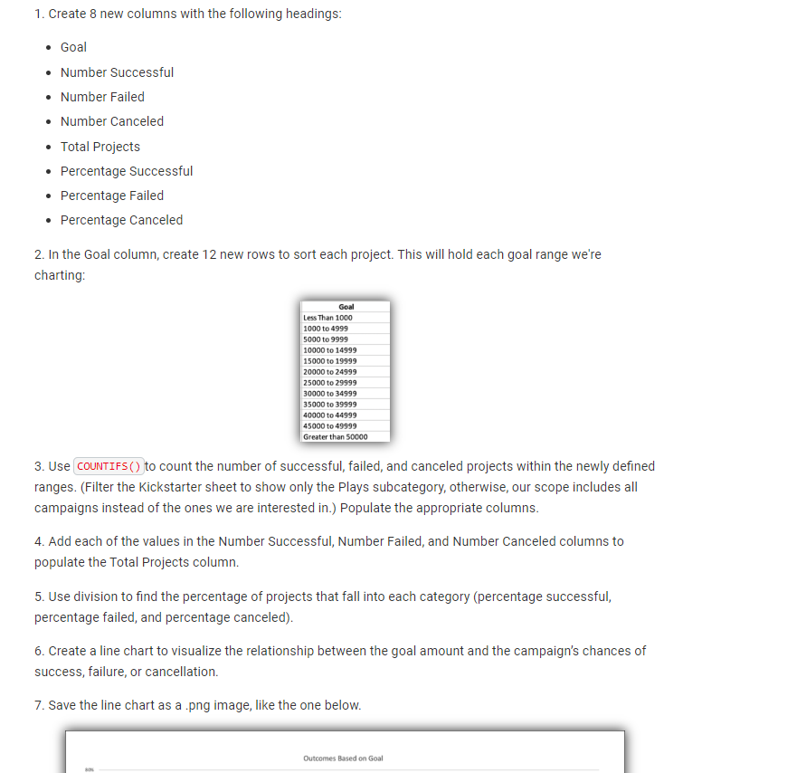

data population
need to count successful/failed/canceled campaings within a range
if (goal within range) AND (fundraising criteria met), then count 1
develop matrix for goal ranges (low end, up to high end)

Presents a cohesive written
analysis that:
✓ Draws three reasonable
conclusions from the data
✓ States limitations of the dataset
and suggestions for additional
tables of graphs

Outcomes Based on Goals
* For play campaigns less than $5000 there is a strong likelihood of receiving the minimum funding (~75%).
* For Goals between $5000 and $25000 campaign success is nearly a coin-flip with 5% success erosion with each larger goal tranche.
* Once the goal becomes larger than $25000 the odds are long that the campaign will succeed though the data set becomes less statistically significant (fewer than 30 samples per goal range). There is actually a slight tick-up with campaigns greater than $35000 but with so few samples it is unreasonable have confidence there is a legitimate trend reversal.
* This analysis excludes the 19 currently running (Live) campaigns though it's doubtful that including that data would skew the results that dramatically. They are roughly split into two ranges 1) less than $10k and 2) greater than $10k. As current, less than 10% of the smaller group has received minimum funding and 25% of the larger ground has received minimum funding.
Additional considerations:
+ What may be interesting to view is a comparision (and possible correlation) between the percent of goal raised and the duration of the campaign. I expect this would be a scatter-plot to determine if any particular grouping emerges.
+ While the data does not provide this level of detail, it might be interesting to see a histogram of the average donation for both successful and failed campaigns. Are the successful campaigns receiving lots of small donations to meet the objective or is there a high dollar contribution that is getting things moving?
+ Also does a virtuous cycle emerge early after launch where a campaign builds "buzz" and momentum takes over? Do successful campaigns receive a disproportionate number of contributions immediately and thin out quickly? If this were true, it could be easy to see if some different marketing could be implemented to drive up contributions.
+ While the information is rich, it does not include information such as views/clicks and other marketing efforts. Much like realtors use 'coded' language, can blurbs be optimized to drive more views and presumably contributions?
Status | Tasks
complete | 1) Create 8 new columns
complete | 2) Create 12 rows
 | 3) Use countifs to count successful, failed, canceled projects within ranges
 | 4) filter kickstarter sheet to show only plays
complete | 5) add values to populate total
complete | 6) determine percentages
complete | 7) create line chart to visualize relationship between goal and outcomes
 | 8) save line chart as png.

Outcomes Based on Launch Date
 | live | canceled | failed | successful
Jan | 2 | 7 | 33 | 56
Feb | 8 | 3 | 39 | 71
Mar | 14 | 3 | 33 | 56
Apr |  | 2 | 40 | 71
May |  | 3 | 52 | 111
Jun |  | 4 | 49 | 100
Jul |  | 1 | 50 | 87
Aug |  | 4 | 47 | 72
Sep |  | 4 | 34 | 59
Oct |  |  | 50 | 65
Nov |  | 3 | 31 | 54
Dec |  | 3 | 35 | 37
country | (All)
Category | theater

Count of outcomes | Column Labels
Row Labels | live | canceled | failed | successful | Grand Total
Jan | 2 | 7 | 33 | 56 | 98 | 8.33% | 7.04%
Feb | 8 | 3 | 39 | 71 | 121 | 8.33% | 8.69%
Mar | 14 | 3 | 33 | 56 | 106 | 8.33% | 7.61%
Apr |  | 2 | 40 | 71 | 113 | 8.33% | 8.11%
May |  | 3 | 52 | 111 | 166 | 8.33% | 11.92%
Jun |  | 4 | 49 | 100 | 153 | 8.33% | 10.98%
Jul |  | 1 | 50 | 87 | 138 | 8.33% | 9.91%
Aug |  | 4 | 47 | 72 | 123 | 8.33% | 8.83%
Sep |  | 4 | 34 | 59 | 97 | 8.33% | 6.96%
Oct |  |  | 50 | 65 | 115 | 8.33% | 8.26%
Nov |  | 3 | 31 | 54 | 88 | 8.33% | 6.32%
Dec |  | 3 | 35 | 37 | 75 | 8.33% | 5.38%
Grand Total | 24 | 37 | 493 | 839 | 1393

Presents a cohesive written
analysis that:
✓ Draws three reasonable
conclusions from the data
✓ States limitations of the dataset
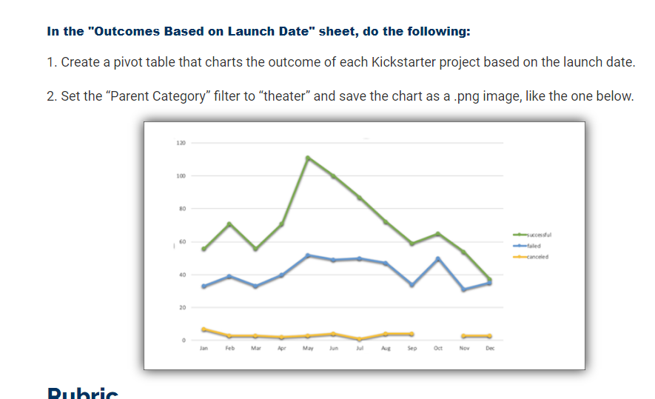
and suggestions for additional
tables of graphs

Outcomes based on Launch Date
Readme description:
* As it stands, it looks like the time to launch is May and June as there is a big jump between April to May. While success drops in the two months that follow, June and July are still higher than any other month.
* While the count for unsuccessful campaigns is lower than successful, the unsuccessful campaigns exhibit consistent trends with lower amplification. I.e. There is an uptick of unsuccessful campaigns starting in April, peaking in May and slowly decreasing to September.
* When looking at year-over-year visualizations (included separately in the worksheet), theater campaigns accelerated dramatically in 2014, peaked in 2015 and dropped 25% in 2016. As only January and February 2017 data is provided it's impossible to say if campaigns overall, successful and failed will continue to drop. A quarter-over-quarter segmentation supports the possibility that popularity for Kickstarter theater campaigns has peaked in popularity (2015-Q2) and is seeing 15-30% quarterly market erosion.
Limitations
- This chart is not broken out by year. One hypothesis that could be tested is "Did Kickstarter as a company start mid-year so we may not have a full 'fiscal year' to compare to." While not broken out in the chart, the underlying data appears to confirm this as June 2014 is when data collection begins and runs through February 2017. As a result, its reasonable to expect March and April to flatten out the dip shown in those months.
-

Outcomes Based on Launch Yr
 | failed | successful
 |  | 3
 |  | 4
 |  | 8
 |  | 11
Qtr2 | 38 | 81
Qtr3 | 65 | 94
Qtr4 | 49 | 66
Qtr1 | 56 | 86
Qtr2 | 62 | 110
Qtr3 | 43 | 65
Qtr4 | 41 | 43
Qtr1 | 40 | 75
Qtr2 | 41 | 83
Qtr3 | 23 | 54
Qtr4 | 26 | 37
Qtr1 | 9 | 19
country | (All)
Category | theater

Count of outcomes | Column Labels
Row Labels | failed | successful | Grand Total
2010 |  | 3 | 3
2011 |  | 4 | 4
2012 |  | 8 | 8
2013 |  | 11 | 11
2014 | 152 | 241 | 393 | 75% | 79%
Qtr2 | 38 | 81 | 119 | 19% | 27%
Qtr3 | 65 | 94 | 159 | 32% | 31% | 171% | 116% | 134%
Qtr4 | 49 | 66 | 115 | 24% | 22%
2015 | 202 | 304 | 506 | 100% | 100%
Qtr1 | 56 | 86 | 142
Qtr2 | 62 | 110 | 172 | 163% | 136% | 145%
Qtr3 | 43 | 65 | 108 | 66% | 69% | 68%
Qtr4 | 41 | 43 | 84 | 84% | 65% | 73%
2016 | 130 | 249 | 379 | 64% | 82% | 75%
Qtr1 | 40 | 75 | 115 | 71% | 87% | 81%
Qtr2 | 41 | 83 | 124 | 66% | 75% | 72%
Qtr3 | 23 | 54 | 77 | 53% | 83% | 71%
Qtr4 | 26 | 37 | 63 | 63% | 86% | 75%
2017 | 9 | 19 | 28 | 7% | 8% | 7%
Qtr1 | 9 | 19 | 28
Grand Total | 493 | 839 | 1332
tables of graphs

Readme description:
* As it stands, it looks like the time to launch is May and June as there is a big jump between April to May. While success drops in the two months that follow, June and July are still higher than any other month.
* While the count for unsuccessful campaigns is lower than successful, the unsuccessful campaigns exhibit consistent trends with lower amplification. I.e. There is an uptick of unsuccessful campaigns starting in April, peaking in May and slowly decreasing to September.
Limitations
- This chart is not broken out by year. One hypothesis that could be tested is "Did Kickstarter as a company start mid-year so we may not have a full 'fiscal year' to compare to." While not broken out in the chart, the underlying data appears to confirm this as June 2014 is when data collection begins and runs through February 2017. As a result, its reasonable to expect March and April to flatten out the dip shown in those months.

Outcomes Based on Launch Q
 | failed | successful
 |  | 3
 |  | 4
 |  | 8
 |  | 11
Qtr2 | 38 | 81
Qtr3 | 65 | 94
Qtr4 | 49 | 66
Qtr1 | 56 | 86
Qtr2 | 62 | 110
Qtr3 | 43 | 65
Qtr4 | 41 | 43
Qtr1 | 40 | 75
Qtr2 | 41 | 83
Qtr3 | 23 | 54
Qtr4 | 26 | 37
Qtr1 | 9 | 19
country | (All)
Category | theater

Count of outcomes | Column Labels
Row Labels | failed | successful | Grand Total
2010 |  | 3 | 3
2011 |  | 4 | 4
2012 |  | 8 | 8
2013 |  | 11 | 11
2014 | 152 | 241 | 393 | 75% | 79%
Qtr2 | 38 | 81 | 119 | 19% | 27%
Qtr3 | 65 | 94 | 159 | 32% | 31% | 171% | 116% | 134%
Qtr4 | 49 | 66 | 115 | 24% | 22%
2015 | 202 | 304 | 506 | 100% | 100%
Qtr1 | 56 | 86 | 142
Qtr2 | 62 | 110 | 172 | 163% | 136% | 145%
Qtr3 | 43 | 65 | 108 | 66% | 69% | 68%
Qtr4 | 41 | 43 | 84 | 84% | 65% | 73%
2016 | 130 | 249 | 379 | 64% | 82% | 75%
Qtr1 | 40 | 75 | 115 | 71% | 87% | 81%
Qtr2 | 41 | 83 | 124 | 66% | 75% | 72%
Qtr3 | 23 | 54 | 77 | 53% | 83% | 71%
Qtr4 | 26 | 37 | 63 | 63% | 86% | 75%
2017 | 9 | 19 | 28 | 7% | 8% | 7%
Qtr1 | 9 | 19 | 28
Grand Total | 493 | 839 | 1332
tables of graphs

Readme description:
* As it stands, it looks like the time to launch is May and June as there is a big jump between April to May. While success drops in the two months that follow, June and July are still higher than any other month.
* While the count for unsuccessful campaigns is lower than successful, the unsuccessful campaigns exhibit consistent trends with lower amplification. I.e. There is an uptick of unsuccessful campaigns starting in April, peaking in May and slowly decreasing to September.
Limitations
- This chart is not broken out by year. One hypothesis that could be tested is "Did Kickstarter as a company start mid-year so we may not have a full 'fiscal year' to compare to." While not broken out in the chart, the underlying data appears to confirm this as June 2014 is when data collection begins and runs through February 2017. As a result, its reasonable to expect March and April to flatten out the dip shown in those months.

Parent Category Outcomes
country | US
Parent Category Outcomes
 | canceled | failed | live | successful
film & video/animation |  | 78
film & video/documentary |  |  |  | 164
film & video/drama |  | 52
film & video/science fiction | 31
film & video/shorts |  |  |  | 48
film & video/television |  |  |  | 49
food/food trucks | 15 | 101
food/restaurants |  | 14
food/small batch |  |  | 4 | 34
games/mobile games |  | 23
games/tabletop games |  |  |  | 52
games/video games |  | 73
journalism/audio | 23
music/classical music |  |  |  | 33
music/electronic music |  |  |  | 30
music/faith |  | 37 | 17
music/indie rock |  | 20 |  | 138
music/jazz |  | 53
music/metal |  |  |  | 14
music/pop |  |  |  | 35
music/rock |  |  |  | 240
music/world music | 19
photography/nature |  | 14
photography/people |  | 11
photography/photobooks |  | 34 |  | 62
photography/places |  | 13
publishing/art books | 16
publishing/children's books |  | 32
publishing/fiction |  | 34
publishing/nonfiction |  |  |  | 49
publishing/radio & podcasts |  |  |  | 20
publishing/translations | 6 | 21
technology/gadgets |  | 13
technology/hardware |  |  |  | 103
technology/makerspaces |  | 7 |  | 7
technology/space exploration | 15 | 1 |  | 31
technology/wearables | 47 | 81 |  | 17
technology/web | 59 | 36
theater/musical | 11 | 40 |  | 45
theater/plays |  | 250 | 9 | 412
theater/spaces | 15 | 59 | 3 | 68
Count of Category and Subcategory | Column Labels
Row Labels | canceled | failed | live | successful | Grand Total
film & video/animation |  | 78 |  |  | 78
film & video/documentary |  |  |  | 164 | 164
film & video/drama |  | 52 |  |  | 52
film & video/science fiction | 31 |  |  |  | 31
film & video/shorts |  |  |  | 48 | 48
film & video/television |  |  |  | 49 | 49
food/food trucks | 15 | 101 |  |  | 116
food/restaurants |  | 14 |  |  | 14
food/small batch |  |  | 4 | 34 | 38
games/mobile games |  | 23 |  |  | 23
games/tabletop games |  |  |  | 52 | 52
games/video games |  | 73 |  |  | 73
journalism/audio | 23 |  |  |  | 23
music/classical music |  |  |  | 33 | 33
music/electronic music |  |  |  | 30 | 30
music/faith |  | 37 | 17 |  | 54
music/indie rock |  | 20 |  | 138 | 158
music/jazz |  | 53 |  |  | 53
music/metal |  |  |  | 14 | 14
music/pop |  |  |  | 35 | 35
music/rock |  |  |  | 240 | 240 | country | US
music/world music | 19 |  |  |  | 19
photography/nature |  | 14 |  |  | 14 | Count of outcomes | Column Labels
photography/people |  | 11 |  |  | 11 | Row Labels | failed | live | successful | Grand Total
photography/photobooks |  | 34 |  | 62 | 96 | plays | 250 | 9 | 412 | 671
photography/places |  | 13 |  |  | 13 | Grand Total | 250 | 9 | 412 | 671
publishing/art books | 16 |  |  |  | 16
publishing/children's books |  | 32 |  |  | 32
publishing/fiction |  | 34 |  |  | 34
publishing/nonfiction |  |  |  | 49 | 49
publishing/radio & podcasts |  |  |  | 20 | 20
publishing/translations | 6 | 21 |  |  | 27
technology/gadgets |  | 13 |  |  | 13
technology/hardware |  |  |  | 103 | 103
technology/makerspaces |  | 7 |  | 7 | 14
technology/space exploration | 15 | 1 |  | 31 | 47
technology/wearables | 47 | 81 |  | 17 | 145
technology/web | 59 | 36 |  |  | 95
theater/musical | 11 | 40 |  | 45 | 96
theater/plays |  | 250 | 9 | 412 | 671
theater/spaces | 15 | 59 | 3 | 68 | 145
Grand Total | 257 | 1097 | 33 | 1651 | 3038

Subcategory Statistics
 | failed | live | successful
plays | 250 | 9 | 412

