DataAnalysis
 |  |  |  |  |  |  |  |  | VLOOKUP
Date And Time Function |  |  | Conditional Formatting |  |  |  |  |  | T0003 | 20413.6
Now | 11/26/25 |  | Top 10 Highest Final Price Highlighted with Red |  |  |  |  |  |  |  |  | SUM IF
Today | 2025-11-26 |  | Bottom 10 Lowest Final Price Highlighted with Yellow |  |  |  |  |  | INDEX-MATCH |  |  | Diya | 749070.4
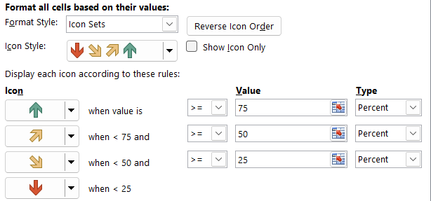
EOMonth | 31 |  |  |  |  |  |  |  | T0086 | 38214

 |  |  |  |  |  |  |  |  | IF - CONDITION |  |  | SUMIFS
 |  |  |  |  |  |  |  |  | T0156 | High Sale |  | Fashion
 |  |  |  |  |  |  |  |  |  |  |  | F | 1071034.8

 |  |  |  |  |  |  |  |  |  |  |  | COUNTIF
 |  |  |  |  |  |  |  |  |  |  |  | Home | 18

 |  |  |  |  |  |  |  |  |  |  |  | COUNTIFS
 |  |  |  |  |  |  |  |  |  |  |  | Accessories
SUMMARY OUTPUT |  |  |  |  |  |  |  |  |  |  |  | M | 19

Regression Statistics
Multiple R | 0.56240970006
R Square | 0.31630467072 |  |  |  |  |  |  |  | Scenario Summary
Adjusted R Square | 0.31285166401 |  |  |  |  |  |  |  |  |  | Current Values: | Best Price | Worst Price | Expected Price
Standard Error | 26941.054098 |  |  |  |  |  |  |  |  |  |  | Created by GOPI on 26-11-2025 | Created by GOPI on 26-11-2025 Modified by GOPI on 26-11-2025 | Created by GOPI on 26-11-2025
Observations | 200 |  |  |  |  |  |  |  | Changing Cells:
 |  |  |  |  |  |  |  |  |  | $K$2 | 16001.8 | 14999.5 | 16001.8 | 16001.8
ANOVA |  |  |  |  |  |  |  |  |  | $K$3 | 36611.2 | 36611.2 | 59999.5 | 36611.2
 | df | SS | MS | F | Significance F |  |  |  |  | $K$4 | 20413.6 | 20413.6 | 20413.6 | 11999.5
Regression | 1 | 66487093821 | 66487093821 | 91.602680493 | 4.4650935834E-18 |  |  |  | Result Cells:
Residual | 198 | 1.4371243839E+11 | 725820395.9 |  |  |  |  |  |  | $P$4
Total | 199 | 2.1019953221E+11 |  |  |  |  |  |  | Notes: Current Values column represents values of changing cells at
 |  |  |  |  |  |  |  |  | time Scenario Summary Report was created. Changing cells for each
 | Coefficients | Standard Error | t Stat | P-value | Lower 95% | Upper 95% | Lower 95.0% | Upper 95.0% | scenario are highlighted in gray.
Intercept | 84.75365068 | 4652.4987487 | 0.018216802466 | 0.98548424197 | -9090.0551974 | 9259.5624987 | -9090.0551974 | 9259.5624987
X Variable 1 | 12835.633523 | 1341.1063464 | 9.5709289253 | 4.4650935834E-18 | 10190.948368 | 15480.318677 | 10190.948368 | 15480.318677

DashBoard
DASHBOARD

 | SUM OF FINAL PRICE ON PRODUCTS | COUNT OF UNIT PRICE PER CATEGORY

 | Total
Accessories | 2240292.35
Electronics | 3333789.4
Fashion | 1876558.55
Home | 691266.45
 | Total
Accessories | 24
Electronics | 26
Fashion | 25
Home | 7

 | COUNT BY PAYMENT-MODE ON PRODUCT | AVERAGE OF FINAL PRICE BY REGION

 | Total
Backpack | 25
Headphones | 32
Laptop | 26
Mixer | 18
Mobile | 25
Shirt | 24
Shoes | 27
Watch | 23
 | Total
East | 31413.79375
North | 33311.733333
South | 50378.75
West | 19692.346429

