PPPN 1
PPPN 1: Company name :AbbVie Inc. Ticker: ABBV

 |  |  |  |  | Buying put and call options
Investemnt by client | N | 10000 |  |  | Available Amount | 1065.3139071
Stock price today | S0 | 121.73 |  |  | Number of call options | 82
Starting date | T0 | 2021-12-07 |  |  | Strike Price K2 for call options | 120
Maturity Date | T | 2023-01-20 |  |  | Ask price of call options | 12.6
DAYS |  | 409 |  |  | Total amount paid to buy 82 call options | 1033.2
Interest free rate | r | 0.65% |  |  | Remaining amount | 32.113907117

client invest 10000 today will get 90% of PPN + premium, so protected part is |  | 0.9 | 9000
DF- discount factor |  | 0.99274289921
Amount of money bank agent should put today to get 9000 after 409 days |  | 8934.6860929
Remaining amount to buy options |  | 1065.3139071 |  |  | Remaining amount for bank | 32.11
Number of options to buy , N/S0 calls |  | 82.149018319 | 82 |  | bank Margin | 0.030145018198
Price per option |  |  | 12.992

Stock Price Range | Premium | TotalPayoff | Client payoff | Bank payoff
10 | 0 | 9000 | 9000 | 32.11
30 | 0 | 9000 | 9000 | 32.11
Client payoff
50 | 0 | 9000 | 9000 | 32.11
70 | 0 | 9000 | 9000 | 32.11
95 | 0 | 9000 | 9000 | 32.11
115 | 0 | 9000 | 9000 | 32.11
120 | 0 | 9000 | 9000 | 32.11
121.73 | 0 | 9000 | 9000 | 32.11
125 | 268.14 | 9268.14 | 9265.4586 | 34.80
145 | 1908.14 | 10908.14 | 10889.0586 | 51.20
165 | 3548.14 | 12548.14 | 12512.6586 | 67.60
185 | 5188.14 | 14188.14 | 14136.2586 | 84.00
205 | 6828.14 | 15828.14 | 15759.8586 | 100.40
225 | 8468.14 | 17468.14 | 17383.4586 | 116.80
245 | 10108.14 | 19108.14 | 19007.0586 | 133.20
265 | 11748.14 | 20748.14 | 20630.6586 | 149.60
285 | 13388.14 | 22388.14 | 22254.2586 | 166.00
305 | 15028.14 | 24028.14 | 23877.8586 | 182.40
325 | 16668.14 | 25668.14 | 25501.4586 | 198.80
Bank Payoff
345 | 18308.14 | 27308.14 | 27125.0586 | 215.20
365 | 19948.14 | 28948.14 | 28748.6586 | 231.60
385 | 21588.14 | 30588.14 | 30372.2586 | 248.00
405 | 23228.14 | 32228.14 | 31995.8586 | 264.40
425 | 24868.14 | 33868.14 | 33619.4586 | 280.80
445 | 26508.14 | 35508.14 | 35243.0586 | 297.20
465 | 28148.14 | 37148.14 | 36866.6586 | 313.60
485 | 29788.14 | 38788.14 | 38490.2586 | 330.00
505 | 31428.14 | 40428.14 | 40113.8586 | 346.40

PPPN2
Details: |  |  | PPPN 2 ABBV
Start Date, T(0) | 2021-12-07
Maturity Date, T | 2023-01-20
Investment, N | $10,000.00
Current stock price, S(0) | $121.73
Interest rate, r | 0.65% | 2-yr rate of interest
Protected Percentage of the investment | 90%

Calculations:
Protected Amount | $9,000.00 | 90% of the capital is protected
Days till maturity | 409
Discount Factor | 0.99274
Amount of money bank should invest today to get 9,000 after maturity | $8,934.69 | Assumption: continuous compunding
Client Payoff
0 | $9,000.00
50 | $9,000.00
100 | $9,000.00
105 | $9,000.00
110 | $9,000.00
115 | $9,000.00
115.005 | $9,000.00
115.005 | $9,000.00
116.005 | $9,000.00
117.005 | $9,000.00
118.005 | $9,000.00
119.005 | $9,000.00
120.005 | $9,200.00
121.005 | $9,200.00
122.005 | $9,200.00
133 | $9,200.00
133.9 | $9,200.00
135 | $9,217.63
140 | $9,299.63
145 | $9,381.63
150 | $9,463.63
155 | $9,545.63
160 | $9,627.63
165 | $9,709.63
170 | $9,791.63
175 | $9,873.63
180 | $9,955.63
185 | $10,037.63
190 | $10,119.63
195 | $10,201.63
Remaining amount | $1,065.31 |  |  | ST | Premium | Total payoff | Client payoff | Bank
 |  |  |  | 0 | 0 | $9,000.00 | $9,000.00 | $384.91
 |  |  |  | 50 | 0 | $9,000.00 | $9,000.00 | $384.91
 |  |  |  | 100 | 0 | $9,000.00 | $9,000.00 | $384.91
 |  |  |  | 105 | 0 | $9,000.00 | $9,000.00 | $384.91
Short sell call options at K2 |  |  |  | 110 | 0 | $9,000.00 | $9,000.00 | $384.91
Strike price | 130 |  |  | 115 | 0 | $9,000.00 | $9,000.00 | $384.91
Number | 160 |  |  | 115.005 | 0 | $9,000.00 | $9,000.00 | $384.91
Bid price | 7.65 |  |  | 115.005 | 0 | $9,000.00 | $9,000.00 | $384.91
Amount in hand | 1224 |  |  | 116.005 | 0 | $9,000.00 | $9,000.00 | $384.91
 |  |  |  | 117.005 | 0 | $9,000.00 | $9,000.00 | $384.91
 |  |  |  | 118.005 | 0 | $9,000.00 | $9,000.00 | $384.91
Buy call options at K1 |  |  |  | 119.005 | 0 | $9,000.00 | $9,000.00 | $384.91
Strike price | 120 |  |  | 120.005 | 0.75 | $9,000.75 | $9,200.00 | $185.66
Number | 150 |  |  | 121.005 | 150.75 | $9,150.75 | $9,200.00 | $335.66
Ask price | 12.6 |  |  | 122.005 | 300.75 | $9,300.75 | $9,200.00 | $485.66
Bank Payoff
Cost to buy | 1890 |  |  | 133 | 1470 | $10,470.00 | $9,200.00 | $1,654.91
 |  |  |  | 133.9 | 1461 | $10,461.00 | $9,200.00 | $1,645.91
 |  |  |  | 135 | 1450 | $10,450.00 | $9,217.63 | $1,617.29
Buy call options at 1.1*S(0) | $133.90 |  |  | 140 | 1410 | $10,410.00 | $9,299.63 | $1,495.29
Strike price selected | 135 |  |  | 145 | 1370 | $10,370.00 | $9,381.63 | $1,373.29
Ask price | 7.2 |  |  | 150 | 1330 | $10,330.00 | $9,463.63 | $1,251.29
Number of options | 2 |  |  | 155 | 1290 | $10,290.00 | $9,545.63 | $1,129.29
Cost to buy | 14.4 |  |  | 160 | 1250 | $10,250.00 | $9,627.63 | $1,007.29
 |  |  |  | 165 | 1210 | $10,210.00 | $9,709.63 | $885.29
Savings bank | $384.91 |  |  | 170 | 1170 | $10,170.00 | $9,791.63 | $763.29
margin bank | 16.81% |  |  | 175 | 1130 | $10,130.00 | $9,873.63 | $641.29
 |  |  |  | 180 | 1090 | $10,090.00 | $9,955.63 | $519.29
 |  |  |  | 185 | 1050 | $10,050.00 | $10,037.63 | $397.29
 |  |  |  | 190 | 1010 | $10,010.00 | $10,119.63 | $275.29
 |  |  |  | 195 | 970 | $9,970.00 | $10,201.63 | $153.29

Stock price on 7 Dec
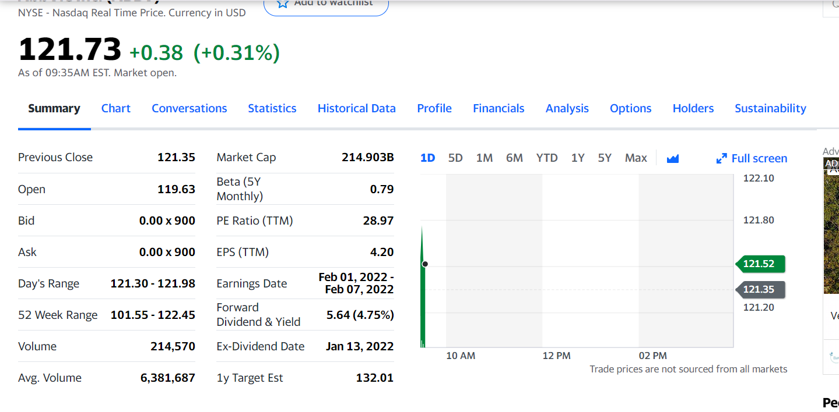

Screenshot Call
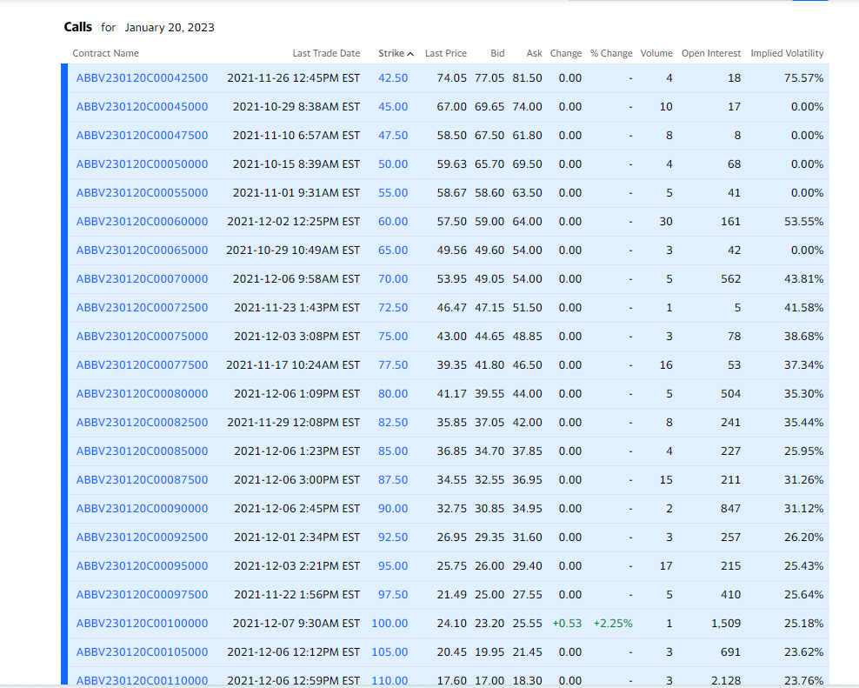

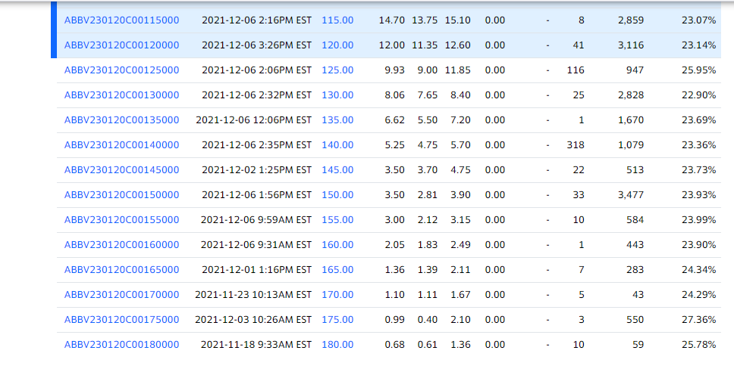

Screenshot put
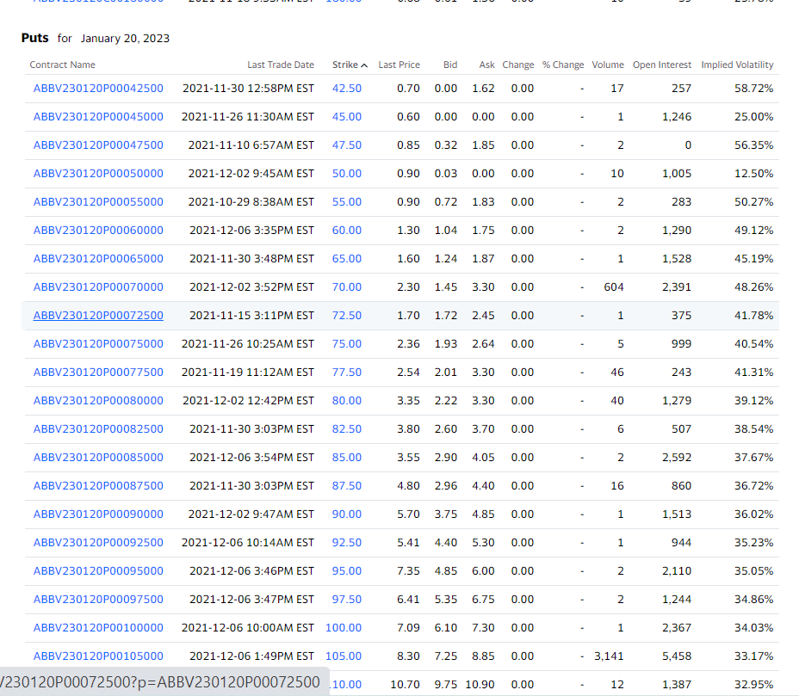

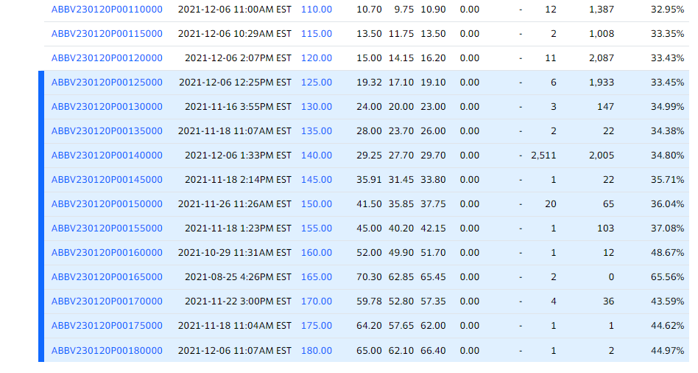

Interest rate 2 yr
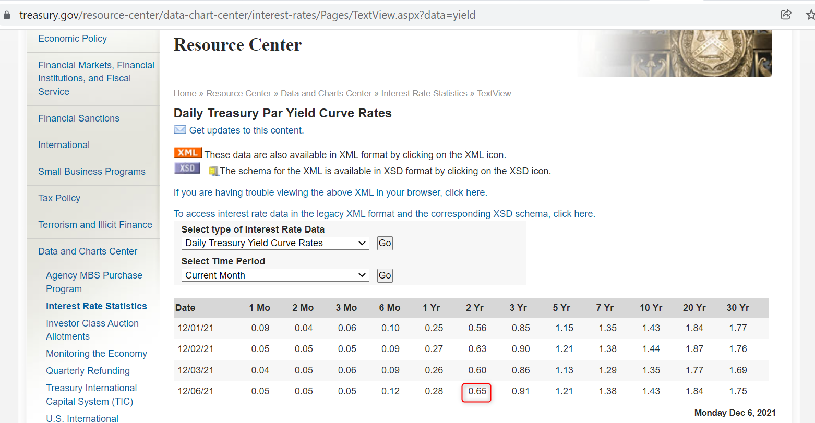

ABBV chart
