DRP
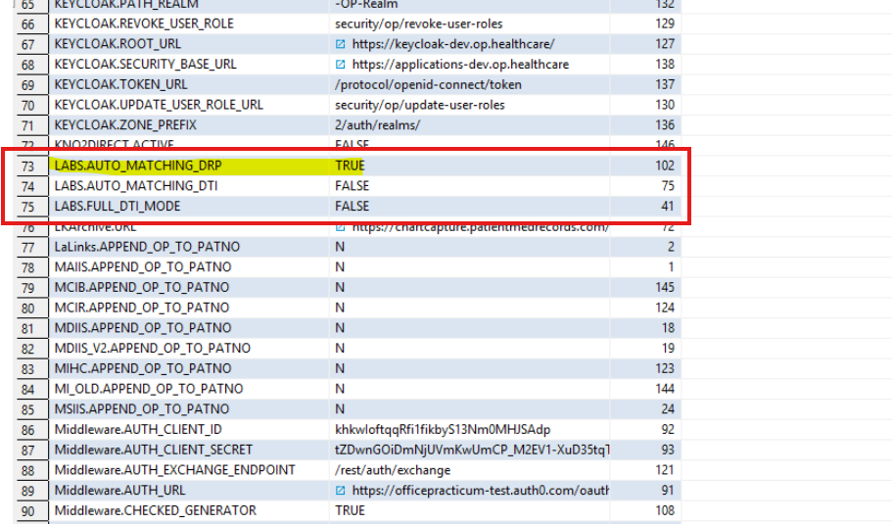
50 | Precondition - Go to Portal perf table of the respective environment. Check the following. 1. LABS.AUTO_MATCHING_DRP - Set TRUE 2. LABS.AUTO_MATCHING_DTI - Set FALSE 3. LABS.FULL_DTI_MODE - Set FALSE
TC# | Scenario | Steps | Test Data | Verification | Note
1 | Verify that the user is able to add new send-out or in-house diagnostic tests and attach the lab results by clicking the paper clip icon in unmatched tab, and ensure that the results manual match & come under the diagnostic tab | In OP: 1. Login to OP 2. Search for patient (5027) 3. Navigate to CLINICAL -> Diagonistics Tests 4. Add New Sent-Out/In house button 5. Diagonistics Tests Requisition Form window will appear 6. In Ordered by drop down, select any. Select any Facility 7. Select any Test name and check the two check boxes beside and clcik Save button 8. In Requisitions/Results tab, the added tests should display after navigation of pages(for refresh). If not appeared, closed all tab and reopen it. 9. Navigate to Unmatched tab. 10. Set All Location from drop down 11. Search for the Diagonistics Test user created under the patient name on right side. In DB: 1. Access the OP DB. [ID_28_opdocs1] 2. Navigate to the DOCUMENT_REPO table and select any record (exclude auto-generated records and records where CORRESPONDENT_ID = 'WDL'). 3. Paste the HL7 message in the PAYLOAD section for the selected record without changing anything (change the date). 4. Set IS_INBOUND = 1 and click on Save. In OP: 1. In clincal work window_Under Unmatched tab, change to All Location from drop down on left side. 2. Search for the created Diagonistics Test through payload on left side and verify the details. 3. Open the created Diagonistics Test in both side. 4. Click the Paper clip icon for the selected patient to attach the document. 5. Reopen the Diagnostic Test page. 6. In the Orders/Results section, verify that the attached report appears in the corresponding section for the selected test. | Payload: MSH|^~\&|QUEST|WDL|EMR|8001801|20240208104205||ORU^R01|4120899124|P|2.3.1 PID|1||^^^^PAN||TEST^INTERNET||20150708|M|||7890 BAYSTATE WAY^^SPRINGFIELD^MA^01109|||||||0767252968 ORC|RE|104|104||||||20240208104205|||923456789^DOCTOR^DEMO^^^^^^^^^^NPI OBR|1|104|104|19096-7^ELECTROLYTES^LN^05800^ELECTROLYTES^BAYSTATE2|||20240206103400||||L|||20240206103900||923456789^DOCTOR^DEMO^^^^^^^^^^NPI||AA0004878438.05800||||20240206104203|||C||^^^^^R OBX|1|NM|21525-1^SODIUMln Corrected^LN^09179^SODIUM^BAYSTATE2|1|156|MMMOL/L|1.317-0.279|HH|||F|||20240206104100||3569^WOOD^BRIAN OBX|2|NM|22760-3^POTASSIUMln^LN^08828^POTASSIUM^BAYSTATE2|1|5.2|MMOL/L|1.28-1.417|L|||F|||20240206104100||3569^WOOD^BRIAN OBX|3|NM|12530-2^CHLORIDE^LNln^04703^CHLORIDE^BAYSTATE2|1|102|MMOL/L|0.317-108||||F|||20240206104100||3569^WOOD^BRIAN | 1. User able to see the added Test in Requisitions/Results tab. And verify the Lab column value is same as Facility value with created date in Requisition Date.(right side) 2. Left side, verify details of the patient details created through payload. 3. The HL7 message details in the OP Unmatched Tab and Diagnostic Test Page matchs the same. | 1. Payload changes: Change to current date. Values will reflect in Diagonistics Test under mentioned Patient 2. Dont double click on the Payload section to paste, there will be data loss Instead click once and paste the payload 3. IS_INBOUND value will automatically chnage to zero(0) after some time
2 | verify that the user is able to add new send-out or in-house diagnostic tests and ensure that the results are auto-matched and appear under the diagnostic tab without requiring manual attachment: | In OP: 1. Login to OP 2. Search for patient (5080) 3. Navigate to CLINICAL -> Diagonistics Tests 4. Navigate to Clinical -> More -> Diagonistics Tests. 5. In Test Name Definition tab, open LEAD under Lab: in House(count * 1). Value in HL7 should be same as the value of LOINC, Test ID issued by lab, CPT code and click save icon on the top. Then click OK button. 6. Open LEAD under Lab: Relaymed(count * 1). Add 1 to the value of LOINC, Test ID issued by lab, CPT code and click save icon on the top. Then click OK button. 7. Click New in-house button 8. Diagonistics Tests Requisition Form window will appear 9. In Ordered by drop down, select Demo Doctor. 10. Search LEAD Test name and check the two check boxes beside and clcik Save button 11. In Requisitions/Results tab, the added tests should display after navigation of pages(for refresh). If not appeared, closed all tab and reopen it. In DB: 1. Access the OP DB. Navigate to ID28_opdocs. 2. Navigate to the DOCUMENT_REPO table and select any valid record (exclude auto-generated records and records where CORRESPONDENT_ID = 'WDL'). 3. Paste the HL7 message in the PAYLOAD section for the selected record without changing anything (change the date). 4. Set IS_INBOUND = 1 and click on Save. In OP: 1. Wait 5 to 7 mints and Navigate to Diagonistics Tests in patient chart and make sure the Lab result are displayed under the orders/results tab. | Payload: MSH|^~\&|QUEST|WDL|EMR|8001817|202412121108||ORU^R01|4137457303|P|2.3.1 PID|1|5080|||TEST^SELFFOUR||20040404|M|||THE SWANSONS MW PORT^^HORSHAM^PA^19044||5401234567^PRN^^540^1234567|||||10110101110^^^^F ORC|RE|83655|83655||||||202402191108|||923456789^DEMO^DOCTOR OBR|1|83655|83655^BN|791280^Lead, Blood, Filter Paper^BN|||20210728000000||||L|||20210729000000||923456789^DEMO^DOCTOR||20924509770||||202402191108|||F OBX|1|NM|791276^Lead^BN^56713^||1|ug/dl^ug/dl|<7|||N|F|||20240219110800|In House OBX|2|TX|791280^State Reported To:^BN||VA|||||N|F|||20240219110800|MX^MedTox Laboratories Inc OBX|3|ST|791279^Sample Type^BN|||||||N|F|||20240219110800|MX^MedTox Laboratories Inc | 1. Make sure lab results are updated under Diagonistics Tests. The HL7 message details(<7) in the Diagnostic Test Page matchs the same. | Mentioned ID values should be same as the value of LOINC, Test ID issued by lab, CPT code. 5080 - Patient id
3 | Verify user is able to create a new requisition using the results in the unmatched tab | 1. Go to unmatched tab > unmatched results received. 2. Set the scope to Everyone & location to All location 3. Select any one lab result, add a patient to it. 4. Click on the GREEN PLUS SIGN. 5. User will encounter a warning popup on creating a new requisition, accept it. 6. Now, Go to diagnostic test page of a patient we used above. 7. Check whether a new requisition is created with results attached. |  | User should be able to create a new requisition using the results in the unmatched tab and view them in patient diagnostic test.

