IBD
Data Column | Definition | In depth understanding | sources
Year | Year the biopsy was taken
Lab No | unique laboratory accession number for specified year
Age | Age of patient
Sex | Sex of patient
Active inflammation? | Boolean
Mucosal surface | is there mucous on the stomach wall? | flat, irregular, or villous projections This is the thin layer of mucous (~1mm) which is generally soft and supple, but in the case of UC, if can become distorted.
Crypt architecture | is low stomach present? is there | prolific by crypt distortion ( branching, Basal lymphoplasmacytosis separation from the crypt, or Presence of Paneth cells or Presence of pyloric-type mucus glands / pyloric gland metaplasia in ileum or colon) The more abnormal the crypt, the more chronic the diesease is | link | Image
Crypt profiles |  | no definition provided
Increased lamina propria cellularity? | Its layers increased inflammation by inflammatory cells | a thin layer of connective tissue that forms part of the moist linings known as mucous membranes or mucosa, which line various tubes in the body,
Mild & superficial increase in lamina propria cellularity? |  | Top layer only of mucus only?
Increased lymphoid aggregates in lamina propria? |  | A collection of B cells, T cells, and supporting cells, present within the stroma of various organs in the mucus lining
Patchy lamina propria cellularity? | Blocks Worked | missingin some areas?
Marked & transmucosal increase in lamina propria cellularity |  | Increase in mucus? - usually a sign of early UC
Cryptitis extent | Cell inside it in the wall of the stomach | inflammation of the intestinal crypts. The crypts are glands found in the lining of the intestines
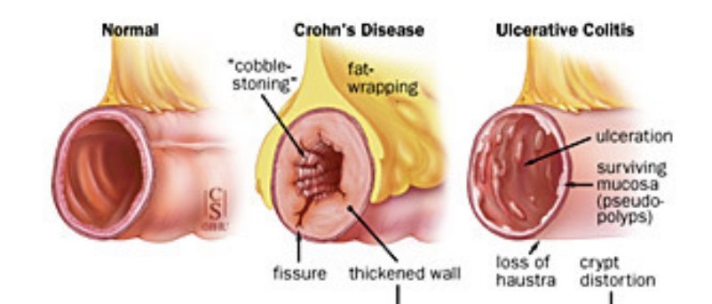
Cryptitis polymorphs | The difference in shape | changes in gland shapes
Crypt abscesses extent | how severe is the ascess? | Typically only present in chrons disease
Crypt abscesses polymorphs | The form of an abscess | what does the abscess look like?
Lamina propria polymorphs | Outputs has | mutation in the lamina propria
Epithelial changes | The last layer is a layer in the wall of the stomach | changes in the first layer of the wlal?
Mucin depletion | The layer of mucus secreted by the stomach | was the mucin layer depleted?
Intraepithelial lymphocytes | Lymphocytes occur with inflammation | lymphocytes (white blood cells) found in the epithelial layer of mammalian mucosal linings, such as the gastrointestinal (GI) tract and reproductive tract. However, unlike other T cells, IELs do not need priming
Subepithelial collagen | is needed if it increased, it is not normal | below the outter layer of the outside wall of the intestine, collagen thickening
Lamina propria granulomas | Types of cells that are not present in Al-Tabigi if a problem increases | small lumps of immune cells that form in your body in areas where there is infection or inflammation
Submucosal granulomas |  | "
Basal histiocytic cells |  | part of the immune system: vertebrate cell that is part of the mononuclear phagocyte system,
Confirmed diagnosis | the confirmed and final diagnosis
Method of confirmation | how the diagnosis was come about
Initial pathologists diagnosis | intially, what the diagnosis was thought to be
Observing pathologists diagnosis

