Block Diagram
 |  | Document ID | ELM-803-FS-0001
 |  | Author | Safety Manager | I. Kök
 |  | Version | B2
 |  | Status | approved after review

FMEDA

ID803 - Vega

 | Block Diagram
 | 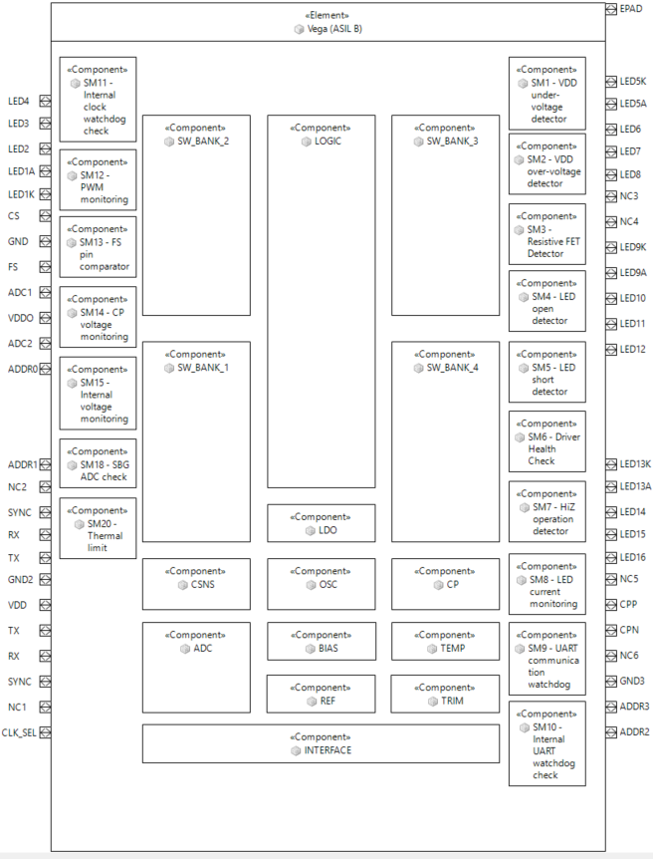

 | Floor Plan

 | Layout

 |  |  |  | Die area | Total area[mm^]
 |  |  |  |  | Die area | Block area | Pad

Die_PKG Base Failure rate
 |  |  |  |  |  |  |  |  |  |  |  |  |  |  | Document ID | ELM-803-FS-0001
 |  |  |  |  |  |  |  |  |  |  |  |  |  |  | Author | Safety Manager | I. Kök
 |  |  |  |  |  |  |  |  |  |  |  |  |  |  | Version | B2
 |  |  |  |  |  |  |  |  |  |  |  |  |  |  | Status | approved after review

FMEDA

ID803 - Vega

 | Internal Use Only

 |  |  |  |  |  |  |  |  |  |  | λ1 | per transistor base failure rate of the integrated circuit family. See Table 16.
 |  |  |  |  |  |  |  |  |  |  | λ2 | failure rate related to the technology mastering of the integrated circuit. See Table 16.
 |  |  |  |  |  |  |  |  |  |  | N | number of transistors of the integrated circuit.
 |  |  |  |  |  |  |  |  |  |  | α | [(year of manufacturing) – 1998].
 |  |  |  |  |  |  |  |  |  |  | π1 | ith temperature factor related to the ith junction temperature of the integrated circuit mission profile.
 |  |  |  |  |  |  |  |  |  |  | τi | ith working time ratio of the integrated circuit for the ith junction temperature of the mission profile.
 |  |  |  |  |  |  |  |  |  |  | τon | total working time ratio of the integrated circuit. With:τon=Στi
 |  |  |  |  |  |  |  |  |  |  | τoff | time ratio for the integrated circuit being in storage (or dormant). With τon +τoff =1

 |  |  |  |  |  |  |  |  |  |  | ■ Die FIT rate (①X②) |  | 6.333 | FIT
 |  |  |  |  |  |  |  |  |  |  | ■ PKG FIT rate |  | 73.24 | FIT
 |  |  |  |  |  |  |  |  |  |  | ■ IC Total FIT rate |  | 79.58 | FIT
 |  | value in this column is used to calculate base failure rate. It should be described by engineer.
 |  | value in this column is automatically calculated

 |  | □ Number of Transistor

 |  | - Analog part |  | Cell unit (<6V) | 29553
 |  |  |  | Cell unit (>=6V) | 308
 |  | - Digital part |  | Cell unit (NAND2*4) | 248696

 |  | □ λ1 & λ2 (Failure rate factor)
 |  | - Analog part : <6V |  | λ1 | 0.00027 |  | Refer to Table 16
 |  |  |  | λ2 | 20 |  | Refer to Table 16
 |  |  |  | N | 29553

 |  | - Analog part : >=6V |  | λ1 | 0.0027 |  | Refer to Table 16
 |  |  |  | λ2 | 20 |  | Refer to Table 16
 |  |  |  | N | 308

 |  | - Digital part |  | λ1 | 0.000001 |  | Refer to Table 16
 |  |  |  | λ2 | 1.7 |  | Refer to Table 16
 |  |  |  | N | 248696

 |  | □ FAB Process stability

 |  |  |  | year of manufacturing | 2025
 |  |  |  | α | 27

 |  | ① Die base rate (w/o mission profile)
 |  | - Analog part |  | <6V | 0.0006278884
 |  |  |  | >=6V | 6.54382e-05
 |  | - Digital part |  |  | 1.95698e-05
 |  |  |  |  | 20
 |  |  |  |  | 20.0007

 |  | □ Mission Profile

 |  |  | Total life time | 15 | year
 |  |  |  | 137,931 | Hour

 |  |  | Theta ja (PKG) | 23.3 | ℃/W
 |  |  | Power dissipation | 1.4 | W
 |  |  | ΔTj | 32.62 | ℃

 |  |  | Temp No. | Amb Temp | Duration[h] | Duration[%] |  | No. | Junction Temp | Tau (τi)
 |  |  | 1 | 32 | 2758.6206897 | 34.5% |  | 1 | 64.62 | 0.02
 |  |  | 2 | 60 | 2068.9655172 | 25.9% |  | 2 | 92.62 | 0.015
 |  |  | 3 | 85 | 3172.4137931 | 39.7% |  | 3 | 117.62 | 0.023
 |  |  | 4 |  |  | 0.0% |  | 4 | 32.62 | 0
 |  |  | 5 |  |  | 0.0% |  | 5 | 32.62 | 0
 |  |  | 6 |  |  | 0.0% |  | 6 | 32.62 | 0
 |  |  | 7 |  |  | 0.0% |  | 7 | 32.62 | 0
 |  |  | 8 |  |  | 0.0% |  | 8 | 32.62 | 0
 |  |  | 9 |  |  | 0.0% |  | 9 | 32.62 | 0
 |  |  | 10 |  |  | 0.0% |  | 10 | 32.62 | 0
 |  |  | 11 |  |  | 0.0% |  | 11 | 32.62 | 0
 |  |  | 12 |  |  | 0.0% |  | 12 | 32.62 | 0
 |  |  | 13 |  |  | 0.0% |  | 13 | 32.62 | 0
 |  |  | 14 |  |  | 0.0% |  | 14 | 32.62 | 0
 |  |  | 15 |  |  | 0.0% |  | 15 | 32.62 | 0
 |  |  | 16 |  |  | 0.0% |  | 16 | 32.62 | 0
 |  |  | 17 |  |  | 0.0% |  | 17 | 32.62 | 0
 |  |  | total |  | 8000 | 100.0% |  | τ on (On duty) |  | 0.058
 |  |  | τ total |  | 0.058 |  |  | τ off (Off duty) |  | 0.942

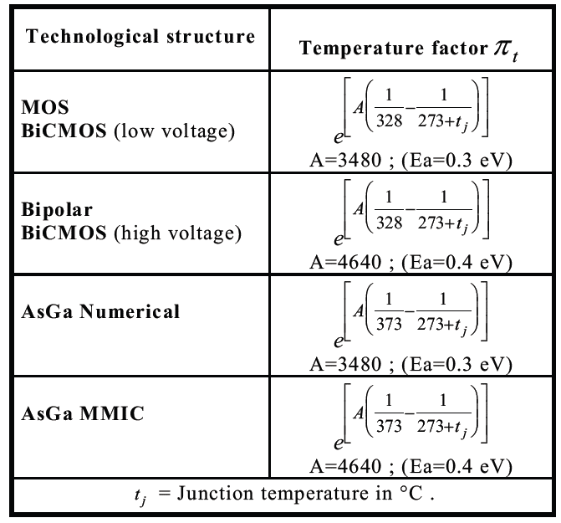
 |  | - Analog part
 |  |  | Ea | 0.4 | eV | Refer to table
 |  |  | A | 4641.98677 |  |  | ∑πt*τi
 |  |  | πt 1 | 1.49668 |  |  | πt * τi | 0.029933692154
 |  |  | πt 2 | 4.28960 |  |  | πt * τi | 0.064343960483
 |  |  | πt 3 | 9.66741 |  |  | πt * τi | 0.22235043278
 |  |  | πt 4 | 0.35475 |  |  | πt * τi | 0
 |  |  | πt 5 | 0.35475 |  |  | πt * τi | 0
 |  |  | πt 6 | 0.35475 |  |  | πt * τi | 0
 |  |  | πt 7 | 0.35475 |  |  | πt * τi | 0
 |  |  | πt 8 | 0.35475 |  |  | πt * τi | 0
 |  |  | πt 9 | 0.35475 |  |  | πt * τi | 0
 |  |  | πt 10 | 0.35475 |  |  | πt * τi | 0
 |  |  | πt 11 | 0.35475 |  |  | πt * τi | 0
 |  |  | πt 12 | 0.35475 |  |  | πt * τi | 0
 |  |  | πt 13 | 0.35475 |  |  | πt * τi | 0
 |  |  | πt 14 | 0.35475 |  |  | πt * τi | 0
 |  |  | πt 15 | 0.35475 |  |  | πt * τi | 0
 |  |  | πt 16 | 0.35475 |  |  | πt * τi | 0
 |  |  | πt 17 | 0.35475 |  |  | πt * τi | 0
 |  |  |  |  |  |  | Sum | 0.31662808542
 |  | - Digital part and Analog (<6V)
 |  |  | Ea | 0.3 | eV | Refer to table
 |  |  | A | 3481.49008 |  |  | ∑πt*τi
 |  |  | πt 1 | 1.35316 |  |  | πt * τi | 0.027063110754
 |  |  | πt 2 | 2.98066 |  |  | πt * τi | 0.044709895675
 |  |  | πt 3 | 5.48255 |  |  | πt * τi | 0.12609865181
 |  |  | πt 4 | 0.45966 |  |  | πt * τi | 0
 |  |  | πt 5 | 0.45966 |  |  | πt * τi | 0
 |  |  | πt 6 | 0.45966 |  |  | πt * τi | 0
 |  |  | πt 7 | 0.45966 |  |  | πt * τi | 0
 |  |  | πt 8 | 0.45966 |  |  | πt * τi | 0
 |  |  | πt 9 | 0.45966 |  |  | πt * τi | 0
 |  |  | πt 10 | 0.45966 |  |  | πt * τi | 0
 |  |  | πt 11 | 0.45966 |  |  | πt * τi | 0
 |  |  | πt 12 | 0.45966 |  |  | πt * τi | 0
 |  |  | πt 13 | 0.45966 |  |  | πt * τi | 0
 |  |  | πt 14 | 0.45966 |  |  | πt * τi | 0
 |  |  | πt 15 | 0.45966 |  |  | πt * τi | 0
 |  |  | πt 16 | 0.45966 |  |  | πt * τi | 0
 |  |  | πt 17 | 0.45966 |  |  | πt * τi | 0
 |  |  |  |  |  |  | Sum | 0.19787165824
 |  | ② Mission profile
 |  |  |  |  |  |  | ∑πt*τi | 0.7123714019

 |  | ■ Die FIT rate (①X②) |  | 6.33279 | FIT


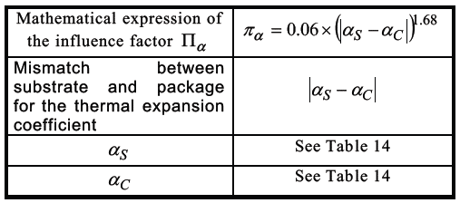
 |  |  | αS | 16 | Refer to table 14
 |  |  | αC | 21.5 | Refer to table 14
 |  |  | π α | 1.052
 |  |  | 2.75X10-3Xπα | 0.0029

 |  |  | Tac_1 | 0.64 | ℃
 |  |  | Tac_2 | 0.9
 |  |  | Tac_3 | 1.955 | ℃
 |  |  | Tac_4 | 0 | ℃
 |  |  | Tac_5 | 0 | ℃
 |  |  | Tac_6 | 0
 |  |  | Tac_7 | 0
 |  |  | Tac_8 | 0 | ℃
 |  |  | Tac_9 | 0
 |  |  | Tac_10 | 0
 |  |  | Tac_11 | 0
 |  |  | Tac_12 | 0
 |  |  | Tac_13 | 0
 |  |  | Tac_14 | 0
 |  |  | Tac_15 | 0
 |  |  | Tac_16 | 0
 |  |  | Tac_17 | 0 | ℃
 |  |  | Tac | 60.26 | ℃ | Average Amb Temp
 |  |  | ΔTj | 32.62 | ℃

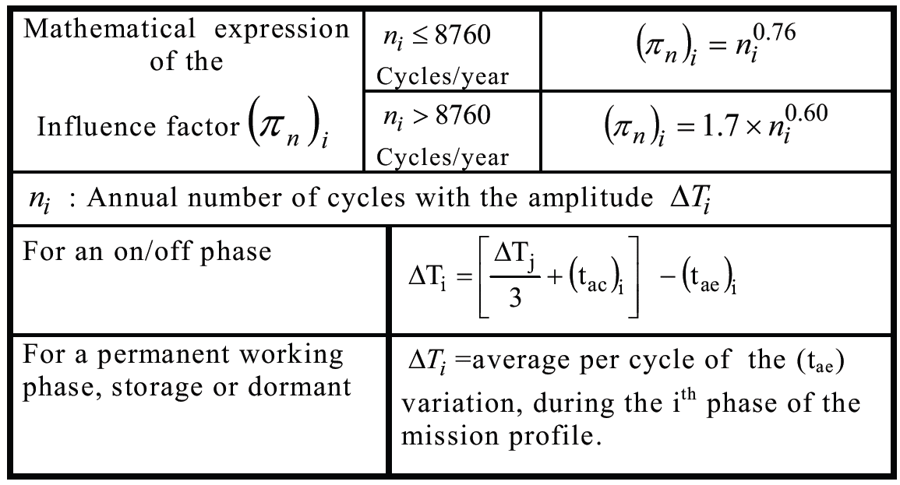
 |  |  | (tae)1 | 5 | ℃
 |  |  | (tae)2 | 15 | ℃
 |  |  | △T1 | 66.1 | ℃
 |  |  | △T2 | 56.1 | ℃
 |  |  | △T3 | 10 | ℃
 |  |  | n1 | 670 | cycle/year
 |  |  | n2 | 1340 | cycle/year
 |  |  | n3 | 30 | cycle/year
 |  |  | (π n)1 | 140.55
 |  |  | (π n)2 | 238.01
 |  |  | (π n)3 | 13.26

 |  |  | (π n)*△Ti0.68 | 2430.51
 |  |  | (π n)*△Ti0.68 | 3681.82
 |  |  | (π n)*△Ti0.68 | 63.48
 |  |  | ∑(π n)*△Ti0.68 | 6175.80

 |  |  | λ3 | 4.1 | Refer to table 17a

 |  |  |  | Reference: ISO26262:2018 – Part 11, Chapter 4.6.2.1.1.3
 |  | ■ PKG FIT rate |  | 73.24 | FIT |  |  | * 오버스트레스에 의한 고장율은 πⅠ×λEOS를 0fit 산정

 | ■ IC Total FIT rate |  |  | 79.58 | FIT

Bonding(OPEN)


 |  |  |  |  |  |  |  |  |  |  |  |  |  |  |  |  |  |  | Document ID |  | ELM-803-FS-0001
 |  |  |  |  |  |  |  |  |  |  |  |  |  |  |  |  |  |  | Author |  | Safety Manager |  | I. Kök
 |  |  |  |  |  |  |  |  |  |  |  |  |  |  |  |  |  |  | Version |  | B2
 |  |  |  |  |  |  |  |  |  |  |  |  |  |  |  |  |  |  | Status |  | approved after review

FMEDA

ID803 - Vega
 |  | Safety Goal 이 명확한 블록 기반 분석

 |  |  |  |  |  |  | λ | 65.919358424
 |  | Package Failure rate [FIT] |  |  | 65.92 |  | λSPF+λRF | 1.799049157
 |  | Bonding |  |  | 48 |  | λLF | 7.0863310306

 |  |  |  |  |  |  |  |  |  | Permanent Failures
 |  | Golden Master |  |  |  |  |  |  |  | Single Point Failures |  |  |  |  |  |  |  | Latent Failures
 | 고장 모드 번호 PKO(PacKage Open) | PIN# | 단자명 |  | 보호 소자 쇼트처 | 각 단자 고장율(FIT) | IC단품으로서의 영향 (안전 기구가 없는 경우) | ECU(시스템)에의 영향 (안전 기구가 없는 경우) | IC단품영향에 대처와 판단 | 비율 (90% 고정) | 안전과 관계되는가? | 항목 고장율(FIT) | 안전 고장의 비율 | 안전 기구 (IC) | 안전 기구 (System) | 검출율(SPF) | 잔존 고장의 고장율(FIT) | Latent Failure는 안전과 관계되는가? | 안전 기구 (IC) | 안전 기구 (System) | 검출율 | Latent Failure의 고장율(FIT) | Comment
 | Failure Mode Number | Pin Number | Pin Name | Bondig | Power source connected through ESD protection | Failure rate [FIT] | effects on the IC output | effects on the system | memo X - Violation of SG O - No violation | Failure distribution | Single Point Failure mode can violate the safety goal in the absense of safety mechanism | Failure rate (FIT) | Percentage of Safe Faults | Safety mechanism(s) (IC) allowing to prevent the violation of the safety goal | Safety mechanism(s) (System) allowing to prevent the violation of the safety goal | Failure mode coverage wrt. violation of safety goal | Residual or Single Point Fault failure rate / FIT | Latent Failure mode can violate the safety goal in the absense of safety mecahnism | Safety mechanism(s) (IC) to prevent latent faults | Safety mechanism(s) (System) to prevent latent faults | Failure mode coverage wrt. Latent failures | Latent Multiple Point Fault failure rate / FIT
 | FM_PKO_1 | 1 | LED4 |  |  | 1.3733199672 | Unintended LED turn ON | Unintended LED ON | X | 100% | Y | 1.3733199672 | 0% | SM04 SM24 |  | 99% | 0.013733199672 | Y | SM04 SM24 |  | 80% | 0.2719173535
 | FM_PKO_2 | 2 | LED3 |  |  | 1.3733199672 | Unintended LED turn ON | Unintended LED ON | X | 100% | Y | 1.3733199672 | 0% | SM04 SM24 |  | 99% | 0.013733199672 | Y | SM04 SM24 |  | 80% | 0.2719173535
 | FM_PKO_3 | 3 | LED2 |  |  | 1.3733199672 | Unintended LED turn ON | Unintended LED ON | X | 100% | Y | 1.3733199672 | 0% | SM04 SM24 |  | 99% | 0.013733199672 | Y | SM04 SM24 |  | 80% | 0.2719173535
 | FM_PKO_4 | 4 | LED1A |  |  | 1.3733199672 | Unintended LED turn ON | Unintended LED ON | X | 100% | Y | 1.3733199672 | 0% | SM04 SM24 |  | 99% | 0.013733199672 | Y | SM04 SM24 |  | 80% | 0.2719173535
 | FM_PKO_5 | 5 | LED1K |  |  | 1.3733199672 | Unintended LED turn ON | Unintended LED ON | X | 100% | Y | 1.3733199672 | 0% | SM04 SM24 |  | 99% | 0.013733199672 | Y | SM04 SM24 |  | 80% | 0.2719173535
 | FM_PKO_6 | 6 | CS |  |  | 1.3733199672 | Current Sense Reading Error | No effect | O | 100% | N | 1.3733199672 | 100% |  |  |  |  | N
 | FM_PKO_7 | 7 | GND |  |  | 1.3733199672 | No effect, more than one GND pins | No effect | O | 100% | N | 1.3733199672 | 100% |  |  |  |  | N
 | FM_PKO_8 | 8 | FS |  |  | 1.3733199672 | Switches always OFF in FS mode due to internal pull-down | LEDs always OFF in FS mode | O | 100% | N | 1.3733199672 | 100% |  |  |  |  | N
 | FM_PKO_9 | 9 | ADC1 |  |  | 1.3733199672 | Cannot use ADC1 to external reading | No effect | O | 100% | N | 1.3733199672 | 100% |  |  |  |  | N
 | FM_PKO_10 | 10 | VDDO |  |  | 1.3733199672 | UART Communication Error. Operate in FS. | Fail-safe mode active | X | 100% | Y | 1.3733199672 | 0% | SM09 SM13 |  | 99% | 0.013733199672 | Y | SM09 SM13 |  | 100% | 0 | NOTE 1
 | FM_PKO_11 | 11 | ADC2 |  |  | 1.3733199672 | Cannot use ADC2 to external reading | No effect | O | 100% | N | 1.3733199672 | 100% |  |  |  |  | N
 | FM_PKO_12 | 12 | ADDR0 |  |  | 1.3733199672 | UART Communication Error. Operate in FS. | Fail-safe mode active | X | 100% | Y | 1.3733199672 | 0% | SM09 SM10 SM13 |  | 99% | 0.013733199672 | Y | SM09 SM10 SM13 |  | 100% | 0 | NOTE 1
 | FM_PKO_13 | 13 | VDD |  |  | 1.3733199672 | Device power-off | Unintended LED ON | X | 100% | Y | 1.3733199672 | 0% | SM01 SM15 SM16 SM22 |  | 99% | 0.013733199672 | Y | SM01 SM15 SM16 SM22 |  | 100% | 0 | NOTE 2: SM22 activate safe-state due to VDD fault, 100% MPC.
 | FM_PKO_14 | 14 | SYNC |  |  | 1.3733199672 | Unintended LED turn ON/OFF | Unintended LED turn ON/OFF | X | 100% | Y | 1.3733199672 | 0% | SM21 |  | 60% | 0.54932798686 | Y |  |  | 0% | 0.8239919803
 | FM_PKO_15 | 15 | RX |  |  | 1.3733199672 | UART Communication Error. Operate in FS. | Fail-safe mode active | X | 100% | Y | 1.3733199672 | 0% | SM09 SM10 SM13 |  | 99% | 0.013733199672 | Y | SM09 SM10 SM13 |  | 100% | 0 | NOTE 1
 | FM_PKO_16 | 16 | NC2 |  |  | 1.3733199672 | No effect, no connection pin | No effect | O | 100% | N | 1.3733199672 | 100% |  |  |  |  | N
 | FM_PKO_17 | 17 | ADDR1 |  |  | 1.3733199672 | UART Communication Error. Operate in FS. | Fail-safe mode active | X | 100% | Y | 1.3733199672 | 0% | SM09 SM10 SM13 |  | 99% | 0.013733199672 | Y | SM09 SM10 SM13 |  | 100% | 0 | NOTE 1: Since SM10 is a self-test for SM9, multi-point coverage is 100%.
 | FM_PKO_18 | 18 | RX |  |  | 1.3733199672 | UART Communication Error. Operate in FS. | Fail-safe mode active | X | 100% | Y | 1.3733199672 | 0% | SM09 SM10 SM13 |  | 99% | 0.013733199672 | Y | SM09 SM10 SM13 |  | 100% | 0
 | FM_PKO_19 | 19 | CLK_SEL |  |  | 1.3733199672 | UART Communication Error. Operate in FS. | Fail-safe mode active | X | 100% | Y | 1.3733199672 | 0% | SM09 SM10 SM13 |  | 99% | 0.013733199672 | Y | SM09 SM10 SM13 |  | 100% | 0
 | FM_PKO_20 | 20 | TX |  |  | 1.3733199672 | UART Communication Error. Operate in FS. | Fail-safe mode active | X | 100% | Y | 1.3733199672 | 0% | SM09 SM10 SM13 |  | 99% | 0.013733199672 | Y | SM09 SM10 SM13 |  | 100% | 0
 | FM_PKO_21 | 21 | NC1 |  |  | 1.3733199672 | No effect, no connection pin | No effect | O | 100% | N | 1.3733199672 | 100% |  |  |  |  | N
 | FM_PKO_22 | 22 | SYNC |  |  | 1.3733199672 | Unintended LED turn ON/OFF | Unintended LED turn ON/OFF | X | 100% | Y | 1.3733199672 | 0% | SM21 |  | 60% | 0.54932798686 | Y |  |  | 0% | 0.8239919803
 | FM_PKO_23 | 23 | GND2 |  |  | 1.3733199672 | No effect, more than one GND pins | No effect | O | 100% | N | 1.3733199672 | 100% |  |  |  |  | N
 | FM_PKO_24 | 24 | TX |  |  | 1.3733199672 | UART Communication Error. Operate in FS. | Fail-safe mode active | X | 100% | Y | 1.3733199672 | 0% | SM09 SM10 SM13 |  | 99% | 0.013733199672 | Y | SM09 SM10 SM13 |  | 100% | 0 | NOTE 1
 | FM_PKO_25 | 25 | LED5K |  |  | 1.3733199672 | Unintended LED turn ON | Unintended LED ON | X | 100% | Y | 1.3733199672 | 0% | SM04 SM24 |  | 99% | 0.013733199672 | Y | SM04 SM24 |  | 80% | 0.2719173535
 | FM_PKO_26 | 26 | LED11 |  |  | 1.3733199672 | Unintended LED turn ON | Unintended LED ON | X | 100% | Y | 1.3733199672 | 0% | SM04 SM24 |  | 99% | 0.013733199672 | Y | SM04 SM24 |  | 80% | 0.2719173535
 | FM_PKO_27 | 27 | LED8 |  |  | 1.3733199672 | Unintended LED turn ON | Unintended LED ON | X | 100% | Y | 1.3733199672 | 0% | SM04 SM24 |  | 99% | 0.013733199672 | Y | SM04 SM24 |  | 80% | 0.2719173535
 | FM_PKO_28 | 28 | LED5A |  |  | 1.3733199672 | Unintended LED turn ON | Unintended LED ON | X | 100% | Y | 1.3733199672 | 0% | SM04 SM24 |  | 99% | 0.013733199672 | Y | SM04 SM24 |  | 80% | 0.2719173535
 | FM_PKO_29 | 29 | LED10 |  |  | 1.3733199672 | Unintended LED turn ON | Unintended LED ON | X | 100% | Y | 1.3733199672 | 0% | SM04 SM24 |  | 99% | 0.013733199672 | Y | SM04 SM24 |  | 80% | 0.2719173535
 | FM_PKO_30 | 30 | LED9K |  |  | 1.3733199672 | Unintended LED turn ON | Unintended LED ON | X | 100% | Y | 1.3733199672 | 0% | SM04 SM24 |  | 99% | 0.013733199672 | Y | SM04 SM24 |  | 80% | 0.2719173535
 | FM_PKO_31 | 31 | LED12 |  |  | 1.3733199672 | Unintended LED turn ON | Unintended LED ON | X | 100% | Y | 1.3733199672 | 0% | SM04 SM24 |  | 99% | 0.013733199672 | Y | SM04 SM24 |  | 80% | 0.2719173535
 | FM_PKO_32 | 32 | LED6 |  |  | 1.3733199672 | Unintended LED turn ON | Unintended LED ON | X | 100% | Y | 1.3733199672 | 0% | SM04 SM24 |  | 99% | 0.013733199672 | Y | SM04 SM24 |  | 80% | 0.2719173535
 | FM_PKO_33 | 33 | LED7 |  |  | 1.3733199672 | Unintended LED turn ON | Unintended LED ON | X | 100% | Y | 1.3733199672 | 0% | SM04 SM24 |  | 99% | 0.013733199672 | Y | SM04 SM24 |  | 80% | 0.2719173535
 | FM_PKO_34 | 34 | LED9A |  |  | 1.3733199672 | Unintended LED turn ON | Unintended LED ON | X | 100% | Y | 1.3733199672 | 0% | SM04 SM24 |  | 99% | 0.013733199672 | Y | SM04 SM24 |  | 80% | 0.2719173535
 | FM_PKO_35 | 35 | NC3 |  |  | 1.3733199672 | No effect, no connection pin | No effect | O | 100% | N | 1.3733199672 | 100% |  |  |  |  | N
 | FM_PKO_36 | 36 | NC4 |  |  | 1.3733199672 | No effect, no connection pin | No effect | O | 100% | N | 1.3733199672 | 100% |  |  |  |  | N
 | FM_PKO_37 | 37 | LED13K |  |  | 1.3733199672 | Unintended LED turn ON | Unintended LED ON | X | 100% | Y | 1.3733199672 | 0% | SM04 |  | 99% | 0.013733199672 | Y | SM04 |  | 80% | 0.2719173535
 | FM_PKO_38 | 38 | ADDR3 |  |  | 1.3733199672 | UART Communication Error. Operate in FS. | Fail-safe mode active | X | 100% | Y | 1.3733199672 | 0% | SM09 SM10 SM13 |  | 99% | 0.013733199672 | Y | SM09 SM10 SM13 |  | 100% | 0 | NOTE 1
 | FM_PKO_39 | 39 | LED16 |  |  | 1.3733199672 | Unintended LED turn ON | Unintended LED ON | X | 100% | Y | 1.3733199672 | 0% | SM04 SM24 |  | 99% | 0.013733199672 | Y | SM04 SM24 |  | 80% | 0.2719173535
 | FM_PKO_40 | 40 | LED13A |  |  | 1.3733199672 | Unintended LED turn ON | Unintended LED ON | X | 100% | Y | 1.3733199672 | 0% | SM04 SM24 |  | 99% | 0.013733199672 | Y | SM04 SM24 |  | 80% | 0.2719173535
 | FM_PKO_41 | 41 | GND3 |  |  | 1.3733199672 | No effect, more than one GND pins | No effect | O | 100% | N | 1.3733199672 | 100% |  |  |  |  | N
 | FM_PKO_42 | 42 | CPN |  |  | 1.3733199672 | Unintended LED turn ON. Charge-pump fails. | Unintended LED ON | X | 100% | Y | 1.3733199672 | 0% | SM14 SM22 |  | 90% | 0.13733199672 | Y | SM14 SM22 |  | 100% | 0 | NOTE 3: SM22 activate safe-state due to charge-pump fault, 100% MPC.
 | FM_PKO_43 | 43 | ADDR2 |  |  | 1.3733199672 | UART Communication Error. Operate in FS. | Fail-safe mode active | X | 100% | Y | 1.3733199672 | 0% | SM09 SM10 SM13 |  | 99% | 0.013733199672 | Y | SM09 SM10 SM13 |  | 100% | 0 | NOTE 1
 | FM_PKO_44 | 44 | LED14 |  |  | 1.3733199672 | Unintended LED turn ON | Unintended LED ON | X | 100% | Y | 1.3733199672 | 0% | SM04 SM24 |  | 99% | 0.013733199672 | Y | SM04 SM24 |  | 80% | 0.2719173535
 | FM_PKO_45 | 45 | LED15 |  |  | 1.3733199672 | Unintended LED turn ON | Unintended LED ON | X | 100% | Y | 1.3733199672 | 0% | SM04 SM24 |  | 99% | 0.013733199672 | Y | SM04 SM24 |  | 80% | 0.2719173535
 | FM_PKO_46 | 46 | NC6 |  |  | 1.3733199672 | No effect, no connection pin | No effect | O | 100% | N | 1.3733199672 | 100% |  |  |  |  | N
 | FM_PKO_47 | 47 | NC5 |  |  | 1.3733199672 | No effect, no connection pin | No effect | O | 100% | N | 1.3733199672 | 100% |  |  |  |  | N
 | FM_PKO_48 | 48 | CPP |  |  | 1.3733199672 | Unintended LED turn ON. Charge-pump fails. | Unintended LED ON | X | 100% | Y | 1.3733199672 | 0% | SM14 SM22 |  | 90% | 0.13733199672 | Y | SM14 SM22 |  | 100% | 0 | NOTE 3
 |  |  |  |  |  | 65.919358424 |  |  |  |  |  | 65.919358424 |  |  |  |  | 1.799049157 |  |  |  |  | 7.0863310306

