Sheet1
SEY | Half-gap [mm] | Electron Flux [mA] for 5.4m TDI
1 | 4 | 0.0001723839
 | 6 | 0.0001773335
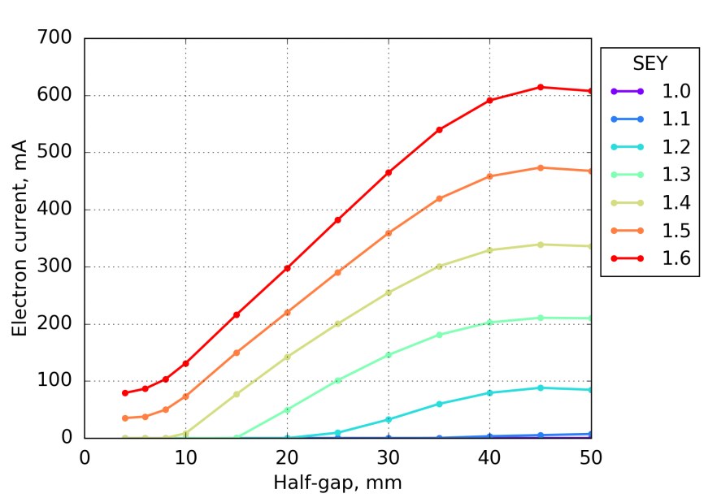
 | 8 | 0.0001844352
 | 10 | 0.0001958583
 | 15 | 0.0002387105
 | 20 | 0.0002932438
 | 25 | 0.0003583259
 | 30 | 0.0004522271
 | 35 | 0.0005670083
 | 40 | 0.0006718052
 | 45 | 0.0007599097
 | 50 | 0.0008082998
1.1 | 4 | 0.0002370674
 | 6 | 0.0002429941
 | 8 | 0.0002575447
 | 10 | 0.0002796237
 | 15 | 0.0003903367
 | 20 | 0.0005859334
 | 25 | 0.0010666839
 | 30 | 0.0035843602
 | 35 | 0.2997802304
 | 40 | 3.2636825223
 | 45 | 5.2263771737
 | 50 | 7.1743941981
1.2 | 4 | 0.000377322
 | 6 | 0.0003874874
 | 8 | 0.0004184386
 | 10 | 0.0004911034
 | 15 | 0.0010328161
 | 20 | 0.0054876458
 | 25 | 9.4505262686
 | 30 | 32.540758044
 | 35 | 59.978497171
 | 40 | 79.312674392
 | 45 | 88.046472019
 | 50 | 84.677346869
1.3 | 4 | 0.0008810361
 | 6 | 0.0009205321
 | 8 | 0.0011090426
 | 10 | 0.0016715015
 | 15 | 0.4370870631
 | 20 | 49.665213705
 | 25 | 101.23175027
 | 30 | 145.61071869
 | 35 | 180.95270517
 | 40 | 202.57365909
 | 45 | 210.65771249
 | 50 | 209.83145954
1.4 | 4 | 0.0230334995
 | 6 | 0.0303771287
 | 8 | 0.22260236
 | 10 | 8.4084019821
 | 15 | 76.850092039
 | 20 | 141.99310982
 | 25 | 200.09498403
 | 30 | 254.77035651
 | 35 | 300.8826272
 | 40 | 329.15691128
 | 45 | 339.0847107
 | 50 | 335.94110113
1.5 | 4 | 35.128746032
 | 6 | 37.72023579
 | 8 | 49.756930775
 | 10 | 73.436883548
 | 15 | 149.67418035
 | 20 | 220.17117171
 | 25 | 290.43703569
 | 30 | 358.86631728
 | 35 | 419.24308382
 | 40 | 458.39012881
 | 45 | 473.6625874
 | 50 | 467.74717726
1.6 | 4 | 79.074479675
 | 6 | 86.523235304
 | 8 | 103.16362843
 | 10 | 131.24890534
 | 15 | 216.1014838
 | 20 | 297.60323458
 | 25 | 382.09152017
 | 30 | 464.88742298
 | 35 | 539.91080825
 | 40 | 591.36512451
 | 45 | 614.43249757
 | 50 | 607.68712545

