daniel
n | yhat | y
0.1 | 1.9024984395 | -2
0.3 | 1.7223748416 | -1.9
0.6 | 1.4880613018 | -1.8
0.9 | 1.2931712199 | -1.7
1.2 | 1.1323807579 | -1.6
1.5 | 1 | -1.5
1.8 | 0.89072480941 | -1.4
2.1 | 0.8 | -1.3
2.4 | 0.72409987036 | -1.2
2.7 | 0.66005952328 | -1.1
3 | 0.60555127546 | -1
3.3 | 0.55875627631 | -0.9
3.6 | 0.51825205639 | -0.8
3.9 | 0.48292140016 | -0.7
4.2 | 0.45188133985 | -0.6
4.5 | 0.4244289009 | -0.5
 |  | -0.4
 |  | -0.3
 |  | -0.2
 |  | -0.1
 |  | 0
 |  | 0.1
 |  | 0.2
 |  | 0.3
 |  | 0.4
 |  | 0.5
 |  | 0.6
 |  | 0.7
 |  | 0.8
 |  | 0.9
 |  | 1
 |  | 1.1
 |  | 1.2
 |  | 1.3
 |  | 1.4
 |  | 1.5
 |  | 1.6
 |  | 1.7
 |  | 1.8
 |  | 1.9
 |  | 2

mortality offspring
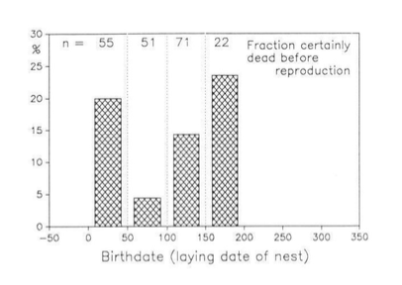
days | fitness
25 | 0.8
75 | 0.94
125 | 0.86
175 | 0.77

