REKAP BARU print
NEGOSIASI
PEKERJAAN KONTRAK PEMELIHARAAN ALAT BONGKAR MUAT
DI PT PRIMA TERMINAL PETIKEMAS
NO | URAIAN | OWNER ESTIMATE | PENAWARAN | NEGOSIASI
 |  | JUMLAH (Rp) | JUMLAH (Rp) | JUMLAH (Rp)
1 | Komponen Biaya Lumpsump
 | Personil | 1,468,254,000.00 | 1,445,250,000.00 | 1,389,930,000.00 | 291,807,000.00 | 320,987,700.00
 | Consumable Goods | 59,437,980.00 | 58,788,000.00 | 58,788,000.00
 | Penunjang | 317,412,000.00 | 312,830,000.00 | 302,124,000.00
Jumlah 1 |  | 1,845,103,980.00 | 1,816,868,000.00 | 1,750,842,000.00 | 1,925,926,200.00 | 1,925,926,200.00
2 | Komponen Biaya Harga Satuan
 | Consumable Part | 929,155,100.00 | 929,155,100.00 | 929,155,100.00 | 3,210,508,200.00
 | Spare Part | 163,377,000.00 | 163,216,100.00 | 162,532,950.00
 | Pekerjaan Tambahan | 78,513,600.00 | 77,313,600.00 | 76,113,600.00
Jumlah 2 |  | 1,171,045,700.00 | 1,169,684,800.00 | 1,167,801,650.00 | 1,284,582,000.00 | 1,284,581,815.00
TOTAL (Jumlah 1 + Jumlah 2) |  | 3,016,149,680.00 | 2,986,552,800.00 | 2,918,643,650.00
PPN 10% |  | 301,614,968.00 | 298,655,280.00 | 291,864,365.00
GRAND TOTAL |  | 3,317,764,648.00 | 3,285,208,080.00 | 3,210,508,015.00
DIBULATKAN |  | 3,317,765,000.00 | 3,285,209,000.00 | 3,210,509,000.00 | 107,256,000.00
Terbilang :
Tiga Milyar Tiga Ratus Tujuhbelas Juta Tujuh Ratus Enam Puluh Lima Ribu Rupiah

 |  |  | Medan, 2021
PESERTA LELANG,
PT PRIMA MULTI PERALATAN
DIREKTUR
HENDRI INDRA
PANITIA PENGADAAN :
1. FRIDOLIN SIAHAAN ….......................
2. IFSAN ROSADY ….......................
3. SURYA DARMA ….......................
4. M. RIDHO FAKHROZI ….......................
5. YOLANDA EVANS SIMORANGKIR ….......................
6. ANDAREAS SIAGIAN ….......................
7. AUGUSTO DWIFA DANIEL ….......................
PENANGGUNG JAWAB PROGRAM:
SAMSU RIZAL :.........................

Nego Spareparts
NEGOSIASI
PENGADAAN SPAREPARTS STS, ARTG DAN TT & CHASSIS
PEKERJAAN KONTRAK PEMELIHARAAN ALAT BONGKAR MUAT
DI PT PRIMA TERMINAL PETIKEMAS

NO. | ITEM | SPESIFIKASI | PENAWARAN |  |  |  | NEGOSIASI
 |  |  | VOL | SATUAN | HARGA SATUAN | JUMLAH HARGA | HARGA SATUAN | JUMLAH HARGA
 |  |  |  |  | (Rp.) | (Rp.) | (Rp.) | (Rp.)

II | AUTOMATIC RUBBER TYRED GANTRY CRANE
1 | Pressure Switch | HDS-1-200-7-GE009/KC3719 | 2 | Pc | 9,750,000 | 19,500,000 | 7,240,000 | 14,480,000 | 8,450,000
2 | Power Supply Gate | Omron S8FS-C35024J | 2 | Pc | 1,950,000 | 3,900,000 | 1,950,000 | 3,900,000
3 | Cover Laser Spreader |  | 5 | Pc | 4,550,000 | 22,750,000 | 3,640,000 | 18,200,000 | 3640000 |  |  | harga dasar | ongkos kirim | bea masuk | PPN | total | include margin | pembulatan
4 | Rewinding Fan Motor Cable Reel | 0,3 Kw | 1 | Pc | 585,000 | 585,000 | 507,000 | 507,000 | 507000 |  |  | 5000000 | 420000 | 375000 | 500000 | 6295000 | 7239250 | 7240000
5 | SanDisk Ultra 64 GB | Micro SD XC 1 | 12 | Pcs | 169,000 | 2,028,000 | 135,200 | 1,622,400 | 135200
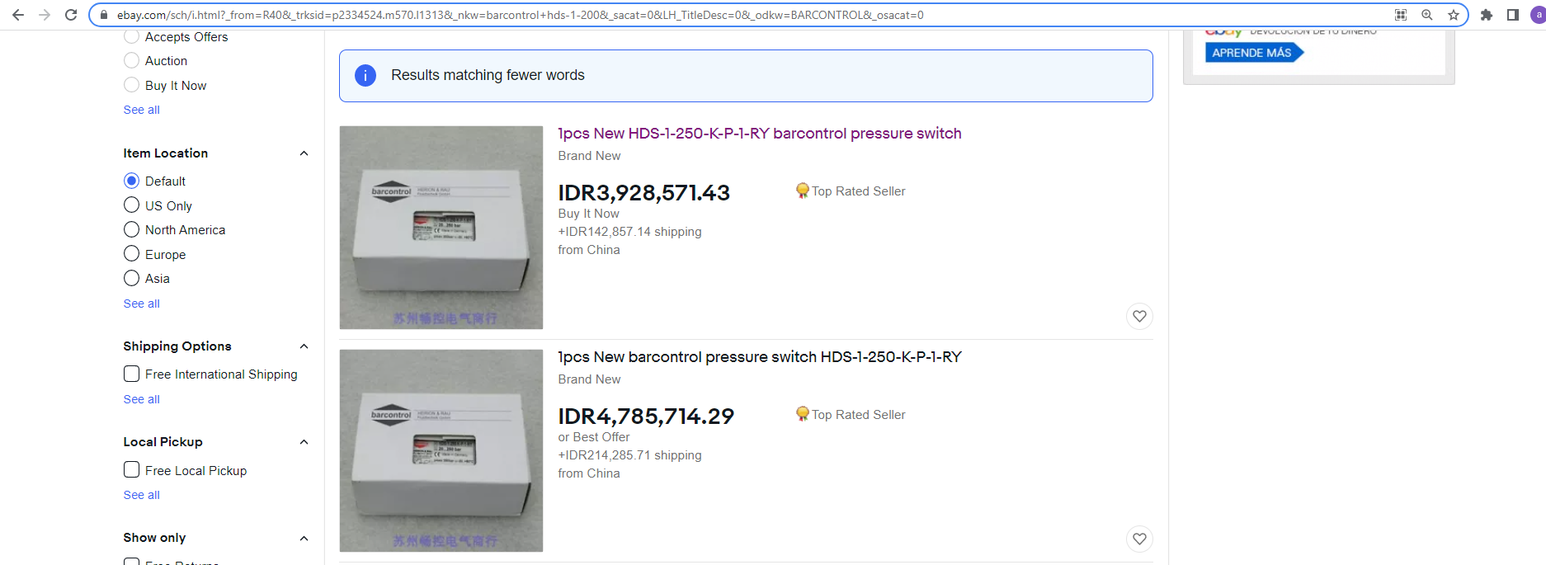
6 | Terminal Motor Gantry | Fabrikasi | 1 | Pc | 585,000 | 585,000 | 400,000 | 400,000 | 285,000 | 48.72% | 390,000
7 | Bracket Laser Spreader | Rekondisi | 1 | Pc | 585,000 | 585,000 | 500,000 | 500,000
JUMLAH II |  |  |  |  |  | 49,933,000 |  | 39,609,400

III | TERMINAL TRACTOR & CHASSIS
1 | Pressure Switch Air Coupling | V204240060 | 1 | Pc | 4,420,000 | 4,420,000 | 3,536,000 | 3,536,000 | 3536000
2 | Belting AC |  | 1 | Pc | 58,500 | 58,500 | 58,500 | 58,500
3 | Hose Flexibel Spiral |  | 4 | Pc | 143,000 | 572,000 | 114,400 | 457,600 | 114400
JUMLAH III |  |  |  |  |  | 5,050,500 |  | 4,052,100

JUMLAH I+II+III |  |  |  |  |  | 54,983,500 |  | 43,661,500
PPN 10% |  |  |  |  |  | 5,498,350 |  | 4,366,150
TOTAL |  |  |  |  |  | 60,481,850 |  | 48,027,650
PEMBULATAN |  |  |  |  |  | 60,482,000 |  | 48,028,000

 |  |  |  |  | Medan, 2021
YANG BERNEGOSIASI,
PT Prima Multi Peralatan
1. Syamsul Bachri .....................
2. Asrul Umri Tanjung .....................
PT Prima Terminal Petikemas
1. Samsu Rizal .....................
2. Ifsan Rosady .....................

