HLDesign
Tier 1
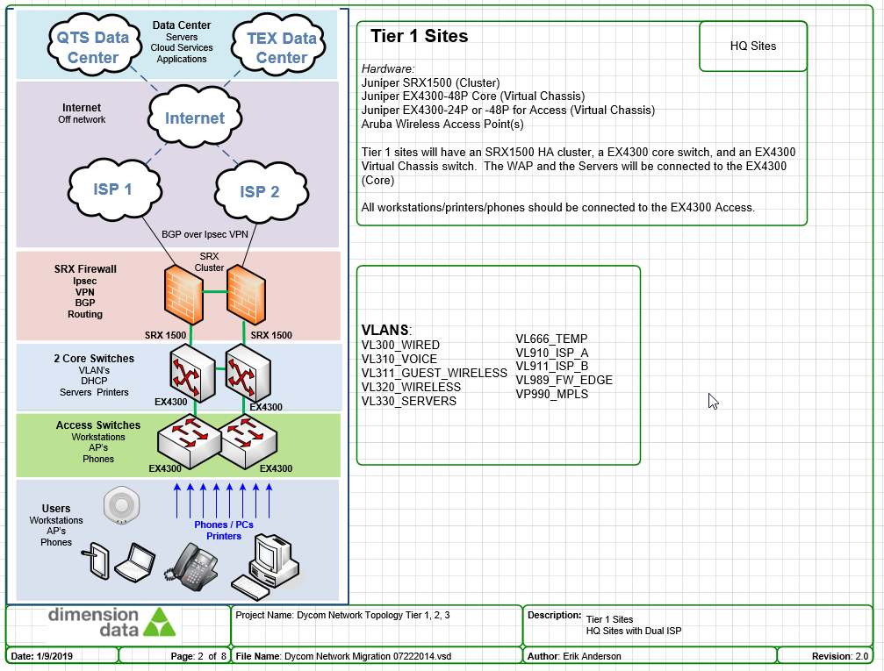

 |  | Subnet Breakdown
 |  | Tier 1
 |  | Site Supernet | 10.xx.0.0/22 | EF Loopback | 10.xx.xx(+3).255/32
 |  | VLAN 300 | 10.xx.0.0/24 | CS Loopback | 10.xx.xx(+3).254/32
 |  | VLAN 310 | 10.xx.xx(+1).0/24 | AS Loopback | 10.xx.xx(+3).253/32
 |  | VLAN 320 | 10.xx.xx(+2).0/24 | AS Loopback | 10.xx.xx(+3).252/32
 |  | VLAN 330 | 10.xx.xx(+3).0/25 | AS Loopback | 10.xx.xx(+3).251/32
 |  | VLAN 311 | 10.xx.xx(+3).128/26 | reth0.901 | 10.xx.xx(+3).192/31
 |  | RESERVED | 10.x.xx(+3.192/26 | irb.901 | 10.xx.3.193/31
 |  | Tier 2/3
 |  | Site Supernet | 10.xx.xx.0/23 | EF Loopback | 10.xx.xx(+1).255
 |  | VLAN 300 | 10.xx.xx.0/25 | CS Loopback | 10.xx.xx(+1).254
 |  | VLAN 310 | 10.xx.xx.128/25 | AS Loopback | 10.xx.xx(+1).253
 |  | VLAN 320 | 10.xx.xx(+1).0/25 | AS Loopback | 10.xx.xx(+1).254
 |  | VLAN 330 | 10.xx.xx(+1).128/26 | AS Loopback | 10.xx.xx(+1).253
 |  | VLAN 311 | 10.xx.xx(+1).192/27 | ge-0/0/5.0 | 10.xx.xx(+1).225/31
 |  | RESERVED | 10.xx.xx(+1).224/27 | irb.901 | 10.xx.xx(+1).226/31

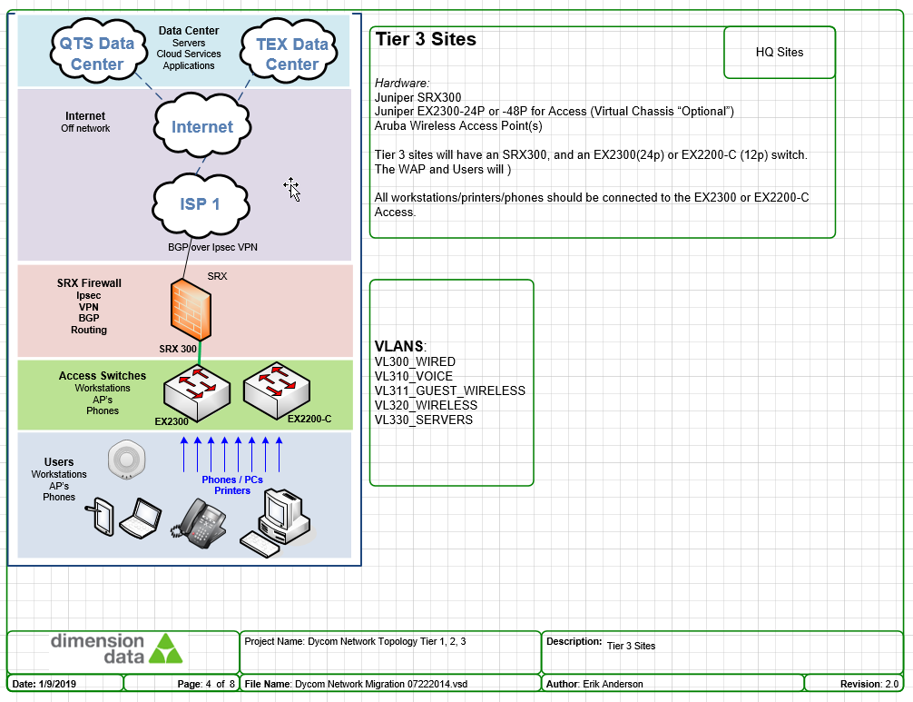
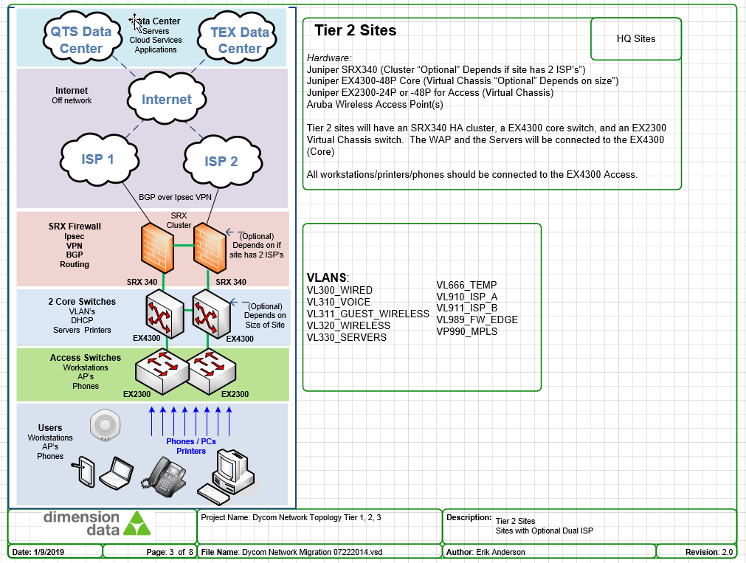

Tier | Picture
Tier 1 | 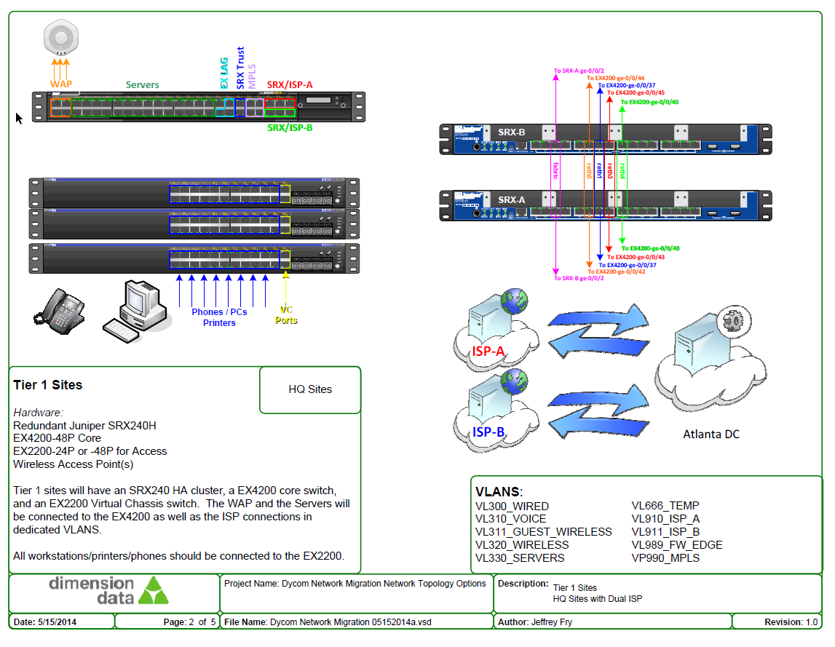
Tier 2 | 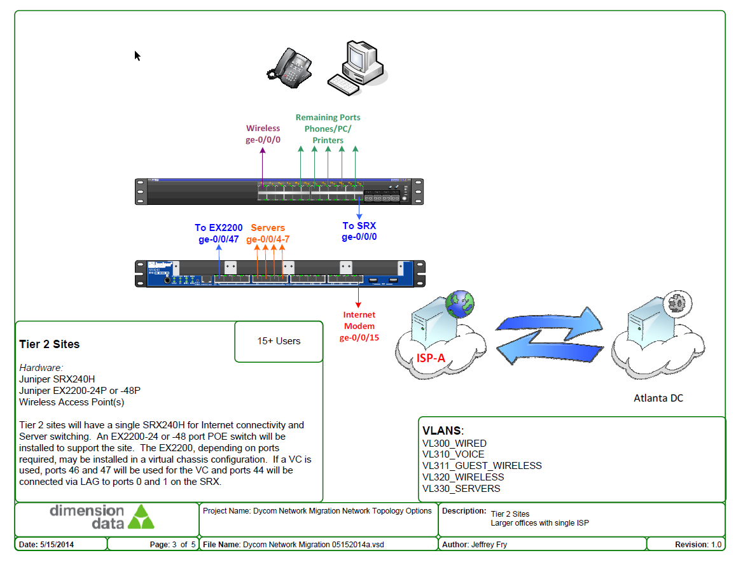
Tier 3 | 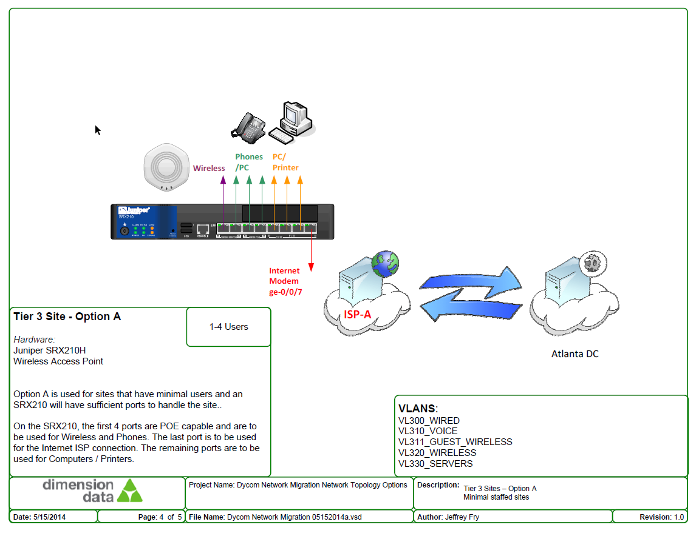
Tier 4 | 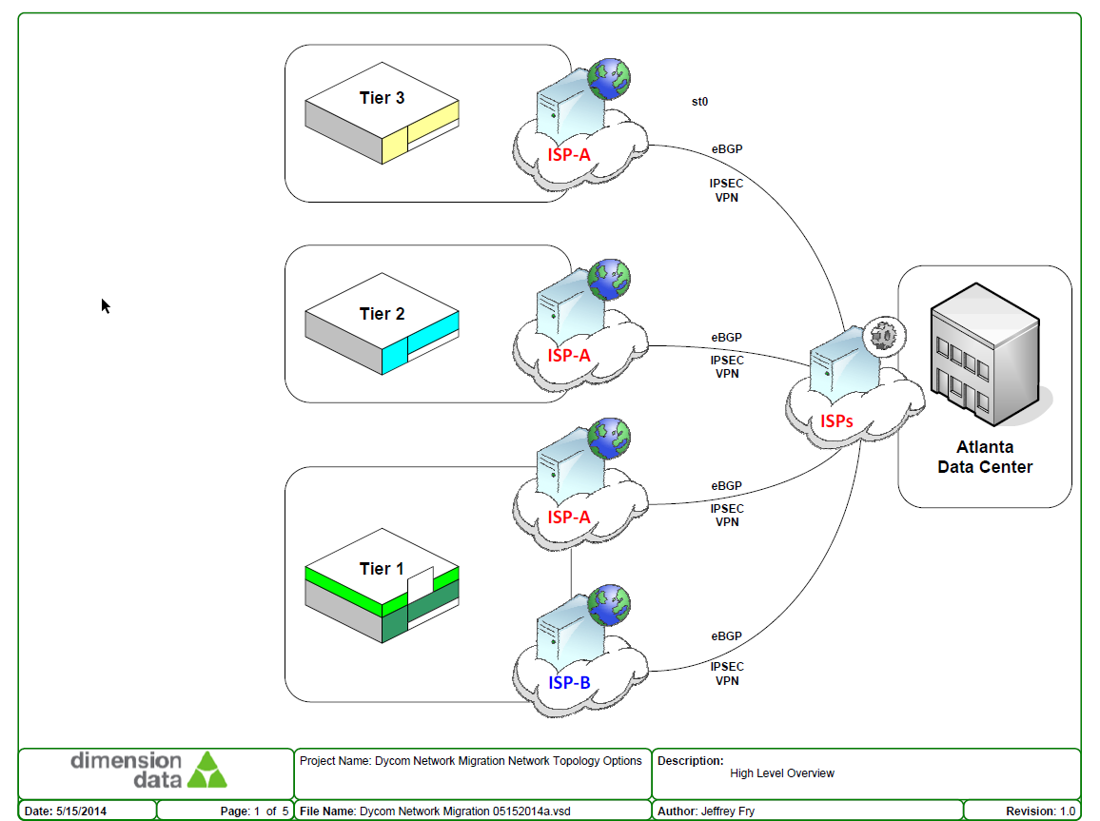

ISP Circuit
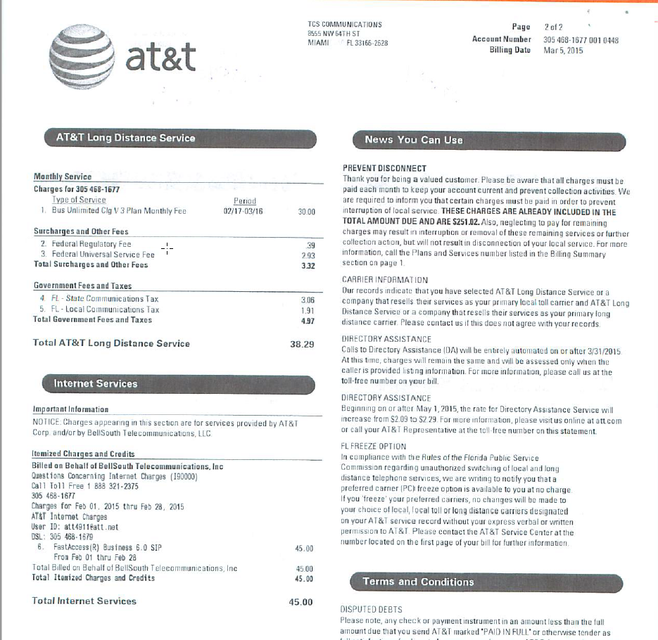
Speed Test Photo

 | Order Number:
 | Account Number:
 | Business Name: | UtiliQuest
 | Service Address: | 2001 WESTSIDE PKWY
 | Installation Date:
 | IP Address:
 | Subnet Mask:
 | Gateway IP:
 | DNS Info:

ISP Documents

