LYNX plywood
 |  |  |  |  |  |  | Sum Price with VAT | 0.00 | EUR
 |  |  |  |  |  |  | Sum SETS | 0
 |  |  |  |  |  |  | SUM kg | 0.00 | KG
 |  |  |  |  |  |  |  |  |  |  |  |  |  |  |  |  |  | NEW | NEW | SUM of pieces:
 |  |  |  |  |  |  | SUM pcs. | 0 | 0 | 0 | 0 | 0 | 0 | 0 | 0 | 0 | 0 | 0 | 0 | 0
 |  | # | dimensions | size | no. in set | no. of t-nuts | price without VAT | BLACK RAL 9005 | WHITE | RED RAL 3000 | YELLOW RAL 1018 | BLUE RAL 5015 | GREEN. RAL 6018 | ORANGE. RAL 1033 | PINK RAL 4003 | GREY. RAL 7001 | PURPLE S4050-R60B/M | MINT RAL6027 | DEEP ROSE RAL4008 | Sum | ordered | NEW
 | pentas |  |  |  |  |  |  |  |  |  |  |  |  |  |  |  |  |  |  |  | No
new |  | L61-W | 92x48x6 cm | S | 1 | 0 | 140.00 |  |  |  |  |  |  |  |  |  |  |  |  | € - | No | Yes
new |  | L62-W | 119x66x12 cm | M | 1 | 0 | 170.00 |  |  |  |  |  |  |  |  |  |  |  |  | € - | No | Yes
new |  | L63-W | 144x88x15 cm | L | 1 | 0 | 260.00 |  |  |  |  |  |  |  |  |  |  |  |  | € - | No | Yes
new |  | L64-W | 92x48x10 cm | S | 1 | 0 | 145.00 |  |  |  |  |  |  |  |  |  |  |  |  | € - | No | Yes
new |  | L65-W | 119x67x20 cm | M | 1 | 0 | 175.00 |  |  |  |  |  |  |  |  |  |  |  |  | € - | No | Yes
new |  | L66-W | 144x88x27 cm | L | 1 | 0 | 265.00 |  |  |  |  |  |  |  |  |  |  |  |  | € - | No | Yes
new |  | L67-W | 92x48x12,5 cm | S | 1 | 0 | 150.00 |  |  |  |  |  |  |  |  |  |  |  |  | € - | No | Yes
new |  | L68-W | 120x67x25 cm | M | 1 | 0 | 180.00 |  |  |  |  |  |  |  |  |  |  |  |  | € - | No | Yes
new |  | L69-W | 145x88x32 cm | L | 1 | 0 | 270.00 |  |  |  |  |  |  |  |  |  |  |  |  | € - | No | Yes
new |  | L70-W | 74x31x9 cm | XS | 1 | 0 | 180.00 |  |  |  |  |  |  |  |  |  |  |  |  | € - | No | Yes
new |  | L71-W | 73x31x15 cm | XS | 1 | 0 | 270.00 |  |  |  |  |  |  |  |  |  |  |  |  | € - | No | Yes
new |  | L72-W | 187x61x65 cm | XL | 1 | 0 | 310.00 |  |  |  |  |  |  |  |  |  |  |  |  | € - | No | Yes
new |  | L73-W | 165x47x53 cm | XL | 1 | 0 | 270.00 |  |  |  |  |  |  |  |  |  |  |  |  | € - | No | Yes
new |  | L74-W | 177x88x49cm | XL | 1 | 0 | 290.00 |  |  |  |  |  |  |  |  |  |  |  |  | € - | No | Yes
 | ramps
 |  | L1 | 118x40x10cm | L | 1 | 0 | 175.00 |  |  |  |  |  |  |  |  |  |  |  |  | € - | No | No
 | 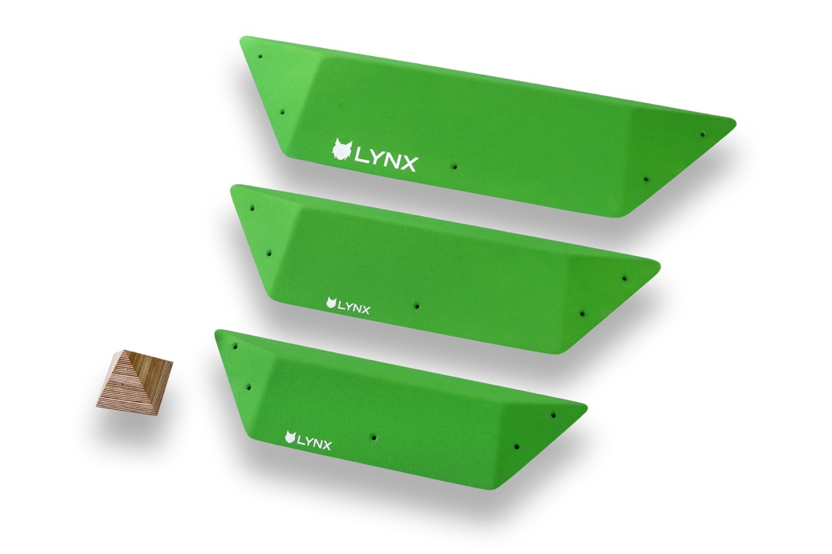 | L2 | 93x32x8cm; 74x25x6cm, 60x21x4cm | M-S | 3 | 0 | 290.00 |  |  |  |  |  |  |  |  |  |  |  |  | € - | No | No
 | kites
 | 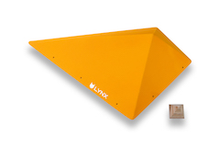 | L11 | 120x70x25cm | L | 1 | 0 | 210.00 |  |  |  |  |  |  |  |  |  |  |  |  | € - | No | No
 | 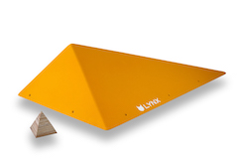 | L12 | 120x70x25cm | L | 1 | 0 | 210.00 |  |  |  |  |  |  |  |  |  |  |  |  | € - | No | No
 | 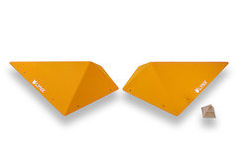 | L13 | 95x60x20cmx2 | M | 2 | 0 | 250.00 |  |  |  |  |  |  |  |  |  |  |  |  | € - | No | No
 |  | L14 | 70x50x15cm x2, 50x30x10cm x2 | S | 4 | 0 | 370.00 |  |  |  |  |  |  |  |  |  |  |  |  | € - | No | No
 | 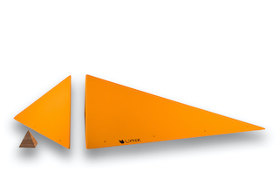 | L15 | 147x108xx36, 108x45x36 cm | XL | 2 | 0 | 490.00 |  |  |  |  |  |  |  |  |  |  |  |  | € - | No | No
 |  | L16 | 179x37x36cm, 179x72,5x36cm | XL | 2 | 0 | 540.00 |  |  |  |  |  |  |  |  |  |  |  |  | € - | No | No
 | low-s
 |  | L21 | 87x72x12 cm | L | 1 | 0 | 150.00 |  |  |  |  |  |  |  |  |  |  |  |  | € - | No | No
 |  | L22 | 87x72x12 cm | L | 1 | 0 | 150.00 |  |  |  |  |  |  |  |  |  |  |  |  | € - | No | No
 |  | L23 | 58x48x8cm x2 | M | 2 | 0 | 190.00 |  |  |  |  |  |  |  |  |  |  |  |  | € - | No | No
 |  | L24 | 44x36x6cm x2, 25x23x4cm x2 | S | 4 | 0 | 230.00 |  |  |  |  |  |  |  |  |  |  |  |  | € - | No | No
 | middle-s
 | 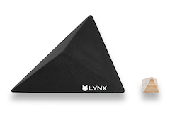 | L31 | 87x72x20 cm | L | 1 | 0 | 150.00 |  |  |  |  |  |  |  |  |  |  |  |  | € - | No | No
 |  | L32 | 87x72x20 cm | L | 1 | 0 | 150.00 |  |  |  |  |  |  |  |  |  |  |  |  | € - | No | No
 | 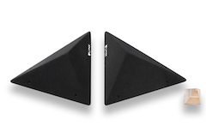 | L33 | 58x48x11cm x2 | M | 2 | 0 | 190.00 |  |  |  |  |  |  |  |  |  |  |  |  | € - | No | No
 | 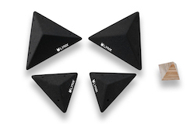 | L34 | 44x36x8cm x2, 25x23x6cm x2 | S | 4 | 0 | 230.00 |  |  |  |  |  |  |  |  |  |  |  |  | € - | No | No
 | high-s
 | 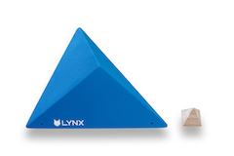 | L41 | 87x72x30 cm | L | 1 | 0 | 160.00 |  |  |  |  |  |  |  |  |  |  |  |  | € - | No | No
 | 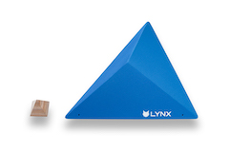 | L42 | 87x72x30 cm | L | 1 | 0 | 160.00 |  |  |  |  |  |  |  |  |  |  |  |  | € - | No | No
 |  | L43 | 58x48x20cm x2 | M | 2 | 0 | 195.00 |  |  |  |  |  |  |  |  |  |  |  |  | € - | No | No
 | 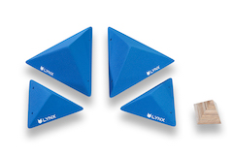 | L44 | 44x36x15cm x2, 25x23x9cm x2 | S | 4 | 0 | 240.00 |  |  |  |  |  |  |  |  |  |  |  |  | € - | No | No
 | canvas
 |  | L51 | 125x120x25 cm | L | 1 | 0 | 240.00 |  |  |  |  |  |  |  |  |  |  |  |  | € - | No | No
 | 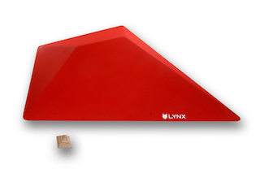 | L52 | 125x120x25 cm | L | 1 | 0 | 240.00 |  |  |  |  |  |  |  |  |  |  |  |  | € - | No | No
 | 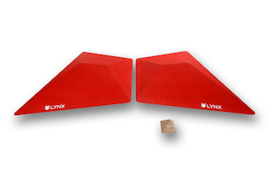 | L53 | 2x 100x80x13 cm | M | 2 | 0 | 260.00 |  |  |  |  |  |  |  |  |  |  |  |  | € - | No | No
 | 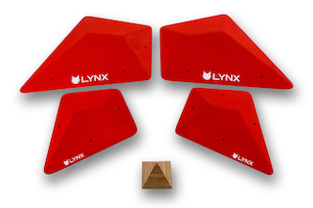 | L54 | 2x 59x48x7, 2x 38x31x4 cm | S | 4 | 0 | 310.00 |  |  |  |  |  |  |  |  |  |  |  |  | € - | No | No

LYNX grp
 |  |  |  |  |  |  |  |  | Sum Price without VAT | 0.00 | EUR
 |  |  |  |  |  |  |  |  | Sum SETS | 0
 |  |  |  |  |  |  |  |  | SUM kg | 0.00 | KG
 |  |  |  |  |  |  |  |  |  |  |  |  |  |  |  |  |  |  |  |  |  | SUM of pieces:
 |  |  |  |  |  |  |  |  | SUM pcs. | 0 | 0 | 0 | 0 | 0 | 0 | 0 | 0 | 0 | 0 | 0 | 0 | 0
 |  | # | notes | size | dimensions | Nr. of pcs. | T-nuts | Fixing | price without VAT | BLACK RAL 9005 | WHITE | RED RAL 3000 | YELLOW RAL 1018 | BLUE RAL 5015 | GREEN. RAL 6018 | ORANGE. RAL 1033 | PINK RAL 4003 | GREY. RAL 7001 | PURPLE S4050-R60B/M | MINT RAL6027 | DEEP ROSE RAL4008 | Sum | ordered | NEW
 | pentas |  |  |  |  |  |  |  |  |  |  |  |  |  |  |  |  |  |  |  |  |  | No
new | 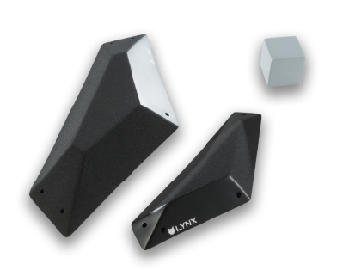 | L1-GRP | Dual. Tex. | M | 75x30,5x 8,5 cm, 51x19x6 cm | 2 | 0 | screw-ons | 230.00 |  |  |  |  |  |  |  |  |  |  |  |  | € - | No | Yes
new |  | L3-GRP | Dual. Tex. | L | 107x47,5x8 cm | 1 | 0 | screw-ons | 265.00 |  |  |  |  |  |  |  |  |  |  |  |  | € - | No | Yes
new |  | L4-GRP | Dual. Tex. | M | 63x25,5x12,5 cm, 45,5x15,5x7 cm | 2 | 0 | screw-ons | 270.00 |  |  |  |  |  |  |  |  |  |  |  |  | € - | No | Yes
new |  | L5-GRP | Dual. Tex. | L | 91x37x18 cm | 1 | 0 | screw-ons | 270.00 |  |  |  |  |  |  |  |  |  |  |  |  | € - | No | Yes
new |  | L6-GRP | Dual. Tex. | M | 52x20x6 cm, 51,5x21x6,5 cm | 2 | 0 | screw-ons | 290.00 |  |  |  |  |  |  |  |  |  |  |  |  | € - | No | Yes
new | 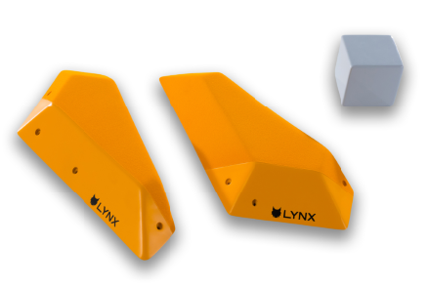 | L7-GRP | Dual. Tex. | M | 48,5x20x5,5 cm, 49x19,5x6 cm | 2 | 0 | screw-ons | 280.00 |  |  |  |  |  |  |  |  |  |  |  |  | € - | No | Yes
new |  | L8-GRP | Dual. Tex. | M | 51,5x20x6 cm | 1 | 0 | screw-ons | 170.00 |  |  |  |  |  |  |  |  |  |  |  |  | € - | No | Yes
new |  | L9-GRP | Dual. Tex. | M | 49x19x15 cm | 1 | 0 | screw-ons | 155.00 |  |  |  |  |  |  |  |  |  |  |  |  | € - | No | Yes
new |  | L10-GRP | Dual. Tex. | L | 75x30,5x10 cm | 1 | 0 | screw-ons | 210.00 |  |  |  |  |  |  |  |  |  |  |  |  | € - | No | Yes
new |  | L11-GRP |  | L | 73,5x32,5x11 cm | 1 | 0 | screw-ons | 180.00 |  |  |  |  |  |  |  |  |  |  |  |  | € - | No | Yes
new |  | L12-GRP | Dual. Tex. | L | 74,5x29x13,5 cm | 1 | 0 | screw-ons | 245.00 |  |  |  |  |  |  |  |  |  |  |  |  | € - | No | Yes
new | 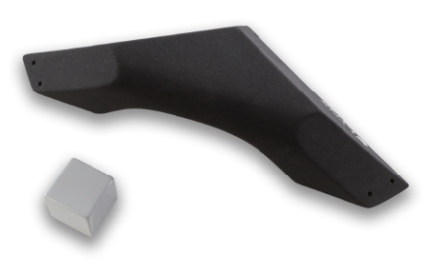 | L13-GRP |  | L | 91,5x38x16 cm | 1 | 0 | screw-ons | 230.00 |  |  |  |  |  |  |  |  |  |  |  |  | € - | No | Yes
new |  | L14-GRP | Dual. Tex. | XL | 138,5x68x18 cm | 1 | 0 | screw-ons | 310.00 |  |  |  |  |  |  |  |  |  |  |  |  | € - | No | Yes

