SIMPLvolumes

 |  |  |  |  |  |  |  | Sum Price without VAT | 0.00 | EUR
 |  |  |  |  |  |  |  | Sum Price with VAT | 0.00 | EUR
 |  |  |  |  |  |  |  | Sum SETS | 0
 |  |  |  |  |  |  |  | SUM kg | 0.00 | KG
 |  |  |  |  |  |  |  |  |  |  |  |  |  |  |  |  |  |  |  |  | SUM of pieces:
 |  |  |  |  |  |  |  | Sum volumes by colour: | 0 | 0 | 0 | 0 | 0 | 0 | 0 | 0 | 0 | 0 | 0 | 0 | 0
 | # |  | kg | Size |  | Nr. in set | Nr. of t-nuts | Price without VAT | BLACK RAL 9005 | WHITE | RED RAL 3000 | YELLOW RAL 1018 | BLUE RAL 5015 | GREEN RAL 6018 | ORANGE RAL 1033 | PINK RAL 4003 | GREY RAL 7001 | PURPLE S4050-R60B/M | MINT RAL6027 | DEEP ROSE RAL4008 | Sum | ordered | NEW
 |  |  |  |  |  |  |  | FLAT |  |  |  |  |  |  |  |  |  |  |  |  |  | no
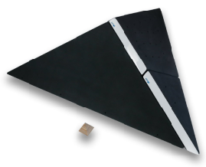 | 1K | NEW | 46 | 209x61 cm | xxl | 3 | 15 | 750.00 |  |  |  |  |  |  |  |  |  |  |  |  | € - | No | Yes
 | 1A |  | 1.65 | 18x6 cm | xs | 10 | 0 | 330.00 |  |  |  |  |  |  |  |  |  |  |  |  | € - | No | No
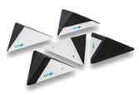 | 1B |  | 2.5 | 28x7 cm | s | 5 | 0 | 225.00 |  |  |  |  |  |  |  |  |  |  |  |  | € - | No | No
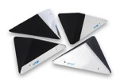 | 1C |  | 5.2 | 41x12 cm | m | 4 | 0 | 225.00 |  |  |  |  |  |  |  |  |  |  |  |  | € - | No | No
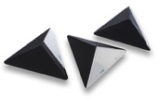 | 1D |  | 6.40 | 54x15 cm | m | 3 | 0 | 225.00 |  |  |  |  |  |  |  |  |  |  |  |  | € - | No | No
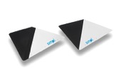 | 1E |  | 9.00 | 77x23 cm | l | 2 | 0 | 225.00 |  |  |  |  |  |  |  |  |  |  |  |  | € - | No | No
 | 1F |  | 9.10 | 107x28 cm | xl | 1 | 0 | 214.00 |  |  |  |  |  |  |  |  |  |  |  |  | € - | No | No
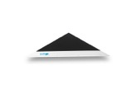 | 1G |  | 15.00 | 132x36 cm | xl | 1 | 0 | 240.00 |  |  |  |  |  |  |  |  |  |  |  |  | € - | No | No
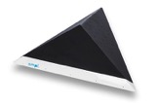 | 1H |  | 20.00 | 158x42 cm | xxl | 1 | 26 | 330.00 |  |  |  |  |  |  |  |  |  |  |  |  | € - | No | No
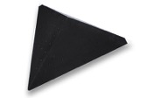 | 1I |  | 25.00 | 180x65 cm | xxl | 1 | 50 | 400.00 |  |  |  |  |  |  |  |  |  |  |  |  | € - | No | No
 |  |  |  |  |  |  |  | CLASSIC
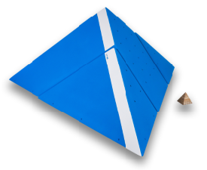 | 2H | NEW | 51.5 | 193x79 cm | xxl | 3 | 24 | 880.00 |  |  |  |  |  |  |  |  |  |  |  |  | € - | No | Yes
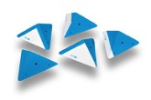 | 2A |  | 3.9 | 30x15 cm | s | 5 | 5 | 197.00 |  |  |  |  |  |  |  |  |  |  |  |  | € - | No | No
 | 2B |  | 7.2 | 42x22 cm | m | 4 | 8 | 197.00 |  |  |  |  |  |  |  |  |  |  |  |  | € - | No | No
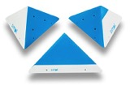 | 2C |  | 9.3 | 56x29 cm | m | 3 | 18 | 197.00 |  |  |  |  |  |  |  |  |  |  |  |  | € - | No | No
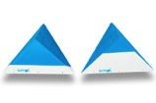 | 2D |  | 14.5 | 84x43 cm | l | 2 | 24 | 207.00 |  |  |  |  |  |  |  |  |  |  |  |  | € - | No | No
 | 2E |  | 11.5 | 112x50 cm | xl | 1 | 39 | 200.00 |  |  |  |  |  |  |  |  |  |  |  |  | € - | No | No
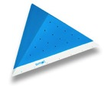 | 2F |  | 18 | 142x70 cm | xxl | 1 | 55 | 285.00 |  |  |  |  |  |  |  |  |  |  |  |  | € - | No | No
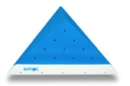 | 2G |  | 28 | 170x85 cm | xxl | 1 | 67 | 385.00 |  |  |  |  |  |  |  |  |  |  |  |  | € - | No | No
 |  |  |  |  |  |  |  | TRAPEZ
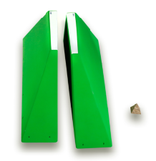 | 3R | NEW | 52 | 2x 193x63x50,5 cm | xxl | 2 | 0 | 700.00 |  |  |  |  |  |  |  |  |  |  |  |  | € - | No | Yes
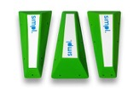 | 3A |  | 6.4 | 3x 63x27x12 cm | m | 3 | 0 | 308.00 |  |  |  |  |  |  |  |  |  |  |  |  | € - | No | No
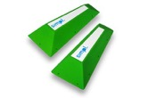 | 3B |  | 6.6 | 2x 72x34x17 cm | l | 2 | 0 | 214.00 |  |  |  |  |  |  |  |  |  |  |  |  | € - | No | No
 | 3C |  | 4.76 | 80x40x22 cm | l | 1 | 0 | 150.00 |  |  |  |  |  |  |  |  |  |  |  |  | € - | No | No
 | 3D |  | 6.5 | 89x45x26 cm | l | 1 | 0 | 170.00 |  |  |  |  |  |  |  |  |  |  |  |  | € - | No | No
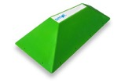 | 3E |  | 8.35 | 98x52x31 cm | l | 1 | 0 | 240.00 |  |  |  |  |  |  |  |  |  |  |  |  | € - | No | No
 | 3F |  | 11.1 | 108x58x36 cm | xl | 1 | 0 | 257.00 |  |  |  |  |  |  |  |  |  |  |  |  | € - | No | No
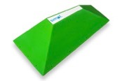 | 3G |  | 13 | 117x64x45 cm | xl | 1 | 0 | 278.00 |  |  |  |  |  |  |  |  |  |  |  |  | € - | No | No
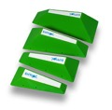 | 3H |  | 16.7 | 63x27x12 cm 72x34x17 cm 80x40x22 cm 89x45x26 cm | l | 4 | 0 | 514.00 |  |  |  |  |  |  |  |  |  |  |  |  | € - | No | No
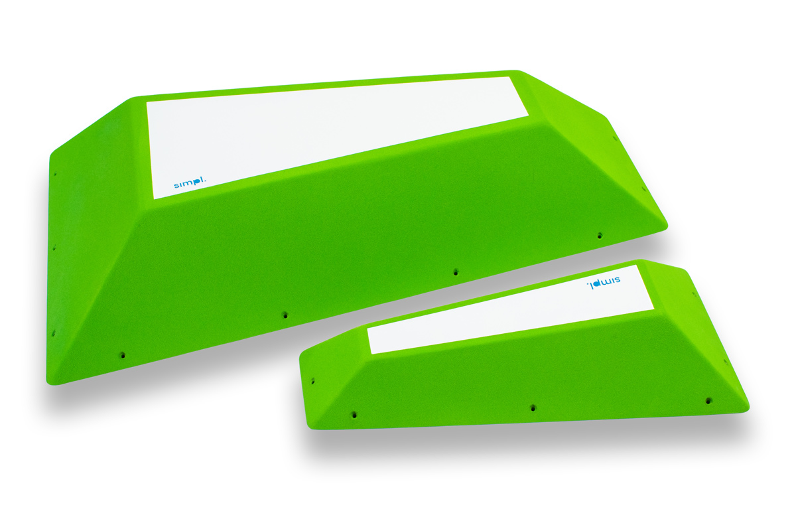 | 3I |  | 16 | 110x65x25 cm, 72x34x17 cm | xl | 2 | 0 | 430.00 |  |  |  |  |  |  |  |  |  |  |  |  | € - | No | No
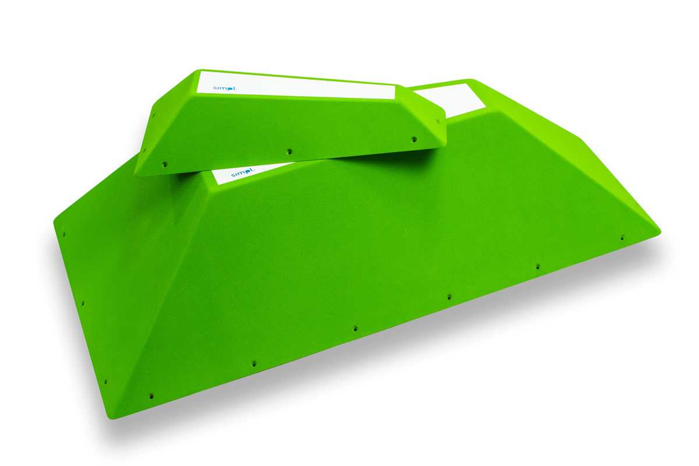 | 3J |  | 19 | 130x85x29 cm, 72x34x17 cm | xxl | 2 | 0 | 460.00 |  |  |  |  |  |  |  |  |  |  |  |  | € - | No | No
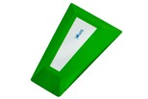 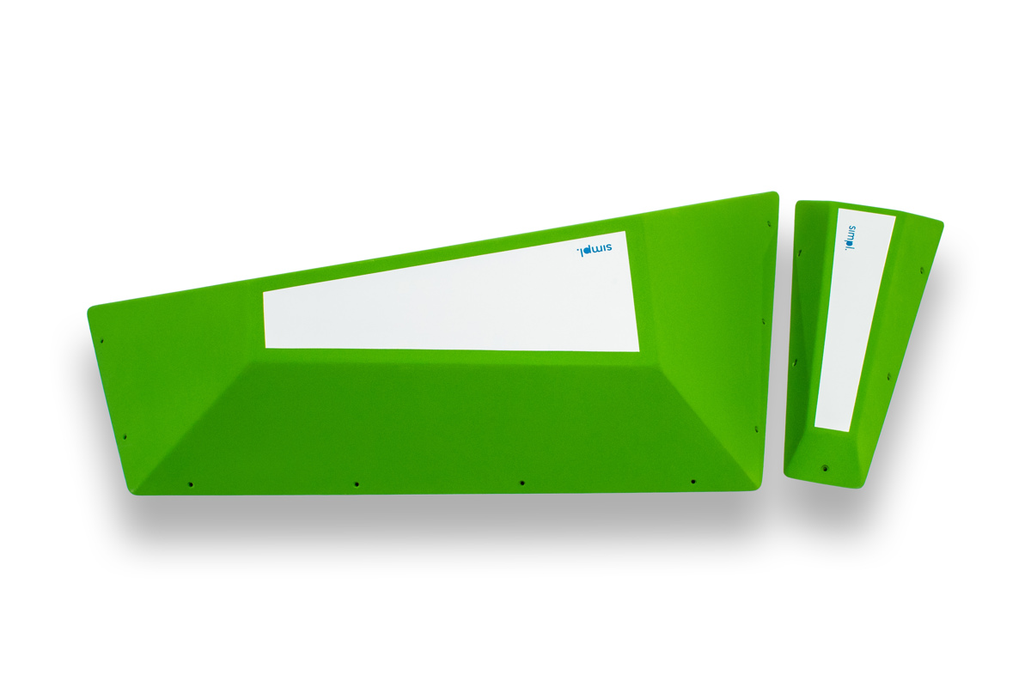 | 3K |  | 17 | 110x65x25 cm, 72x34x17 cm | xl | 2 | 0 | 450.00 |  |  |  |  |  |  |  |  |  |  |  |  | € - | No | No
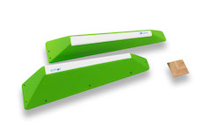 | 3L |  | 5.5 | 71x16x16 cm. x2 | m | 2 | 0 | 235.00 |  |  |  |  |  |  |  |  |  |  |  |  | € - | No | No
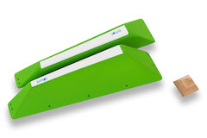 | 3M |  | 7.5 | 2x 80x19x19 cm | m | 2 | 0 | 300.00 |  |  |  |  |  |  |  |  |  |  |  |  | € - | No | No
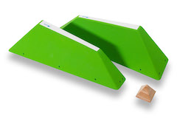 | 3N |  | 10 | 2x 88x21x24 cm | m | 2 | 0 | 350.00 |  |  |  |  |  |  |  |  |  |  |  |  | € - | No | No
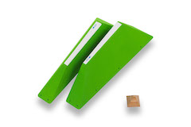 | 3O |  | 13.5 | 2x 97x24x28 cm | l | 2 | 0 | 470.00 |  |  |  |  |  |  |  |  |  |  |  |  | € - | No | No
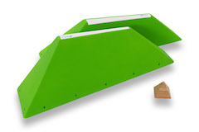 | 3P |  | 17 | 107x27x33 cm x2 | l | 2 | 0 | 505.00 |  |  |  |  |  |  |  |  |  |  |  |  | € - | No | No
 |  |  |  |  |  |  |  | PRISMS
 | 4O | NEW | 3.5 | 2x 32,5x28,5x 14 cm | s | 2 | 3 | 330.00 |  |  |  |  |  |  |  |  |  |  |  |  | € - | No | Yes
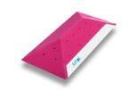 | 4A |  | 9.4 | 120x60x20 cm | xl | 1 | 22 | 257.00 |  |  |  |  |  |  |  |  |  |  |  |  | € - | No | No
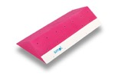 | 4B |  | 11.3 | 120x60x20 cm | xl | 1 | 28 | 257.00 |  |  |  |  |  |  |  |  |  |  |  |  | € - | No | No
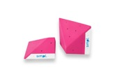 | 4C |  | 12 | 60x60x20 cm | m | 2 | 14 | 300.00 |  |  |  |  |  |  |  |  |  |  |  |  | € - | No | No
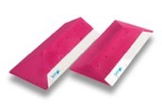 | 4D |  | 21 | 2x 120x60x20 cm | xl | 2 | 44 | 500.00 |  |  |  |  |  |  |  |  |  |  |  |  | € - | No | No
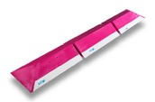 | 4E |  | 32.3 | 3x 120x60x20 cm | xl | 3 | 72 | 750.00 |  |  |  |  |  |  |  |  |  |  |  |  | € - | No | No
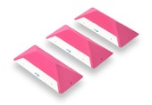 | 4F |  | 4.5 | 55x24x12 cm | m | 3 | 0 | 285.00 |  |  |  |  |  |  |  |  |  |  |  |  | € - | No | No
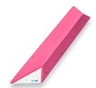 | 4G |  | 3.1 | 118x24x9 cm | l | 1 | 0 | 185.00 |  |  |  |  |  |  |  |  |  |  |  |  | € - | No | No
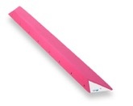 | 4H |  | 6.2 | 187x24x9 cm | xl | 1 | 0 | 255.00 |  |  |  |  |  |  |  |  |  |  |  |  | € - | No | No
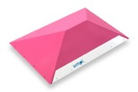 | 4I |  | 16 | 121x86x31 cm | xl | 1 | 0 | 355.00 |  |  |  |  |  |  |  |  |  |  |  |  | € - | No | No
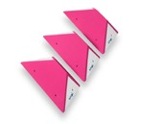 | 4M |  | 7 | 55x24x9 cm | m | 3 | 0 | 308.00 |  |  |  |  |  |  |  |  |  |  |  |  | € - | No | No
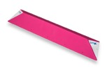 | 4N |  | 10 | 187x34x9 cm | xxl | 1 | 0 | 325.00 |  |  |  |  |  |  |  |  |  |  |  |  | € - | No | No
 |  |  |  |  |  |  |  | INCUT
 | 5L | NEW | 5 | 75x22 cm | l | 1 | 0 | 150.00 |  |  |  |  |  |  |  |  |  |  |  |  | € - | No | Yes
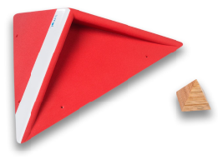 | 5M | NEW | 5.6 | 77x23 cm | l | 1 | 0 | 160.00 |  |  |  |  |  |  |  |  |  |  |  |  | € - | No | Yes
 | 5N_ | NEW | 1.15 | 36,5x12 cm | m | 1 | 0 | 100.00 |  |  |  |  |  |  |  |  |  |  |  |  | € - | No | Yes
 | 5O | NEW | 1.25 | 37x12 cm | m | 1 | 0 | 100.00 |  |  |  |  |  |  |  |  |  |  |  |  | € - | No | Yes
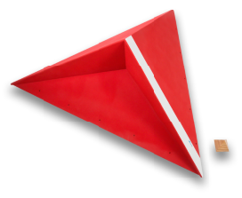 | 5J | NEW | 26 | 175x50 cm | xxl | 1 | 0 | 480.00 |  |  |  |  |  |  |  |  |  |  |  |  | € - | No | Yes
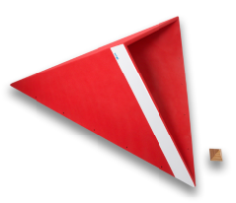 | 5K | NEW | 30 | 175x55 cm | xxl | 1 | 0 | 480.00 |  |  |  |  |  |  |  |  |  |  |  |  | € - | No | Yes
 | 5A |  | 2.17 | 55X10 cm | m | 1 | 0 | 100.00 |  |  |  |  |  |  |  |  |  |  |  |  | € - | No | No
 | 5B |  | 4.5 | 78x12 cm | l | 1 | 0 | 125.00 |  |  |  |  |  |  |  |  |  |  |  |  | € - | No | No
 | 5C |  | 7.5 | 107x16 cm | xl | 1 | 9 | 180.00 |  |  |  |  |  |  |  |  |  |  |  |  | € - | No | No
 | 5D |  | 11 | 130x20 cm | xl | 1 | 15 | 255.00 |  |  |  |  |  |  |  |  |  |  |  |  | € - | No | No
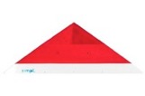 | 5E |  | 17.5 | 157x23 cm | xxl | 1 | 15 | 340.00 |  |  |  |  |  |  |  |  |  |  |  |  | € - | No | No
 | 5F |  | 7 | 95x18 cm | l | 1 | 0 | 207.00 |  |  |  |  |  |  |  |  |  |  |  |  | € - | No | No
 | 5G |  | 10 | 128x25 cm | xl | 1 | 0 | 310.00 |  |  |  |  |  |  |  |  |  |  |  |  | € - | No | No
 | 5H |  | 10 | 128x25 cm | xl | 1 | 0 | 310.00 |  |  |  |  |  |  |  |  |  |  |  |  | € - | No | No
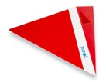 | 5I |  | 10 | 128x25 cm | xl | 1 | 0 | 310.00 |  |  |  |  |  |  |  |  |  |  |  |  | € - | No | No
 |  |  |  |  |  |  |  | WANNABES
 | 6L | NEW | 4.33 | 3x 57,5x14,5x4,5 cm | m | 3 | 0 | 150.00 |  |  |  |  |  |  |  |  |  |  |  |  | € - | No | Yes
 | 6M | NEW | 4.9 | 2x 112,5x14,5x4,5 cm | l | 2 | 0 | 120.00 |  |  |  |  |  |  |  |  |  |  |  |  | € - | No | Yes
 | 6A |  | 2.5 | 26x9 cm 36x9 cm 49x9 cm 69x9 cm 114x9 cm | xs-l | 5 | 0 | 130.00 |  |  |  |  |  |  |  |  |  |  |  |  | € - | No | No
 | 6B |  | 1.5 | 57x6x2 cm | s | 6 | 0 | 130.00 |  |  |  |  |  |  |  |  |  |  |  |  | € - | No | No
 | 6C |  | 1 | 26x6x2 cm | xs | 8 | 0 | 140.00 |  |  |  |  |  |  |  |  |  |  |  |  | € - | No | No
 | 6J |  | 0.8 | 26x6x1,2 cm | xs | 8 | 0 | 140.00 |  |  |  |  |  |  |  |  |  |  |  |  | € - | No | No
 | 6D |  | 1.7 | 26x9x2 cm | xs | 8 | 0 | 140.00 |  |  |  |  |  |  |  |  |  |  |  |  | € - | No | No
 | 6E |  | 3.2 | 30x11x4,5 cm | s | 8 | 0 | 140.00 |  |  |  |  |  |  |  |  |  |  |  |  | € - | No | No
 | 6F |  | 2.7 | 29x19x2 cm | s | 8 | 0 | 130.00 |  |  |  |  |  |  |  |  |  |  |  |  | € - | No | No
 | 6G |  | 3.5 | 28x19x4,5 cm | s | 8 | 0 | 130.00 |  |  |  |  |  |  |  |  |  |  |  |  | € - | No | No
 | 6H |  | 8.7 | 19x6 cm 25x2 cm 30x2 cm 44x4 cm 57x4 cm 71x4 cm | xs-l | 6 | 0 | 185.00 |  |  |  |  |  |  |  |  |  |  |  |  | € - | No | No
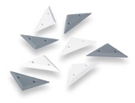 | 6I |  | 0.7 | 18x6x1,2 cm | xs | 8 | 0 | 140.00 |  |  |  |  |  |  |  |  |  |  |  |  | € - | No | No
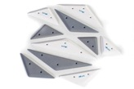 | 6K |  | 1 | 2x 30,5x6,5x1,2 cm 24x6,5x1,2 cm 19x6,5x1,2 cm 15,5x6,5x1,2 cm 12,5x6,5x1,2 cm | xs | 10 | 0 | 185.00 |  |  |  |  |  |  |  |  |  |  |  |  | € - | No | No
 |  |  |  |  |  |  |  | SQUARES
 | 7S | NEW | 13 | 2x 115x115x45 cm | xl | 2 | 26 | 460.00 |  |  |  |  |  |  |  |  |  |  |  |  | € - | No | Yes
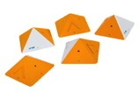 | 7A |  | 12 | 30x15 cm | s | 5 | 10 | 250.00 |  |  |  |  |  |  |  |  |  |  |  |  | € - | No | No
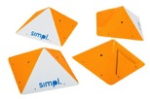 | 7B |  | 12 | 40x19 cm | m | 4 | 8 | 250.00 |  |  |  |  |  |  |  |  |  |  |  |  | € - | No | No
 | 7C |  | 14 | 50x25 cm | m | 3 | 6 | 250.00 |  |  |  |  |  |  |  |  |  |  |  |  | € - | No | No
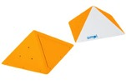 | 7D |  | 16 | 70x40 cm | l | 2 | 12 | 260.00 |  |  |  |  |  |  |  |  |  |  |  |  | € - | No | No
 | 7E |  | 14 | 90x60 cm | l | 1 | 6 | 260.00 |  |  |  |  |  |  |  |  |  |  |  |  | € - | No | No
 | 7F |  | 18 | 120x85 cm | xl | 1 | 20 | 350.00 |  |  |  |  |  |  |  |  |  |  |  |  | € - | No | No
 | 7G |  | 10.1 | 50x50x8 cm 50x50x17 cm | m | 2 | 0 | 237.70 |  |  |  |  |  |  |  |  |  |  |  |  | € - | No | No
 | 7H |  | 10.7 | 50x50x12 cm 50x50x20 cm | m | 2 | 0 | 237.70 |  |  |  |  |  |  |  |  |  |  |  |  | € - | No | No
 | 7I |  | 4 | 17x17x10 cm 23x23x15 cm 30x30x20 cm 37x37x24 cm | xs-m | 4 | 0 | 285.00 |  |  |  |  |  |  |  |  |  |  |  |  | € - | No | No
 | 7J |  | 12 | 50x50x8 cm 50x50x20 cm 37x37x24 cm 17x17x10 cm | xs-m | 4 | 0 | 360.00 |  |  |  |  |  |  |  |  |  |  |  |  | € - | No | No
 | 7K |  | 12 | 50x50x17 cm 50x50x12 cm 30x30x20 cm 22x22x14 cm | s-m | 4 | 0 | 360.00 |  |  |  |  |  |  |  |  |  |  |  |  | € - | No | No
 | 7L |  | 19 | 120x120x57 cm 40x40x20 cm | m-xl | 2 | 0 | 410.00 |  |  |  |  |  |  |  |  |  |  |  |  | € - | No | No
 | 7M |  | 4 | 2x 23x23x18 cm | s | 2 | 6 | 160.00 |  |  |  |  |  |  |  |  |  |  |  |  | € - | No | No
 | 7N |  | 4.9 | 35x35x36 cm | s | 1 | 8 | 110.00 |  |  |  |  |  |  |  |  |  |  |  |  | € - | No | No
 | 7O |  | 9.6 | 50x50x53 cm | m | 1 | 12 | 160.00 |  |  |  |  |  |  |  |  |  |  |  |  | € - | No | No
 | 7P |  | 15 | 64x64x70 cm | m | 1 | 14 | 220.00 |  |  |  |  |  |  |  |  |  |  |  |  | € - | No | No
 | 7R |  | 22 | 80x80x87 cm | l | 1 | 18 | 360.00 |  |  |  |  |  |  |  |  |  |  |  |  | € - | No | No
 |  |  |  |  |  |  |  | WHEELS
 | 8L | NEW | 6 | 60x20x12 cm | m | 1 | 0 | 120.00 |  |  |  |  |  |  |  |  |  |  |  |  | € - | No | Yes
 | 8A |  | 2 | 60x15x4 cm | m | 1 | 0 | 78.00 |  |  |  |  |  |  |  |  |  |  |  |  | € - | No | No
 | 8B |  | 2.5 | 60x25x4 cm | m | 1 | 0 | 85.00 |  |  |  |  |  |  |  |  |  |  |  |  | € - | No | No
 | 8C |  | 3.5 | 60x35x4 cm | m | 1 | 0 | 100.00 |  |  |  |  |  |  |  |  |  |  |  |  | € - | No | No
 | 8D |  | 5 | 60x45x4 cm | m | 1 | 0 | 105.00 |  |  |  |  |  |  |  |  |  |  |  |  | € - | No | No
 | 8E |  | 4.5 | 120x30x4 cm | l | 1 | 0 | 125.00 |  |  |  |  |  |  |  |  |  |  |  |  | € - | No | No
 | 8F |  | 1.3 | 2x 25x8x8 cm | s | 2 | 0 | 165.00 |  |  |  |  |  |  |  |  |  |  |  |  | € - | No | No
 | 8G |  | 1.8 | 2x 40x8x8 cm | m | 2 | 0 | 185.00 |  |  |  |  |  |  |  |  |  |  |  |  | € - | No | No
 | 8H |  | 5.2 | 2x 88x8x11 cm | l | 2 | 0 | 250.00 |  |  |  |  |  |  |  |  |  |  |  |  | € - | No | No
 | 8I |  | 1.5 | 2x 25x8x11 cm | s | 2 | 0 | 170.00 |  |  |  |  |  |  |  |  |  |  |  |  | € - | No | No
 | 8J |  | 2.8 | 2x 46x8x11 cm | m | 2 | 0 | 185.00 |  |  |  |  |  |  |  |  |  |  |  |  | € - | No | No
 | 8K |  | 4.7 | 2x 53x8x16 cm | m | 2 | 0 | 215.00 |  |  |  |  |  |  |  |  |  |  |  |  | € - | No | No
 |  |  |  |  |  |  |  | DUCKS
 | 9O | NEW | 10.7 | 4x 74x29x19 cm | l | 4 | 0 | 360.00 |  |  |  |  |  |  |  |  |  |  |  |  | € - | No | Yes
 | 9A |  | 3.2 | 23x29x19 cm | s | 4 | 0 | 240.00 |  |  |  |  |  |  |  |  |  |  |  |  | € - | No | No
 | 9B |  | 5.4 | 40x29x19 cm | m | 4 | 0 | 275.00 |  |  |  |  |  |  |  |  |  |  |  |  | € - | No | No
 | 9C |  | 6 | 58x29x19 cm | m | 3 | 0 | 275.00 |  |  |  |  |  |  |  |  |  |  |  |  | € - | No | No
 | 9D |  | 7.2 | 75x29x19 cm | l | 3 | 0 | 275.00 |  |  |  |  |  |  |  |  |  |  |  |  | € - | No | No
 | 9E |  | 6.4 | 95x29x19 cm | l | 2 | 0 | 300.00 |  |  |  |  |  |  |  |  |  |  |  |  | € - | No | No
 | 9F |  | 7.4 | 110x29x19 cm | l | 2 | 0 | 340.00 |  |  |  |  |  |  |  |  |  |  |  |  | € - | No | No
 | 9G |  | 7.5 | 61x61x32x20 cm 58x29x19 cm | m | 2 | 0 | 255.00 |  |  |  |  |  |  |  |  |  |  |  |  | € - | No | No
 | 9H |  | 2.7 | 25,5x18,5x12 cm | s | 4 | 0 | 240.00 |  |  |  |  |  |  |  |  |  |  |  |  | € - | No | No
 | 9I |  | 2.75 | 37x18,5x12 cm | s | 3 | 0 | 215.00 |  |  |  |  |  |  |  |  |  |  |  |  | € - | No | No
 | 9J |  | 5.35 | 47,5x18,5x12 cm 52x42x13 cm | m | 3 | 0 | 325.00 |  |  |  |  |  |  |  |  |  |  |  |  | € - | No | No
 | 9K |  | 16.15 | 108x41x27 cm | xl | 3 | 0 | 480.00 |  |  |  |  |  |  |  |  |  |  |  |  | € - | No | No
 | 9L |  | 13.04 | 134x41x27 cm | xl | 2 | 0 | 420.00 |  |  |  |  |  |  |  |  |  |  |  |  | € - | No | No
 | 9M |  | 15.38 | 161x41x27 cm | xxl | 2 | 0 | 495.00 |  |  |  |  |  |  |  |  |  |  |  |  | € - | No | No
 | 9N |  | 18.01 | 168x85x44x27,5 cm | xxl | 1 | 0 | 550.00 |  |  |  |  |  |  |  |  |  |  |  |  | € - | No | No
 |  |  |  |  |  |  |  | HUGE-ies
 | 10F | NEW | 87.1 | 158x297x40 cm | mega | 3 | 24 | 1350.00 |  |  |  |  |  |  |  |  |  |  |  |  | € - | No | Yes
 | 10G | NEW | 87.1 | 158x297x40 cm | mega | 3 | 24 | 1350.00 |  |  |  |  |  |  |  |  |  |  |  |  | € - | No | Yes
 | 10A |  | 34.3 | 197x140x56 cm | xxxl | 1 | 41 | 672.14 |  |  |  |  |  |  |  |  |  |  |  |  | € - | No | No
 | 10B |  | 21.5 | 152x127x56 cm | xxl | 1 | 22 | 395.00 |  |  |  |  |  |  |  |  |  |  |  |  | € - | No | No
 | 10C |  | 15 | 200x90x40 cm | xxl | 1 | 13 | 320.00 |  |  |  |  |  |  |  |  |  |  |  |  | € - | No | No
 | 10D |  | 42.99 | 145x117x60 cm | xxl | 1 | 25 | 450.00 |  |  |  |  |  |  |  |  |  |  |  |  | € - | No | No
 | 10E |  | 29.45 | 200x120x85 cm | xxxl | 1 | 30 | 590.00 |  |  |  |  |  |  |  |  |  |  |  |  | € - | No | No
 |  |  |  |  |  |  |  | BOWS
 | 11A | NEW | 2.4 | 32x16x6 cm | s | 4 | 0 | 300.00 |  |  |  |  |  |  |  |  |  |  |  |  | € - | No | Yes
 | 11B | NEW | 4.6 | 60x29x10 cm, 70x29x10 cm | m | 2 | 0 | 270.00 |  |  |  |  |  |  |  |  |  |  |  |  | € - | No | Yes
 | 11C | NEW | 7.6 | 80x30x16 cm, 90x30x16 cm | l | 2 | 0 | 300.00 |  |  |  |  |  |  |  |  |  |  |  |  | € - | No | Yes
 | 11D | NEW | 7 | 100x30x18 cm | l | 1 | 0 | 200.00 |  |  |  |  |  |  |  |  |  |  |  |  | € - | No | Yes
 | 11E | NEW | 9.7 | 120x60x19 cm | xl | 1 | 0 | 220.00 |  |  |  |  |  |  |  |  |  |  |  |  | € - | No | Yes
 | 11F | NEW | 7.31 | 109x64x20 cm | xl | 1 | 0 | 220.00 |  |  |  |  |  |  |  |  |  |  |  |  | € - | No | Yes
 | 11G | NEW | 1.77 | 67x20x12 cm | m | 1 | 0 | 100.00 |  |  |  |  |  |  |  |  |  |  |  |  | € - | No | Yes

