LYNX GRP
 |  |  |  |  |  |  |  |  |  | Sum price without VAT | 0.00 | EUR |  | SCREW-ON ORDER TOTAL |  |  | BOLT-ON ORDER TOTAL
 |  |  |  |  |  |  |  |  |  | Sum SETS | 0 |  |  | 50mm | 70mm | longer | 30mm | 40mm | 50mm | 70mm | 90mm | 100mm | 120mm | 140mm | 160mm | 180mm | 200mm | 100mm | 120mm | 140mm | 160mm | 180mm | 200mm
 |  |  |  |  |  |  |  |  |  | SUM | 0.00 | kg |  | 0 | 0 | 0

 |  |  |  |  |  |  |  |  |  |  |  |  |  |  |  |  |  |  |  |  |  |  |  |  | SUM of pieces:
 |  |  |  |  |  |  |  |  |  | Sum pcs. by colour: | 0 | 0 | 0 | 0 | 0 | 0 | 0 | 0 | 0 | 0 | 0 | 0 | 0 | 0 | 0 |  |  |  | SUM: | 0
NEW |  | ID | NOTES | TYPE | SIZE | DIMENSIONS | PCS. IN SET | T-NUTS | FIXING | PRICE WITHOUT VAT | BLACK RAL 9005 | WHITE | RED RAL 3000 | YELLOW RAL 1018 | BLUE RAL 5015 | GREEN RAL 6018 | ORANGE RAL 1033 | DEEP ORANGE RAL 2011 | PINK RAL 4003 | GREY RAL 7001 | PURPLE S4050-R60B/M | MINT RAL6027 | DEEP ROSE RAL4008 | BLACK with MATT DUAL TEX. | SUM | ordered | NEW |  | Production quota pet set | Ordered production quota
 |  |  |  |  |  |  |  |  |  | PENTAS |  |  |  |  |  |  |  |  |  |  |  |  |  |  |  | No
NEW | 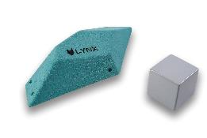 | L2-GRP |  | ledge | L | 53x20,5x11 cm | 1 | 0 | screw-ons | 168.00 |  |  |  |  |  |  |  |  |  |  |  |  |  | not available | € - | No | Yes |  | 1 | 0
NEW | 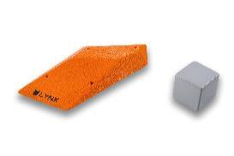 | L15-GRP |  | sloper | L | 51x25x4,5 cm | 1 | 0 | screw-ons | 170.00 |  |  |  |  |  |  |  |  |  |  |  |  |  | not available | € - | No | Yes |  | 1 | 0
NEW | 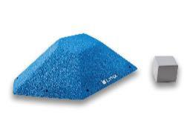 | L16-GRP |  | ledge | L | 65,5x37x15 cm | 1 | 0 | screw-ons | 193.00 |  |  |  |  |  |  |  |  |  |  |  |  |  | not available | € - | No | Yes |  | 1 | 0
 | 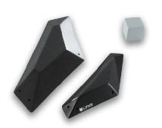 | L1-GRP-DT | Dual. Tex. | sloper | L | 75x30,5x 8,5 cm, 51x19x6 cm | 2 | 0 | screw-ons | 243.80 |  |  |  |  |  |  |  |  |  |  |  |  |  |  | € - | No | No |  | 2 | 0
 |  | L3-GRP-DT | Dual. Tex. | sloper | XL | 107x47,5x8 cm | 1 | 0 | screw-ons | 280.90 |  |  |  |  |  |  |  |  |  |  |  |  |  |  | € - | No | No |  | 1 | 0
 |  | L4-GRP-DT | Dual. Tex. | sloper | M, L | 63x25,5x12,5 cm, 45,5x15,5x7 cm | 2 | 0 | screw-ons | 286.20 |  |  |  |  |  |  |  |  |  |  |  |  |  |  | € - | No | No |  | 2 | 0
 |  | L5-GRP-DT | Dual. Tex. | sloper | XL | 91x37x18 cm | 1 | 0 | screw-ons | 286.20 |  |  |  |  |  |  |  |  |  |  |  |  |  |  | € - | No | No |  | 1 | 0
 |  | L6-GRP-DT | Dual. Tex. | edge | L | 52x20x6 cm, 51,5x21x6,5 cm | 2 | 0 | screw-ons | 307.40 |  |  |  |  |  |  |  |  |  |  |  |  |  |  | € - | No | No |  | 2 | 0
 | 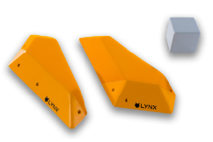 | L7-GRP-DT | Dual. Tex. | positive | M | 48,5x20x5,5 cm, 49x19,5x6 cm | 2 | 0 | screw-ons | 296.80 |  |  |  |  |  |  |  |  |  |  |  |  |  |  | € - | No | No |  | 2 | 0
 |  | L8-GRP-DT | Dual. Tex. | positive | L | 51,5x20x6 cm | 1 | 0 | screw-ons | 180.20 |  |  |  |  |  |  |  |  |  |  |  |  |  |  | € - | No | No |  | 1 | 0
 |  | L9-GRP-DT | Dual. Tex. | ledge | M | 49x19x15 cm | 1 | 0 | screw-ons | 164.30 |  |  |  |  |  |  |  |  |  |  |  |  |  |  | € - | No | No |  | 1 | 0
 |  | L10-GRP-DT | Dual. Tex. | sloper | L | 75x30,5x10 cm | 1 | 0 | screw-ons | 222.60 |  |  |  |  |  |  |  |  |  |  |  |  |  |  | € - | No | No |  | 1 | 0
 |  | L11-GRP |  | sloper | L | 73,5x32,5x11 cm | 1 | 0 | screw-ons | 190.80 |  |  |  |  |  |  |  |  |  |  |  |  |  | not available | € - | No | No |  | 1 | 0
 |  | L12-GRP-DT | Dual. Tex. | jug | L | 74,5x29x13,5 cm | 1 | 0 | screw-ons | 259.70 |  |  |  |  |  |  |  |  |  |  |  |  |  |  | € - | No | No |  | 1 | 0
 | 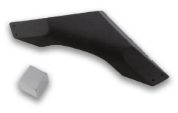 | L13-GRP |  | jug | XL | 91,5x38x16 cm | 1 | 0 | screw-ons | 243.80 |  |  |  |  |  |  |  |  |  |  |  |  |  | not available | € - | No | No |  | 1 | 0
 |  | L14-GRP-DT | Dual. Tex. | sloper | 2XL | 138,5x68x18 cm | 1 | 0 | screw-ons | 328.60 |  |  |  |  |  |  |  |  |  |  |  |  |  |  | € - | No | No |  | 2 | 0

LYNX PLYWOOD
 |  |  |  |  |  |  |  |  |  | Sum price without VAT | 0.00 | EUR |  | SCREW-ON ORDER TOTAL
 |  |  |  |  |  |  |  |  |  | Sum SETS | 0 |  |  | 50mm | 70mm | longer
 |  |  |  |  |  |  |  |  |  | SUM | 0.00 | kg |  | 0 | 0 | 0

 |  |  |  |  |  |  |  |  |  |  |  |  |  |  |  |  |  |  |  |  |  |  |  | SUM of pcs.
 |  |  |  |  |  |  |  |  |  | Sum pcs. by colour: | 0 | 0 | 0 | 0 | 0 | 0 | 0 | 0 | 0 | 0 | 0 | 0 | 0 | 0 |  |  | SUM: | 0
 |  | ID | CNC ID | TYPE | DIMENSIONS | SIZE | PCS. IN SET | T-NUTS | FIXING | PRICE WITHOUT VAT | BLACK RAL 9005 | WHITE | RED RAL 3000 | YELLOW RAL 1018 | BLUE RAL 5015 | GREEN. RAL 6018 | ORANGE. RAL 1033 | DEEP ORANGE RAL 2011 | PINK RAL 4003 | GREY. RAL 7001 | PURPLE S4050-R60B/M | MINT RAL6027 | DEEP ROSE RAL4008 | SUM | ordered | NEW | Production quota pet set | Ordered production quota
 |  |  |  |  |  |  |  |  |  | PERFORMERS
NEW | 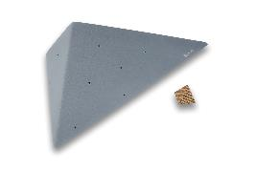 | L101-W |  | ledge | 130x70x25 cm | 2XL | 1 | 7 | screw-ons | 250.00 |  |  |  |  |  |  |  |  |  |  |  |  |  | € - | No | Yes | 1 | 0
NEW | 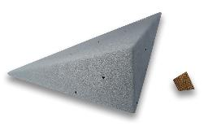 | L102-W |  | ledge | 130x70x25 cm | 2XL | 1 | 7 | screw-ons | 250.00 |  |  |  |  |  |  |  |  |  |  |  |  |  | € - | No | Yes | 1 | 0
NEW | 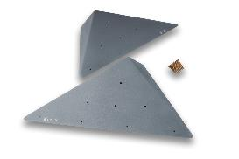 | L103-W |  | ledge | 2x 119x66x24 cm | XL | 2 | 14 | screw-ons | 460.00 |  |  |  |  |  |  |  |  |  |  |  |  |  | € - | No | Yes | 2 | 0
NEW | 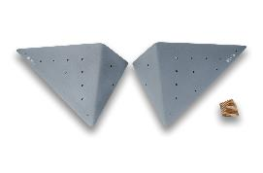 | L104-W |  | ledge | 2x 93x50x19 cm | XL | 2 | 22 | screw-ons | 310.00 |  |  |  |  |  |  |  |  |  |  |  |  |  | € - | No | Yes | 2 | 0
NEW | 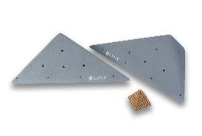 | L105-W |  | ledge | 2x 70x39x14 cm | L | 2 | 12 | screw-ons | 290.00 |  |  |  |  |  |  |  |  |  |  |  |  |  | € - | No | Yes | 2 | 0
NEW | 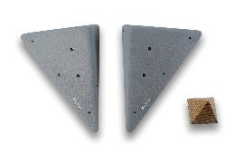 | L106-W |  | ledge | 2x 50x28x10 cm | M | 2 | 6 | screw-ons | 260.00 |  |  |  |  |  |  |  |  |  |  |  |  |  | € - | No | Yes | 2 | 0
 |  |  |  |  |  |  |  |  |  | DRIFTERS
NEW | 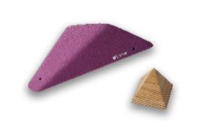 | L121-W |  | ledge | 42x19x10 cm | M | 1 |  | screw-ons | 135.00 |  |  |  |  |  |  |  |  |  |  |  |  |  | € - | No | Yes | 1 | 0
NEW | 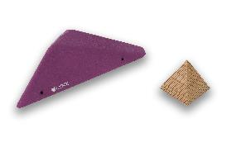 | L122-W |  | ledge | 42x19x10 cm | M | 1 |  | screw-ons | 135.00 |  |  |  |  |  |  |  |  |  |  |  |  |  | € - | No | Yes | 1 | 0
NEW | 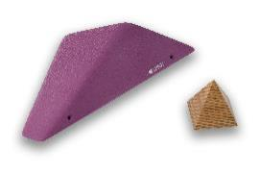 | L123-W |  | ledge | 51x23x13 cm | L | 1 |  | screw-ons | 150.00 |  |  |  |  |  |  |  |  |  |  |  |  |  | € - | No | Yes | 1 | 0
NEW | 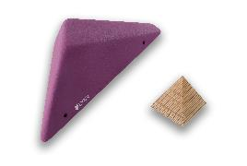 | L124-W |  | ledge | 51x23x13 cm | L | 1 |  | screw-ons | 150.00 |  |  |  |  |  |  |  |  |  |  |  |  |  | € - | No | Yes | 1 | 0
NEW | 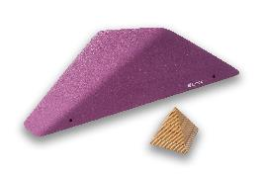 | L125-W |  | ledge | 66x29x17 cm | L | 1 |  | screw-ons | 155.00 |  |  |  |  |  |  |  |  |  |  |  |  |  | € - | No | Yes | 1 | 0
NEW | 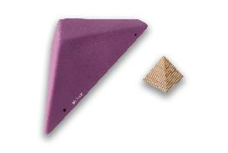 | L126-W |  | ledge | 66x29x17 cm | L | 1 |  | screw-ons | 155.00 |  |  |  |  |  |  |  |  |  |  |  |  |  | € - | No | Yes | 1 | 0
NEW | 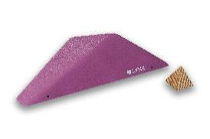 | L127-W |  | ledge | 78x34x20 cm | L | 1 |  | screw-ons | 160.00 |  |  |  |  |  |  |  |  |  |  |  |  |  | € - | No | Yes | 1 | 0
NEW | 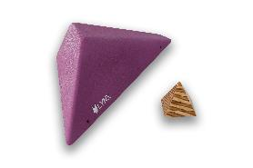 | L128-W |  | ledge | 78x34x20 cm | L | 1 |  | screw-ons | 160.00 |  |  |  |  |  |  |  |  |  |  |  |  |  | € - | No | Yes | 1 | 0
NEW | 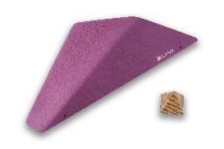 | L129-W |  | ledge | 91x40x23 cm | XL | 1 |  | screw-ons | 190.00 |  |  |  |  |  |  |  |  |  |  |  |  |  | € - | No | Yes | 1 | 0
NEW | 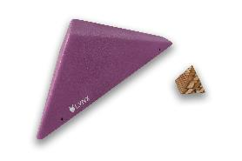 | L130-W |  | ledge | 91x40x23 cm | XL | 1 |  | screw-ons | 190.00 |  |  |  |  |  |  |  |  |  |  |  |  |  | € - | No | Yes | 1 | 0
NEW | 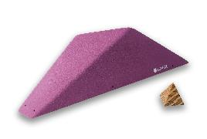 | L131-W |  | ledge | 103x46x27 cm | XL | 1 |  | screw-ons | 210.00 |  |  |  |  |  |  |  |  |  |  |  |  |  | € - | No | Yes | 1 | 0
NEW | 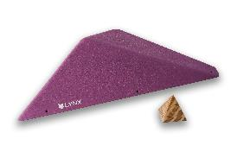 | L132-W |  | ledge | 103x46x27 cm | XL | 1 |  | screw-ons | 210.00 |  |  |  |  |  |  |  |  |  |  |  |  |  | € - | No | Yes | 1 | 0
 |  |  |  |  |  |  |  |  |  | RAMPS
 |  | L1-W | 21 | arete | 118x40x10 cm | XL | 1 | 0 | screw-ons | 185.50 |  |  |  |  |  |  |  |  |  |  |  |  |  | € - | No | No | 1 | 0
 | 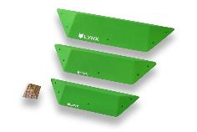 | L2-W | 22, 23, 24 | arete | 93x32x8 cm, 74x25x6 cm, 60x21x4 cm | L-XL | 3 | 0 | screw-ons | 307.40 |  |  |  |  |  |  |  |  |  |  |  |  |  | € - | No | No | 3 | 0
 |  |  |  |  |  |  |  |  |  | KITES
 | 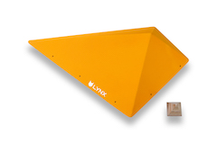 | L11-W | 33 | pyramid | 120x70x25 cm | XL | 1 | 0 | screw-ons | 222.60 |  |  |  |  |  |  |  |  |  |  |  |  |  | € - | No | No | 1 | 0
 | 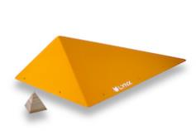 | L12-W | 37 | pyramid | 120x70x25 cm | XL | 1 | 0 | screw-ons | 222.60 |  |  |  |  |  |  |  |  |  |  |  |  |  | € - | No | No | 1 | 0
 | 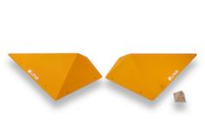 | L13-W | 38, 34 | pyramid | 2x 95x60x20 cm | XL | 2 | 0 | screw-ons | 265.00 |  |  |  |  |  |  |  |  |  |  |  |  |  | € - | No | No | 2 | 0
 |  | L14-W | 39, 35, 40, 36 | pyramid | 2x 70x50x15 cm, 2x 50x30x10 cm | M, L | 4 | 0 | screw-ons | 392.20 |  |  |  |  |  |  |  |  |  |  |  |  |  | € - | No | No | 4 | 0
 | 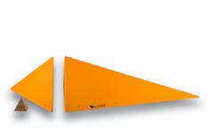 | L15-W |  | feature | 147x108x36 cm, 108x45x36 cm | XL, 2XL | 2 | 0 | screw-ons | 519.40 |  |  |  |  |  |  |  |  |  |  |  |  |  | € - | No | No | 2 | 0
 |  | L16-W |  | feature | 179x37x36 cm, 179x72,5x36 cm | 3XL | 2 | 0 | screw-ons | 572.40 |  |  |  |  |  |  |  |  |  |  |  |  |  | € - | No | No | 2 | 0
 |  |  |  |  |  |  |  |  |  | LOW-S
 |  | L21-W | 41 | pyramid | 87x72x12 cm | XL | 1 | 0 | screw-ons | 159.00 |  |  |  |  |  |  |  |  |  |  |  |  |  | € - | No | No | 1 | 0
 |  | L22-W | 46 | pyramid | 87x72x12 cm | XL | 1 | 0 | screw-ons | 159.00 |  |  |  |  |  |  |  |  |  |  |  |  |  | € - | No | No | 1 | 0
 |  | L23-W | 47, 52 | pyramid | 2x 58x48x8cm | L | 2 | 0 | screw-ons | 201.40 |  |  |  |  |  |  |  |  |  |  |  |  |  | € - | No | No | 2 | 0
 |  | L24-W | 53, 58, 59, 64 | pyramid | 2x 44x36x6cm, 2x 25x23x4cm | S, M | 4 | 0 | screw-ons | 243.80 |  |  |  |  |  |  |  |  |  |  |  |  |  | € - | No | No | 4 | 0
 |  |  |  |  |  |  |  |  |  | MIDDLE-S
 | 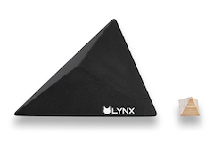 | L31-W | 42 | pyramid | 87x72x20 cm | XL | 1 | 0 | screw-ons | 159.00 |  |  |  |  |  |  |  |  |  |  |  |  |  | € - | No | No | 1 | 0
 |  | L32-W | 45 | pyramid | 87x72x20 cm | XL | 1 | 0 | screw-ons | 159.00 |  |  |  |  |  |  |  |  |  |  |  |  |  | € - | No | No | 1 | 0
 | 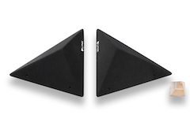 | L33-W | 48, 51 | pyramid | 2x 58x48x11cm | L | 2 | 0 | screw-ons | 201.40 |  |  |  |  |  |  |  |  |  |  |  |  |  | € - | No | No | 2 | 0
 | 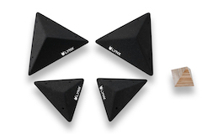 | L34-W | 54, 57, 60, 63 | pyramid | 2x 44x36x8cm, 2x 25x23x6cm | S, M | 4 | 0 | screw-ons | 243.80 |  |  |  |  |  |  |  |  |  |  |  |  |  | € - | No | No | 4 | 0
 |  |  |  |  |  |  |  |  |  | HIGH-S
 | 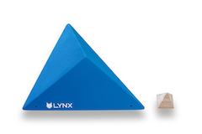 | L41-W | 43 | pyramid | 87x72x30 cm | XL | 1 | 0 | screw-ons | 169.60 |  |  |  |  |  |  |  |  |  |  |  |  |  | € - | No | No | 1 | 0
 | 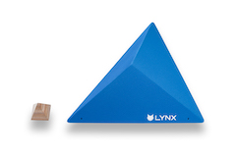 | L42-W | 44 | pyramid | 87x72x30 cm | XL | 1 | 0 | screw-ons | 169.60 |  |  |  |  |  |  |  |  |  |  |  |  |  | € - | No | No | 1 | 0
 |  | L43-W | 49, 50 | pyramid | 2x 58x48x20 cm | L | 2 | 0 | screw-ons | 206.70 |  |  |  |  |  |  |  |  |  |  |  |  |  | € - | No | No | 2 | 0
 | 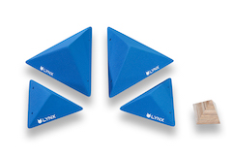 | L44-W | 55, 56, 61, 62 | pyramid | 2x 44x36x15cm, 2x 25x23x9cm | S, M | 4 | 0 | screw-ons | 254.40 |  |  |  |  |  |  |  |  |  |  |  |  |  | € - | No | No | 4 | 0
 |  |  |  |  |  |  |  |  |  | CANVAS
 |  | L51-W |  | flat rectangle | 125x120x25 cm | 2XL | 1 | 0 | screw-ons | 254.40 |  |  |  |  |  |  |  |  |  |  |  |  |  | € - | No | No | 1 | 0
 | 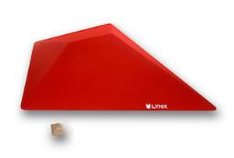 | L52-W |  | flat rectangle | 125x120x25 cm | 2XL | 1 | 0 | screw-ons | 254.40 |  |  |  |  |  |  |  |  |  |  |  |  |  | € - | No | No | 1 | 0
 | 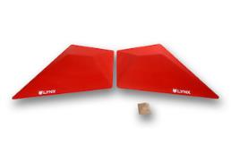 | L53-W |  | flat rectangle | 2x 100x80x13 cm | XL | 2 | 0 | screw-ons | 275.60 |  |  |  |  |  |  |  |  |  |  |  |  |  | € - | No | No | 2 | 0
 | 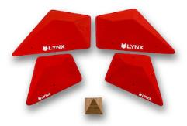 | L54-W |  | flat rectangle | 2x 59x48x7 cm, 2x 38x31x4 cm | M, L | 4 | 0 | screw-ons | 328.60 |  |  |  |  |  |  |  |  |  |  |  |  |  | € - | No | No | 4 | 0
 |  |  |  |  |  |  |  |  |  | PENTAS |  |  |  |  |  |  |  |  |  |  |  |  |  |  | No
 |  | L61-W | L61 | pentagon | 92x48x6 cm | XL | 1 | 0 | screw-ons | 148.40 |  |  |  |  |  |  |  |  |  |  |  |  |  | € - | No | No | 1 | 0
 |  | L62-W | L62 | pentagon | 119x66x12 cm | XL | 1 | 0 | screw-ons | 180.20 |  |  |  |  |  |  |  |  |  |  |  |  |  | € - | No | No | 1 | 0
 |  | L63-W | L63 | pentagon | 144x88x15 cm | 2XL | 1 | 0 | screw-ons | 275.60 |  |  |  |  |  |  |  |  |  |  |  |  |  | € - | No | No | 1 | 0
 |  | L64-W | L64 | pentagon | 92x48x10 cm | XL | 1 | 0 | screw-ons | 153.70 |  |  |  |  |  |  |  |  |  |  |  |  |  | € - | No | No | 1 | 0
 |  | L65-W | L65 | pentagon | 119x67x20 cm | XL | 1 | 0 | screw-ons | 185.50 |  |  |  |  |  |  |  |  |  |  |  |  |  | € - | No | No | 1 | 0
 |  | L66-W | L66 | pentagon | 144x88x27 cm | 2XL | 1 | 0 | screw-ons | 280.90 |  |  |  |  |  |  |  |  |  |  |  |  |  | € - | No | No | 1 | 0
 |  | L67-W | L67 | pentagon | 92x48x12,5 cm | XL | 1 | 0 | screw-ons | 159.00 |  |  |  |  |  |  |  |  |  |  |  |  |  | € - | No | No | 1 | 0
 |  | L68-W | L68 | pentagon | 120x67x25 cm | XL | 1 | 0 | screw-ons | 190.80 |  |  |  |  |  |  |  |  |  |  |  |  |  | € - | No | No | 1 | 0
 |  | L69-W | L69 | pentagon | 145x88x32 cm | 2XL | 1 | 0 | screw-ons | 286.20 |  |  |  |  |  |  |  |  |  |  |  |  |  | € - | No | No | 1 | 0
 |  | L70-W | L70 | pentagon | 74x31x9 cm | L | 1 | 0 | screw-ons | 190.80 |  |  |  |  |  |  |  |  |  |  |  |  |  | € - | No | No | 1 | 0
 |  | L71-W | L71 | pentagon | 73x31x15 cm | L | 1 | 0 | screw-ons | 286.20 |  |  |  |  |  |  |  |  |  |  |  |  |  | € - | No | No | 1 | 0
 |  | L72-W | L72 | pyramid | 187x61x65 cm | 3XL | 1 | 0 | screw-ons | 328.60 |  |  |  |  |  |  |  |  |  |  |  |  |  | € - | No | No | 1 | 0
 | 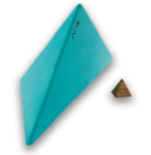 | L73-W | L73 | pyramid | 165x47x53 cm | 3XL | 1 | 0 | screw-ons | 286.20 |  |  |  |  |  |  |  |  |  |  |  |  |  | € - | No | No | 1 | 0
 | 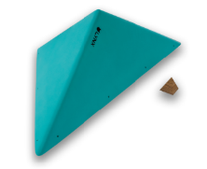 | L74-W | L74 | pyramid | 177x88x49 cm | 3XL | 1 | 0 | screw-ons | 307.40 |  |  |  |  |  |  |  |  |  |  |  |  |  | € - | No | No | 1 | 0

LYNX PU
 |  |  |  |  |  |  |  |  | Sum price without VAT | 0.00 | EUR |  | SCREW-ON ORDER TOTAL |  |  | BOLT-ON ORDER TOTAL
 |  |  |  |  |  |  |  |  | Sum SETS | 0 |  |  | 50mm | 70mm | 90mm | 30mm | 40mm | 50mm | 70mm | 90mm | 100mm | 120mm | 140mm | 160mm | 180mm | 200mm
 |  |  |  |  |  |  |  |  | SUM | 0.00 | kg |  | 0 | 0 | 0 | 0 | 0 | 0

 |  |  |  |  |  |  |  |  |  |  |  |  |  |  |  |  |  |  |  | SUM of pcs.
 |  |  |  |  |  |  |  |  | Sum pcs. by colour: | 0 | 0 | 0 | 0 | 0 | 0 | 0 | 0 | 0 | 0 | 0 |  |  |  | SUM: | 0
NEW |  | ID | DT | TYPE | SIZE | DIMENSIONS | PCS. IN SET | FIXING | PRICE WITHOUT VAT | BLACK RAL 9005 | WHITE | RED RAL 3000 | YELLOW RAL 1018 | BLUE RAL 5015 | GREEN RAL 6018 | PINK RAL 4003 | PURPLE S4050-R60B/M | MINT RAL 6027 | BROWN RAL 8003 | SUM | ordered | NEW |  | Production quota pet set | Ordered production quota
 |  |  |  |  |  |  |  |  | PENTAS |  |  |  |  |  |  |  |  |  |  |  | No
NEW | 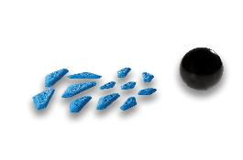 | L1-PU |  | sloper/ edge | XS-S | 2X 13x6x1 cm, 11x4,5x1,5 cm, 13x5,5x1,5 cm, 7x3,5x1 cm, 6x3,5x1 cm, 10x5x1,5 cm, 11x5x1 cm, 6,5x3,5x0,5 cm, 8x4x1 cm, 8x4x0,5 cm, 6,5x3,5x0,5 cm | 12 | screw-ons | 51.00 |  |  |  |  |  |  |  |  |  |  | € - | No | Yes |  | 1 | 0
NEW | 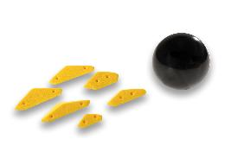 | L2-PU |  | sloper | XS-S | 10x5,5x2 cm, 6,5x4x1,5 cm, 13x5,5x1,5 cm, 13x5x1,5 cm, 10,5x5x1,5 cm, 13x6x1,5 cm | 6 | screw-ons | 47.00 |  |  |  |  |  |  |  |  |  |  | € - | No | Yes |  | 1 | 0
NEW |  | L3-PU |  | edge | S | 10,5x3,5x1 cm, 10x3x1,5 cm, 2X 12,5x5,5x1,5 cm, 11x4x1 cm, 12,5x5x1 cm, 2X 12,5x4,5x1,5 cm | 7 | screw-ons | 50.00 |  |  |  |  |  |  |  |  |  |  | € - | No | Yes |  | 1 | 0
NEW | 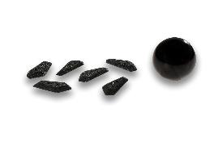 | L4-PU |  | edge | M | 13x6x1,5 cm, 3X 13,5x6x1,5 cm, 13,5x6x1,5 cm, 14x6x1,5 cm | 6 | screw-ons | 56.00 |  |  |  |  |  |  |  |  |  |  | € - | No | Yes |  | 1 | 0
NEW |  | L5-PU |  | sloper/ edge | S-M | 12,5x5,5x1,5 cm, 13x5,5x1,5 cm, 14,5x6,5x1 cm, 17x6,5x3 cm, 16x6x2 cm, 18x7x2 cm, 20,5x8,5x2,5 cm | 7 | screw-ons | 63.00 |  |  |  |  |  |  |  |  |  |  | € - | No | Yes |  | 1 | 0
NEW | 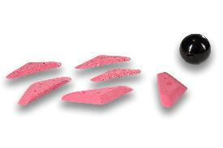 | L6-PU |  | sloper/ incut | M-L | 20x7,5x1,5 cm, 22,5x9x2 cm, 22,5x8,5x2 cm, 20x8,5x1,5 cm, 17x6x1,5 cm, 22x8,5x2 cm | 6 | screw-ons | 61.00 |  |  |  |  |  |  |  |  |  |  | € - | No | Yes |  | 1 | 0
NEW | 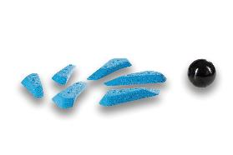 | L7-PU |  | edge | M-L | 23x9x3 cm, 23x9,5x3 cm, 23,5x10x3 cm, 23,5x9,5x3 cm, 20x7x2,5 cm, 20x7x2,5 cm | 6 | screw-ons | 64.00 |  |  |  |  |  |  |  |  |  |  | € - | No | Yes |  | 1 | 0
NEW | 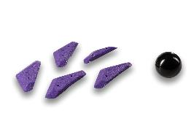 | L8-PU |  | crimp/ edge | M-L | 19x6x2 cm, 22x8,5x2 cm, 23x9x2 cm, 22,5x9x2 cm, 22,5x9,5x2 cm | 5 | screw-ons | 65.00 |  |  |  |  |  |  |  |  |  |  | € - | No | Yes |  | 1 | 0
NEW | 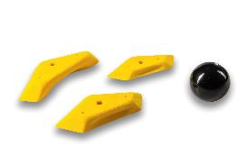 | L9-PU |  | crimp | L | 25x14,5x3,5 cm, 22x12,5x2,5 cm, 30,5x14x5 cm | 3 | bolt-on / screw-ons | 68.00 |  |  |  |  |  |  |  |  |  |  | € - | No | Yes |  | 1 | 0
NEW | 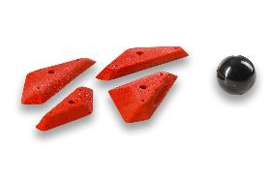 | L10-PU |  | sloper/ edge | L-XL | 21,5x9,5x2,5 cm, 32,5x14,5x2 cm, 31x15x2,5 cm, 30,5x13x2,5 cm | 4 | bolt-on / screw-ons | 66.00 |  |  |  |  |  |  |  |  |  |  | € - | No | Yes |  | 1 | 0
NEW | 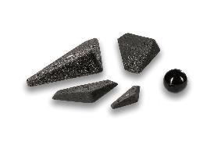 | L11-PU |  | sloper/ edge | M-XL | 38,5x19x7 cm, 30x15x4,5 cm, 22x11x3 cm, 15x6x2 cm | 4 | screw-ons | 69.00 |  |  |  |  |  |  |  |  |  |  | € - | No | Yes |  | 1 | 0
NEW | 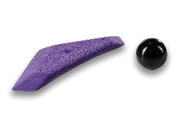 | L12-PU |  | positive | XL | 50x20,5x3,5 cm | 1 | screw-ons | 65.00 |  |  |  |  |  |  |  |  |  |  | € - | No | Yes |  | 1 | 0

