LYNX volumes
 |  |  |  |  |  |  | Sum Price without VAT | 0.00 | EUR
 |  |  |  |  |  |  | Sum SETS | 0
 |  |  |  |  |  |  | SUM kg | 0.00 | KG

 |  |  |  |  |  |  | SUM pcs. | 0 | 0 | 0 | 0 | 0 | 0 | 0 | 0 | 0 | 0
 | # | new | dimensions | size | no. in set | no. of t-nuts | price without VAT | BLACK RAL 9005 | WHITE | RED RAL 3000 | YELLOW RAL 1018 | BLUE RAL 5015 | GREEN. RAL 6018 | ORANGE. RAL 1033 | PINK RAL 4003 | GREY. RAL 7001 | PURPLE S4050-R60B/M | Sum | ordered | NEW
ramps |  |  |  |  |  |  |  |  |  |  |  |  |  |  |  |  |  |  | no
 | L1 |  | 118x40x10cm | L | 1 | 0 | 175.00 |  |  |  |  |  |  |  |  |  |  | € - | No | No
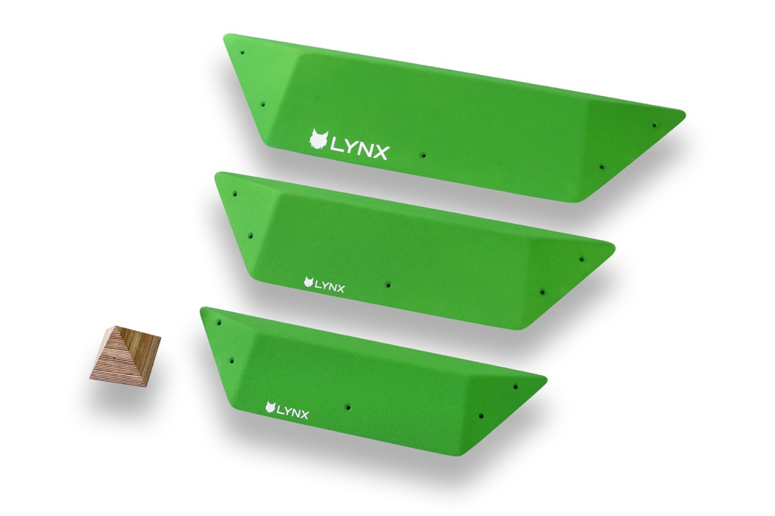 | L2 |  | 93x32x8cm; 74x25x6cm, 60x21x4cm | M-S | 3 | 0 | 290.00 |  |  |  |  |  |  |  |  |  |  | € - | No | No
kites |  |  |  |  |  |  |  |  |  |  |  |  |  |  |  |  |  |  | No
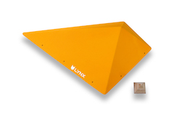 | L11 |  | 120x70x25cm | L | 1 | 0 | 210.00 |  |  |  |  |  |  |  |  |  |  | € - | No | No
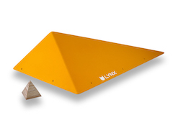 | L12 |  | 120x70x25cm | L | 1 | 0 | 210.00 |  |  |  |  |  |  |  |  |  |  | € - | No | No
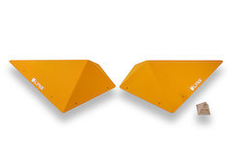 | L13 |  | 95x60x20cmx2 | M | 2 | 0 | 250.00 |  |  |  |  |  |  |  |  |  |  | € - | No | No
 | L14 |  | 70x50x15cm x2, 50x30x10cm x2 | S | 4 | 0 | 370.00 |  |  |  |  |  |  |  |  |  |  | € - | No | No
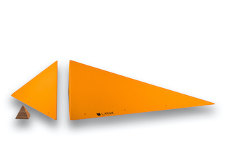 | L15 | new | 147x108xx36, 108x45x36 cm | XL | 2 | 0 | 490.00 |  |  |  |  |  |  |  |  |  |  | € - | No | Yes
 | L16 | new | 179x37x36cm, 179x72,5x36cm | XL | 2 | 0 | 540.00 |  |  |  |  |  |  |  |  |  |  | € - | No | Yes
low-s |  |  |  |  |  |  |  |  |  |  |  |  |  |  |  |  |  |  | No
 | L21 |  | 87x72x12 cm | L | 1 | 0 | 150.00 |  |  |  |  |  |  |  |  |  |  | € - | No | No
 | L22 |  | 87x72x12 cm | L | 1 | 0 | 150.00 |  |  |  |  |  |  |  |  |  |  | € - | No | No
 | L23 |  | 58x48x8cm x2 | M | 2 | 0 | 190.00 |  |  |  |  |  |  |  |  |  |  | € - | No | No
 | L24 |  | 44x36x6cm x2, 25x23x4cm x2 | S | 4 | 0 | 230.00 |  |  |  |  |  |  |  |  |  |  | € - | No | No
middle-s |  |  |  |  |  |  |  |  |  |  |  |  |  |  |  |  |  |  | No
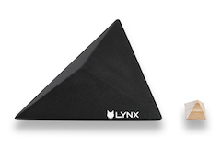 | L31 |  | 87x72x20 cm | L | 1 | 0 | 150.00 |  |  |  |  |  |  |  |  |  |  | € - | No | No
 | L32 |  | 87x72x20 cm | L | 1 | 0 | 150.00 |  |  |  |  |  |  |  |  |  |  | € - | No | No
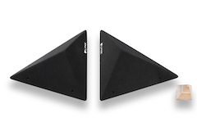 | L33 |  | 58x48x11cm x2 | M | 2 | 0 | 190.00 |  |  |  |  |  |  |  |  |  |  | € - | No | Yes
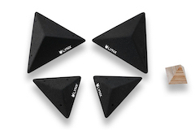 | L34 |  | 44x36x8cm x2, 25x23x6cm x2 | S | 4 | 0 | 230.00 |  |  |  |  |  |  |  |  |  |  | € - | No | No
high-s |  |  |  |  |  |  |  |  |  |  |  |  |  |  |  |  |  |  | No
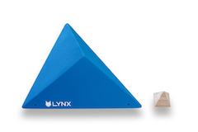 | L41 |  | 87x72x30 cm | L | 1 | 0 | 160.00 |  |  |  |  |  |  |  |  |  |  | € - | No | No
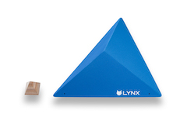 | L42 |  | 87x72x30 cm | L | 1 | 0 | 160.00 |  |  |  |  |  |  |  |  |  |  | € - | No | No
 | L43 |  | 58x48x20cm x2 | M | 2 | 0 | 195.00 |  |  |  |  |  |  |  |  |  |  | € - | No | No
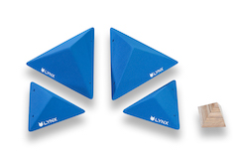 | L44 |  | 44x36x15cm x2, 25x23x9cm x2 | S | 4 | 0 | 240.00 |  |  |  |  |  |  |  |  |  |  | € - | No | No
canvas |  |  |  |  |  |  |  |  |  |  |  |  |  |  |  |  |  |  | No
 | L51 | new | 125x120x25 cm | L | 1 | 0 | 240.00 |  |  |  |  |  |  |  |  |  |  | € - | No | Yes
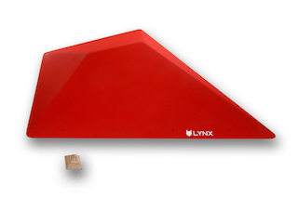 | L52 | new | 125x120x25 cm | L | 1 | 0 | 240.00 |  |  |  |  |  |  |  |  |  |  | € - | No | Yes
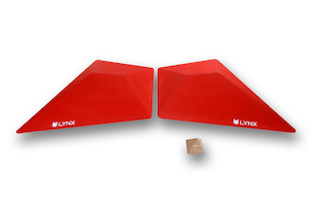 | L53 | new | 2x 100x80x13 cm | M | 2 | 0 | 260.00 |  |  |  |  |  |  |  |  |  |  | € - | No | Yes
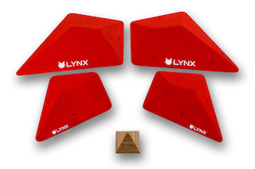 | L54 | new | 2x 59x48x7, 2x 38x31x4 cm | S | 4 | 0 | 310.00 |  |  |  |  |  |  |  |  |  |  | € - | No | Yes

