SIMPL PLYWOOD

 |  |  |  |  |  |  |  |  | Sum price without VAT | 0.00 | EUR |  | SCREW-ON ORDER TOTAL
 |  |  |  |  |  |  |  |  | Sum SETS | 0 |  |  | 50mm | 70mm | longer
 |  |  |  |  |  |  |  |  | SUM | 0.00 | kg |  | 0 | 0 | 0
 |  |  |  |  |  |  |  |  |  |  |  |  |  |  |  |  |  |  |  |  |  |  | SUM of pcs.
 |  |  |  |  |  |  |  |  | Sum pcs. by colour: | 0 | 0 | 0 | 0 | 0 | 0 | 0 | 0 | 0 | 0 | 0 | 0 | 0 | 0 |  |  | SUM: | 0
NEW |  | ID | SIZE | DIMENSIONS | TYPE | PCS. IN SET | T-NUTS | FIXING | PRICE WITHOUT VAT | BLACK RAL 9005 | WHITE | RED RAL 3000 | YELLOW RAL 1018 | BLUE RAL 5015 | GREEN RAL 6018 | ORANGE RAL 1033 | DEEP ORANGE RAL 2011 | PINK RAL 4003 | GREY RAL 7001 | PURPLE S4050-R60B/M | MINT RAL6027 | DEEP ROSE RAL4008 | Sum | ordered | NEW | Production quota pet set | Ordered production quota
 |  |  |  |  |  |  |  |  | BOWS
 |  | SIMPL-11A | M | 4x 32x16x6 cm |  | 4 | 0 | screw-ons | 318.00 |  |  |  |  |  |  |  |  |  |  |  |  |  | € - | No | No | 4 | 0
 |  | SIMPL-11B | L | 60x29x10 cm, 70x29x10 cm |  | 2 | 0 | screw-ons | 286.20 |  |  |  |  |  |  |  |  |  |  |  |  |  | € - | No | No | 2 | 0
 |  | SIMPL-11C | L-XL | 80x30x16 cm, 90x30x16 cm |  | 2 | 0 | screw-ons | 318.00 |  |  |  |  |  |  |  |  |  |  |  |  |  | € - | No | No | 2 | 0
 |  | SIMPL-11D | XL | 100x30x18 cm |  | 1 | 0 | screw-ons | 212.00 |  |  |  |  |  |  |  |  |  |  |  |  |  | € - | No | No | 1 | 0
 |  | SIMPL-11E | XL | 120x60x19 cm |  | 1 | 0 | screw-ons | 233.20 |  |  |  |  |  |  |  |  |  |  |  |  |  | € - | No | No | 1 | 0
 | 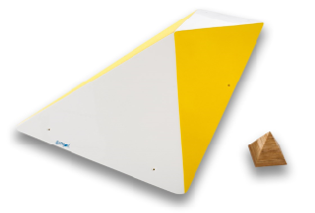 | SIMPL-11F | XL | 109x64x20 cm |  | 1 | 0 | screw-ons | 233.20 |  |  |  |  |  |  |  |  |  |  |  |  |  | € - | No | No | 1 | 0
 |  | SIMPL-11G | L | 67x20x12 cm |  | 1 | 0 | screw-ons | 106.00 |  |  |  |  |  |  |  |  |  |  |  |  |  | € - | No | No | 1 | 0
 |  |  |  |  |  |  |  |  | FLAT
 | 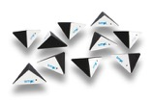 | SIMPL-1A | S | 10x 18x6 cm |  | 10 | 0 | screw-ons | 349.80 |  |  |  |  |  |  |  |  |  |  |  |  |  | € - | No | No | 10 | 0
 | 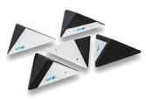 | SIMPL-1B | S | 5x 28x7 cm |  | 5 | 0 | screw-ons | 238.50 |  |  |  |  |  |  |  |  |  |  |  |  |  | € - | No | No | 5 | 0
 | 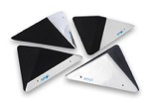 | SIMPL-1C | M | 4x 41x12 cm |  | 4 | 0 | screw-ons | 238.50 |  |  |  |  |  |  |  |  |  |  |  |  |  | € - | No | No | 4 | 0
 | 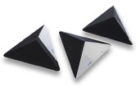 | SIMPL-1D | L | 3x 54x15 cm |  | 3 | 0 | screw-ons | 238.50 |  |  |  |  |  |  |  |  |  |  |  |  |  | € - | No | No | 3 | 0
 | 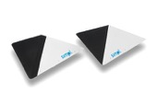 | SIMPL-1E | L | 2x 77x23 cm |  | 2 | 0 | screw-ons | 238.50 |  |  |  |  |  |  |  |  |  |  |  |  |  | € - | No | No | 2 | 0
 |  | SIMPL-1F | XL | 107x28 cm |  | 1 | 0 | screw-ons | 226.84 |  |  |  |  |  |  |  |  |  |  |  |  |  | € - | No | No | 1 | 0
 | 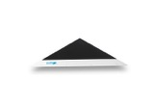 | SIMPL-1G | 2XL | 132x36 cm |  | 1 | 0 | screw-ons | 254.40 |  |  |  |  |  |  |  |  |  |  |  |  |  | € - | No | No | 1 | 0
 | 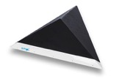 | SIMPL-1H | 2XL | 158x42 cm |  | 1 | 26 | screw-ons | 349.80 |  |  |  |  |  |  |  |  |  |  |  |  |  | € - | No | No | 1 | 0
 | 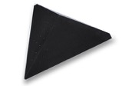 | SIMPL-1I | 3XL | 180x65 cm |  | 1 | 38 | screw-ons | 424.00 |  |  |  |  |  |  |  |  |  |  |  |  |  | € - | No | No | 1 | 0
 | 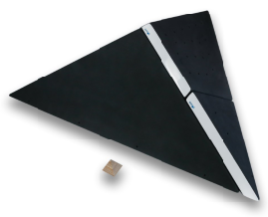 | SIMPL-1K | 4XL | 209x61 cm | feature | 3 | 39 | screw-ons | 795.00 |  |  |  |  |  |  |  |  |  |  |  |  |  | € - | No | No | 3 | 0
 |  |  |  |  |  |  |  |  | CLASSIC
 | 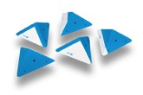 | SIMPL-2A | S | 5x 30x15 cm |  | 5 | 5 | screw-ons | 208.82 |  |  |  |  |  |  |  |  |  |  |  |  |  | € - | No | No | 5 | 0
 | 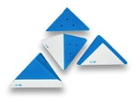 | SIMPL-2B | M | 4x 42x22 cm |  | 4 | 8 | screw-ons | 208.82 |  |  |  |  |  |  |  |  |  |  |  |  |  | € - | No | No | 4 | 0
 | 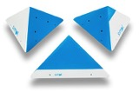 | SIMPL-2C | L | 3x 56x29 cm |  | 3 | 18 | screw-ons | 208.82 |  |  |  |  |  |  |  |  |  |  |  |  |  | € - | No | No | 3 | 0
 | 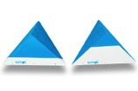 | SIMPL-2D | XL | 2x 84x43 cm |  | 2 | 24 | screw-ons | 219.42 |  |  |  |  |  |  |  |  |  |  |  |  |  | € - | No | No | 2 | 0
 |  | SIMPL-2E | XL | 112x50 cm |  | 1 | 39 | screw-ons | 212.00 |  |  |  |  |  |  |  |  |  |  |  |  |  | € - | No | No | 1 | 0
 | 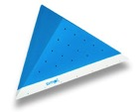 | SIMPL-2F | 2XL | 142x70 cm |  | 1 | 57 | screw-ons | 302.10 |  |  |  |  |  |  |  |  |  |  |  |  |  | € - | No | No | 1 | 0
 | 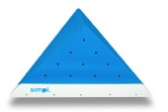 | SIMPL-2G | 3XL | 170x85 cm |  | 1 | 84 | screw-ons | 408.10 |  |  |  |  |  |  |  |  |  |  |  |  |  | € - | No | No | 1 | 0
 | 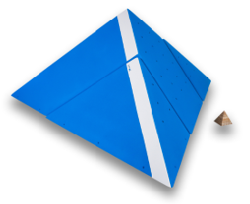 | SIMPL-2H | 3XL | 193x79 cm | feature | 3 | 52 | screw-ons | 932.80 |  |  |  |  |  |  |  |  |  |  |  |  |  | € - | No | No | 3 | 0
 |  |  |  |  |  |  |  |  | TRAPEZ
 | 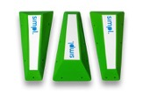 | SIMPL-3A | L | 3x 63x27x12 cm | pinch | 3 | 0 | screw-ons | 326.48 |  |  |  |  |  |  |  |  |  |  |  |  |  | € - | No | No | 3 | 0
 | 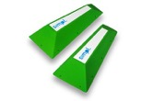 | SIMPL-3B | L | 2x 72x34x17 cm | pinch | 2 | 0 | screw-ons | 226.84 |  |  |  |  |  |  |  |  |  |  |  |  |  | € - | No | No | 2 | 0
 |  | SIMPL-3C | L | 80x40x22 cm | pinch | 1 | 0 | screw-ons | 159.00 |  |  |  |  |  |  |  |  |  |  |  |  |  | € - | No | No | 1 | 0
 |  | SIMPL-3D | XL | 89x45x26 cm | pinch | 1 | 0 | screw-ons | 180.20 |  |  |  |  |  |  |  |  |  |  |  |  |  | € - | No | No | 1 | 0
 | 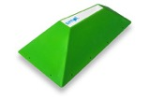 | SIMPL-3E | XL | 98x52x31 cm | pinch | 1 | 0 | screw-ons | 254.40 |  |  |  |  |  |  |  |  |  |  |  |  |  | € - | No | No | 1 | 0
 | 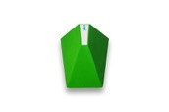 | SIMPL-3F | XL | 108x58x36 cm | pinch | 1 | 0 | screw-ons | 272.42 |  |  |  |  |  |  |  |  |  |  |  |  |  | € - | No | No | 1 | 0
 | 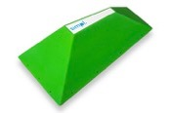 | SIMPL-3G | XL | 117x64x45 cm | pinch | 1 | 0 | screw-ons | 294.68 |  |  |  |  |  |  |  |  |  |  |  |  |  | € - | No | No | 1 | 0
 | 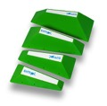 | SIMPL-3H | L-XL | 63x27x12 cm, 72x34x17 cm, 80x40x22 cm, 89x45x26 cm | pinch | 4 | 0 | screw-ons | 544.84 |  |  |  |  |  |  |  |  |  |  |  |  |  | € - | No | No | 4 | 0
 | 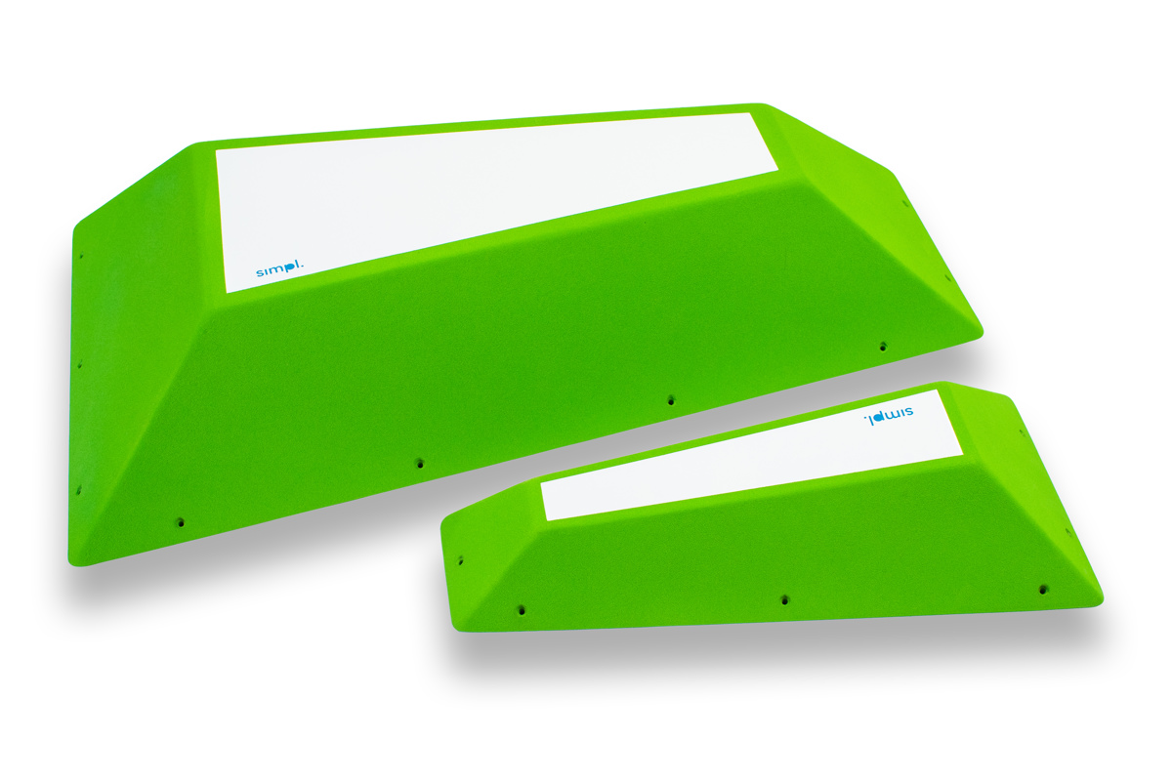 | SIMPL-3I | L, XL | 110x65x25 cm, 72x34x17 cm | pinch | 2 | 0 | screw-ons | 455.80 |  |  |  |  |  |  |  |  |  |  |  |  |  | € - | No | No | 2 | 0
 | 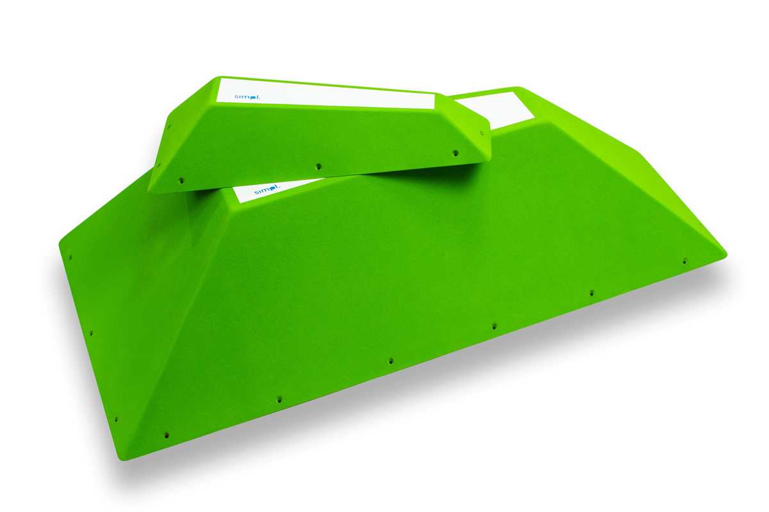 | SIMPL-3J | L, 2XL | 130x85x29 cm, 72x34x17 cm | pinch | 2 | 0 | screw-ons | 487.60 |  |  |  |  |  |  |  |  |  |  |  |  |  | € - | No | No | 2 | 0
 | 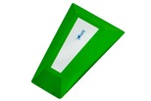 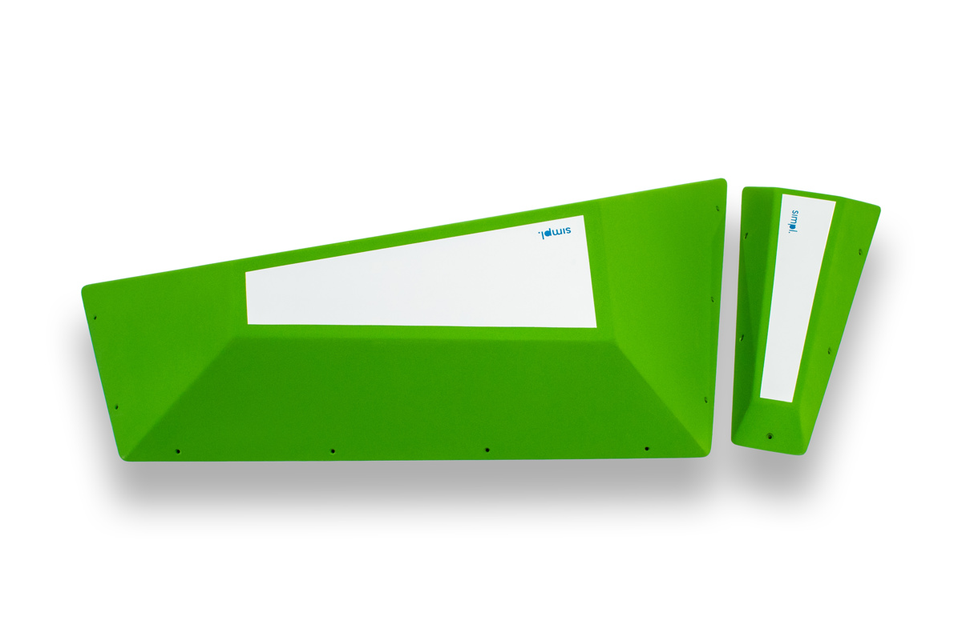 | SIMPL-3K | L, XL | 110x65x25 cm, 72x34x17 cm | pinch | 2 | 0 | screw-ons | 477.00 |  |  |  |  |  |  |  |  |  |  |  |  |  | € - | No | No | 2 | 0
 | 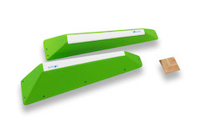 | SIMPL-3L | L | 2x 71x16x16 cm. | pinch | 2 | 0 | screw-ons | 249.10 |  |  |  |  |  |  |  |  |  |  |  |  |  | € - | No | No | 2 | 0
 | 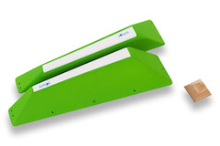 | SIMPL-3M | L | 2x 80x19x19 cm | pinch | 2 | 0 | screw-ons | 318.00 |  |  |  |  |  |  |  |  |  |  |  |  |  | € - | No | No | 2 | 0
 | 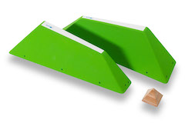 | SIMPL-3N | XL | 2x 88x24x21 cm | pinch | 2 | 0 | screw-ons | 371.00 |  |  |  |  |  |  |  |  |  |  |  |  |  | € - | No | No | 2 | 0
 | 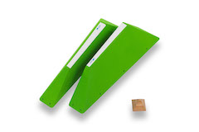 | SIMPL-3O | XL | 2x 97x28x24 cm | pinch | 2 | 0 | screw-ons | 498.20 |  |  |  |  |  |  |  |  |  |  |  |  |  | € - | No | No | 2 | 0
 | 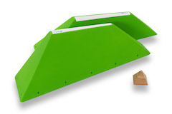 | SIMPL-3P | XL | 2x 107x33x27 cm | pinch | 2 | 0 | screw-ons | 535.30 |  |  |  |  |  |  |  |  |  |  |  |  |  | € - | No | No | 2 | 0
 | 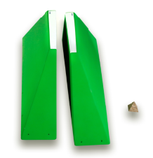 | SIMPL-3R | 3XL | 2x 193x63x50,5 cm | pinch | 2 | 0 | screw-ons | 742.00 |  |  |  |  |  |  |  |  |  |  |  |  |  | € - | No | No | 2 | 0
 |  |  |  |  |  |  |  |  | PRISMS
 | 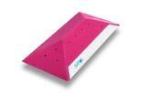 | SIMPL-4A | XL | 120x60x20 cm |  | 1 | 22 | screw-ons | 272.42 |  |  |  |  |  |  |  |  |  |  |  |  |  | € - | No | No | 1 | 0
 | 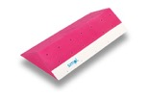 | SIMPL-4B | XL | 120x60x20 cm |  | 1 | 28 | screw-ons | 272.42 |  |  |  |  |  |  |  |  |  |  |  |  |  | € - | No | No | 1 | 0
 | 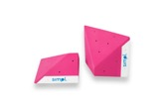 | SIMPL-4C | L | 2x 60x60x20 cm |  | 2 | 14 | screw-ons | 318.00 |  |  |  |  |  |  |  |  |  |  |  |  |  | € - | No | No | 2 | 0
 | 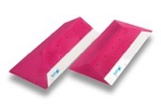 | SIMPL-4D | XL | 2x 120x60x20 cm |  | 2 | 44 | screw-ons | 530.00 |  |  |  |  |  |  |  |  |  |  |  |  |  | € - | No | No | 2 | 0
 | 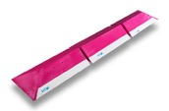 | SIMPL-4E | XL | 3x 120x60x20 cm |  | 3 | 72 | screw-ons | 795.00 |  |  |  |  |  |  |  |  |  |  |  |  |  | € - | No | No | 3 | 0
 | 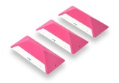 | SIMPL-4F | L | 55x24x12 cm |  | 3 | 0 | screw-ons | 302.10 |  |  |  |  |  |  |  |  |  |  |  |  |  | € - | No | No | 3 | 0
 | 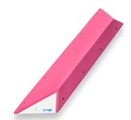 | SIMPL-4G | 2XL | 118x24x9 cm |  | 1 | 0 | screw-ons | 196.10 |  |  |  |  |  |  |  |  |  |  |  |  |  | € - | No | No | 1 | 0
 | 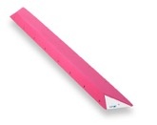 | SIMPL-4H | 2XL | 187x24x9 cm |  | 1 | 0 | screw-ons | 270.30 |  |  |  |  |  |  |  |  |  |  |  |  |  | € - | No | No | 1 | 0
 | 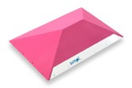 | SIMPL-4I | 2XL | 121x86x31 cm |  | 1 | 0 | screw-ons | 376.30 |  |  |  |  |  |  |  |  |  |  |  |  |  | € - | No | No | 1 | 0
 | 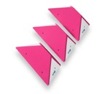 | SIMPL-4M | L | 3x 55x24x9 cm |  | 3 | 0 | screw-ons | 326.48 |  |  |  |  |  |  |  |  |  |  |  |  |  | € - | No | No | 3 | 0
 | 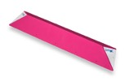 | SIMPL-4N | 2XL | 187x34x9 cm |  | 1 | 0 | screw-ons | 344.50 |  |  |  |  |  |  |  |  |  |  |  |  |  | € - | No | No | 1 | 0
 |  | SIMPL-4O | M | 2x 32,5x28,5x14 cm |  | 2 | 3 | screw-ons | 349.80 |  |  |  |  |  |  |  |  |  |  |  |  |  | € - | No | No | 2 | 0
 |  |  |  |  |  |  |  |  | INCUT
 |  | SIMPL-5A | L | 55X10 cm |  | 1 | 0 | screw-ons | 106.00 |  |  |  |  |  |  |  |  |  |  |  |  |  | € - | No | No | 1 | 0
 |  | SIMPL-5B | L | 78x12 cm |  | 1 | 0 | screw-ons | 132.50 |  |  |  |  |  |  |  |  |  |  |  |  |  | € - | No | No | 1 | 0
 |  | SIMPL-5C | XL | 107x16 cm |  | 1 | 9 | screw-ons | 190.80 |  |  |  |  |  |  |  |  |  |  |  |  |  | € - | No | No | 1 | 0
 |  | SIMPL-5D | 2XL | 130x20 cm |  | 1 | 15 | screw-ons | 270.30 |  |  |  |  |  |  |  |  |  |  |  |  |  | € - | No | No | 1 | 0
 | 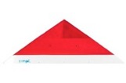 | SIMPL-5E | 2XL | 157x23 cm |  | 1 | 15 | screw-ons | 360.40 |  |  |  |  |  |  |  |  |  |  |  |  |  | € - | No | No | 1 | 0
 |  | SIMPL-5F | XL | 95x18 cm | positive | 1 | 0 | screw-ons | 219.42 |  |  |  |  |  |  |  |  |  |  |  |  |  | € - | No | No | 1 | 0
 |  | SIMPL-5G | 2XL | 128x25 cm | positive | 1 | 0 | screw-ons | 328.60 |  |  |  |  |  |  |  |  |  |  |  |  |  | € - | No | No | 1 | 0
 |  | SIMPL-5H | 2XL | 128x25 cm | positive | 1 | 0 | screw-ons | 328.60 |  |  |  |  |  |  |  |  |  |  |  |  |  | € - | No | No | 1 | 0
 | 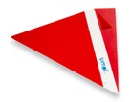 | SIMPL-5I | 2XL | 128x25 cm | positive | 1 | 0 | screw-ons | 328.60 |  |  |  |  |  |  |  |  |  |  |  |  |  | € - | No | No | 1 | 0
 | 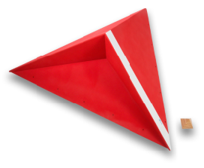 | SIMPL-5J | 3XL | 175x50 cm | positive | 1 | 0 | screw-ons | 508.80 |  |  |  |  |  |  |  |  |  |  |  |  |  | € - | No | No | 1 | 0
 | 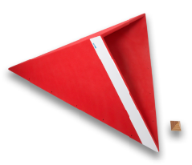 | SIMPL-5K | 3XL | 175x55 cm | positive | 1 | 0 | screw-ons | 508.80 |  |  |  |  |  |  |  |  |  |  |  |  |  | € - | No | No | 1 | 0
 |  | SIMPL-5L | L | 75x22 cm | positive | 1 | 0 | screw-ons | 159.00 |  |  |  |  |  |  |  |  |  |  |  |  |  | € - | No | No | 1 | 0
 | 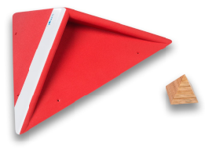 | SIMPL-5M | L | 77x23 cm | positive | 1 | 0 | screw-ons | 169.60 |  |  |  |  |  |  |  |  |  |  |  |  |  | € - | No | No | 1 | 0
 |  | SIMPL-5N | M | 36,5x12 cm | positive | 1 | 0 | screw-ons | 106.00 |  |  |  |  |  |  |  |  |  |  |  |  |  | € - | No | No | 1 | 0
 |  | SIMPL-5O | M | 37x12 cm | positive | 1 | 0 | screw-ons | 106.00 |  |  |  |  |  |  |  |  |  |  |  |  |  | € - | No | No | 1 | 0
 |  |  |  |  |  |  |  |  | WANNABES
 |  | SIMPL-6A | S-XL | 26x18x9 cm, 36x18x9 cm, 49x18x9 cm, 69x18x9 cm, 114x18x9 cm | edge | 5 | 0 | screw-ons | 137.80 |  |  |  |  |  |  |  |  |  |  |  |  |  | € - | No | No | 5 | 0
 |  | SIMPL-6B | L | 57x6x2 cm | edge | 6 | 0 | screw-ons | 137.80 |  |  |  |  |  |  |  |  |  |  |  |  |  | € - | No | No | 6 | 0
 |  | SIMPL-6C | S | 26x6x2 cm | edge | 8 | 0 | screw-ons | 148.40 |  |  |  |  |  |  |  |  |  |  |  |  |  | € - | No | No | 8 | 0
 |  | SIMPL-6D | S | 26x9x2 cm | edge | 8 | 0 | screw-ons | 148.40 |  |  |  |  |  |  |  |  |  |  |  |  |  | € - | No | No | 8 | 0
 |  | SIMPL-6E | S | 30x11x4,5 cm | edge | 8 | 0 | screw-ons | 148.40 |  |  |  |  |  |  |  |  |  |  |  |  |  | € - | No | No | 8 | 0
 |  | SIMPL-6F | S | 29x19x2 cm | edge | 8 | 0 | screw-ons | 137.80 |  |  |  |  |  |  |  |  |  |  |  |  |  | € - | No | No | 8 | 0
 |  | SIMPL-6G | S | 28x19x4,5 cm | edge | 8 | 0 | screw-ons | 137.80 |  |  |  |  |  |  |  |  |  |  |  |  |  | € - | No | No | 8 | 0
 |  | SIMPL-6H | S-L | 18x6x6 cm, 25x18x2 cm, 30x18x2 cm, 44x36x4 cm, 57x36x4 cm, 71x36x4 cm | edge | 6 | 0 | screw-ons | 196.10 |  |  |  |  |  |  |  |  |  |  |  |  |  | € - | No | No | 6 | 0
 | 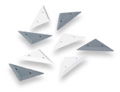 | SIMPL-6I | S | 18x6x1,5 cm | edge | 8 | 0 | screw-ons | 148.40 |  |  |  |  |  |  |  |  |  |  |  |  |  | € - | No | No | 8 | 0
 |  | SIMPL-6J | S | 26x6x1,2 cm | edge | 8 | 0 | screw-ons | 148.40 |  |  |  |  |  |  |  |  |  |  |  |  |  | € - | No | No | 8 | 0
 |  | SIMPL-6K | XS-S | 2x 30,5x6,5x1,2 cm, 24x6,5x1,2 cm, 19x6,5x1,2 cm, 15,5x6,5x1,2 cm, 12,5x6,5x1,2 cm | edge | 10 | 0 | screw-ons | 196.10 |  |  |  |  |  |  |  |  |  |  |  |  |  | € - | No | No | 10 | 0
 |  | SIMPL-6L | L | 3x 57,5x14,5x4,5 cm | edge | 3 | 0 | screw-ons | 159.00 |  |  |  |  |  |  |  |  |  |  |  |  |  | € - | No | No | 3 | 0
 |  | SIMPL-6M | XL | 2x 112,5x14,5x4,5 cm | edge | 2 | 0 | screw-ons | 127.20 |  |  |  |  |  |  |  |  |  |  |  |  |  | € - | No | No | 2 | 0
 |  |  |  |  |  |  |  |  | SQUARES
 |  | SIMPL-7A | S | 5x 30x15 cm |  | 5 | 10 | screw-ons | 265.00 |  |  |  |  |  |  |  |  |  |  |  |  |  | € - | No | No | 5 | 0
 |  | SIMPL-7B | M | 4x 40x19 cm |  | 4 | 8 | screw-ons | 265.00 |  |  |  |  |  |  |  |  |  |  |  |  |  | € - | No | No | 4 | 0
 |  | SIMPL-7C | M | 3x 50x25 cm |  | 3 | 6 | screw-ons | 265.00 |  |  |  |  |  |  |  |  |  |  |  |  |  | € - | No | No | 3 | 0
 |  | SIMPL-7D | L | 2x 70x40 cm |  | 2 | 12 | screw-ons | 275.60 |  |  |  |  |  |  |  |  |  |  |  |  |  | € - | No | No | 2 | 0
 |  | SIMPL-7E | XL | 90x60 cm |  | 1 | 6 | screw-ons | 275.60 |  |  |  |  |  |  |  |  |  |  |  |  |  | € - | No | No | 1 | 0
 |  | SIMPL-7F | XL | 120x85 cm |  | 1 | 20 | screw-ons | 371.00 |  |  |  |  |  |  |  |  |  |  |  |  |  | € - | No | No | 1 | 0
 |  | SIMPL-7G | M | 50x50x8 cm, 50x50x17 cm |  | 2 | 0 | screw-ons | 251.96 |  |  |  |  |  |  |  |  |  |  |  |  |  | € - | No | No | 2 | 0
 |  | SIMPL-7H | M | 50x50x12 cm, 50x50x20 cm |  | 2 | 0 | screw-ons | 251.96 |  |  |  |  |  |  |  |  |  |  |  |  |  | € - | No | No | 2 | 0
 |  | SIMPL-7I | S-M | 17x17x10 cm, 23x23x15 cm, 30x30x20 cm, 37x37x24 cm |  | 4 | 0 | screw-ons | 302.10 |  |  |  |  |  |  |  |  |  |  |  |  |  | € - | No | No | 4 | 0
 |  | SIMPL-7J | S-M | 50x50x8 cm, 50x50x20 cm, 37x37x24 cm, 17x17x10 cm |  | 4 | 0 | screw-ons | 381.60 |  |  |  |  |  |  |  |  |  |  |  |  |  | € - | No | No | 4 | 0
 |  | SIMPL-7K | S-M | 50x50x17 cm, 50x50x12 cm, 30x30x20 cm, 22x22x14 cm |  | 4 | 0 | screw-ons | 381.60 |  |  |  |  |  |  |  |  |  |  |  |  |  | € - | No | No | 4 | 0
 |  | SIMPL-7L | M, XL | 120x120x57 cm, 40x40x20 cm |  | 2 | 0 | screw-ons | 434.60 |  |  |  |  |  |  |  |  |  |  |  |  |  | € - | No | No | 2 | 0
 |  | SIMPL-7M | S | 2x 23x23x18 cm |  | 2 | 6 | screw-ons | 169.60 |  |  |  |  |  |  |  |  |  |  |  |  |  | € - | No | No | 2 | 0
 |  | SIMPL-7N | M | 35x35x36 cm |  | 1 | 9 | screw-ons | 116.60 |  |  |  |  |  |  |  |  |  |  |  |  |  | € - | No | No | 1 | 0
 |  | SIMPL-7O | M | 50x50x53 cm |  | 1 | 13 | screw-ons | 169.60 |  |  |  |  |  |  |  |  |  |  |  |  |  | € - | No | No | 1 | 0
 |  | SIMPL-7P | L | 64x64x70 cm |  | 1 | 14 | screw-ons | 233.20 |  |  |  |  |  |  |  |  |  |  |  |  |  | € - | No | No | 1 | 0
 |  | SIMPL-7R | L | 80x80x87 cm |  | 1 | 19 | screw-ons | 381.60 |  |  |  |  |  |  |  |  |  |  |  |  |  | € - | No | No | 1 | 0
 |  | SIMPL-7S | XL | 2x 115x115x45 cm |  | 2 | 26 | screw-ons | 487.60 |  |  |  |  |  |  |  |  |  |  |  |  |  | € - | No | No | 2 | 0
 |  |  |  |  |  |  |  |  | WHEELS
 |  | SIMPL-8A | L | 60x15x4 cm | jug | 1 | 0 | screw-ons | 82.68 |  |  |  |  |  |  |  |  |  |  |  |  |  | € - | No | No | 1 | 0
 |  | SIMPL-8B | L | 60x25x4 cm | jug | 1 | 0 | screw-ons | 90.10 |  |  |  |  |  |  |  |  |  |  |  |  |  | € - | No | No | 1 | 0
 |  | SIMPL-8C | L | 60x35x4 cm | jug | 1 | 0 | screw-ons | 106.00 |  |  |  |  |  |  |  |  |  |  |  |  |  | € - | No | No | 1 | 0
 |  | SIMPL-8D | L | 60x45x4 cm | jug | 1 | 0 | screw-ons | 111.30 |  |  |  |  |  |  |  |  |  |  |  |  |  | € - | No | No | 1 | 0
 |  | SIMPL-8E | XL | 120x30x4 cm | jug | 1 | 0 | screw-ons | 132.50 |  |  |  |  |  |  |  |  |  |  |  |  |  | € - | No | No | 1 | 0
 |  | SIMPL-8F | S | 2x 25x8x8 cm | pinch | 2 | 0 | screw-ons | 174.90 |  |  |  |  |  |  |  |  |  |  |  |  |  | € - | No | No | 2 | 0
 |  | SIMPL-8G | M | 2x 40x8x8 cm | pinch | 2 | 0 | screw-ons | 196.10 |  |  |  |  |  |  |  |  |  |  |  |  |  | € - | No | No | 2 | 0
 |  | SIMPL-8H | XL | 2x 88x8x11 cm | pinch | 2 | 0 | screw-ons | 265.00 |  |  |  |  |  |  |  |  |  |  |  |  |  | € - | No | No | 2 | 0
 |  | SIMPL-8I | S | 2x 25x8x11 cm | pinch | 2 | 0 | screw-ons | 180.20 |  |  |  |  |  |  |  |  |  |  |  |  |  | € - | No | No | 2 | 0
 |  | SIMPL-8J | M | 2x 46x8x11 cm | pinch | 2 | 0 | screw-ons | 196.10 |  |  |  |  |  |  |  |  |  |  |  |  |  | € - | No | No | 2 | 0
 |  | SIMPL-8K | L | 2x 53x8x16 cm | pinch | 2 | 0 | screw-ons | 227.90 |  |  |  |  |  |  |  |  |  |  |  |  |  | € - | No | No | 2 | 0
 |  | SIMPL-8L | L | 60x20x12 cm | pinch | 1 | 0 | screw-ons | 127.20 |  |  |  |  |  |  |  |  |  |  |  |  |  | € - | No | No | 1 | 0
 |  |  |  |  |  |  |  |  | DUCKS
 |  | SIMPL-9A | S | 4x 23x29x19 cm |  | 4 | 0 | screw-ons | 254.40 |  |  |  |  |  |  |  |  |  |  |  |  |  | € - | No | No | 4 | 0
 |  | SIMPL-9B | M | 4x 40x29x19 cm |  | 4 | 0 | screw-ons | 291.50 |  |  |  |  |  |  |  |  |  |  |  |  |  | € - | No | No | 4 | 0
 |  | SIMPL-9C | L | 3x 58x29x19 cm |  | 3 | 0 | screw-ons | 291.50 |  |  |  |  |  |  |  |  |  |  |  |  |  | € - | No | No | 3 | 0
 |  | SIMPL-9D | L | 3x 75x29x19 cm |  | 3 | 0 | screw-ons | 291.50 |  |  |  |  |  |  |  |  |  |  |  |  |  | € - | No | No | 3 | 0
 |  | SIMPL-9E | XL | 2x 95x29x19 cm |  | 2 | 0 | screw-ons | 318.00 |  |  |  |  |  |  |  |  |  |  |  |  |  | € - | No | No | 2 | 0
 |  | SIMPL-9F | XL | 2x 110x29x19 cm |  | 2 | 0 | screw-ons | 360.40 |  |  |  |  |  |  |  |  |  |  |  |  |  | € - | No | No | 2 | 0
 |  | SIMPL-9G | L | 61x61x32x20 cm, 58x29x19 cm |  | 2 | 0 | screw-ons | 270.30 |  |  |  |  |  |  |  |  |  |  |  |  |  | € - | No | No | 2 | 0
 |  | SIMPL-9H | S | 4x 25,5x18,5x12 cm |  | 4 | 0 | screw-ons | 254.40 |  |  |  |  |  |  |  |  |  |  |  |  |  | € - | No | No | 4 | 0
 |  | SIMPL-9I | M | 3x 37x18,5x12 cm |  | 3 | 0 | screw-ons | 227.90 |  |  |  |  |  |  |  |  |  |  |  |  |  | € - | No | No | 3 | 0
 |  | SIMPL-9J | M-L | 2x 47,5x18,5x12 cm, 52x42x13 cm |  | 3 | 0 | screw-ons | 344.50 |  |  |  |  |  |  |  |  |  |  |  |  |  | € - | No | No | 3 | 0
 |  | SIMPL-9K | XL | 3x 108x41x27 cm |  | 3 | 0 | screw-ons | 508.80 |  |  |  |  |  |  |  |  |  |  |  |  |  | € - | No | No | 3 | 0
 |  | SIMPL-9L | 2XL | 2x 134x41x27 cm |  | 2 | 0 | screw-ons | 445.20 |  |  |  |  |  |  |  |  |  |  |  |  |  | € - | No | No | 2 | 0
 |  | SIMPL-9M | 3XL | 2x 161x41x27 cm |  | 2 | 0 | screw-ons | 524.70 |  |  |  |  |  |  |  |  |  |  |  |  |  | € - | No | No | 2 | 0
 |  | SIMPL-9N | 3XL | 168x85x44x27,5 cm |  | 1 | 0 | screw-ons | 583.00 |  |  |  |  |  |  |  |  |  |  |  |  |  | € - | No | No | 1 | 0
 |  | SIMPL-9O | L | 4x 74x29x19 cm | positive | 4 | 0 | screw-ons | 381.60 |  |  |  |  |  |  |  |  |  |  |  |  |  | € - | No | No | 4 | 0
 |  |  |  |  |  |  |  |  | HUGE-IES
 |  | SIMPL-10A | 3XL | 197x140x56 cm | feature | 1 | 41 | screw-ons | 712.47 |  |  |  |  |  |  |  |  |  |  |  |  |  | € - | No | No | 1 | 0
 |  | SIMPL-10B | 2XL | 152x127x56 cm | feature | 1 | 22 | screw-ons | 418.70 |  |  |  |  |  |  |  |  |  |  |  |  |  | € - | No | No | 1 | 0
 |  | SIMPL-10C | 3XL | 200x90x40 cm | feature | 1 | 13 | screw-ons | 339.20 |  |  |  |  |  |  |  |  |  |  |  |  |  | € - | No | No | 1 | 0
 |  | SIMPL-10D | 2XL | 145x117x60 cm | feature | 1 | 25 | screw-ons | 477.00 |  |  |  |  |  |  |  |  |  |  |  |  |  | € - | No | No | 1 | 0
 |  | SIMPL-10E | 3XL | 200x120x85 cm | feature | 1 | 30 | screw-ons | 625.40 |  |  |  |  |  |  |  |  |  |  |  |  |  | € - | No | No | 1 | 0
 |  | SIMPL-10F | 2XL | 158x297x40 cm | feature | 3 | 24 | screw-ons | 1431.00 |  |  |  |  |  |  |  |  |  |  |  |  |  | € - | No | No | 3 | 0
 |  | SIMPL-10G | 2XL | 158x297x40 cm | feature | 3 | 24 | screw-ons | 1431.00 |  |  |  |  |  |  |  |  |  |  |  |  |  | € - | No | No | 3 | 0

