Layout Calculator
↓ Go to the Layout Calculator ↓

how to use:
1. Click go to the calculator headline or scroll down to row 41 to go to the calculator location.
2. Fill the first 2 cells in green highlight with your initial paper height and width.
3. Fill the 2 cells below for the height and width of your desired cutting size.
4. Click the blue equal sign to calculate the layout.
5. Click the red cross sign to delete the current setting to begin a new calculation.
For more information please visit: https://github.com/prinofprin/excel_paper_layout_calculator

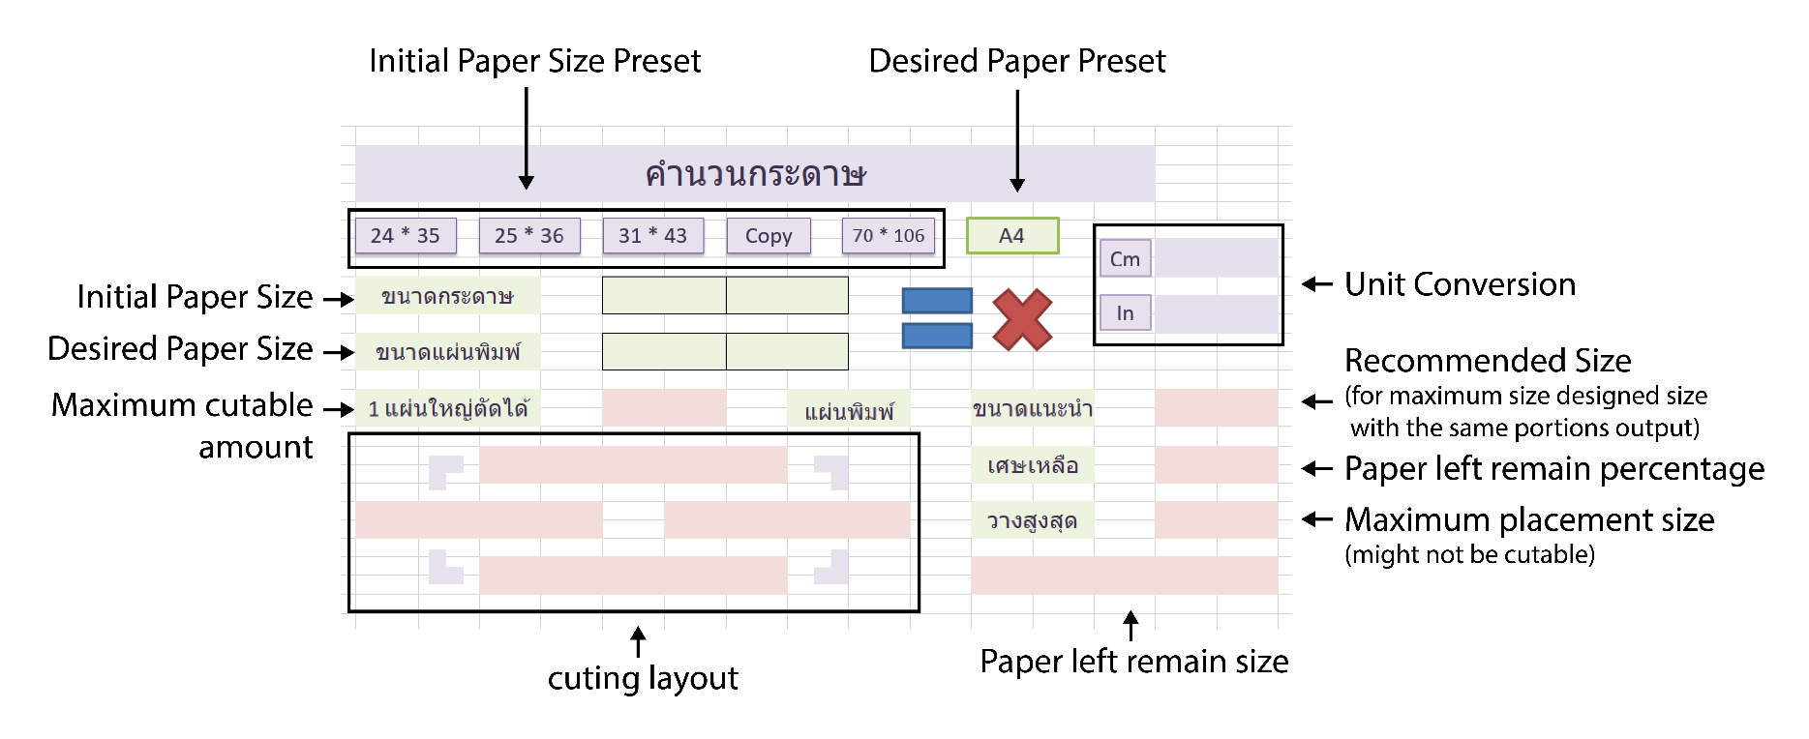

คำนวนกระดาษ

24 * 35
25 * 36
31 * 43
24 * 36
70 * 106
A4

Cm

ขนาดกระดาษ |  |  | 24.00 | 36.00
In
 |  |  |  |  |  |  | 0
ขนาดแผ่นพิมพ์ |  |  | 8.25 | 11.75

1 แผ่นใหญ่ตัดได้ |  |  |  |  | แผ่นพิมพ์ | ขนาดแนะนำ

 |  |  |  |  |  | เศษเหลือ

 |  |  |  |  |  | วางสูงสุด

 | 6
 | 6

 | 6 | 6

