Interface Diagram
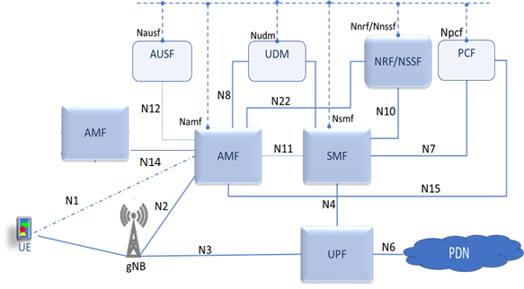
5G Network Architecture | Xplornet 5GC Network Architecture

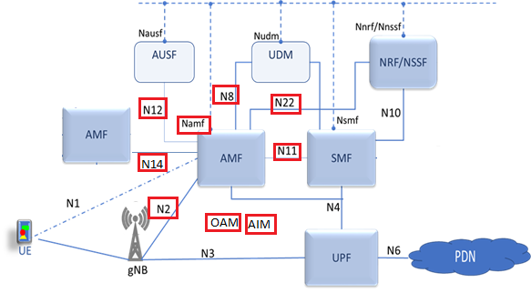

Service Based Architecture

Network Diagram
XPLORNET 5G CORE NETWORK TOPOLOGY | CMM-a2 Connections/Cabling
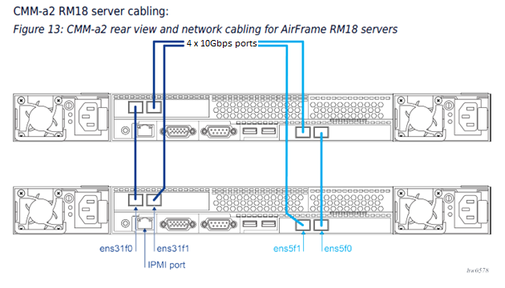
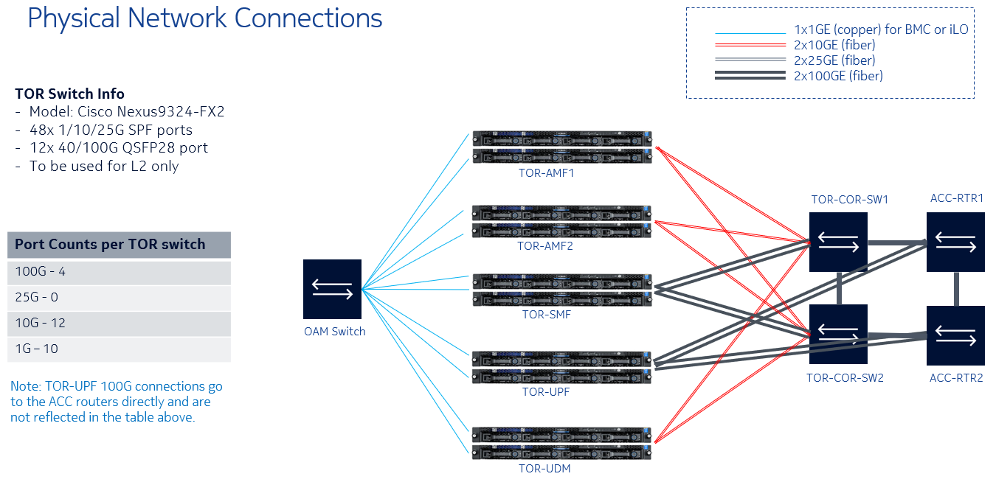

 | CMM-a2 to Cisco Nexus Port Mapping 10G interfaces

 |  | TOR-COR-SW1 | TOR-COR-SW2
 | TOR-AMF-01
 | Server1 ens31f1 | Port E1/5 |  | Note:
 | Server1 ens5f1 |  | Port E1/5 | ens31f1 physical interface in named eth3 is CMM OS
 | Server2 ens31f1 | Port E1/6 |  | ens5f1 physical interface is named eth4 in CMM OS
 | Server2 ens5f1 |  | Port E1/6
 | TOR-AMF-02
 | Server1 ens31f1 | Port E1/7
 | Server1 ens5f1 |  | Port E1/7
 | Server2 ens31f1 | Port E1/8
 | Server2 ens5f1 |  | Port E1/8

